Hoja 1
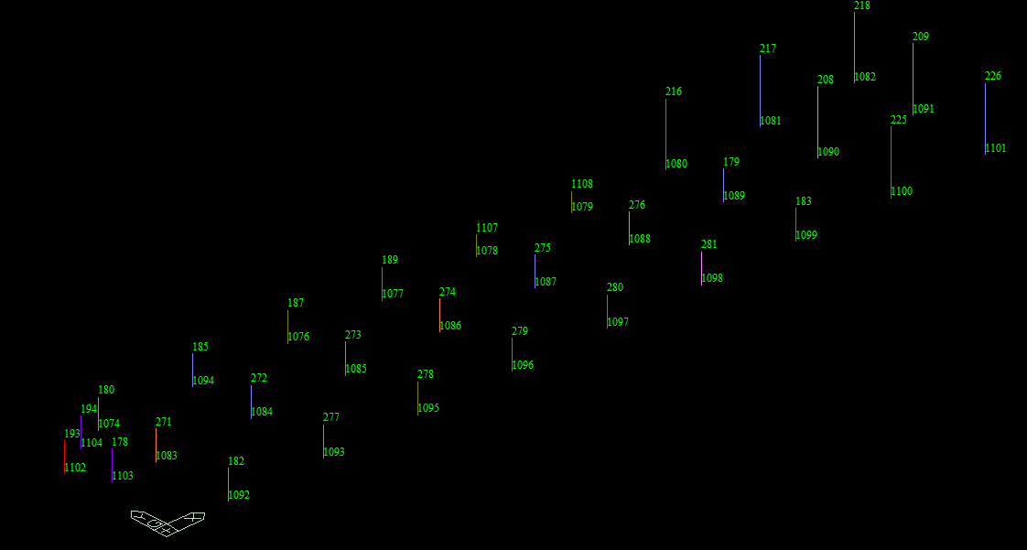
Node | Load | FX (tonf) | FY (tonf) | FZ (tonf) | MX (tonf*m) | MY (tonf*m) | MZ (tonf*m)
1074 | S5 | 5.228534 | 15.41123 | 174.798331 | -16.645447 | 10.570595 | 1.039043
1076 | S5 | 4.594153 | 10.92351 | 193.471557 | 5.750702 | 9.307202 | 0.224367
1077 | S5 | 4.922592 | 10.299905 | 185.826324 | 7.685959 | 9.596379 | 0.240779
1078 | S5 | -0.365177 | 10.731751 | 189.167546 | 9.048252 | 4.899502 | -0.023496
1079 | S5 | 2.006399 | 9.249133 | 181.87063 | 10.281896 | 7.638648 | 0.065913
1080 | S5 | 3.516988 | 8.31595 | 178.162721 | 13.205681 | 13.643445 | 0.168342
1081 | S5 | 4.11018 | 11.535577 | 172.618716 | 34.935223 | 15.722351 | 0.029704
1082 | S5 | 2.026626 | 11.479121 | 123.800275 | 32.335486 | 11.563177 | 0.093252
1083 | S5 | 31.70857 | 8.945506 | 325.751921 | 8.289409 | 227.543557 | 1.481399
1084 | S5 | 5.813189 | 17.970249 | 354.134268 | 86.302374 | 11.063889 | 1.140741
1085 | S5 | 4.955614 | 17.234126 | 336.761554 | 85.381246 | 10.293317 | 1.350146
1086 | S5 | 28.220613 | 9.623636 | 375.84073 | 10.253315 | 98.624008 | 0.020479
1087 | S5 | 4.092636 | 16.315028 | 315.736455 | 87.081664 | 9.520131 | 1.78507
1088 | S5 | 30.723002 | 7.518427 | 354.24465 | 12.681493 | 238.20913 | 2.135246
1089 | S5 | -0.349888 | 9.042086 | 335.863085 | 94.219954 | 5.63859 | 1.39038
1090 | S5 | 21.581869 | 7.568321 | 335.543079 | 23.784797 | 103.524215 | 0.053808
1091 | S5 | 5.005176 | 5.65004 | 196.764584 | 18.099381 | 62.504187 | 0.931786
1092 | S5 | 9.174858 | 18.534919 | 179.652127 | 13.170691 | 13.763592 | 0.011861
1093 | S5 | 3.885298 | 12.643672 | 258.022875 | -26.805529 | 9.134524 | 0.773009
1094 | S5 | 4.902733 | 15.259215 | 199.803252 | 19.009565 | 10.320454 | 0.011861
1095 | S5 | 4.708904 | 9.944285 | 246.431603 | -18.736642 | 9.164963 | 0.703026
1096 | S5 | 4.634792 | 9.42607 | 249.60358 | -17.440732 | 9.101585 | 0.691899
1097 | S5 | 5.066287 | 8.774294 | 253.001585 | -14.964247 | 9.485088 | 0.756663
1098 | S5 | 17.901815 | 3.443531 | 266.896527 | 12.629042 | -18.521937 | 1.03651
1099 | S5 | -3.101082 | 5.478197 | 230.872943 | 10.581738 | 2.269398 | -0.199098
1100 | S5 | 3.717809 | 6.572871 | 215.0886 | -3.013084 | 13.856085 | 0.553196
1101 | S5 | 0.684396 | 11.338763 | 149.621122 | 13.430891 | 8.694481 | 0.131966
1102 | S5 | 0.009398 | 0.004999 | 10.0859 | 0 | 0 | 0.0027
1103 | S5 | 0.018884 | 0.008462 | 24.343385 | 0 | 0 | 0.001885
1104 | S5 | 0.016976 | 0.012718 | 19.438328 | -0.913465 | 1.943833 | 0.003022

