raspi_pin_config
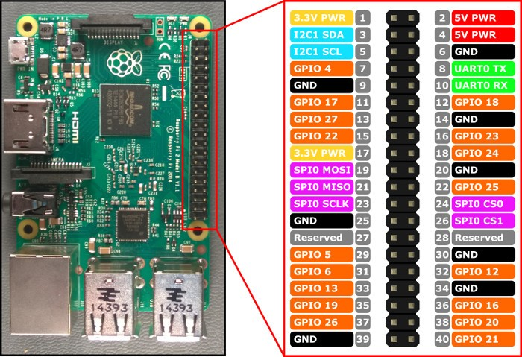
Wir verwenden die BCM pin-Verteilung (GPIO orange im Bild)

DistanceSensor | GPIO 19 | Output (TRIGGER)
DistanceSensor | GPIO 26 | Input (ECHO)
ElectroMagnet | GPIO 4 | Output
StartKnopf (Backup) | GPIO 12 | Input
CollisionSensor | GPIO 25 | Input
StepperH | GPIO 23 | Output (TRIGGER)
StepperH | GPIO 24 | Output (DIR)
StepperV | GPIO 20 | Output (TRIGGER)
StepperV | GPIO 21 | Output (DIR)
GROUND | (BOARD 6) GND | GROUND

