ions
TABLE OF CONSTANTS |  | TABLE OF CONVERSIONS (ENERGY) |  |  |  |  |  |  |  |  | TABLE OF CONVERSIONS (DISTANCE) |  |  |  | TABLE OF CONVERSIONS (MASS)
Navo [ mol-1 ] | 6.02E+23 | out in | hartree | eV | cm-1 | kcal/mol | kJ/mol | oK | J | Hz | out in | a0 | angstrom | m | out in | me | kg | u
R [ J mol-1 K -1 ] | 8.3144 | hartree | 1 | 27.2107 | 219474.63 | 627.503 | 2625.5 | 315777 | 4.36E-18 | 6.57966E+15 | a0 | 1 | 0.52917999956 | 5.29E-11 | me | 1 | 9.11E-31 | 5.49E-04
kb [ J K-1 ] | 1.38E-23 | eV | 0.0367502 | 1 | 8065.73 | 23.0609 | 96.4869 | 11604.9 | 1.60E-19 | 241804000000000 | angstrom | 1.88973 | 1 | 1.00E-10 | kg | 1.10E+30 | 1 | 6.02E+26
e [ C ] | 1.60E-16 | cm-1 | 4.55633E-06 | 0.000123981 | 1 | 0.0028591 | 0.011963 | 1.42879 | 1.9863E-23 | 29979300000 | m | 1.89E+10 | 1.00E+10 | 1 | u | 1.82E+03 | 1.66E-27 | 1
me [ kg ] | 9.11E-31 | kcal/mol | 0.00159362 | 0.0433634 | 349.757 | 1 | 4.184 | 503.228 | 6.95E-21 | 10485400000000
eps0 [ F m-1] | 8.85E-12 | kJ/mol | 0.00038088 | 0.0103641 | 83.593 | 0.239001 | 1 | 120.274 | 1.66E-21 | 2506070000000
a0 [ m ] | 5.29E-12 | oK | 3.16678E-06 | 8.61705E-05 | 0.695028 | 0.0019872 | 0.008314 | 1 | 1.38054E-23 | 20836400000
Tamb [ K ] | 298.15 | J | 2.294E+17 | 6.24181E+18 | 5.03445E+22 | 1.44E+20 | 6.02E+20 | 7.24354E+22 | 1 | 1.5093E+33
h [ J s ] | 6.63E-34 | Hz | 1.51983E-16 | 4.13558E-15 | 3.33565E-11 | 9.537E-14 |  | 4.7993E-11 | 6.62561E-34 | 1
P [ atm ] | 1
P [ Pa ] | 101325
c [ m s-1 ] | 3.00E+08

 | 1. HO2-
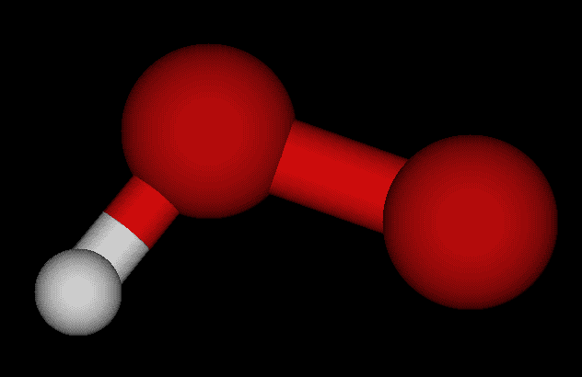

NOTE: The way used to calculate the Gibbs free energies requires the approximation that the thermochemical energy correction (arising from the hessian diagonalization) is equal in both geometries, which can be used for most of the cases.
 |  |  |  |  | SCF gas | SCF solution | ∆𝐺solv | exp. ∆𝐺solv | err %
 |  |  |  | [Hartree] | -150.9521154 | -151.09426111 | -0.14214571
 |  |  |  | [kcal/mol] | -94722.905268 | -94812.102127 | -89.196859462
 |  |  |  | [KJ/mol] | -396324.77897 | -396697.98254 | -373.2035616

 | 2. NH2-
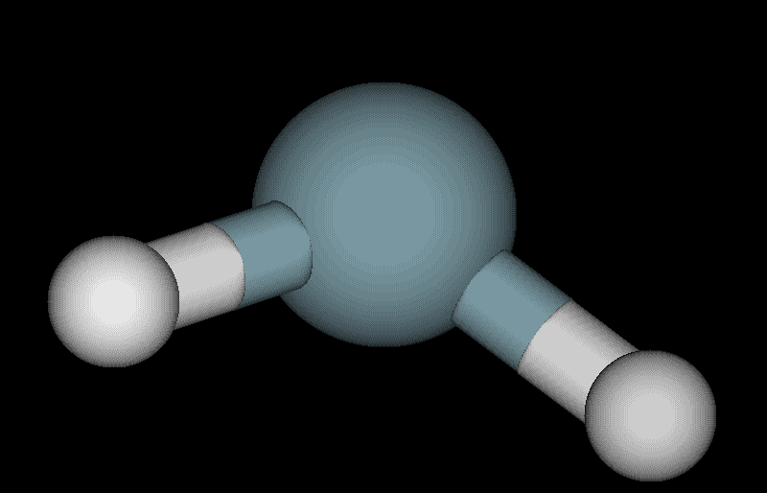

BASIS SET: 6-31+g(d,p)
THEORY LEVEL: DFT (B3LYP)
SCRF method: SMD - water
 |  |  |  |  | SCF gas | SCF solution | ∆𝐺solv | exp. ∆𝐺solv | err %
 |  |  |  | [Hartree] | -55.909251517 | -56.035823288 | -0.1265717711
 |  |  |  | [kcal/mol] | -35083.223055 | -35162.647221 | -79.424166081
 |  |  |  | [KJ/mol] | -146789.73986 | -147122.05404 | -332.31418502

 | 3. CH3O-
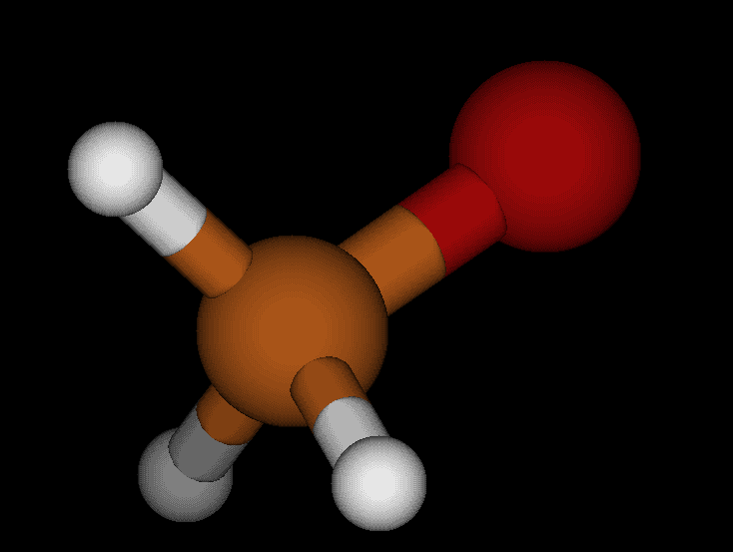

 |  |  |  |  | SCF gas | SCF solution | ∆𝐺solv | exp. ∆𝐺solv | err %
 |  |  |  | [Hartree] | -115.11552055 | -115.24551705 | -0.129996497
 |  |  |  | [kcal/mol] | -72235.334491 | -72316.907683 | -81.573191857
 |  |  |  | [KJ/mol] | -302235.7992 | -302577.105 | -341.30580287

Sheet2
TABLE OF CONSTANTS |  |  | TABLE OF CONVERSIONS (ENERGY) |  |  |  |  |  |  |  |  |  | TABLE OF CONVERSIONS (DISTANCE) |  |  |  | TABLE OF CONVERSIONS (MASS)
Navo [ mol-1 ] | 6.02E+23 |  | out in | hartree | eV | cm-1 | kcal/mol | kJ/mol | oK | J | Hz |  | out in | a0 | angstrom | m | out in | me | kg | u
R [ J mol-1 K -1 ] | 8.3144 |  | hartree | 1 | 27.2107 | 219474.63 | 627.503 | 2625.5 | 315777 | 4.36E-18 | 6.57966E+15 |  | a0 | 1 | 0.52917999956 | 5.29E-11 | me | 1 | 9.11E-31 | 5.49E-04
kb [ J K-1 ] | 1.38E-23 |  | eV | 0.0367502 | 1 | 8065.73 | 23.0609 | 96.4869 | 11604.9 | 1.60E-19 | 241804000000000 |  | angstrom | 1.88973 | 1 | 1.00E-10 | kg | 1.10E+30 | 1 | 6.02E+26
e [ C ] | 1.60E-16 |  | cm-1 | 4.55633E-06 | 0.000123981 | 1 | 0.0028591 | 0.011963 | 1.42879 | 1.9863E-23 | 29979300000 |  | m | 1.89E+10 | 1.00E+10 | 1 | u | 1.82E+03 | 1.66E-27 | 1
me [ kg ] | 9.11E-31 |  | kcal/mol | 0.00159362 | 0.0433634 | 349.757 | 1 | 4.184 | 503.228 | 6.95E-21 | 10485400000000
eps0 [ F m-1] | 8.85E-12 |  | kJ/mol | 0.00038088 | 0.0103641 | 83.593 | 0.239001 | 1 | 120.274 | 1.66E-21 | 2506070000000
a0 [ m ] | 5.29E-12 |  | oK | 3.16678E-06 | 8.61705E-05 | 0.695028 | 0.0019872 | 0.008314 | 1 | 1.38054E-23 | 20836400000
Tamb [ K ] | 298.15 |  | J | 2.294E+17 | 6.24181E+18 | 5.03445E+22 | 1.44E+20 | 6.02E+20 | 7.24354E+22 | 1 | 1.5093E+33
h [ J s ] | 6.63E-34 |  | Hz | 1.51983E-16 | 4.13558E-15 | 3.33565E-11 | 9.537E-14 |  | 4.7993E-11 | 6.62561E-34 | 1
P [ atm ] | 1
P [ Pa ] | 101325
BASIS SET: 6-31+g(d,p)
THEORY LEVEL: DFT (B3LYP)
SCRF method: SMD - water
c [ m s-1 ] | 3.00E+08

estimated as internal eletronic energy + thermal energy

 |  | sulphuric acid |  | acetic acid |  | water and hydronium |  |  |  | Gas conditions | Pressure [atm] | Temperature [K]
 |  | H2O4S | HO4S- | CH3COOH | CH3COO- | H2O | H3O+ |  |  |  | 1 | 298.15
 | ∆G°gas [Hartrees] | -700.189732 | -699.699815 | -229.03991 | -228.491064 | -76.409917 | -76.670538
 | ∆G°sol [Hartrees] | -700.214223 | -699.807247 | -229.051771 | -228.605279 | -76.424204 | -76.824553
 | ∆𝐺°solv [Hartrees] | -0.024491 | -0.107432 | -0.011861 | -0.114215 | -0.014287 | -0.154015
 | ∆𝐺°solv [kJ/mol] | -64.3011205 | -282.062716 | -31.1410555 | -299.8714825 | -37.5105185 | -404.3663825
 | ∆𝐺°solv [kcal/mol] | -15.368175973 | -67.413902296 | -7.442813083 | -71.670255145 | -8.965135361 | -96.644874545
 | exp. ∆𝐺°solv [kcal/mol] |  |  |  |  | -6.32 | -110.4

overestimated
underestimated

we will be using these experimatal values from this point on

$${∆G°}_{solv}=∆G°\left(A^{−},solv\right)+∆G°\left({H_{3}O}^{+},solv\right)− ∆G°\left(HA,solv\right)− ∆G°\left(H_{2}O,solv\right)$$
$${∆G°}_{gas}=∆G°\left(A^{−},gas\right)+∆G°\left({H_{3}O}^{+},gas\right)− ∆G°\left(HA,gas\right)− ∆G°\left(H_{2}O,gas\right)$$
$$∆G°={∆G°}_{gas}+{∆G°}_{solv}$$
$$∆G°=−2.303RT lg⁡(Ka/⁡[H_{2}O])$$
$$pKa= \frac{∆G°}{1.364}+\log\left[H_{2}O\right]=\frac{∆G°}{1.364}+2.36$$

 | Acetic acid using TCB described

concentration of bulk water is 55.49 mol/L

$pKa corrected=$ $\frac{∆G°}{1.364}−4.53$ (found in http://pogorelov.scs.illinois.edu/wp-content/uploads/2019/09/pKa_Estimations_Tutorial_web.pdf )
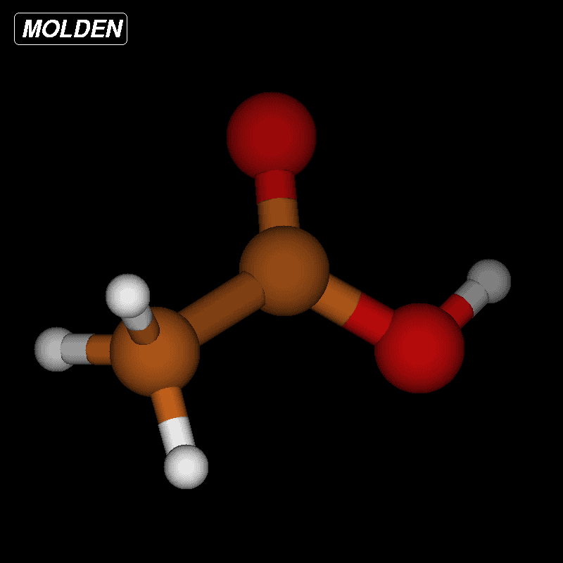
 |  | Hartrees | kcal/mol |  |  | pKa corrected | pKa
 | ∆𝐺°gas | 0.288225 | 180.86205217 |  |  | 4.6641580624 | 6.8441580624
 | ∆𝐺°solv | -0.2682179696 | -168.30758058 |  | pKa exp. | 4.76 | 4.76
 | ∆𝐺° | 0.0200070304 | 12.554471597 |  | err % | 2% | 44%

 | Sulphuric acid using TCA described

$$∆G°={∆G°}_{4}+{∆G°}_{5}$$
${∆G°}_{4}={∆G°}_{4}(gas)$+${∆G°}_{4}(solv)$
$${∆G°}_{4,gas}=∆G°\left(A^{−},gas\right)+∆G°\left({CH}_{3}COOH,gas\right)− ∆G°\left(HA,gas\right)− ∆G°\left({{CH}_{3}COOH}^{−},gas\right)$$
$${∆G°}_{4,solv}=∆G°\left(A^{−},solv\right)+∆G°\left({CH}_{3}COOH,solv\right)− ∆G°\left(HA,solv\right)− ∆G°\left({{CH}_{3}COOH}^{−},solv\right)$$

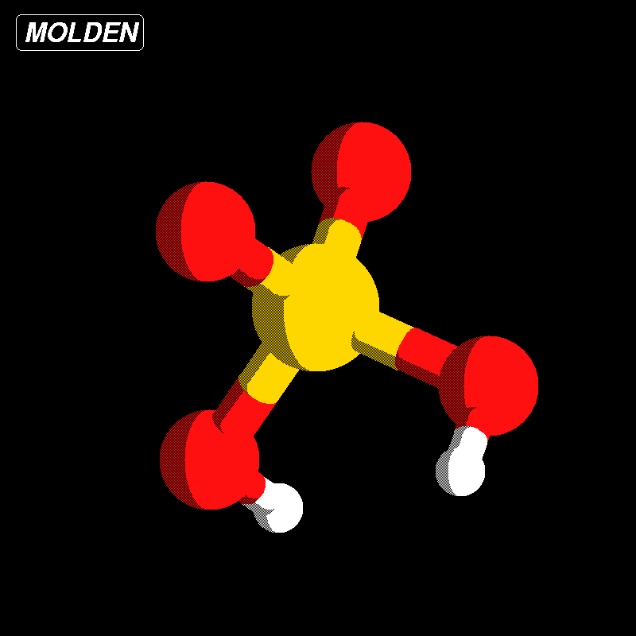

 |  | kcal/mol
 | ∆𝐺°5 | 8.8336 | (from experimental value pKa = 4.76) |  |  |  | pKa corrected | pKa
 | ∆𝐺°4,gas | -36.978124287 |  |  |  |  | -16.242938818 | -14.062938818
 | ∆𝐺°4,solv | 12.181715739 |  |  |  | pKa exp. | -3 | -3
 | ∆𝐺° | -15.962808548 |  |  |  | err % | -441% | -369%

 | Acetic acid using TCB described

https://global.oup.com/us/companion.websites/fdscontent/uscompanion/us/static/companion.websites/9780197651896/Table_7.2_Acidity_constants_for_common_acids.pdf
 |  | Hartrees | kcal/mol |  |  | pKa corrected | pKa
 | ∆𝐺°gas | 0.229296 | 143.88392789 |  |  | -13.51502709 | -11.33502709
 | ∆𝐺°solv | -0.2488049696 | -156.12586484 |  | pKa exp. | -3 | -3
sometimes -10 for frirst dissociation: https://owl.oit.umass.edu/departments/OrganicChemistry/appendix/pKaTable.html
 | ∆𝐺° | -0.0195089696 | -12.241936951 |  | err % | -351% | -278%

