chemical shifts
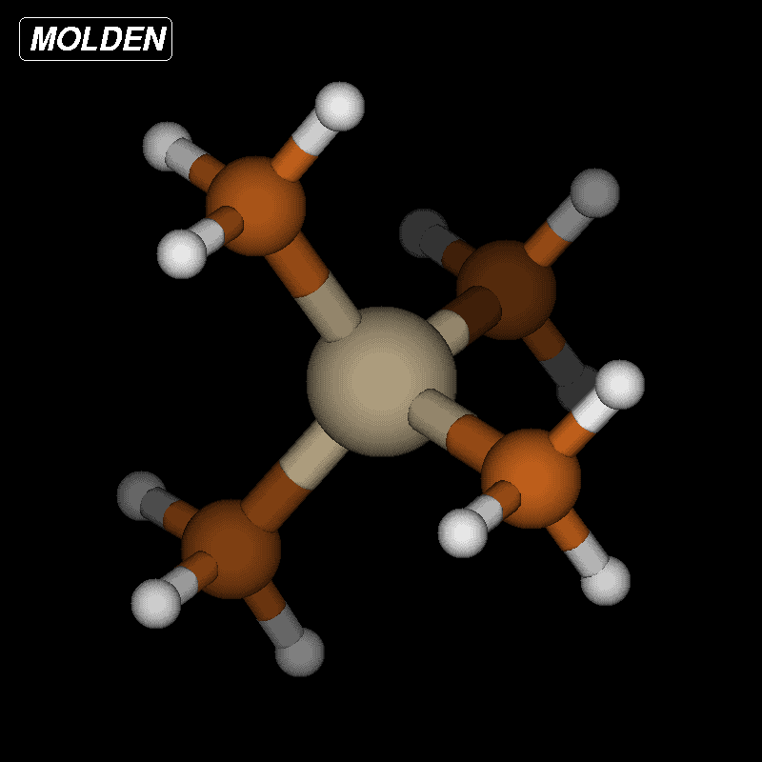
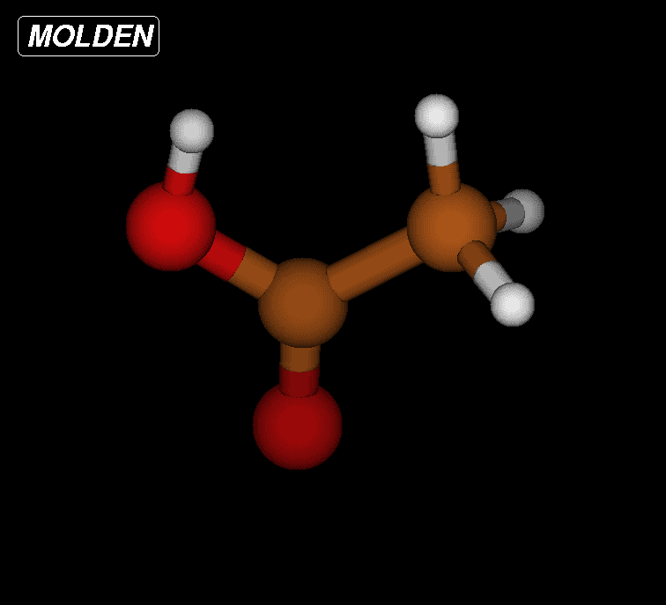
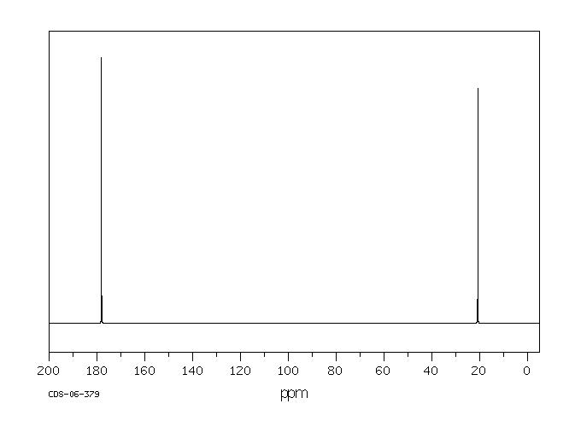
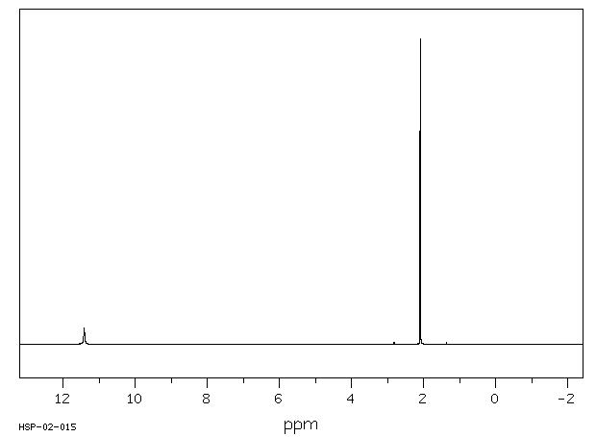
$$σ_{xy}=\frac{∂^{2}E}{∂B_{x}∂I_{y}}$$
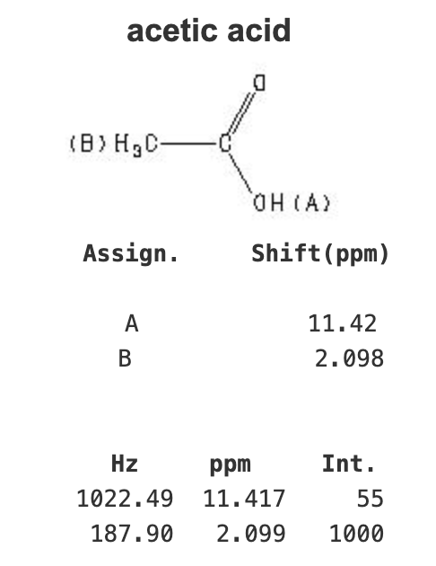
B3LYP/6-31+g(d,p)

TMS | C | H | CH3COOH | 1C | 2C | 3H | 4H | 5H | 8H
𝜎𝑖𝑠𝑜 | 192.5585 | 31.6496 | 𝜎𝑖𝑠𝑜 | 31.9868 | 170.3134 | 30.3959 | 29.3657 | 29.3657 | 25.7223
 |  |  | 𝛿 | 160.5717 | 22.2451 | 1.2537 | 2.2839 | 2.2839 | 5.9273
$$σ_{iso}=\frac{1}{3}\left(σ_{xx}+σ_{yy}+σ_{zz}\right)$$
data taken from: https://www.chemicalbook.com/SpectrumEN_64-19-7_MS.htm

B3PW91/cc-pVTZ
$$δ=σ_{iso}\left(ref\right)−σ_{iso}$$
TMS | C | H | CH3COOH | 1C | 2C | 3H | 4H | 5H | 8H
𝜎𝑖𝑠𝑜 | 187.3114 | 31.6314 | 𝜎𝑖𝑠𝑜 | 17.9831 | 164.3623 | 30.2667 | 29.372 | 29.372 | 25.7606
 |  |  | 𝛿 | 169.3283 | 22.9491 | 1.3647 | 2.2594 | 2.2594 | 5.8708
C_NMR
H_NMR

