round1
C2H6

critical
points
Nuclear Attraction Critical Points (NACP) |  |  |  |  |  |  |  | Molecular Graphs
Atom # | Name | q(A) | L(A) | K(A) | K_Scaled(A) | |Mu_Intra(A)|
1 | C1 | 0.090414 | -0.000007 | 37.594317 | -37.999699 | 0.001924
2 | H2 | -0.030115 | 0.000025 | 0.633068 | -0.639894 | 0.134703
3 | C3 | 0.090457 | 0.000036 | 37.594327 | -37.999709 | 0.001963
4 | H4 | -0.030116 | 0.000029 | 0.63307 | -0.639897 | 0.134693
5 | H5 | -0.03012 | 0.000017 | 0.633065 | -0.639891 | 0.134704
6 | H6 | -0.030115 | 0.000027 | 0.633069 | -0.639895 | 0.1347
7 | H7 | -0.030121 | 0.000017 | 0.633066 | -0.639892 | 0.134706
net charge
Lagrangian
Kinetic E.
Magnitude
of Interatomic Dipole
8 | H8 | -0.030118 | 0.000026 | 0.633069 | -0.639895 | 0.134695

Bond Critical Points (BCP)
BCP # | Name | Atoms | Rho | DelSqRho | Ellipticity | K | BPL - GBL_I
1 | BCP1 | C1 - C3 | 0.242923 | -0.554795 | 0 | 0.193153 | 0
2 | BCP2 | C1 - H2 | 0.276448 | -0.941627 | 0.006492 | 0.28159 | 0.000123
3 | BCP3 | C1 - H4 | 0.276448 | -0.941627 | 0.006492 | 0.28159 | 0.000123
4 | BCP4 | C1 - H5 | 0.276448 | -0.941627 | 0.006492 | 0.28159 | 0.000123
5 | BCP5 | C3 - H6 | 0.276448 | -0.941627 | 0.006492 | 0.28159 | 0.000123
6 | BCP6 | C3 - H7 | 0.276448 | -0.941627 | 0.006492 | 0.28159 | 0.000123
7 | BCP7 | C3 - H8 | 0.276448 | -0.941627 | 0.006492 | 0.28159 | 0.000123
density at the BCP
ellipticity
 |  |  |  |  |  |  |  | Bond paths and BCP | Laplacian of Rho

$$n_{cc}=exp⁡(A∙(ρ_{b}−B))$$
Order of the C-C bonds
ncc | 1

For the ethane case, the order of CC bonds has been imposed to 1. This allows to get the values for the A and B parameters to determine later carbon-carbon bonds orders:
- B is then defined as $ρ_{b}$
A is also obtained by fitting benzene, enthylene and acetylene

C2H4

critical
points
Nuclear Attraction Critical Points (NACP) |  |  |  |  |  |  |  | Molecular Graphs
Atom # | Name | q(A) | L(A) | K(A) | K_Scaled(A) | |Mu_Intra(A)|
1 | C1 | -0.001665 | 0.000007 | 37.648186 | -38.041196 | 0.032919
2 | C2 | -0.001767 | -0.000107 | 37.648157 | -38.041167 | 0.032811
3 | H3 | 0.000854 | 0.000022 | 0.621373 | -0.627859 | 0.125129
4 | H4 | 0.00085 | 0.000017 | 0.621372 | -0.627859 | 0.125127
5 | H5 | 0.000855 | 0.000024 | 0.621373 | -0.62786 | 0.125127
6 | H6 | 0.000853 | 0.000021 | 0.621373 | -0.627859 | 0.125125

Bond Critical Points (BCP)
BCP # | Name | Atoms | Rho | DelSqRho | Ellipticity | K | BPL - GBL_I
1 | BCP1 | C1 - C2 | 0.347476 | -1.021659 | 0.388321 | 0.393247 | 0
2 | BCP2 | C1 - H3 | 0.282782 | -1.010799 | 0.016195 | 0.294799 | 0.000047
3 | BCP3 | C2 - H4 | 0.282782 | -1.010799 | 0.016195 | 0.294799 | 0.000047
4 | BCP4 | C2 - H5 | 0.282782 | -1.010799 | 0.016195 | 0.294799 | 0.000047
5 | BCP5 | C1 - H6 | 0.282782 | -1.010799 | 0.016195 | 0.294799 | 0.000047
density at the BCP
ellipticity

Order of the C-C bonds
ncc | 2

C2H2

critical
points
Nuclear Attraction Critical Points (NACP) |  |  |  |  |  |  |  | Molecular Graphs
Atom # | Name | q(A) | L(A) | K(A) | K_Scaled(A) | |Mu_Intra(A)|
1 | C1 | -0.126578 | -0.000018 | 37.709456 | -38.095084 | 0.101559
2 | C2 | -0.126578 | -0.000018 | 37.709456 | -38.095084 | 0.101559
3 | H3 | 0.126579 | 0.000018 | 0.563929 | -0.569696 | 0.110722
4 | H4 | 0.126579 | 0.000018 | 0.563929 | -0.569696 | 0.110722

Bond Critical Points (BCP)
BCP # | Name | Atoms | Rho | DelSqRho | Ellipticity | K | BPL - GBL_I
1 | BCP1 | C1 - C2 | 0.402144 | -1.156959 | 0 | 0.575019 | 0
2 | BCP2 | C1 - H3 | 0.290292 | -1.137774 | 0 | 0.321479 | 0
3 | BCP3 | C2 - H4 | 0.290292 | -1.137774 | 0 | 0.321479 | 0
density at the BCP
ellipticity

Order of the C-C bonds
ncc | 3

benzene

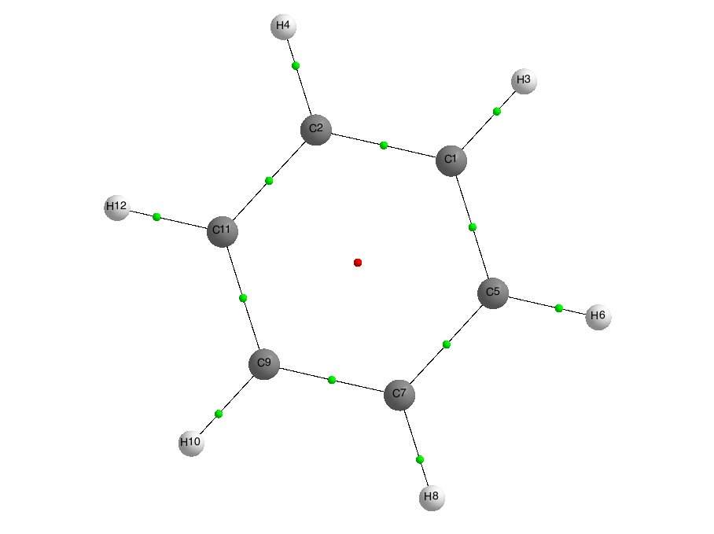
Nuclear Attraction Critical Points (NACP) |  |  |  |  |  |  |  | Molecular Graphs
Atom # | Name | q(A) | L(A) | K(A) | K_Scaled(A) | |Mu_Intra(A)|
1 | C1 | 0.003921 | 0.000034 | 37.696965 | -38.076436 | 0.058168
critical
points
2 | C2 | 0.003803 | -0.000173 | 37.696966 | -38.076438 | 0.058742
3 | H3 | -0.003915 | 0.000026 | 0.626921 | -0.633232 | 0.126223
4 | H4 | -0.003824 | 0.000021 | 0.626875 | -0.633185 | 0.126191
5 | C5 | 0.003864 | -0.000014 | 37.696855 | -38.076326 | 0.058658
6 | H6 | -0.003862 | 0.000024 | 0.626892 | -0.633202 | 0.126207
7 | C7 | 0.003742 | -0.000163 | 37.696909 | -38.07638 | 0.058685
8 | H8 | -0.003916 | 0.000024 | 0.626921 | -0.633232 | 0.12622
9 | C9 | 0.00392 | -0.000042 | 37.697 | -38.076472 | 0.058598
10 | H10 | -0.003819 | 0.000026 | 0.626875 | -0.633186 | 0.126191
11 | C11 | 0.00393 | -0.000023 | 37.697262 | -38.076737 | 0.058372
12 | H12 | -0.004024 | 0.000024 | 0.626994 | -0.633306 | 0.126243

Bond Critical Points (BCP)
BCP # | Name | Atoms | Rho | DelSqRho | Ellipticity | K | BPL - GBL_I
1 | BCP1 | C1 - C2 | 0.311962 | -0.850692 | 0.213537 | 0.311733 | 0.000019
2 | BCP2 | C1 - H3 | 0.284019 | -1.015032 | 0.016696 | 0.296102 | 0
3 | BCP3 | C2 - H4 | 0.284022 | -1.015093 | 0.016722 | 0.296112 | 0
4 | BCP4 | C1 - C5 | 0.311957 | -0.850659 | 0.213554 | 0.311724 | 0.000018
5 | BCP5 | C5 - H6 | 0.284015 | -1.015017 | 0.016728 | 0.296095 | 0
6 | BCP6 | C5 - C7 | 0.311957 | -0.850659 | 0.213554 | 0.311724 | 0.000018
7 | BCP7 | C7 - H8 | 0.284019 | -1.015032 | 0.016696 | 0.296102 | 0
8 | BCP8 | C2 - C11 | 0.312041 | -0.851166 | 0.213551 | 0.311895 | 0.000018
9 | BCP9 | C7 - C9 | 0.311962 | -0.850692 | 0.213537 | 0.311733 | 0.000019
10 | BCP10 | C9 - C11 | 0.312041 | -0.851166 | 0.213551 | 0.311895 | 0.000018
11 | BCP11 | C9 - H10 | 0.284022 | -1.015093 | 0.016722 | 0.296112 | 0
12 | BCP12 | C11 - H12 | 0.284031 | -1.015066 | 0.016694 | 0.296126 | 0
density at the BCP
ellipticity

Ring Critical Points (RCP)
RCP # | Name | Atom Count | Rho | DelSqRho | K
1 | RCP1 | 6 | 0.020067 | 0.162947 | -0.009151

Order of the C-C bonds
ncc | 1.6

round2
H2O

critical
points
Nuclear Attraction Critical Points (NACP) |  |  |  |  |  |  |  | Molecular Graphs
Atom # | Name | q(A) | L(A) | K(A) | K_Scaled(A) | |Mu_Intra(A)|
1 | O1 | -1.133678 | -0.000025 | 75.088138 | -75.675547 | 0.255225
2 | H2 | 0.566844 | 0.000018 | 0.369207 | -0.372095 | 0.174939
3 | H3 | 0.566829 | -0.000003 | 0.369199 | -0.372087 | 0.174961

Bond Critical Points (BCP)
BCP # | Name | Atoms | Rho | DelSqRho | Ellipticity | K | BPL - GBL_I
1 | BCP1 | O1 - H2 | 0.364967 | -2.032674 | 0.030468 | 0.588286 | 0.000128
2 | BCP2 | O1 - H3 | 0.364967 | -2.032674 | 0.030468 | 0.588286 | 0.000128
density at the BCP

 |  |  |  |  |  |  |  | Bond paths and BCP | Laplacian of Rho

water dimer

critical
points
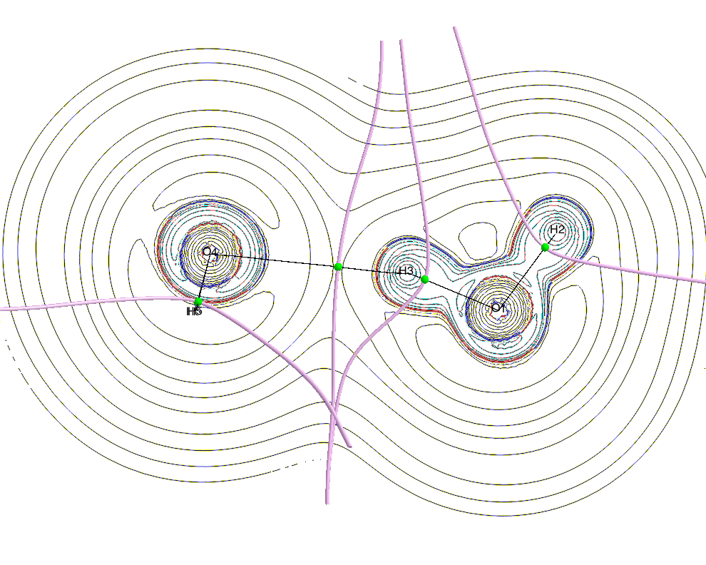
Nuclear Attraction Critical Points (NACP) |  |  |  |  |  |  |  | Molecular Graphs
Atom # | Name | q(A) | L(A) | K(A) | K_Scaled(A) | |Mu_Intra(A)|
1 | O1 | -1.18866 | -0.000018 | 75.118755 | -75.720305 | 0.255479
2 | H2 | 0.557717 | 0.000006 | 0.374147 | -0.377143 | 0.179394
3 | H3 | 0.600185 | -0.000176 | 0.348626 | -0.351418 | 0.142671
4 | O4 | -1.14319 | 0.000056 | 75.083088 | -75.684352 | 0.258549
5 | H5 | 0.586972 | 0.000016 | 0.35625 | -0.359103 | 0.166621
6 | H6 | 0.586882 | 0.000007 | 0.356302 | -0.359155 | 0.166647

Bond Critical Points (BCP)
BCP # | Name | Atoms | Rho | DelSqRho | Ellipticity | K | BPL - GBL_I
1 | BCP1 | O1 - H3 | 0.353762 | -2.0133 | 0.027882 | 0.580211 | 0.000158
2 | BCP2 | O1 - H2 | 0.365438 | -2.01519 | 0.028341 | 0.585949 | 0.000097
3 | BCP3 | H3 - O4 | 0.028699 | 0.075542 | 0.021339 | 0.001638 | 0.000965
4 | BCP4 | O4 - H5 | 0.36228 | -2.056245 | 0.026727 | 0.590101 | 0.000128
5 | BCP5 | O4 - H6 | 0.36228 | -2.055996 | 0.026738 | 0.590053 | 0.000127
density at the BCP

round3
H2

critical
points
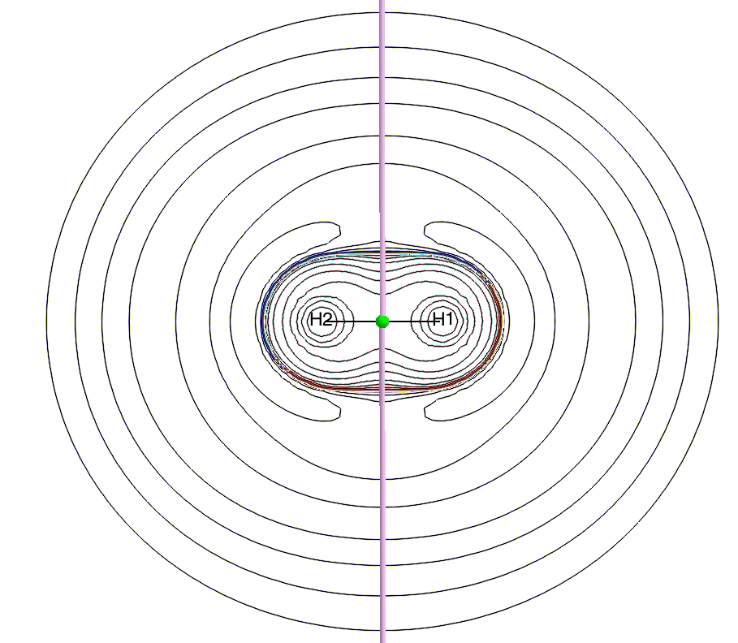
Nuclear Attraction Critical Points (NACP) |  |  |  |  |  |  |  | Molecular Graphs
Atom # | Name | q(A) | L(A) | K(A) | K_Scaled(A) | |Mu_Intra(A)|
1 | H1 | 0 | 0 | 0.571262 | -0.58927 | 0.107812
2 | H2 | 0 | 0 | 0.571262 | -0.58927 | 0.107812

Bond Critical Points (BCP)
BCP # | Name | Atoms | Rho | DelSqRho | Ellipticity | K | BPL - GBL_I
1 | BCP1 | H1 - H2 | 0.26827 | -1.34262 | 0 | 0.335655 | 0
Laplacian at the BCP
density at the
BCP

 |  |  |  |  |  |  |  | Bond paths and BCP | Laplacian of Rho

HF

critical
points
Nuclear Attraction Critical Points (NACP) |  |  |  |  |  |  |  | Molecular Graphs
Atom # | Name | q(A) | L(A) | K(A) | K_Scaled(A) | |Mu_Intra(A)|
1 | F1 | -0.695966 | -0.000006 | 99.544118 | -100.127245 | 0.368931
2 | H2 | 0.695966 | 0.000006 | 0.298466 | -0.300215 | 0.129053

Bond Critical Points (BCP)
BCP # | Name | Atoms | Rho | DelSqRho | Ellipticity | K | BPL - GBL_I
1 | BCP1 | F1 - H2 | 0.369088 | -2.525231 | 0 | 0.727549 | 0
Laplacian at the BCP
density at the
BCP

LiF

critical
points
Nuclear Attraction Critical Points (NACP) |  |  |  |  |  |  |  | Molecular Graphs
Atom # | Name | q(A) | L(A) | K(A) | K_Scaled(A) | |Mu_Intra(A)|
1 | Li1 | 0.931039 | 0.0001 | 7.332765 | -7.38459 | 0.007985
2 | F2 | -0.93093 | -0.000061 | 99.330985 | -100.033019 | 0.521745

Bond Critical Points (BCP)
BCP # | Name | Atoms | Rho | DelSqRho | Ellipticity | K | BPL - GBL_I
1 | BCP1 | Li1 - F2 | 0.076019 | 0.806153 | 0 | -0.02435 | 0
Laplacian at the BCP
density at the
BCP

