ions
TABLE OF CONSTANTS |  | TABLE OF CONVERSIONS (ENERGY) |  |  |  |  |  |  |  |  | TABLE OF CONVERSIONS (DISTANCE) |  |  |  | TABLE OF CONVERSIONS (MASS)
Navo [ mol-1 ] | 6.02E+23 | out in | hartree | eV | cm-1 | kcal/mol | kJ/mol | oK | J | Hz | out in | a0 | angstrom | m | out in | me | kg | u
R [ J mol-1 K -1 ] | 8.3144 | hartree | 1 | 27.2107 | 219474.63 | 627.503 | 2625.5 | 315777 | 4.36E-18 | 6.57966E+15 | a0 | 1 | 0.52917999956 | 5.29E-11 | me | 1 | 9.11E-31 | 5.49E-04
kb [ J K-1 ] | 1.38E-23 | eV | 0.0367502 | 1 | 8065.73 | 23.0609 | 96.4869 | 11604.9 | 1.60E-19 | 241804000000000 | angstrom | 1.88973 | 1 | 1.00E-10 | kg | 1.10E+30 | 1 | 6.02E+26
e [ C ] | 1.60E-16 | cm-1 | 4.55633E-06 | 0.000123981 | 1 | 0.0028591 | 0.011963 | 1.42879 | 1.9863E-23 | 29979300000 | m | 1.89E+10 | 1.00E+10 | 1 | u | 1.82E+03 | 1.66E-27 | 1
me [ kg ] | 9.11E-31 | kcal/mol | 0.00159362 | 0.0433634 | 349.757 | 1 | 4.184 | 503.228 | 6.95E-21 | 10485400000000
eps0 [ F m-1] | 8.85E-12 | kJ/mol | 0.00038088 | 0.0103641 | 83.593 | 0.239001 | 1 | 120.274 | 1.66E-21 | 2506070000000
a0 [ m ] | 5.29E-12 | oK | 3.16678E-06 | 8.61705E-05 | 0.695028 | 0.0019872 | 0.008314 | 1 | 1.38054E-23 | 20836400000
Tamb [ K ] | 298.15 | J | 2.294E+17 | 6.24181E+18 | 5.03445E+22 | 1.44E+20 | 6.02E+20 | 7.24354E+22 | 1 | 1.5093E+33
h [ J s ] | 6.63E-34 | Hz | 1.51983E-16 | 4.13558E-15 | 3.33565E-11 | 9.537E-14 |  | 4.7993E-11 | 6.62561E-34 | 1
P [ atm ] | 1
P [ Pa ] | 101325
c [ m s-1 ] | 3.00E+08

 | 1. HO2-
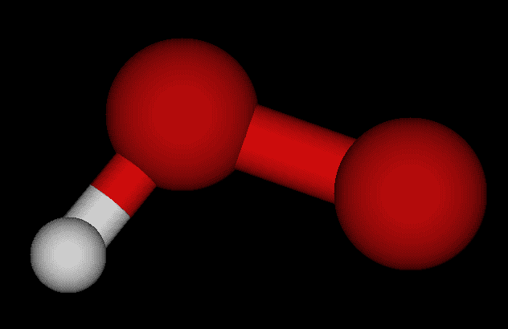

NOTE: The way used to calculate the Gibbs free energies requires the approximation that the thermochemical energy correction (arising from the hessian diagonalization) is equal in both geometries, which can be used for most of the cases.
 |  |  |  |  | SCF gas | SCF solution | ∆𝐺solv | exp. ∆𝐺solv | err %
 |  |  |  | [Hartree] | -150.9521154 | -151.09426111 | -0.14214571
 |  |  |  | [kcal/mol] | -94722.905268 | -94812.102127 | -89.196859462
 |  |  |  | [KJ/mol] | -396324.77897 | -396697.98254 | -373.2035616

 | 2. NH2-
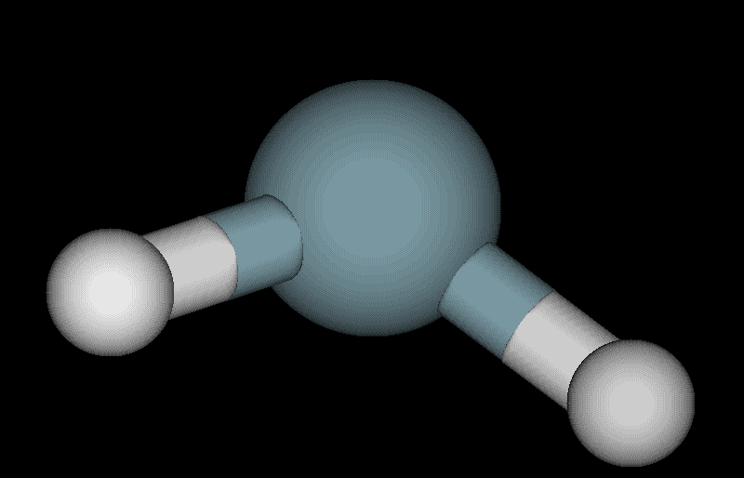

BASIS SET: 6-31+g(d,p)
THEORY LEVEL: DFT (B3LYP)
SCRF method: SMD - water
 |  |  |  |  | SCF gas | SCF solution | ∆𝐺solv | exp. ∆𝐺solv | err %
 |  |  |  | [Hartree] | -55.909251517 | -56.035823288 | -0.1265717711
 |  |  |  | [kcal/mol] | -35083.223055 | -35162.647221 | -79.424166081
 |  |  |  | [KJ/mol] | -146789.73986 | -147122.05404 | -332.31418502

 | 3. CH3O-
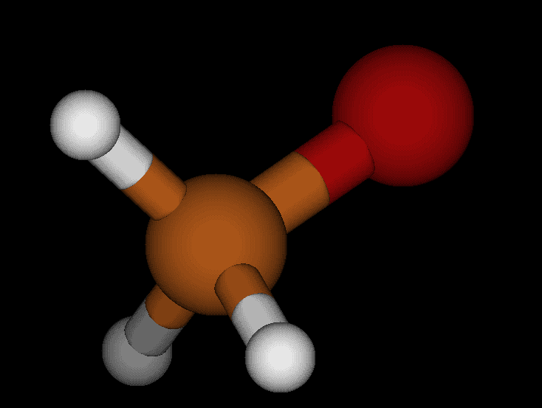

 |  |  |  |  | SCF gas | SCF solution | ∆𝐺solv | exp. ∆𝐺solv | err %
 |  |  |  | [Hartree] | -115.11552055 | -115.24551705 | -0.129996497
 |  |  |  | [kcal/mol] | -72235.334491 | -72316.907683 | -81.573191857
 |  |  |  | [KJ/mol] | -302235.7992 | -302577.105 | -341.30580287

Sheet2
TABLE OF CONSTANTS |  |  | TABLE OF CONVERSIONS (ENERGY) |  |  |  |  |  |  |  |  | TABLE OF CONVERSIONS (DISTANCE) |  |  |  | TABLE OF CONVERSIONS (MASS)
Navo [ mol-1 ] | 6.02E+23 |  | out in | hartree | eV | cm-1 | kcal/mol | kJ/mol | oK | J | Hz | out in | a0 | angstrom | m | out in | me | kg | u
R [ J mol-1 K -1 ] | 8.3144 |  | hartree | 1 | 27.2107 | 219474.63 | 627.503 | 2625.5 | 315777 | 4.36E-18 | 6.57966E+15 | a0 | 1 | 0.52917999956 | 5.29E-11 | me | 1 | 9.11E-31 | 5.49E-04
kb [ J K-1 ] | 1.38E-23 |  | eV | 0.0367502 | 1 | 8065.73 | 23.0609 | 96.4869 | 11604.9 | 1.60E-19 | 241804000000000 | angstrom | 1.88973 | 1 | 1.00E-10 | kg | 1.10E+30 | 1 | 6.02E+26
e [ C ] | 1.60E-16 |  | cm-1 | 4.55633E-06 | 0.000123981 | 1 | 0.0028591 | 0.011963 | 1.42879 | 1.9863E-23 | 29979300000 | m | 1.89E+10 | 1.00E+10 | 1 | u | 1.82E+03 | 1.66E-27 | 1
me [ kg ] | 9.11E-31 |  | kcal/mol | 0.00159362 | 0.0433634 | 349.757 | 1 | 4.184 | 503.228 | 6.95E-21 | 10485400000000
eps0 [ F m-1] | 8.85E-12 |  | kJ/mol | 0.00038088 | 0.0103641 | 83.593 | 0.239001 | 1 | 120.274 | 1.66E-21 | 2506070000000
a0 [ m ] | 5.29E-12 |  | oK | 3.16678E-06 | 8.61705E-05 | 0.695028 | 0.0019872 | 0.008314 | 1 | 1.38054E-23 | 20836400000
Tamb [ K ] | 298.15 |  | J | 2.294E+17 | 6.24181E+18 | 5.03445E+22 | 1.44E+20 | 6.02E+20 | 7.24354E+22 | 1 | 1.5093E+33
h [ J s ] | 6.63E-34 |  | Hz | 1.51983E-16 | 4.13558E-15 | 3.33565E-11 | 9.537E-14 |  | 4.7993E-11 | 6.62561E-34 | 1
P [ atm ] | 1
P [ Pa ] | 101325
BASIS SET: 6-31+g(d,p)
THEORY LEVEL: DFT (B3LYP)
SCRF method: SMD - water
c [ m s-1 ] | 3.00E+08

 |  | sulphuric acid |  | acetic acid |  | water and hydronium
 |  | H2O4S | HO4S- | CH3COOH | CH3COO- | H2O | H3O+
 | G°gas [Hartrees] | -700.189732 | -699.699036 | -229.03991 | -228.491064 | -76.409917 | -76.670538
 | G°sol [Hartrees] | -700.214223 | -699.807409 | -229.051771 | -228.605279 | -76.424204 | -76.824553
estimated as internal eletronic energy + thermal energy
 | ∆𝐺solv [Hartrees] | -0.024491 | -0.108373 | -0.011861 | -0.114215 | -0.014287 | -0.154015
 | ∆𝐺solv [kJ/mol] | -64.3011205 | -284.5333115 | -31.1410555 | -299.8714825 | -37.5105185 | -404.3663825
 | ∆𝐺solv [kcal/mol] | -15.368175973 | -68.004382619 | -7.442813083 | -71.670255145 | -8.965135361 | -96.644874545
 | exp. ∆𝐺solv [kcal/mol] |  |  |  |  | -6.32 | -110.4

overestimated
underestimated

we will be using these experimatal values from this point on

 | Acetic acid using TCB described

 |  | Hartrees | kcal/mol
 | ∆𝐺gas | -0.2682179696 | -168.30758058

 |  | 0.3846943924

