ions
TABLE OF CONSTANTS |  | TABLE OF CONVERSIONS (ENERGY) |  |  |  |  |  |  |  |  | TABLE OF CONVERSIONS (DISTANCE) |  |  |  | TABLE OF CONVERSIONS (MASS)
Navo [ mol-1 ] | 6.02E+23 | out in | hartree | eV | cm-1 | kcal/mol | kJ/mol | oK | J | Hz | out in | a0 | angstrom | m | out in | me | kg | u
R [ J mol-1 K -1 ] | 8.3144 | hartree | 1 | 27.2107 | 219474.63 | 627.503 | 2625.5 | 315777 | 4.36E-18 | 6.57966E+15 | a0 | 1 | 0.52917999956 | 5.29E-11 | me | 1 | 9.11E-31 | 5.49E-04
kb [ J K-1 ] | 1.38E-23 | eV | 0.0367502 | 1 | 8065.73 | 23.0609 | 96.4869 | 11604.9 | 1.60E-19 | 241804000000000 | angstrom | 1.88973 | 1 | 1.00E-10 | kg | 1.10E+30 | 1 | 6.02E+26
e [ C ] | 1.60E-16 | cm-1 | 4.55633E-06 | 0.000123981 | 1 | 0.0028591 | 0.011963 | 1.42879 | 1.9863E-23 | 29979300000 | m | 1.89E+10 | 1.00E+10 | 1 | u | 1.82E+03 | 1.66E-27 | 1
me [ kg ] | 9.11E-31 | kcal/mol | 0.00159362 | 0.0433634 | 349.757 | 1 | 4.184 | 503.228 | 6.95E-21 | 10485400000000
eps0 [ F m-1] | 8.85E-12 | kJ/mol | 0.00038088 | 0.0103641 | 83.593 | 0.239001 | 1 | 120.274 | 1.66E-21 | 2506070000000
a0 [ m ] | 5.29E-12 | oK | 3.16678E-06 | 8.61705E-05 | 0.695028 | 0.0019872 | 0.008314 | 1 | 1.38054E-23 | 20836400000
Tamb [ K ] | 298.15 | J | 2.294E+17 | 6.24181E+18 | 5.03445E+22 | 1.44E+20 | 6.02E+20 | 7.24354E+22 | 1 | 1.5093E+33
h [ J s ] | 6.63E-34 | Hz | 1.51983E-16 | 4.13558E-15 | 3.33565E-11 | 9.537E-14 |  | 4.7993E-11 | 6.62561E-34 | 1
P [ atm ] | 1
P [ Pa ] | 101325
c [ m s-1 ] | 3.00E+08

 | 1. HO2-
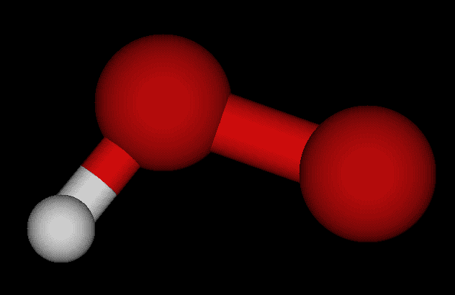

 |  |  |  |  | G gas | G solution | ∆𝐺sol | exp. ∆𝐺sol | err %
 |  |  |  | [Hartree] | -150.9521154 | -151.09426111 | -0.14214571
 |  |  |  | [kcal/mol] | -94722.905268 | -94812.102127 | -89.196859462
 |  |  |  | [KJ/mol] | -396324.77897 | -396697.98254 | -373.2035616

 | 2. NH2-
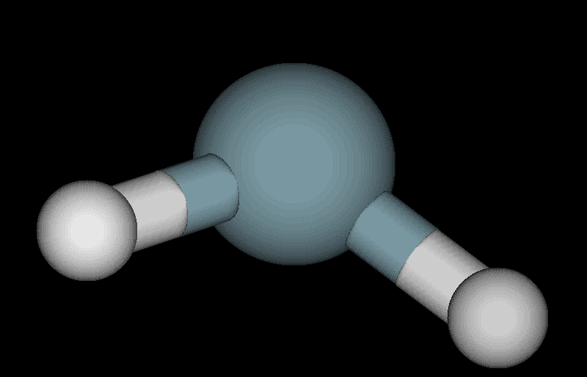

BASIS SET: 6-31+g(d,p)
THEORY LEVEL: DFT (B3LYP)
SCRF method: SMD
 |  |  |  |  | G gas | G solution | ∆𝐺sol | exp. ∆𝐺sol | err %
 |  |  |  | [Hartree] | -55.909251517 | -56.035823288 | -0.1265717711
 |  |  |  | [kcal/mol] | -35083.223055 | -35162.647221 | -79.424166081
 |  |  |  | [KJ/mol] | -146789.73986 | -147122.05404 | -332.31418502

 | 3. CH3O-
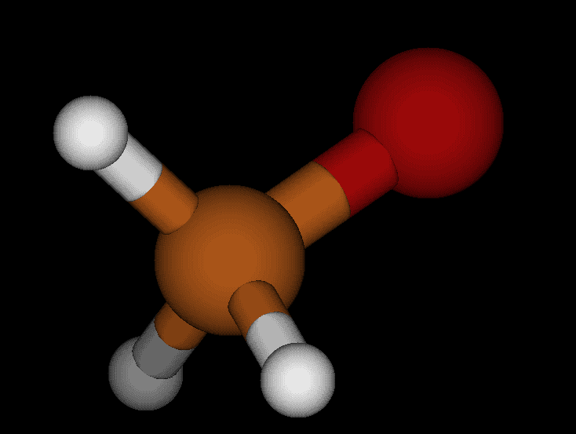

 |  |  |  |  | G gas | G solution | ∆𝐺sol | exp. ∆𝐺sol | err %
 |  |  |  | [Hartree] | -115.11552055 | -115.24551705 | -0.129996497
 |  |  |  | [kcal/mol] | -72235.334491 | -72316.907683 | -81.573191857
 |  |  |  | [KJ/mol] | -302235.7992 | -302577.105 | -341.30580287

