Sheet1
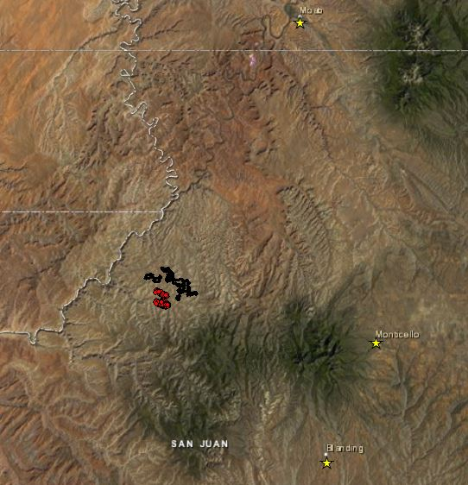
OID | CID | POINT_X | POINT_Y | Data Type: | Shapefile Feature Class
0 | 0 | 594330.33114 | 4200616.4193 | Shapefile: | E:\BeefBasinProject\Data\SoilVegPts.shp | Overview Image of BLM proposed treatment polygons in Beef Basin, Utah
1 | 0 | 594285.89456 | 4200532.3017 | Geometry Type: | Point
2 | 0 | 594079.138 | 4200633.4083 | Coordinates have Z values: | No
3 | 0 | 594037.24698 | 4200692.2538 | Coordinates have measures: | No
4 | 0 | 594228.92788 | 4201855.3903
5 | 0 | 594323.29292 | 4200823.4651 | Projected Coordinate System: | NAD83_UTM_zone_12N
6 | 0 | 594073.88488 | 4200530.6067 | Projection: | Transverse_Mercator
7 | 0 | 594965.17888 | 4201458.1789 | false_easting: | 500000
8 | 0 | 593964.55903 | 4201152.0931 | false_northing: | 0
9 | 0 | 593729.02254 | 4200896.705 | central_meridian: | -111
10 | 1 | 594768.37846 | 4201544.5737 | scale_factor: | 0.9996
11 | 1 | 594116.12689 | 4200983.5456 | latitude_of_origin: | 0
12 | 1 | 594098.96708 | 4201854.2153 | Linear Unit: | Meter
13 | 1 | 594053.19592 | 4200700.2279
14 | 1 | 594339.70728 | 4200773.5171 | Geographic Coordinate System: | GCS_North_American_1983
15 | 1 | 594452.35547 | 4201807.013 | Datum: | D_North_American_1983
16 | 1 | 595076.08944 | 4201433.5433 | Prime Meridian: | Greenwich
17 | 1 | 594081.65015 | 4200646.2178 | Angular Unit: | Degree
18 | 1 | 594167.15854 | 4200631.1481
19 | 1 | 594225.44637 | 4201066.8156
20 | 2 | 594033.24826 | 4201169.8275
21 | 2 | 594406.50474 | 4201688.2346
22 | 2 | 594730.55438 | 4201716.3249
23 | 2 | 594795.49841 | 4201662.6132
24 | 2 | 594690.94435 | 4201673.5655
25 | 2 | 594881.28682 | 4201591.6029
26 | 2 | 594036.11854 | 4200644.0628
27 | 2 | 594180.98126 | 4201820.7301
28 | 3 | 594919.42285 | 4201524.0683
29 | 3 | 594381.29888 | 4201773.3327
30 | 3 | 594605.14872 | 4201653.4196
31 | 3 | 593931.34145 | 4201135.6477 |  |  | Image of proposed points in relation to all BLM proposed treatment polygons
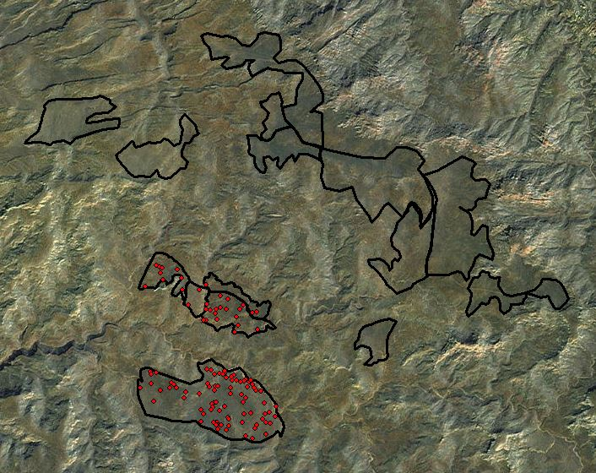
32 | 3 | 593983.87958 | 4200698.3758
33 | 3 | 594218.94438 | 4201907.8148
34 | 3 | 594497.9574 | 4201686.8381
35 | 3 | 595445.21767 | 4201081.9817
36 | 3 | 593215.69155 | 4203794.3705
37 | 3 | 594842.37224 | 4201686.2454
38 | 4 | 592475.95789 | 4201864.144
39 | 4 | 593280.35339 | 4201268.8176
40 | 4 | 593092.78304 | 4204264.1336
41 | 4 | 593607.86866 | 4203792.9248
42 | 4 | 592671.67769 | 4204321.2858
43 | 4 | 593322.89407 | 4201392.5973
44 | 4 | 593778.50894 | 4203344.7374
45 | 4 | 592495.91615 | 4201803.8152
46 | 4 | 593763.81318 | 4203077.1888
47 | 4 | 594363.55399 | 4201367.2734
48 | 5 | 593813.76107 | 4201942.0872
49 | 5 | 592723.42309 | 4201426.9747
50 | 5 | 595166.33189 | 4201173.3413
51 | 5 | 592726.954 | 4204299.2725
52 | 5 | 593991.72656 | 4201455.1783
53 | 5 | 593639.87753 | 4201368.79
54 | 5 | 593353.41221 | 4203444.2282
55 | 5 | 593097.99107 | 4201493.5306
56 | 5 | 593763.43155 | 4203912.8898
57 | 5 | 593908.44651 | 4201917.2903
58 | 6 | 594728.11597 | 4201274.4174
59 | 6 | 592615.24295 | 4201854.5408
60 | 6 | 592592.80124 | 4204356.8491
61 | 6 | 594737.17527 | 4200394.3615
62 | 6 | 593787.7026 | 4203464.5607 |  |  | Close up of proposed points (South Plain and 4 polygons above)
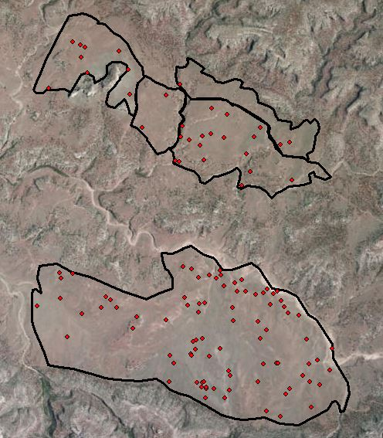
63 | 6 | 592936.43526 | 4201493.7711
64 | 6 | 592491.61736 | 4201587.7694
65 | 6 | 593722.67006 | 4203085.9492
66 | 6 | 592683.49249 | 4204188.2888
67 | 6 | 592755.29083 | 4204025.371
68 | 7 | 592984.21396 | 4201609.8667
69 | 7 | 594445.20818 | 4202827.3265
70 | 7 | 594631.94744 | 4201359.1268
71 | 7 | 593034.11533 | 4201572.8083
72 | 7 | 593983.26773 | 4201830.7418
73 | 7 | 592338.95995 | 4203852.2533
74 | 7 | 593866.14424 | 4203315.8608
75 | 7 | 594535.6535 | 4202977.4444
76 | 7 | 593836.90496 | 4201612.8903
77 | 7 | 593194.46804 | 4204062.0077
78 | 8 | 594890.74301 | 4200339.083
79 | 8 | 594000.36524 | 4201548.5987
80 | 8 | 594983.32499 | 4202891.5705
81 | 8 | 594644.03649 | 4200713.194
82 | 8 | 595131.9296 | 4200786.0974
83 | 8 | 594359.39632 | 4201511.7322
84 | 8 | 593677.17603 | 4200703.8482
85 | 8 | 593686.08505 | 4200982.1094
86 | 8 | 595311.82518 | 4200684.8556
87 | 8 | 594845.22486 | 4200914.9869
88 | 9 | 593960.10432 | 4201057.3182
89 | 9 | 595422.24131 | 4200843.5458
90 | 9 | 593913.62717 | 4201002.1351
91 | 9 | 594989.39828 | 4200641.0423
92 | 9 | 594104.919 | 4203385.044
93 | 9 | 592236.8591 | 4201497.28
94 | 9 | 594265.67248 | 4201743.0608
95 | 9 | 594566.62383 | 4203355.605
96 | 9 | 594943.93123 | 4200579.4254
97 | 9 | 592565.42235 | 4201174.2135
98 | 10 | 594247.70122 | 4203346.2094
99 | 10 | 594664.22792 | 4201178.2733
100 | 10 | 595195.31907 | 4200910.6311
101 | 10 | 594058.61668 | 4201552.4087
102 | 10 | 595204.45041 | 4200718.4853
103 | 10 | 594008.35279 | 4203355.5061
104 | 10 | 593988.5048 | 4203252.7298
105 | 10 | 594696.28888 | 4200900.9839
106 | 10 | 593916.28257 | 4200987.4949
107 | 10 | 595221.16859 | 4200440.1321
108 | 11 | 594110.6499 | 4203656.3311
109 | 11 | 593867.48767 | 4201531.3468
110 | 11 | 594025.99923 | 4203101.8153
111 | 11 | 594640.22277 | 4203456.6081
112 | 11 | 594855.36539 | 4200916.8964
113 | 11 | 594274.21491 | 4203593.4033
114 | 11 | 595283.09046 | 4200947.8267
115 | 11 | 594492.63029 | 4203165.7032
116 | 11 | 594956.1094 | 4203296.4773
117 | 11 | 594860.30109 | 4203275.1337

