PRD
Product Requirement Document (PRD) - Version: 1.0
 |  | Group Members | ID
 | 1 | Abdullah Muhammad Hamja | 20-43465-1

 | 2 | Nazmus Sakib Apurbo | 20-42665-1

Template Name |  | Car Renting Management System
Goals & Objective |  | The goal is to develop a system that simplifies and automates the car rental process, reducing manual paperwork and improving efficiency. - The objective is to provide a user-friendly interface that allows customers to easily search, compare, and book rental cars - Implement a system that tracks the maintenance history of rental cars, ensuring they are in good condition and ready for rental. - Provide a secure payment system that enables customers to make online payments for their car rentals. - Security measurement to protect customer data, including personal information and payment details. - A system that can handle car rentals across multiple locations, allowing customers to book and return vehicles at different branches. - User can update their profile information
Client Information
Product Type |  | Web Application
Domain |  | Web3
Access Layers |  | Admin, Employee, Passenger
Design Required |  | Yes

Phase | Item No | Specification [Role] | Screen Definition | User Story | Acceptance Criteria | UI Screen / Wireframe | Tags
Feature: 1 |  | Signin/Signup 20-42665-1
phase 1 | 1 | Signup [User] | <Form> <input=name> <input=email> <input=password> <button=signup> <link=signin> | - Enter USERNAME (input) - Enter unregistered email (input) - Enter password (input) [Logic: must be numbers] - Click Signup (button) [Logic: If the email is unique, user will be registered to the sysmem (databse)] - Signin (link) [Logic: redirect user to Login page] | - Email (input) field should only accept valid unregistered email address as input, otherwise will show an 'email already used' message. - Password (input) should be typed Otherwise show an invalid message. - On clicking signup button, credential will be stored in database, user will be redirected to his dashboard. - A copy of the login information will be sent to his email. | 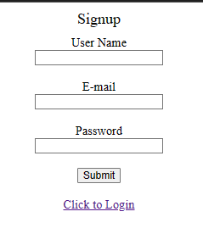 | signup
phase 1 | 2 | Signin [Rider] [Passenger] | <Form> <input=username> <input=password> <button=signin> </form> | - Enter username (input) - Enter password (input) - signin (button) - signup (link) | - username must match database email - password must match database password - User go to dashboard (if email & password match with database) - User is promt with an error. "information or password does not match!". (if email & password match with database) - clicking signup should take user to signup page | 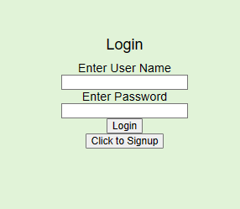 | signin
Feature: 2 |  | [Rider] 20-42665-1
phase 1 | 4 | Rider Page | register vehicle | - enter vehicle name(letterbox) - enter licencse number (letterbox) - enter vehiclephoto (upload img) | - clicking dashboard will take user to dashboard page - register vehicle in the database - logout | 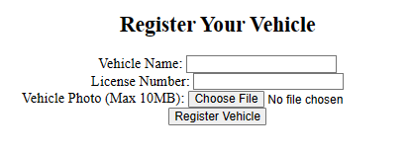 | rider page
Feature: 3 |  | [passenger] 20-42665-1
phase 1 | 5 | Passenger Page | <Unordered list> rent car complaint request ride | - Request a ride(link) - rent car(link) -complaint(link) | - request a ride on click - go to login page on Click - go to complain on Click | 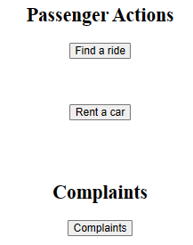 | passenger page
Feature: 4 |  | View Profile 20-42665-1
phase 2 | 8 | Profile Page | Log out Button Profile Information | - Log out - Profile information | - Press log out button to log out | 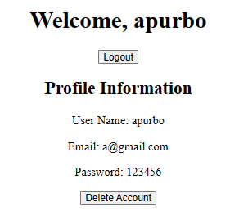 | employee_profile
Feature: 5 |  | Delete Account 20-42665-1
phase 2 | 9 | Delete button | Delete BUTTOn | -delete account | -Clicking the button will delete the account from database |  | Delete profile
Feature: 6 |  | payment 20-42665-1
phase 2 | 10 | Payment | <list> -Mobile Banking -Bank | PAY Now Button | - user will be able to pay by typing the account number and clicking the final payment button. - by clicking cancel payment button user will go to the index page. | 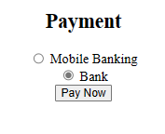 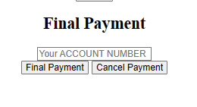 | passenger_profile

