2. PXE Server Setup
1. PXE Server Setup setup for deployment of Ubuntu 20.04 OS deployment on Secure Boot Environment
Introduction
Investigation of pxe server setup steps for UEFI mode for Ubuntu 20.04.3 installation in Secure boot environment.

Objective
The information contained within this complete overview report is referenced for : - To Investigate PXE Server setup steps for UEFI boot mode in Secureboot environment. - To investigate the working flow of Booting process

Testing environment
Details | VM1 | Remark
Purpose | PXE Server | PXE Client
OS | Ubuntu 20.04 Desktop | ubuntu-20.04.3-live-server-amd64 (It will be installeed using PXE Server)
RAM | 4 GB | 6 GB
CPU | 2 | 2
Disk Space | 150 GB | 100 GB
Generation Type | Generation 2 | Generation 2
Security | Secureboot Disabled | Secureboot Enabled

2.1 PXE Server Setup
Pre-requisites:
a. Windows 10 must be installed and it is called Hyper-V Host in future.
B. Hyper-V Feature must be installed on Hyper-V Host.
C. VM (VM1) must be created on Hyper-V as per configuration mentioned in Testing Environment section of this sheet. It is called PXE Server in future.
d. Internet must be running on PXE Server.
e. Static IP must be assigned to the PXE Server.(Ex: 10.0.3.10)
f. Firewall must be disabled on the PXE Server.

Steps:
a. Execute the below command to install the Apache Server to host our Ubuntu image and our configuration files.
Command: apt install apache2 -y

b. Execute the below command to create direcotries named 'ubuntu20' to host the images and 'ks' configuration files inside /var/www/html/ directory.
Command: mkdir /var/www/html/{ubuntu20,ks}

c. Execute the below command to create two files named 'meta-data' and 'user-data' inside the 'ks' directory with attached file configuration.

c. Execute the below command start/restart and enable the apache service to start automatically on reboot: Commad: systemctl enable apache2 --now
Command: systemctl enable apache2 --now

Verification:
Follow the below steps to verify that Apache Server is hosting the image and configuration file
1. Open Browser on Hyper-V Host.
2. Browse below URLs.
URL: http://<pxe_server_ip>/<directory_name>
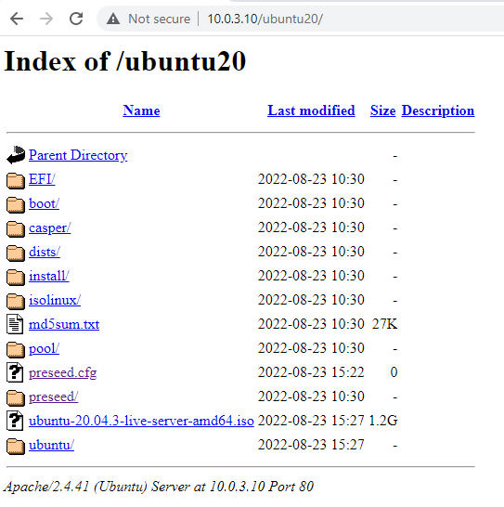
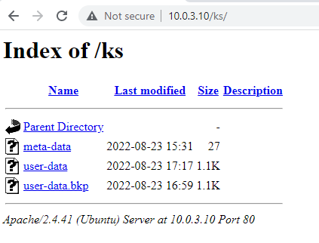

d. Execute the below command to install the TFTP Server.
Command: apt install tftpd-hpa -y
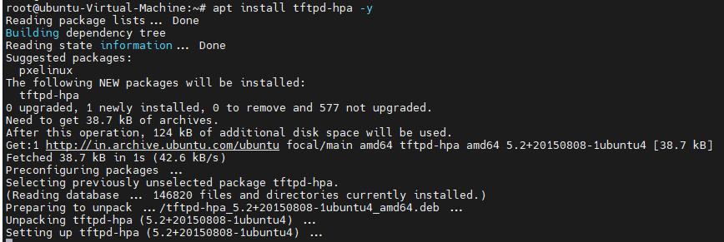

e. Execute the below command to check the default root directory:
Command: cat /etc/default/tftpd-hpa

f. Next start/restart and enable the service to automatically start on server reboot:
Command: systemctl enable tftpd-hpa --now

g. Execute the below command to mount the Ubuntu image.
Command: mkdir /mnt/ubuntu20
mount -o loop /root/ubuntu-20.04.3-live-server-amd64.iso /mnt/ubuntu20

h. Next we will need kernel 'vmlinuz' and 'initrd' file to perform the PXE. These files are available inside casper directory of the ubuntu image which we have mounted under '/mnt/ubuntu20'.
Command: cp -rvf /mnt/ubuntu20/casper/{initrd,vmlinuz} /srv/tftp/

i. For UEFI BIOS Platform we would need grub confiuration file. Now the grub conf file to be used may differ based on your hardware architecture: => For arm64 architecture, it is grubnetaa64.efi.signed. => For amd64 architecture, it is grubnetx64.efi.signed. Since we are having amd64 environment so we will need grubnetx64.efi to boot our environment. The next important file required to configure UEFI PXE Boot is shim.efi.signed which is actually used by DHCP server to boot the TFTP server and then the control is passed on to grubnetx64.efi.

j. Follow the below steps to extract 'shim.signed' package under '/srv/tftp/' folder:
Command: cp /mnt/ubuntu20/pool/main/s/shim-signed/shim-signed_1.40.7+15.4-0ubuntu9_amd64.deb /tmp
dpkg-deb --fsys-tarfile /tmp/shim-signed_1.40.7+15.4-0ubuntu9_amd64.deb | tar x ./usr/lib/shim/shimx64.efi.signed -O > /srv/tftp/bootx64.efi

k. Follow the below steps to extract 'grub-efi-amd64-signed' package under '/srv/tftp/' folder:
Command: dpkg-deb --fsys-tarfile /tmp/grub-efi-amd64-signed*deb | tar x ./usr/lib/grub/x86_64-efi-signed/grubnetx64.efi.signed -O > /srv/tftp/grubx64.efi

k. Follow the below steps to extract 'grub-common' package under '/srv/tftp/' folder:
Command: cp /mnt/ubuntu20/pool/main/g/grub2/grub-common_2.04-1ubuntu26.13_amd64.deb /tmp/ dpkg-deb --fsys-tarfile /tmp/grub-common_2.04-1ubuntu26.13_amd64.deb | tar x ./usr/share/grub/unicode.pf2 -O > /srv/tftp/unicode.pf2

l. Create PXE configuration named 'grub.cfg' file inside the /srv/tftp/grub' directory with attached configuration file.

m. Execute the below command to install the DHCP server
Command: apt install isc-dhcp-server -y

n. Configure the dhcp configuration file as per attached configuration file.

o. Enable and start the DHCP server service:
Command: systemctl enable isc-dhcp-server.service --now
systemctl status isc-dhcp-server.service

2.2 Perform PXE Boot using cloud-init
Pre-requisites: a. User must have executed section 2.1. b. Network adapter must be same as PXE Server's Network adapter. Steps: Follow the below steps to boot the Ubuntu 20.04 in secureboot enviornment: 1. Login to the Hyper-V Host. 2. Right click on PXE Client and click on Settings. 3. CLick on 'Security' and Select 'Microsoft UEFI Certificate Authority' under template of Secureboot. 4. CLick on 'Apply' and 'OK' button. 5. Again right click on 'PXE Client and click on 'Connect' . 6. After that IP will be assign to the PXE client from the DHCP server and then UEFI boot loader file will be loaded. 7. After successfully loading of boot loader file, Ubuntu media will be accessed and installed. Verification: Follow the below steps to verify if Ubunt20.04 is successfully installed. 1. Login to the PXE client using credentioal used in 'user-data' file of Apache server. If user has successfully login to the PXE CLient, It means Ubuntu has successfully installed.

References
Here references are categorized in to official and unofficial source.
Official Source
1 | https://old-releases.ubuntu.com/releases/20.04.3/ubuntu-20.04.3-live-server-amd64.iso?_ga=2.185559913.1780372130.1661159467-22543228.1660195988
2 | https://access.redhat.com/documentation/en-us/red_hat_enterprise_linux/7/html/installation_guide/chap-installation-server-setup
3 | https://docs.microsoft.com/en-us/windows-server/virtualization/hyper-v/learn-more/generation-2-virtual-machine-security-settings-for-hyper-v
4 | https://access.redhat.com/documentation/en-us/red_hat_enterprise_linux/7/html/installation_guide/chap-installation-server-setup#sect-network-boot-setup-uefi
5 | https://wiki.ubuntu.com/UEFI/PXE-netboot-install
9
UnOfficial Source
1 | https://www.golinuxcloud.com/uefi-pxe-boot-server-ubuntu-20-04-cloud-init/
2

