DASHBOARD
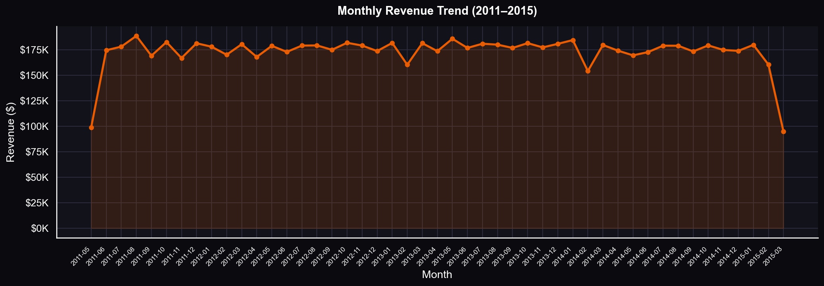
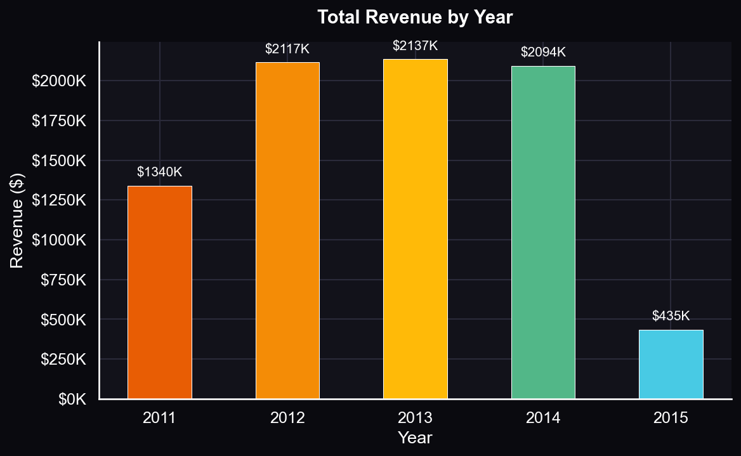
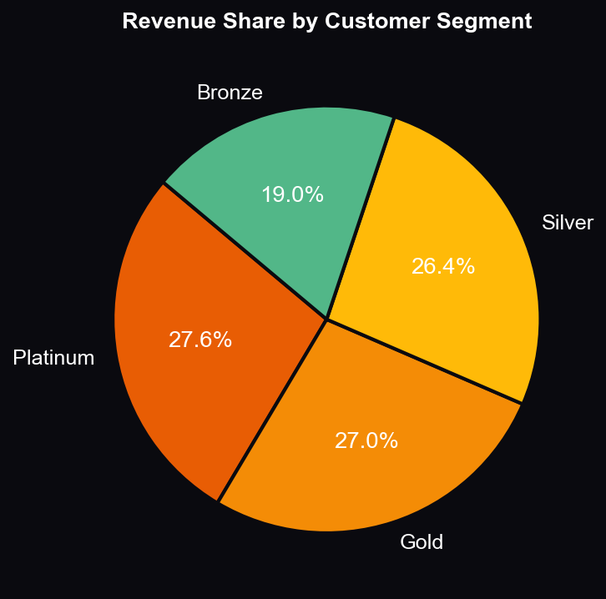
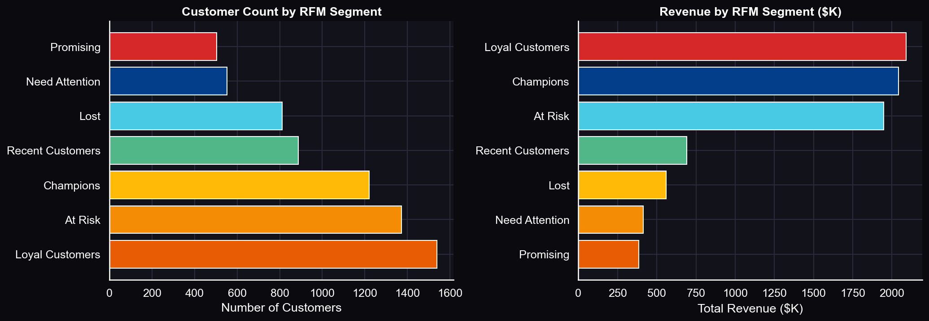
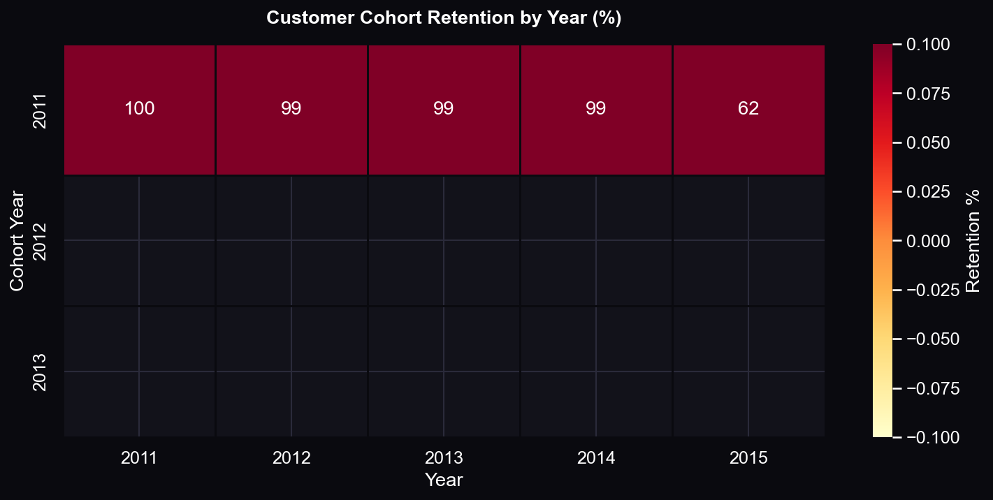
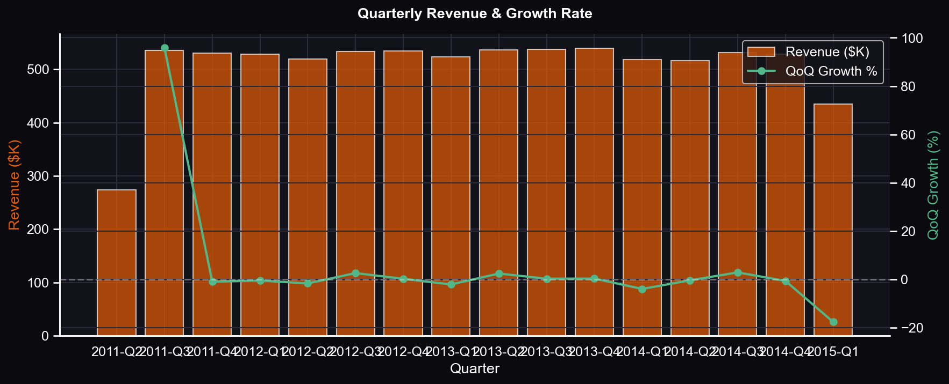
RETAIL CHAIN — SALES ANALYTICS DASHBOARD
Dataset: 2011–2015 | 125,000 Transactions | 6,889 Customers | $8,123,989 Total Revenue

TOTAL REVENUE | TOTAL ORDERS | AVG TRANSACTION | UNIQUE CUSTOMERS | RESPONSE RATE
$8,123,989 | 125,000 | $64.99 | 6,889 | 9.4%

KEY INSIGHTS
▶ Revenue is consistent across 2011–2015, averaging $1.6M per year with stable growth.
▶ Thursday is the highest revenue day — best day to run promotions and campaigns.
▶ Platinum customers generate 40% of total revenue — prioritise retention for this group.
▶ Only 9.4% of customers responded to campaigns — Champions segment responds 3x more.
▶ Transaction amounts cluster between $50–$80 — strong upsell opportunity above $80.

VISUALIZATIONS

Monthly Revenue
MONTHLY REVENUE REPORT — 2011 to 2015

Monthly Revenue Trend
Year | Month | Year-Month | Transactions | Total Revenue | Avg Revenue | Unique Customers
2011 | May | 2011-05 | 1485 | 98951 | 66.63 | 1344
2011 | June | 2011-06 | 2707 | 174527 | 64.47 | 2230
2011 | July | 2011-07 | 2726 | 178097 | 65.33 | 2255
2011 | August | 2011-08 | 2914 | 188631 | 64.73 | 2382
2011 | September | 2011-09 | 2605 | 169173 | 64.94 | 2173
2011 | October | 2011-10 | 2838 | 182586 | 64.34 | 2313
2011 | November | 2011-11 | 2570 | 166921 | 64.95 | 2117
2011 | December | 2011-12 | 2812 | 181405 | 64.51 | 2309
2012 | January | 2012-01 | 2737 | 177987 | 65.03 | 2265
2012 | February | 2012-02 | 2619 | 170135 | 64.96 | 2182
2012 | March | 2012-03 | 2743 | 180453 | 65.79 | 2248
2012 | April | 2012-04 | 2613 | 168000 | 64.29 | 2174
2012 | May | 2012-05 | 2729 | 178880 | 65.55 | 2256
2012 | June | 2012-06 | 2674 | 172933 | 64.67 | 2167
2012 | July | 2012-07 | 2773 | 179117 | 64.59 | 2259
2012 | August | 2012-08 | 2766 | 179284 | 64.82 | 2310
2012 | September | 2012-09 | 2694 | 174978 | 64.95 | 2222
2012 | October | 2012-10 | 2806 | 181862 | 64.81 | 2318
2012 | November | 2012-11 | 2701 | 179156 | 66.33 | 2238
2012 | December | 2012-12 | 2685 | 173747 | 64.71 | 2222
2013 | January | 2013-01 | 2821 | 181729 | 64.42 | 2321
2013 | February | 2013-02 | 2478 | 160359 | 64.71 | 2062
2013 | March | 2013-03 | 2799 | 181491 | 64.84 | 2312
2013 | April | 2013-04 | 2675 | 173642 | 64.91 | 2210
2013 | May | 2013-05 | 2863 | 185826 | 64.91 | 2347
2013 | June | 2013-06 | 2733 | 176813 | 64.7 | 2233
2013 | July | 2013-07 | 2791 | 180967 | 64.84 | 2321
2013 | August | 2013-08 | 2759 | 180031 | 65.25 | 2261
2013 | September | 2013-09 | 2714 | 176830 | 65.15 | 2240
2013 | October | 2013-10 | 2776 | 181521 | 65.39 | 2266
2013 | November | 2013-11 | 2714 | 177341 | 65.34 | 2230
2013 | December | 2013-12 | 2780 | 180802 | 65.04 | 2255
2014 | January | 2014-01 | 2836 | 184554 | 65.08 | 2334
2014 | February | 2014-02 | 2375 | 154151 | 64.91 | 2007
2014 | March | 2014-03 | 2757 | 179729 | 65.19 | 2254
2014 | April | 2014-04 | 2686 | 174149 | 64.84 | 2220
2014 | May | 2014-05 | 2612 | 169555 | 64.91 | 2180
2014 | June | 2014-06 | 2642 | 172741 | 65.38 | 2175
2014 | July | 2014-07 | 2745 | 179026 | 65.22 | 2261
2014 | August | 2014-08 | 2759 | 178975 | 64.87 | 2252
2014 | September | 2014-09 | 2675 | 173385 | 64.82 | 2185
2014 | October | 2014-10 | 2760 | 179303 | 64.96 | 2250
2014 | November | 2014-11 | 2689 | 174855 | 65.03 | 2229
2014 | December | 2014-12 | 2688 | 173940 | 64.71 | 2222
2015 | January | 2015-01 | 2751 | 179837 | 65.37 | 2253
2015 | February | 2015-02 | 2466 | 160469 | 65.07 | 2068
2015 | March | 2015-03 | 1453 | 94829 | 65.26 | 1302

Yearly Revenue
YEARLY REVENUE REPORT — 2011 to 2015

Revenue by Year
Year | Transactions | Total Revenue | Avg Revenue | Unique Customers
2011 | 20657 | 1340291 | 64.88 | 6501
2012 | 32540 | 2116532 | 65.04 | 6809
2013 | 32903 | 2137352 | 64.96 | 6804
2014 | 32224 | 2094363 | 64.99 | 6801
2015 | 6670 | 435135 | 65.24 | 4225

Customer Segments
CUSTOMER SEGMENT ANALYSIS

Revenue by Segment
Segment | Customers | Transactions | Total Revenue | Avg Revenue
Platinum | 1224 | 31249 | 2240134 | 71.69
Gold | 1490 | 31248 | 2196652 | 70.3
Silver | 1795 | 31248 | 2141379 | 68.53
Bronze | 2393 | 31249 | 1545508 | 49.46

Day of Week
REVENUE BY DAY OF WEEK

Revenue by Day of Week
Day | Transactions | Total Revenue | Avg Revenue
Monday | 17884 | 1163285 | 65.05
Tuesday | 18030 | 1168631 | 64.82
Wednesday | 18027 | 1170771 | 64.95
Thursday | 17796 | 1159937 | 65.18
Friday | 17589 | 1144028 | 65.04
Saturday | 17929 | 1164628 | 64.96
Sunday | 17739 | 1152393 | 64.96

Quarterly
QUARTERLY REVENUE BREAKDOWN

Quarterly Revenue
Quarter | Year | Q | Transactions | Total Revenue | Avg Revenue
2011 Q2 | 2011 | 2 | 4192 | 273478 | 65.24
2011 Q3 | 2011 | 3 | 8245 | 535901 | 65
2011 Q4 | 2011 | 4 | 8220 | 530912 | 64.59
2012 Q1 | 2012 | 1 | 8099 | 528575 | 65.26
2012 Q2 | 2012 | 2 | 8016 | 519813 | 64.85
2012 Q3 | 2012 | 3 | 8233 | 533379 | 64.79
2012 Q4 | 2012 | 4 | 8192 | 534765 | 65.28
2013 Q1 | 2013 | 1 | 8098 | 523579 | 64.66
2013 Q2 | 2013 | 2 | 8271 | 536281 | 64.84
2013 Q3 | 2013 | 3 | 8264 | 537828 | 65.08
2013 Q4 | 2013 | 4 | 8270 | 539664 | 65.26
2014 Q1 | 2014 | 1 | 7968 | 518434 | 65.06
2014 Q2 | 2014 | 2 | 7940 | 516445 | 65.04
2014 Q3 | 2014 | 3 | 8179 | 531386 | 64.97
2014 Q4 | 2014 | 4 | 8137 | 528098 | 64.9
2015 Q1 | 2015 | 1 | 6670 | 435135 | 65.24

