Sheet1
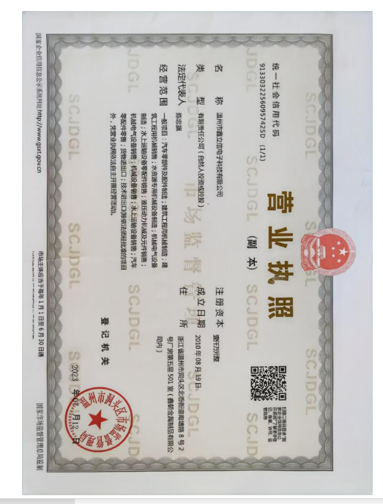

温州市鑫立信电子科技有限公司
WENZHOU XINLIXIN ELECTRONIC TECHNOLOGY CO.,LTD.
Workshop 2, No.8 Nantang Road, Nantang Industrial Zone, Dongtou County, Wenzhou City
TEL:0086-577-63474448 FAX:0086-577-63479898
E-mail: sale2@xlxgs.com Web:www.xlxgs.en.alibaba.com JOY 008613544456677 WhatsApp
COMMERCIAL INVOICE
Sold To:CADECO, S.A. DE C.V.TAX ID CAD-850514-L17AV.MIGUEL ALEMAN 11200APODACA NUEVO LEON 66633MEXICO |  |  |  |  | DATE:2025-1-21
Ship To:CADECO, S.A. DE C.V.TAX ID CAD-850514-L17AV. MIGUEL ALEMAN 11200APODACA NUEVO LEON 66633MEXICO |  |  |  |  | INV.NO.:TOSD-JOY-CARLOS20250121
S/N | QTY | USD | Part No. |  | Description | Amount USD
1 | 1 | $6.94 | 282775A1 |  | INTERRUPTOR DE ENCENDIDO 12V | 6.94
2 | 1 | $21.53 | 2289129 | 3491063 | BOMBA DE COMBUSTIBLE CON FILTRO | 21.53
3 | 1 | $2.78 | 2085029 | A77753 | SOLENOIDE 12V | 2.78
4 | 1 | $3.47 | 1766219 |  | SOLENOID 12V | 3.47
5 | 1 | $4.86 | 7N4160 |  | SWITCH 75A | 4.86
6 | 1 | $66.67 | 278328A1 |  | SWITCH | 66.67
7 | 1 | $22.22 | 3669312 | 4343436 | SENSOR | 22.22
8 | 1 | $13.19 | 87420952 |  | SOLENOIDE 12V | 13.19
9 | 1 | $20.83 | 2093367 |  | LEVANTADOR | 20.83
10 | 1 | $4.86 | 3244131 |  | SENSOR-MAGNE | 4.86
11 | 1 | $6.25 | JHOAT195301 |  | INTERRUPTOR | 6.25
12 | 1 | $3.19 | 2848A071 | 2374894 | SENSOR DE PRESIÓN DE ACEITE, 3054/C3.3/C4.4 | 3.19
13 | 1 | $1.53 | 2537910 |  | SENSOR DE PRESIÓN DE ACEITE, 3054/3056 | 1.53
14 | 1 | $62.50 | 86992395 |  | MARCHA | 62.50
15 | 1 | $10.42 | 87435487 |  | SOLENOIDE 12V | 10.42
16 | 1 | $3.47 | 2443106 |  | SENDER AS-TE | 3.47
17 | 1 | $5.56 | 2380120 |  | SENSOR GP-SP | 5.56
18 | 1 | $7.64 | 3215658 |  | COIL AS 24V | 7.64
19 | 1 | $3.47 | 277016A1 |  | SWITCH | 3.47
20 | 1 | $3.47 | A162297 |  | SWITCH | 3.47
21 | 1 | $2.64 | 2358747 |  | SWITCH-WTR 12V | 2.64
22 | 1 | $4.86 | 2033219 |  | SWITCH AS-TEMP 8/28V | 4.86
23 | 1 | $0.42 | 1552270 |  | TAPA | 0.42
24 | 1 | $3.47 | 1594269 |  | SPRING AS-GA | 3.47
25 | 1 | $3.47 | 1532521 |  | FARO 24V Y 70W | 3.47
26 | 1 | $3.47 | 347706A3 |  | RELAY 12V | 3.47
27 | 1 | $20.83 | 1538920 |  | HARNESS AS-WRG | 20.83
28 | 1 | $23.61 | 1654026 |  | INTERRUPTOR 24V | 23.61
29 | 1 | $4.86 | 133716A1 |  | SWITCH | 4.86
30 | 1 | $24.31 | 6N9988 |  | SOLENOIDE 12V | 24.31
31 | 1 | $26.39 | 87456901 |  | SOLENOIDE CON BOBINA DE 12V | 26.39
32 | 1 | $10.42 | 1946722 |  | SENSOR GP-PR | 10.42
33 | 1 | $13.89 | 2659033 |  | SENSOR GP-SP | 13.89
34 | 1 | $1.53 | 4I5394 | 3422924 | SENDER | 1.53
35 | 1 | $9.03 | 2848A278 | 1727209 | SOLENOIDE 12V | 9.03
36 | 1 | $4.17 | 3244128 |  | REGULADOR TERMOSTATO | 4.17
37 | 1 | $20.83 | 2225917 |  | HARNESS AS | 20.83
38 | 1 | $3.47 | 2142968 |  | FARO SELLADO 12V Y 55W | 3.47
39 | 1 | $15.28 | 2047949 | 2661466 | SENSOR GP | 15.28
40 | 1 | $5.56 | 3181178 |  | SENSOR GP-SP | 5.56
41 | 1 | $3.47 | 1673441 |  | LAMP G-FLOOD 24V Y 70W | 3.47
42 | 1 | $2.08 | 7N8532 |  | SENSOR TEMPERATURA 12V | 2.08
43 | 1 | $3.47 | 1472645 |  | SOLENOIDE 24V | 3.47
44 | 1 | $27.78 | 349295A1 |  | SOLENOID | 27.78
45 | 1 | $3.47 | 7W6249 |  | SOLENOIDE 12V | 3.47
46 | 1 | $1.39 | 4W9972 |  | SENSOR TEMPERATURA 12V | 1.39
47 | 1 | $6.25 | 4556633 |  | SWITCH AS-ST | 6.25
48 | 1 | $18.06 | 1236449 | 3701485 | ALARMA DE REVERSA 12/36V | 18.06
49 | 1 | $4.86 | JHOAT159811 |  | INTERRUPTOR 12V | 4.86
50 | 1 | $10.42 | 1251302 |  | SWITCH AS-MAGC 24V | 10.42
51 | 1 | $4.86 | 1058069 |  | LAMP GP-FLOOD 12V Y 55W | 4.86
52 | 1 | $7.64 | 3013118 |  | COIL AS 24V | 7.64
53 | 1 | $3.47 | 2566453 |  | sensor | 3.47
54 | 1 | $8.33 | 1834760 |  | SENSOR GP-PR 5V | 8.33
55 | 1 | $25.00 | JHOAT310584 |  | ELECTROVÁLVULA HIDRÁULICA | 25.00
56 | 1 | $0.42 | 1028802 |  | RECEPTACULO | 0.42
57 | 1 | $62.50 | 1743705 |  | VALVE GP-MTG | 62.50
58 | 1 | $3.47 | 2196487 |  | LAMP GP-FLOO 24V Y 70W | 3.47
59 | 1 | $13.19 | 3935649 |  | SOLENOIDE | 13.19
60 | 1 | $10.42 | 1946723 |  | SENSOR GP-PR 5V | 10.42
61 | 1 | $0.76 | JHOAT393721 |  | MANOCONTACTO | 0.76
62 | 1 | $24.31 | 6N9987 |  | SOLENOID G 24V | 24.31
63 | 1 | $3.47 | 5I8250 |  | LAMP GP-FLOOD 24V Y 65W | 3.47
64 | 1 | $7.64 | 2189894 |  | COIL AS 24V | 7.64
65 | 1 | $1.81 | 1151615 |  | RELAY 12V | 1.81
66 | 1 | $16.67 | 4190841 |  | HARNESS AS | 16.67
67 | 1 | $90.28 | 3050325 |  | COMPRESOR 24V | 90.28
68 | 1 | $21.53 | JHOAT179491 |  | ELECTROVALVULA | 21.53
69 | 1 | $10.42 | 1619927 |  | SENSOR GP 5V | 10.42
70 | 1 | $2.08 | 1636785 |  | SWITCH A-LIM | 2.08
71 | 1 | $4.86 | 84538542 |  | PULLEY, DRIVEN | 4.86
72 | 1 | $0.69 | 1469439 |  | RELAY 12V | 0.69
73 | 1 | $6.94 | 2954070 |  | BOMBA DE TRANSFERENCIA DE COMBUSTIBLE, 3013C/3024C | 6.94
74 | 1 | $12.50 | JHOAT163475 |  | BOBINA ELÉCTRICA | 12.50
75 | 1 | $13.19 | 87435488 |  | SOLENOIDE 24V | 13.19
76 | 1 | $118.06 | JHOAT342722 |  | INTERRUPTOR | 118.06
Total: |  |  |  |  |  | $1,033.12
The pictures are for reference only. We will provide pictures of the real goods before delivery according to the part number.
Remark:
1.Payment term: 100% Advance Payment
2.Package: NETURAL packing
3.Delivery time: 15 days
4.Bank information:
USD FUNDS TRANSFER
PLEASE REMIT TO:
BENE'S BANK: CHINA CONSTRUCTION BANK, ZHEJIANG BRANCH
BANK ADD: CENTRE STREET,NORTH AO TOWN,
DONGTOU COUNTY, WENZHOU CITY, ZHEJIANG PROVINCE, 325700 CHINA
BENEFICIARY:WENZHOU XINLIXIN ELECTRONIC TECHNOLOGY CO., LTD
BENE'S ADD: Gedian Lane, Dongtou, WenZhou City ,Zhejiang Province 325700, China
BENE’S A/C: 33014013100220509841
SWIFT BIC:PCBCCNBJZJW |  |  | WENZHOU XINLIXIN ELECTRONIC TECHNOLOGY CO.,LTD.

Por favor, asegúrese de escribir el nombre completo de la empresa nombre completo de la empresa.

