PICTURE2
1.07 | 575750
0.26 | 246556
0 | 220000
-1 | 180000
-2 | 160000
-3 | 140000
-4 | 130000
-5 | 120000
-6 | 110000
-7 | 100000
-8 | 90000
-9 | 80000
-10 | 70000
-11 | 60000
-12 | 45000
-13 | 20000
-14 | 8000
-14.6 | 0.1
 |  | Max Volume @ 1.16
Volume | Elevation | Elevation (m AHD) | Elevation (m AHD) | Area | Area | Volume (%)
0 | 1.1672298 | (digitsed) | (revised) | (m2) | (%)
15.699658 | 0.30574325
19.283276 | -0.03885135 | 1.1672298 | 1.07 | 575750 | 100 | 0 |  |  |  |  |  |  |  |  |  |  |  | -14.6 | 0.1
29.43686 | -0.9864865 | 0.30574325 | 0.26 | 246556 | 42.8 | 15.699658 | 0.81 |  | 333033.93 |  |  |  |  |  |  |  |  | -14 | 8000
39.249146 | -2.0489864 | -0.03885135 | 0 | 220000 |  | 19.283276 | 0.26 |  |  |  |  |  |  |  |  |  |  | -13 | 20000
48.122868 | -2.9391892 | -0.9864865 | -1 | 180000 |  | 29.43686 | 1 |  |  |  |  |  |  |  |  |  |  | -12 | 45000
56.143345 | -4.0304055 | -2.0489864 | -2 | 160000 |  | 39.249146 | 1 |  |  |  |  |  |  |  |  |  |  | -11 | 60000
63.481228 | -5.006757 | -2.9391892 | -3 | 140000 |  | 48.122868 | 1 |  |  |  |  |  |  |  |  |  |  | -10 | 70000
70.13652 | -5.983108 | -4.0304055 | -4 | 130000 |  | 56.143345 | 1 |  |  |  |  |  |  |  |  |  |  | -9 | 80000
76.19454 | -7.045608 | -5.006757 | -5 | 120000 |  | 63.481228 | 1 |  |  |  |  |  |  |  |  |  |  | -8 | 90000
81.91126 | -8.0793915 | -5.983108 | -6 | 110000 |  | 70.13652 | 1 |  |  |  |  |  |  |  |  |  |  | -7 | 100000
86.68942 | -9.084459 | -7.045608 | -7 | 100000 |  | 76.19454 | 1 |  |  |  |  |  |  |  |  |  |  | -6 | 110000
91.12628 | -9.974662 | -8.0793915 | -8 | 90000 |  | 81.91126 | 1 |  |  |  |  |  |  |  |  |  |  | -5 | 120000
94.96587 | -10.951014 | -9.084459 | -9 | 80000 |  | 86.68942 | 1 |  |  |  |  |  |  |  |  |  |  | -4 | 130000
97.44027 | -12.013514 | -9.974662 | -10 | 70000 |  | 91.12628 | 1 |  |  |  |  |  |  |  |  |  |  | -3 | 140000
98.97611 | -13.10473 | -10.951014 | -11 | 60000 |  | 94.96587 | 1 |  |  |  |  |  |  |  |  |  |  | -2 | 160000
99.57338 | -13.994932 | -12.013514 | -12 | 45000 |  | 97.44027 | 1 |  |  |  |  |  |  |  |  |  |  | -1 | 180000
99.744026 | -14.569257 | -13.10473 | -13 | 20000 |  | 98.97611 | 1 |  |  |  |  |  |  |  |  |  |  | 0 | 220000
 |  | -13.994932 | -14 | 8000 |  | 99.57338 | 1 |  |  |  |  |  |  |  |  |  |  | 0.26 | 246556
 |  | -14.569257 | -14.6 | 0.1 | 0 | 99.744026 | 0.6 |  |  |  |  |  |  |  |  |  |  | 1.07 | 575750

 |  |  |  |  |  | H | -14.6 | -14 | -13 | -12 | -11 | -10 | -9 | -8 | -7 | -6 | -5 | -4 | -3 | -2 | -1 | 0 | 0.26 | 1.07
 |  |  |  |  |  | A | 0.1 | 8000 | 20000 | 45000 | 60000 | 70000 | 80000 | 90000 | 100000 | 110000 | 120000 | 130000 | 140000 | 160000 | 180000 | 220000 | 246556 | 575750

Picture 1
board |  |  | logger |  |  | laboratory |  |  | logger
2013-03-01 | date | water level | 2013-03-01 | date | water level | 2013-03-01 | date | salinity | 2013-03-01 | date | salinity
6.171628 | 2013-03-07 04:07:08 | 0.46665147 | 25.90784 | 2013-03-26 21:47:17 | 0.40553322 | 22.54554 | 2013-03-23 13:05:34 | 647.8461 | 24.233023 | 2013-03-25 05:35:33 | 625.4467
7.8612947 | 2013-03-08 20:40:15 | 0.45138162 | 28.728172 | 2013-03-29 17:28:34 | 0.4011634 | 73.36262 | 2013-05-13 08:42:10 | 798.8827 | 26.488676 | 2013-03-27 11:43:41 | 619.84216
13.495408 | 2013-03-14 11:53:23 | 0.40993172 | 36.619686 | 2013-04-06 14:52:20 | 0.36188743 | 118.466095 | 2013-06-27 11:11:10 | 645.7343 | 31.003916 | 2013-04-01 00:05:38 | 625.4294
21.960773 | 2013-03-22 23:03:30 | 0.41862914 | 38.310226 | 2013-04-08 07:26:43 | 0.35097894 | 163.03154 | 2013-08-11 00:45:25 | 604.5626 | 33.82643 | 2013-04-03 19:50:03 | 631.02094
33.803722 | 2013-04-03 19:17:21 | 0.3880641 | 43.38709 | 2013-04-13 09:17:24 | 0.34442168 | 209.86137 | 2013-09-26 20:40:22 | 595.11145 | 37.77612 | 2013-04-07 18:37:36 | 631.0108
46.217464 | 2013-04-16 05:13:08 | 0.39020765 | 46.210915 | 2013-04-16 05:03:43 | 0.35749736 | 251.0488 | 2013-11-07 01:10:16 | 585.67474 | 41.161568 | 2013-04-11 03:52:39 | 631.00214
52.421932 | 2013-04-22 10:07:34 | 0.37928566 | 48.46919 | 2013-04-18 11:15:38 | 0.3640327 | 285.4806 | 2013-12-11 11:32:03 | 641.5742 | 46.23974 | 2013-04-16 05:45:13 | 630.98914
73.89498 | 2013-05-13 21:28:46 | 0.53841156 | 52.41713 | 2013-04-22 10:00:40 | 0.35529813 | 334.5578 | 2014-01-29 13:23:13 | 591.0597 | 50.753666 | 2013-04-20 18:05:16 | 630.9776
80.6781 | 2013-05-20 16:16:27 | 0.59945047 | 54.672348 | 2013-04-24 16:08:10 | 0.3465686 | 389.86435 | 2014-03-25 20:44:39 | 637.5745 | 54.702045 | 2013-04-24 16:50:56 | 625.3687
90.2868 | 2013-05-30 06:52:59 | 0.6822878 | 56.927567 | 2013-04-26 22:15:41 | 0.33783913 | 445.16086 | 2014-05-20 03:51:38 | 641.16547 | 57.52325 | 2013-04-27 12:33:28 | 625.3615
118.52986 | 2013-06-27 12:42:59 | 0.8370321 | 60.313885 | 2013-04-30 07:31:59 | 0.34219038 | 513.99524 | 2014-07-27 23:53:08 | 627.9254 | 61.47294 | 2013-05-01 11:21:02 | 625.3514
165.42433 | 2013-08-13 10:11:02 | 1.14873 | 64.26707 | 2013-05-04 06:24:34 | 0.35962406 | 616.11456 | 2014-11-07 02:44:57 | 592.20514 | 65.42262 | 2013-05-05 10:08:34 | 625.3413
209.44344 | 2013-09-26 10:38:33 | 1.1900314 | 67.65251 | 2013-05-07 15:39:36 | 0.35961393 | 772.43207 | 2015-04-12 10:22:10 | 688.8503 | 67.11535 | 2013-05-07 02:46:06 | 625.337
250.60204 | 2013-11-06 14:26:56 | 1.0350795 | 68.78449 | 2013-05-08 18:49:39 | 0.37705603 |  |  |  | 70.49992 | 2013-05-10 11:59:53 | 621.59576
286.11472 | 2013-12-12 02:45:11 | 0.86269903 | 68.78711 | 2013-05-08 18:53:26 | 0.39014015 |  |  |  | 73.8845 | 2013-05-13 21:13:40 | 617.8546
335.69894 | 2014-01-30 16:46:28 | 0.5180022 | 69.35703 | 2013-05-09 08:34:07 | 0.41848737 |  |  |  | 75.57635 | 2013-05-15 13:49:56 | 614.11774
342.45804 | 2014-02-06 10:59:34 | 0.45910347 | 69.36052 | 2013-05-09 08:39:08 | 0.43593284 |  |  |  | 80.65452 | 2013-05-20 15:42:30 | 614.10474
384.1621 | 2014-03-20 03:53:25 | 0.21038043 | 69.92913 | 2013-05-09 22:17:56 | 0.457738 |  |  |  | 86.86117 | 2013-05-26 20:40:05 | 614.08887
389.80188 | 2014-03-25 19:14:42 | 0.19727945 | 69.93306 | 2013-05-09 22:23:36 | 0.47736418 |  |  |  | 89.68237 | 2013-05-29 16:22:36 | 614.08167
399.3953 | 2014-04-04 09:29:13 | 0.20379281 | 71.06591 | 2013-05-11 01:34:54 | 0.49916765 |  |  |  | 92.501396 | 2013-06-01 12:02:00 | 604.74316
401.64966 | 2014-04-06 15:35:30 | 0.19070195 | 73.89061 | 2013-05-13 21:22:28 | 0.5166047 |  |  |  | 99.27229 | 2013-06-08 06:32:05 | 604.7258
416.3138 | 2014-04-21 07:31:52 | 0.16012847 | 76.71269 | 2013-05-16 17:06:16 | 0.52095765 |  |  |  | 108.86483 | 2013-06-17 20:45:21 | 606.5675
423.08905 | 2014-04-28 02:08:13 | 0.18191507 | 78.411964 | 2013-05-18 09:53:13 | 0.55366284 |  |  |  | 116.76376 | 2013-06-25 18:19:48 | 604.681
428.72928 | 2014-05-03 17:30:09 | 0.17099476 | 80.67024 | 2013-05-20 16:05:08 | 0.5601981 |  |  |  | 123.53466 | 2013-07-02 12:49:54 | 604.6637
432.68552 | 2014-05-07 16:27:08 | 0.20369323 | 82.366455 | 2013-05-22 08:47:41 | 0.57763857 |  |  |  | 129.17664 | 2013-07-08 04:14:21 | 602.783
437.76938 | 2014-05-12 18:27:54 | 0.23202695 | 84.62517 | 2013-05-24 15:00:14 | 0.58635455 |  |  |  | 137.63982 | 2013-07-16 15:21:20 | 600.8951
446.23563 | 2014-05-21 05:39:18 | 0.24508575 | 86.32139 | 2013-05-26 07:42:48 | 0.603795 |  |  |  | 143.84604 | 2013-07-22 20:18:17 | 599.01294
455.28052 | 2014-05-30 06:43:56 | 0.33010545 | 87.452484 | 2013-05-27 10:51:34 | 0.6168757 |  |  |  | 155.69553 | 2013-08-03 16:41:33 | 600.8489
513.5323 | 2014-07-27 12:46:30 | 1.0037634 | 89.14827 | 2013-05-29 03:33:30 | 0.63213545 |  |  |  | 165.28632 | 2013-08-13 06:52:18 | 595.2255
516.9217 | 2014-07-30 22:07:14 | 1.0233794 | 90.84361 | 2013-05-30 20:14:47 | 0.6452145 |  |  |  | 176.57289 | 2013-08-24 13:44:57 | 602.6617
575.6268 | 2014-09-27 15:02:35 | 1.1431416 | 90.84623 | 2013-05-30 20:18:34 | 0.6582986 |  |  |  | 183.34378 | 2013-08-31 08:15:02 | 602.64435
579.57385 | 2014-10-01 13:46:20 | 1.1300457 | 93.67617 | 2013-06-02 16:13:41 | 0.7019039 |  |  |  | 191.24316 | 2013-09-08 05:50:09 | 602.62415
592.54175 | 2014-10-14 13:00:07 | 1.0820317 | 102.14765 | 2013-06-11 03:32:36 | 0.7411309 |  |  |  | 199.1421 | 2013-09-16 03:24:37 | 600.7377
653.4309 | 2014-12-14 10:20:29 | 0.83761275 | 98.75652 | 2013-06-07 18:09:23 | 0.7127921 |  |  |  | 207.04016 | 2013-09-24 00:57:49 | 595.11865
657.371 | 2014-12-18 08:54:14 | 0.7896258 | 100.451866 | 2013-06-09 10:50:41 | 0.72587115 |  |  |  | 217.19739 | 2013-10-04 04:44:14 | 598.8252
673.71564 | 2015-01-03 17:10:31 | 0.6979881 | 105.5331 | 2013-06-14 12:47:39 | 0.74112076 |  |  |  | 225.09807 | 2013-10-12 02:21:13 | 604.4037
764.4628 | 2015-04-04 11:06:25 | 0.22014627 | 107.22757 | 2013-06-16 05:27:42 | 0.7498385 |  |  |  | 235.81865 | 2013-10-22 19:38:51 | 604.3763
772.9378 | 2015-04-12 22:30:25 | 0.27681875 | 215.0937 | 2013-10-02 02:14:55 | 1.2292669 |  |  |  | 238.63986 | 2013-10-25 15:21:23 | 604.369
892.6997 | 2015-08-10 16:47:34 | 0.98954505 | 109.48977 | 2013-06-18 11:45:16 | 0.7759999 |  |  |  | 245.97673 | 2013-11-01 23:26:29 | 611.81525
 |  |  | 111.7463 | 2013-06-20 17:54:40 | 0.7738125 |  |  |  | 251.05534 | 2013-11-07 01:19:41 | 613.6685
 |  |  | 114.567505 | 2013-06-23 13:37:12 | 0.77380407 |  |  |  | 258.95517 | 2013-11-14 22:55:26 | 615.5146
 |  |  | 116.26023 | 2013-06-25 06:14:43 | 0.773799 |  |  |  | 264.0329 | 2013-11-20 00:47:22 | 613.6353
 |  |  | 117.95732 | 2013-06-26 22:58:32 | 0.7956008 |  |  |  | 270.80377 | 2013-11-26 19:17:25 | 613.618
 |  |  | 120.781586 | 2013-06-29 18:45:29 | 0.8108571 |  |  |  | 278.13892 | 2013-12-04 03:20:02 | 613.5992
 |  |  | 123.04073 | 2013-07-02 00:58:39 | 0.8217538 |  |  |  | 283.2171 | 2013-12-09 05:12:37 | 613.5862
 |  |  | 125.86281 | 2013-07-04 20:42:26 | 0.8261067 |  |  |  | 290.554 | 2013-12-16 13:17:45 | 621.0324
 |  |  | 128.68402 | 2013-07-07 16:24:59 | 0.8260983 |  |  |  | 297.88867 | 2013-12-23 21:19:41 | 619.1474
 |  |  | 129.81163 | 2013-07-08 19:28:44 | 0.82173353 |  |  |  | 301.2741 | 2013-12-27 06:34:42 | 619.13873
 |  |  | 130.9436 | 2013-07-09 22:38:47 | 0.83917564 |  |  |  | 306.3523 | 2014-01-01 08:27:18 | 619.12573
 |  |  | 132.0747 | 2013-07-11 01:47:34 | 0.8522564 |  |  |  | 310.8662 | 2014-01-05 20:47:19 | 619.1142
 |  |  | 135.46277 | 2013-07-14 11:06:23 | 0.8653304 |  |  |  | 315.38016 | 2014-01-10 09:07:25 | 619.1026
 |  |  | 137.71974 | 2013-07-16 17:16:25 | 0.8653236 |  |  |  | 317.07504 | 2014-01-12 01:48:03 | 628.42957
 |  |  | 137.72235 | 2013-07-16 17:20:11 | 0.8784077 |  |  |  | 322.15234 | 2014-01-17 03:39:22 | 624.6841
 |  |  | 137.72453 | 2013-07-16 17:23:19 | 0.8893112 |  |  |  | 326.1029 | 2014-01-21 02:28:10 | 628.40643
 |  |  | 139.42032 | 2013-07-18 10:05:15 | 0.9045709 |  |  |  | 327.79608 | 2014-01-22 19:06:21 | 630.2684
 |  |  | 142.80577 | 2013-07-21 19:20:18 | 0.9045608 |  |  |  | 336.26056 | 2014-01-31 06:15:12 | 633.9792
 |  |  | 145.0636 | 2013-07-24 01:31:35 | 0.9089154 |  |  |  | 339.64426 | 2014-02-03 15:27:44 | 626.50555
 |  |  | 145.06622 | 2013-07-24 01:35:21 | 0.9219995 |  |  |  | 343.02884 | 2014-02-07 00:41:31 | 622.76434
 |  |  | 147.32712 | 2013-07-26 07:51:03 | 0.9416189 |  |  |  | 346.9781 | 2014-02-10 23:28:27 | 620.888
 |  |  | 147.33017 | 2013-07-26 07:55:26 | 0.9568837 |  |  |  | 349.23547 | 2014-02-13 05:39:04 | 622.7485
 |  |  | 149.02858 | 2013-07-28 00:41:09 | 0.9852276 |  |  |  | 349.23856 | 2014-02-13 05:43:31 | 635.81226
 |  |  | 148.46652 | 2013-07-27 11:11:47 | 0.9961327 |  |  |  | 353.18604 | 2014-02-17 04:27:53 | 626.4709
 |  |  | 148.4687 | 2013-07-27 11:14:55 | 1.0070361 |  |  |  | 359.95737 | 2014-02-23 22:58:36 | 628.31976
 |  |  | 149.036 | 2013-07-28 00:51:50 | 1.0222992 |  |  |  | 365.0364 | 2014-03-01 00:52:24 | 632.0393
 |  |  | 150.16885 | 2013-07-29 04:03:08 | 1.0441027 |  |  |  | 370.6784 | 2014-03-06 16:16:53 | 630.15857
 |  |  | 152.43149 | 2013-07-31 10:21:20 | 1.0724448 |  |  |  | 374.62677 | 2014-03-10 15:02:32 | 624.54974
 |  |  | 155.25575 | 2013-08-03 06:08:16 | 1.0877012 |  |  |  | 376.88373 | 2014-03-12 21:12:34 | 624.54395
 |  |  | 156.38118 | 2013-08-04 09:08:53 | 1.072433 |  |  |  | 383.08865 | 2014-03-19 02:07:39 | 617.06305
 |  |  | 156.94324 | 2013-08-04 22:38:15 | 1.061528 |  |  |  | 387.0392 | 2014-03-23 00:56:26 | 620.7854
 |  |  | 159.76794 | 2013-08-07 18:25:50 | 1.078965 |  |  |  | 393.8101 | 2014-03-29 19:26:32 | 620.76807
 |  |  | 159.77055 | 2013-08-07 18:29:35 | 1.0920491 |  |  |  | 397.7589 | 2014-04-02 18:12:48 | 617.02545
 |  |  | 159.77449 | 2013-08-07 18:35:15 | 1.1116753 |  |  |  | 401.70862 | 2014-04-06 17:00:24 | 617.0154
 |  |  | 161.4707 | 2013-08-09 11:17:48 | 1.1291157 |  |  |  | 407.9205 | 2014-04-12 22:05:31 | 639.39453
 |  |  | 163.16736 | 2013-08-11 04:00:59 | 1.1487367 |  |  |  | 411.86844 | 2014-04-16 20:50:33 | 631.9194
 |  |  | 163.17085 | 2013-08-11 04:06:01 | 1.1661823 |  |  |  | 416.3802 | 2014-04-21 09:07:29 | 622.5766
 |  |  | 166.55106 | 2013-08-14 13:13:31 | 1.1400039 |  |  |  | 418.6354 | 2014-04-23 15:14:58 | 615.1058
 |  |  | 168.8041 | 2013-08-16 19:17:54 | 1.120371 |  |  |  | 422.02258 | 2014-04-27 00:32:30 | 622.56213
 |  |  | 169.92908 | 2013-08-17 22:17:52 | 1.1029221 |  |  |  | 422.5899 | 2014-04-27 14:09:27 | 635.62445
 |  |  | 171.62006 | 2013-08-19 14:52:53 | 1.0941943 |  |  |  | 425.40936 | 2014-04-30 09:49:28 | 628.1522
 |  |  | 173.87354 | 2013-08-21 20:57:53 | 1.076742 |  |  |  | 427.66458 | 2014-05-02 15:56:59 | 620.68146
 |  |  | 176.693 | 2013-08-24 16:37:55 | 1.0680109 |  |  |  | 429.356 | 2014-05-04 08:32:38 | 615.0783
 |  |  | 177.81885 | 2013-08-25 19:39:08 | 1.0549234 |  |  |  | 430.48535 | 2014-05-05 11:38:54 | 618.8079
 |  |  | 178.38571 | 2013-08-26 09:15:25 | 1.0680058 |  |  |  | 433.87384 | 2014-05-08 20:58:19 | 631.86304
 |  |  | 179.51637 | 2013-08-27 12:23:34 | 1.0789059 |  |  |  | 433.3118 | 2014-05-08 07:28:59 | 641.1958
 |  |  | 179.51857 | 2013-08-27 12:26:44 | 1.0898093 |  |  |  | 439.51276 | 2014-05-14 12:18:22 | 616.9186
 |  |  | 179.52118 | 2013-08-27 12:30:29 | 1.1028935 |  |  |  | 444.02625 | 2014-05-19 00:37:48 | 615.0408
 |  |  | 179.52425 | 2013-08-27 12:34:55 | 1.1181582 |  |  |  | 450.2307 | 2014-05-25 05:32:12 | 605.6936
 |  |  | 182.34763 | 2013-08-30 08:20:35 | 1.1290532 |  |  |  | 453.05237 | 2014-05-28 01:15:24 | 607.5527
 |  |  | 182.3485 | 2013-08-30 08:21:50 | 1.1334146 |  |  |  | 459.25946 | 2014-06-03 06:13:37 | 609.403
 |  |  | 182.3507 | 2013-08-30 08:25:00 | 1.144318 |  |  |  | 465.46655 | 2014-06-09 11:11:49 | 611.25336
 |  |  | 186.29776 | 2013-09-03 07:08:46 | 1.1312221 |  |  |  | 468.28775 | 2014-06-12 06:54:21 | 611.24615
 |  |  | 186.29776 | 2013-09-03 07:08:46 | 1.1312221 |  |  |  | 473.93015 | 2014-06-17 22:19:24 | 611.2317
 |  |  | 187.4306 | 2013-09-04 10:20:03 | 1.1530256 |  |  |  | 478.44278 | 2014-06-22 10:37:36 | 605.6214
 |  |  | 187.43454 | 2013-09-04 10:25:44 | 1.1726518 |  |  |  | 480.6993 | 2014-06-24 16:46:59 | 603.7494
 |  |  | 189.12332 | 2013-09-06 02:57:34 | 1.1530205 |  |  |  | 484.08475 | 2014-06-28 02:02:02 | 603.7407
 |  |  | 190.24962 | 2013-09-07 05:59:27 | 1.1421137 |  |  |  | 491.4199 | 2014-07-05 10:04:39 | 603.7219
 |  |  | 192.50266 | 2013-09-09 12:03:49 | 1.1224808 |  |  |  | 495.93295 | 2014-07-09 22:23:26 | 599.97784
 |  |  | 193.63026 | 2013-09-10 15:07:34 | 1.118116 |  |  |  | 499.88263 | 2014-07-13 21:10:59 | 599.9677
 |  |  | 195.89029 | 2013-09-12 21:22:01 | 1.1333741 |  |  |  | 506.65353 | 2014-07-20 15:41:04 | 599.9504
 |  |  | 197.02184 | 2013-09-14 00:31:26 | 1.1486355 |  |  |  | 513.42444 | 2014-07-27 10:11:11 | 599.93304
 |  |  | 197.02533 | 2013-09-14 00:36:28 | 1.166081 |  |  |  | 520.76 | 2014-08-03 18:14:24 | 601.7806
 |  |  | 197.59306 | 2013-09-14 14:14:00 | 1.1835247 |  |  |  | 526.9675 | 2014-08-09 23:13:12 | 605.4972
 |  |  | 198.72504 | 2013-09-15 17:24:03 | 1.2009668 |  |  |  | 530.3521 | 2014-08-13 08:27:01 | 601.756
 |  |  | 198.72766 | 2013-09-15 17:27:49 | 1.214051 |  |  |  | 533.73755 | 2014-08-16 17:42:04 | 601.7473
 |  |  | 198.73158 | 2013-09-15 17:33:28 | 1.2336771 |  |  |  | 542.7654 | 2014-08-25 18:22:10 | 601.72424
 |  |  | 202.11267 | 2013-09-19 02:42:14 | 1.2118602 |  |  |  | 546.15216 | 2014-08-29 03:39:06 | 607.31433
 |  |  | 202.67429 | 2013-09-19 16:10:58 | 1.1987743 |  |  |  | 554.0511 | 2014-09-06 01:13:35 | 605.42786
 |  |  | 206.06148 | 2013-09-23 01:28:31 | 1.207487 |  |  |  | 560.2573 | 2014-09-12 06:10:30 | 603.5457
 |  |  | 208.87962 | 2013-09-25 21:06:39 | 1.1922138 |  |  |  | 565.33545 | 2014-09-17 08:03:02 | 603.5327
 |  |  | 213.38963 | 2013-09-30 09:21:04 | 1.172574 |  |  |  | 572.6706 | 2014-09-24 16:05:39 | 603.5139
 |  |  | 213.39618 | 2013-09-30 09:30:29 | 1.2052844 |  |  |  | 580.5713 | 2014-10-02 13:42:40 | 609.09247
 |  |  | 216.78119 | 2013-10-03 18:44:54 | 1.2030935 |  |  |  | 586.7767 | 2014-10-08 18:38:26 | 603.4778
 |  |  | 220.16315 | 2013-10-07 03:54:56 | 1.185638 |  |  |  | 591.85657 | 2014-10-13 20:33:27 | 610.9298
 |  |  | 221.85411 | 2013-10-08 20:29:55 | 1.1769102 |  |  |  | 594.6791 | 2014-10-16 16:17:54 | 616.52136
 |  |  | 222.98566 | 2013-10-09 23:39:21 | 1.1921716 |  |  |  | 600.31976 | 2014-10-22 07:40:27 | 609.0419
 |  |  | 225.24786 | 2013-10-12 05:56:55 | 1.218333 |  |  |  | 606.5277 | 2014-10-28 12:39:53 | 614.62476
 |  |  | 226.37285 | 2013-10-13 08:56:54 | 1.2008842 |  |  |  | 611.0416 | 2014-11-02 00:59:54 | 614.6132
 |  |  | 228.62544 | 2013-10-15 15:00:38 | 1.1790706 |  |  |  | 616.1198 | 2014-11-07 02:52:30 | 614.6002
 |  |  | 248.3455 | 2013-11-04 08:17:31 | 1.037267 |  |  |  | 618.3776 | 2014-11-09 09:03:44 | 618.32697
 |  |  | 229.18619 | 2013-10-16 04:28:06 | 1.1616234 |  |  |  | 621.7596 | 2014-11-12 18:13:49 | 603.38824
 |  |  | 231.43922 | 2013-10-18 10:32:28 | 1.1419905 |  |  |  | 624.5825 | 2014-11-15 13:58:48 | 610.846
 |  |  | 233.12933 | 2013-10-20 03:06:14 | 1.1289014 |  |  |  | 629.09735 | 2014-11-20 02:20:11 | 614.567
 |  |  | 233.69707 | 2013-10-20 16:43:46 | 1.1463451 |  |  |  | 634.7402 | 2014-11-25 17:45:53 | 616.4188
 |  |  | 234.26611 | 2013-10-21 06:23:11 | 1.170331 |  |  |  | 644.89655 | 2014-12-05 21:31:01 | 616.3928
 |  |  | 235.95447 | 2013-10-22 22:54:26 | 1.148519 |  |  |  | 648.84576 | 2014-12-09 20:17:53 | 614.5164
 |  |  | 239.33336 | 2013-10-26 08:00:02 | 1.1157986 |  |  |  | 653.35974 | 2014-12-14 08:38:01 | 614.5049
 |  |  | 239.32986 | 2013-10-26 07:54:59 | 1.0983531 |  |  |  | 660.1315 | 2014-12-21 03:09:21 | 618.22003
 |  |  | 243.2765 | 2013-10-30 06:38:09 | 1.0830766 |  |  |  | 668.59644 | 2014-12-29 14:18:52 | 623.7971
 |  |  | 246.65802 | 2013-11-02 15:47:32 | 1.0634402 |  |  |  | 674.23883 | 2015-01-04 05:43:54 | 623.7827
 |  |  | 252.85376 | 2013-11-08 20:29:24 | 1.0089046 |  |  |  | 679.3183 | 2015-01-09 07:38:21 | 629.36847
 |  |  | 255.66928 | 2013-11-11 16:03:45 | 0.9805472 |  |  |  | 681.0093 | 2015-01-11 00:13:23 | 621.8991
 |  |  | 259.05255 | 2013-11-15 01:15:40 | 0.96963364 |  |  |  | 688.34705 | 2015-01-18 08:19:45 | 633.0779
 |  |  | 261.30603 | 2013-11-17 07:20:40 | 0.9521814 |  |  |  | 695.6826 | 2015-01-25 16:22:56 | 634.92535
 |  |  | 263.5608 | 2013-11-19 13:27:33 | 0.94127125 |  |  |  | 700.7599 | 2015-01-30 18:14:15 | 631.1798
 |  |  | 265.2496 | 2013-11-21 05:59:25 | 0.92164 |  |  |  | 704.7096 | 2015-02-03 17:01:49 | 631.16974
 |  |  | 266.94012 | 2013-11-22 22:33:46 | 0.9107315 |  |  |  | 713.1732 | 2015-02-12 04:09:24 | 631.1481
 |  |  | 271.45145 | 2013-11-27 10:50:05 | 0.8976339 |  |  |  | 716.5582 | 2015-02-15 13:23:48 | 629.27313
 |  |  | 273.7036 | 2013-11-29 16:53:11 | 0.8736396 |  |  |  | 722.7631 | 2015-02-21 18:18:51 | 621.79224
 |  |  | 277.65286 | 2013-12-03 15:40:07 | 0.8714471 |  |  |  | 724.4576 | 2015-02-23 10:58:56 | 629.2529
 |  |  | 280.47012 | 2013-12-06 11:16:58 | 0.8518125 |  |  |  | 732.3561 | 2015-03-03 08:32:47 | 625.5002
 |  |  | 283.28696 | 2013-12-09 06:53:13 | 0.8299972 |  |  |  | 735.1786 | 2015-03-06 04:17:11 | 631.09174
 |  |  | 286.6685 | 2013-12-12 16:02:38 | 0.8103609 |  |  |  | 737.9998 | 2015-03-08 23:59:42 | 631.0845
 |  |  | 291.1776 | 2013-12-17 04:15:44 | 0.78635985 |  |  |  | 740.82104 | 2015-03-11 19:42:17 | 631.0773
 |  |  | 294.56088 | 2013-12-20 13:27:40 | 0.7754463 |  |  |  | 743.6422 | 2015-03-14 15:24:46 | 631.07007
 |  |  | 295.1225 | 2013-12-21 02:56:24 | 0.7623605 |  |  |  | 747.0277 | 2015-03-18 00:39:53 | 631.0614
 |  |  | 300.75922 | 2013-12-26 18:13:16 | 0.7339947 |  |  |  | 750.4127 | 2015-03-21 09:54:17 | 629.18646
 |  |  | 303.57605 | 2013-12-29 13:49:30 | 0.7121794 |  |  |  | 753.7951 | 2015-03-24 19:04:56 | 616.114
 |  |  | 306.39377 | 2014-01-01 09:27:01 | 0.6947255 |  |  |  | 759.4397 | 2015-03-30 10:33:10 | 625.43085
 |  |  | 308.64594 | 2014-01-03 15:30:09 | 0.67073125 |  |  |  | 761.1307 | 2015-04-01 03:08:12 | 617.9615
 |  |  | 312.0279 | 2014-01-07 00:40:10 | 0.6532756 |  |  |  | 763.3885 | 2015-04-03 09:19:26 | 621.68823
 |  |  | 314.84604 | 2014-01-09 20:18:17 | 0.6380024 |  |  |  | 766.7761 | 2015-04-06 18:37:35 | 631.0108
 |  |  | 315.97232 | 2014-01-10 23:20:08 | 0.6270956 |  |  |  | 767.9081 | 2015-04-07 21:47:39 | 645.938
 |  |  | 317.66156 | 2014-01-12 15:52:38 | 0.609645 |  |  |  | 771.2896 | 2015-04-11 06:57:01 | 629.133
 |  |  | 320.4797 | 2014-01-15 11:30:46 | 0.5943718 |  |  |  | 777.4941 | 2015-04-17 11:51:30 | 619.7858
 |  |  | 323.2957 | 2014-01-18 07:05:48 | 0.5681951 |  |  |  | 779.1868 | 2015-04-19 04:28:59 | 619.7815
 |  |  | 325.5474 | 2014-01-20 13:08:15 | 0.54202014 |  |  |  | 785.9577 | 2015-04-25 22:59:05 | 619.76416
 |  |  | 329.49274 | 2014-01-24 11:49:32 | 0.5202015 |  |  |  | 791.6001 | 2015-05-01 14:24:08 | 619.74976
 |  |  | 332.3113 | 2014-01-27 07:28:16 | 0.5071089 |  |  |  | 796.67786 | 2015-05-06 16:16:07 | 617.8705
 |  |  | 337.94934 | 2014-02-01 22:47:02 | 0.4852852 |  |  |  | 802.88403 | 2015-05-12 21:13:00 | 615.98834
 |  |  | 345.83868 | 2014-02-09 20:07:41 | 0.4351058 |  |  |  | 806.83374 | 2015-05-16 20:00:35 | 615.9782
 |  |  | 347.52792 | 2014-02-11 12:40:12 | 0.41765526 |  |  |  | 810.2196 | 2015-05-20 05:16:13 | 617.8358
 |  |  | 348.08823 | 2014-02-12 02:07:03 | 0.3980274 |  |  |  | 814.7336 | 2015-05-24 17:36:23 | 617.8243
 |  |  | 350.34125 | 2014-02-14 08:11:24 | 0.37839448 |  |  |  | 818.6802 | 2015-05-28 16:19:29 | 604.75037
 |  |  | 352.59735 | 2014-02-16 14:20:11 | 0.37402636 |  |  |  | 822.6303 | 2015-06-01 15:07:37 | 606.6065
 |  |  | 355.41638 | 2014-02-19 09:59:35 | 0.3631145 |  |  |  | 829.4017 | 2015-06-08 09:38:26 | 608.45544
 |  |  | 358.79614 | 2014-02-22 19:06:26 | 0.33475545 |  |  |  | 832.7871 | 2015-06-11 18:53:25 | 608.4468
 |  |  | 361.04742 | 2014-02-25 01:08:17 | 0.3063998 |  |  |  | 839.558 | 2015-06-18 13:23:31 | 608.42944
 |  |  | 365.55875 | 2014-03-01 13:24:36 | 0.29330218 |  |  |  | 842.943 | 2015-06-21 22:37:55 | 606.5545
 |  |  | 369.5071 | 2014-03-05 12:10:13 | 0.28674832 |  |  |  | 848.5854 | 2015-06-27 14:02:58 | 606.5401
 |  |  | 371.19415 | 2014-03-07 04:39:34 | 0.25839433 |  |  |  | 853.6636 | 2015-07-02 15:55:35 | 606.5271
 |  |  | 373.445 | 2014-03-09 10:40:48 | 0.22785799 |  |  |  | 858.1758 | 2015-07-07 04:13:09 | 599.0505
...
25.90784 | 0.40553322
28.728172 | 0.4011634
36.619686 | 0.36188743
38.310226 | 0.35097894
43.38709 | 0.34442168
46.210915 | 0.35749736
48.46919 | 0.3640327
52.41713 | 0.35529813
54.672348 | 0.3465686
56.927567 | 0.33783913
60.313885 | 0.34219038
64.26707 | 0.35962406
67.65251 | 0.35961393
68.78449 | 0.37705603
68.78711 | 0.39014015
69.35703 | 0.41848737
69.36052 | 0.43593284
69.92913 | 0.457738
69.93306 | 0.47736418
71.06591 | 0.49916765
73.89061 | 0.5166047
76.71269 | 0.52095765
78.411964 | 0.55366284
80.67024 | 0.5601981
82.366455 | 0.57763857
84.62517 | 0.58635455
86.32139 | 0.603795
87.452484 | 0.6168757
89.14827 | 0.63213545
90.84361 | 0.6452145
90.84623 | 0.6582986
93.67617 | 0.7019039
102.14765 | 0.7411309
98.75652 | 0.7127921
100.451866 | 0.72587115
105.5331 | 0.74112076
107.22757 | 0.7498385
215.0937 | 1.2292669
109.48977 | 0.7759999
111.7463 | 0.7738125
114.567505 | 0.77380407
116.26023 | 0.773799
117.95732 | 0.7956008
120.781586 | 0.8108571
123.04073 | 0.8217538
125.86281 | 0.8261067
128.68402 | 0.8260983
129.81163 | 0.82173353
130.9436 | 0.83917564
132.0747 | 0.8522564
...

Picture 10
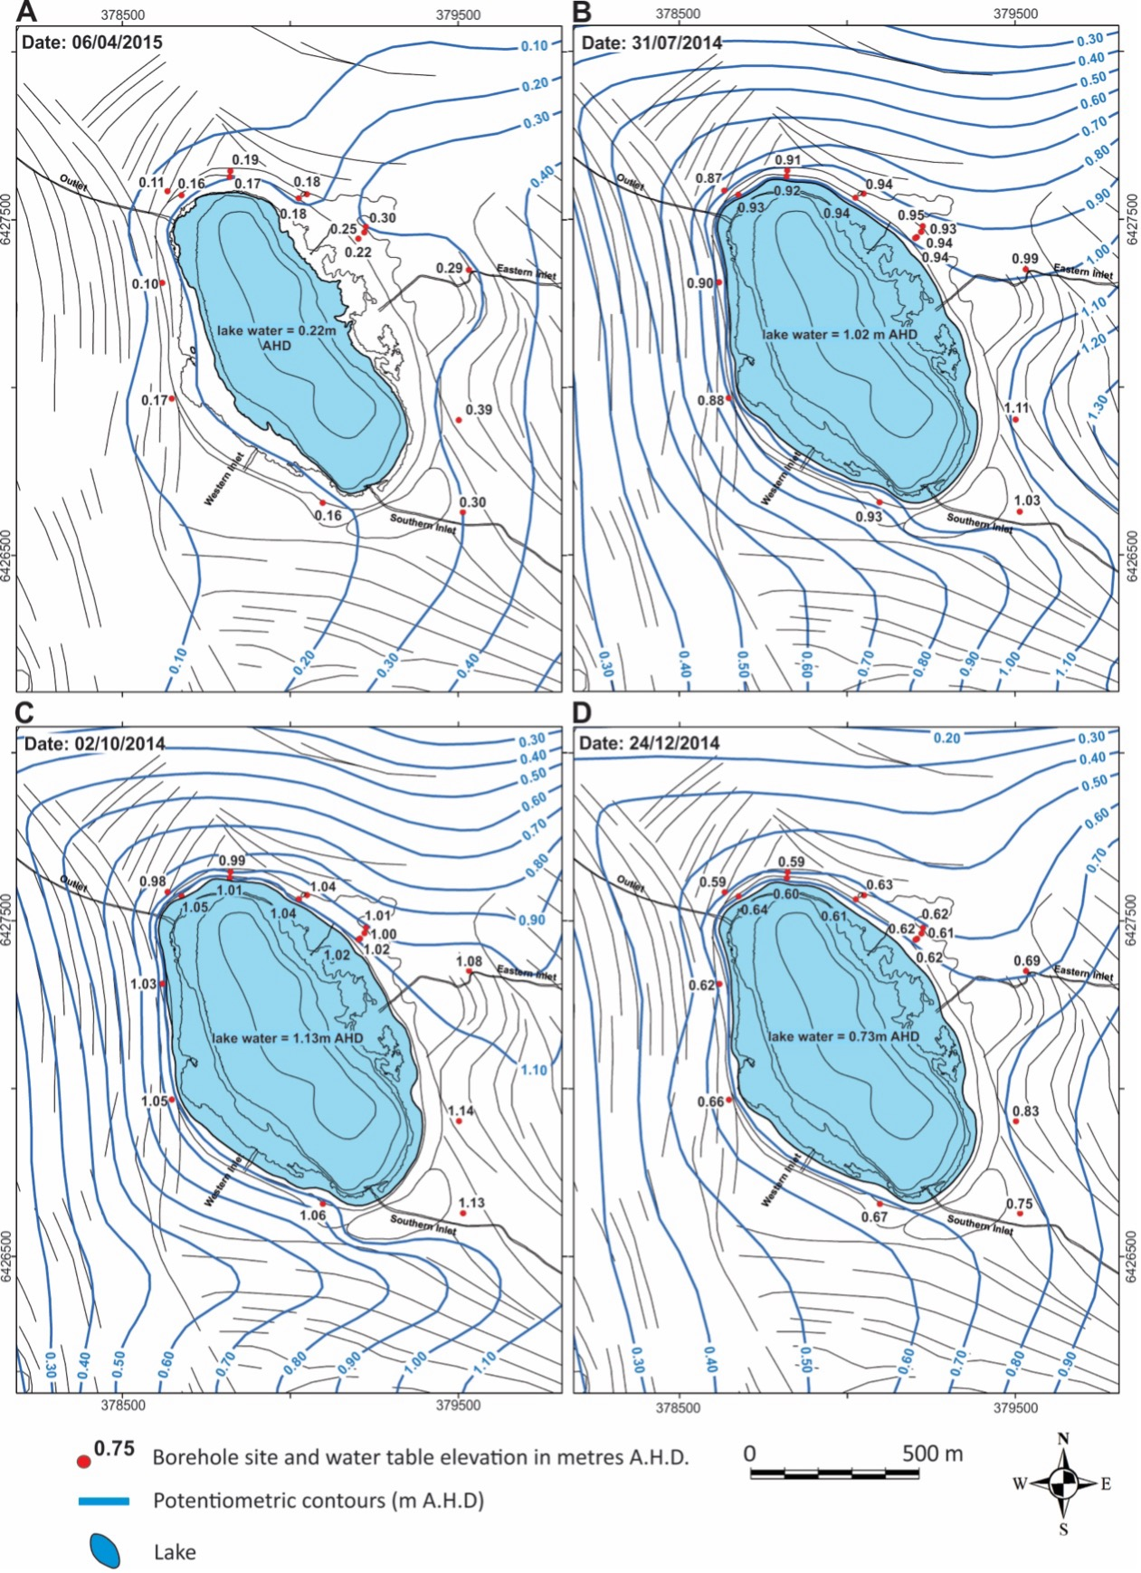
 | Picture 7 | Picture 10 A | Picture 10B | Picture10C | Picture 10D
N | EC | 2015-04-06 | 2014-07-31 | 2014-10-02 | 2014-12-21
6426964.5 | 0.8 | 0.17 | 0.88 | 1.05 | 0.66
6427310.5 |  | 0.1 | 0.9 | 1.03 | 0.62
6427586 | 1.1 | 0.11 | 0.87 | 0.98 | 0.59
6427574 |  | 0.16 | 0.93 | 1.05 | 0.64
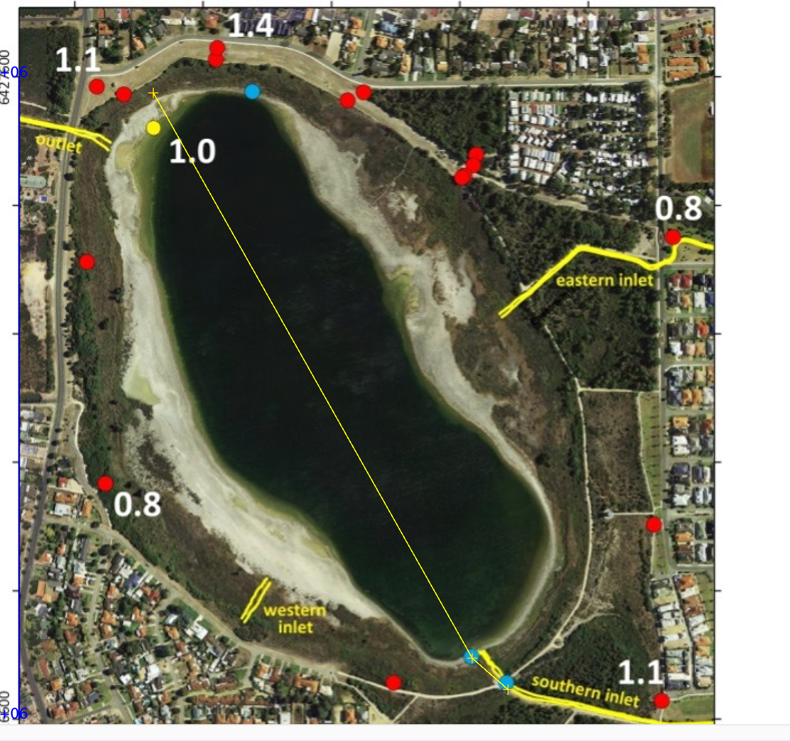
6427647 | 1.4 | 0.19 | 0.91 | 0.99 | 0.59
6427629.5 |  | 0.17 | 0.92 | 1.01 | 0.6
6427579 |  | 0.18 | 0.94 | 1.04 | 0.63
6427563.5 |  | 0.18 | 0.94 | 1.04 | 0.61
6427485 |  | 0.3 | 0.95 | 1.01 | 0.62
6427464 |  | 0.25 | 0.93 | 1 | 0.61
6427441 |  | 0.22 | 0.94 | 1.02 | 0.61
6427345 | 0.8 | 0.29 | 0.99 | 1.08 | 0.69
6426898.5 |  | 0.39 | 1.11 | 1.14 | 0.83
6426624.5 | 1.1 | 0.3 | 1.03 | 1.13 | 0.75
6426654 |  | 0.16 | 0.93 | 1.06 | 0.67

6427519.5 | 1

6427575.5
6426694
6426645.5

