Sheet2
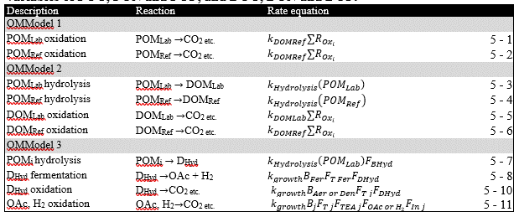
Description | Reaction | Rate equation | Group
POM~Lab~ oxidation | POM~Lab~ $\rightarrow$ CO~2~ etc. | *poml2dic ∑R~Oxi~* | OMModel 1
POM~Ref~ oxidation | POM~Ref~ $\rightarrow$ CO~2~ etc. | *pomr2dic ∑R~Oxi~* | OMModel 1
POM~Ref~ oxidation | POM~Ref~ $\rightarrow$ CO~2~ etc. | *pomspecial2dic ∑R~Oxi~* | OMModel 1
POMLab hydrolysis | POM~Lab~ $\rightarrow$ DOM~Lab~ | *pocl2docl (POC~L~)* | OMModel2
POMRef hydrolysis | POMRef $\rightarrow$ DOM~Ref~ | *pocr2docr (POC~R~)* | OMModel2
DOMLab oxidation | DOMLab $\rightarrow$ CO~2~ etc. | *docl2dic ∑R~Oxi~* | OMModel2
DOMRef oxidation | DOMRef $\rightarrow$ CO~2~ etc. | *docr2dic ∑R~Oxi~* | OMModel2
POMi hydrolysis | POMi $\rightarrow$ D~Hyd~ | k~POM i~ *(POM~i~)F~BHyd~* | OMModel 3
DHyd fermentation | DHyd $\rightarrow$ OAc + H~2~ | *k~growth~B~Fer~F~T~ ~Fer~F~DHyd~* | OMModel 3
DHyd oxidation | DHyd $\rightarrow$ CO~2~ etc. | *k~growth~B~Aer,Den~F~T~ ~j~ F~DHyd~* | OMModel 3
OAc, H2 oxidation | OAc, H2 $\rightarrow$ CO~2~ etc. | *k~growth~B~j~F~T~ ~j~ F~TEA~ ~j~F~OAc,H2~ F~In~ ~j~* | OMModel 3
POM oxidation | POM $\rightarrow$ CO~2~ etc. | *R~0~ e^(-$\beta$^ ^$\times$^ ^depth)^* | OMModel 4

