Sheet1
H1 |  |  |  |  |  |  |  | H2
Notes | Name | PINS |  | Name | Notes | Notes | Name | PINS |  | Name | Notes
DEBUG EPS | RX | 1 | 2 |  |  |  |  | 1 | 2 |  |  |  | Anten deployment switch | Vbat switch
DEBUG EPS | TX | 3 | 4 |  |  |  |  | 3 | 4
Başka görevlerde kullanılmış hafıza ve kontrolcü
Neden nor flash
Oscillator
Komponent Listesi hazırlanması
EPS genel tasarım
Driver circuit
Yüz kartları
5 deployment vbat switch
 |  | 5 | 6 |  |  |  |  | 5 | 6
 |  | 7 | 8 |  |  |  |  | 7 | 8 | SW5 | 12V
 |  | 9 | 10 |  |  |  | GND | 9 | 10 | SW6 | 12V
 |  | 11 | 12 |  |  | VBAT | SW7 | 11 | 12
 |  | 13 | 14 |  |  | 5V | SW4 | 13 | 14 | GND
 |  | 15 | 16 |  |  | 5V | SW3 | 15 | 16
 |  | 17 | 18 |  |  |  | GND | 17 | 18
 |  | 19 | 20 |  |  | 3.3V | SW1 | 19 | 20 | SW2 | 3.3V
 |  | 21 | 22 |  |  |  | GND | 21 | 22 | GND
 |  | 23 | 24 |  |  |  | 12V | 23 | 24 | 12V
 |  | 25 | 26 |  |  |  | 5V | 25 | 26 | 5V
 |  | 27 | 28 |  |  |  | 3.3V | 27 | 28 | 3.3V
 |  | 29 | 30 |  |  |  | GND | 29 | 30 | GND
 |  | 31 | 32 |  |  |  |  | 31 | 32 | GND
 |  | 33 | 34 |  |  | BATTERY | SCL | 33 | 34 | SDA | BATTERY
 |  | 35 | 36 |  |  | PCM_IN | BAT_IN | 35 | 36 | BAT_IN | PCM_IN
 |  | 37 | 38 |  |  |  |  | 37 | 38
 |  | 39 | 40 |  |  |  |  | 39 | 40
MAIN BUS | SDA | 41 | 42 |  |  | BCR_OUT | SOLAR_CH1 | 41 | 42 | SOLAR_CH2 | BCR_OUT | CSTB1 | https://www.eoportal.org/satellite-missions/cstb1#eop-quick-facts-section
MAIN BUS | SCL | 43 | 44 |  |  | BCR_OUT | SOLAR_CH3 | 43 | 44 | SOLAR_CH4 | BCR_OUT
 |  | 45 | 46 |  |  |  | VBAT | 45 | 46 | VBAT
 |  | 47 | 48 |  |  |  | GND | 47 | 48 | GND
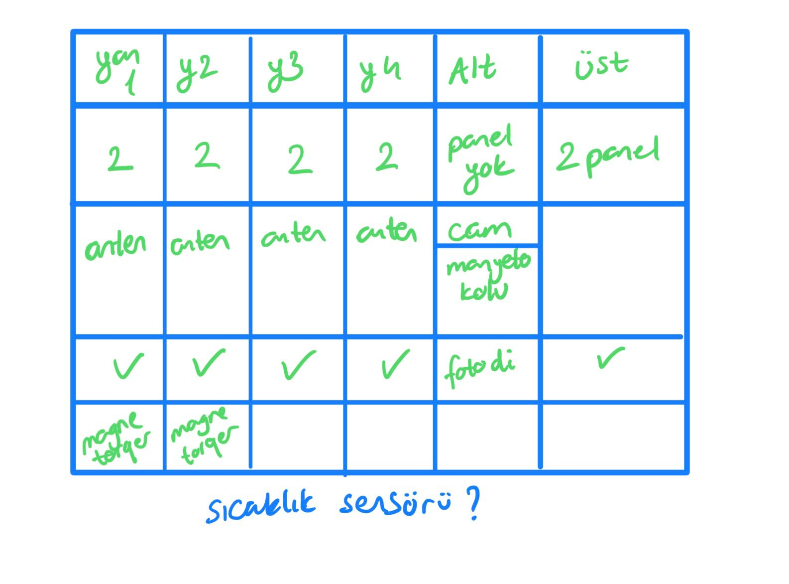
 |  | 49 | 50 |  |  |  |  | 49 | 50
 |  | 51 | 52 |  |  |  |  | 51 | 52

