Users
Module | Defect Description | Snapshot
Users | 1. Add User: For duplicate values like Email and contact, the warning/error message should be shown on the same form only. Currently it closes the form and shows the error message on main window. | 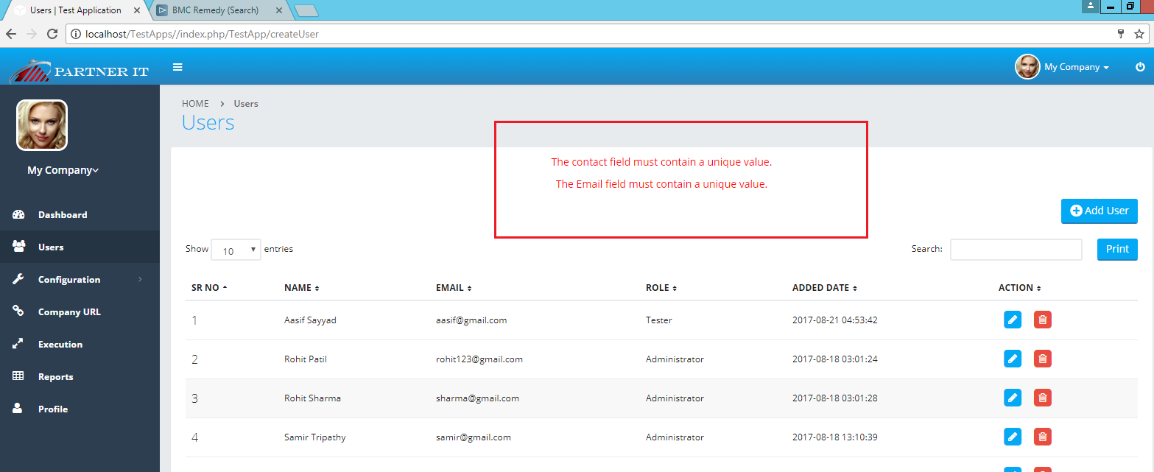
 | 2. Add new user and login with same user, throws exception. Then go back and hit ENTER, user gets logged in

Company URL
Module | Defect Description | Snapshot
Company URL | 1. On every pages, Add functionality location is above the records displayed. On Company page it should be on the same location, so will be consitent. | 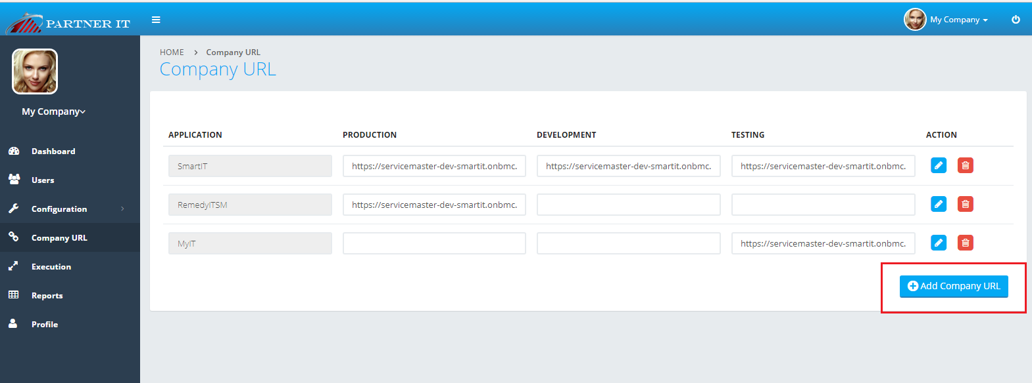
 | 2. On click on Delete confirmation message OK, throws error message And it doesn't get removed if switches among the pages | 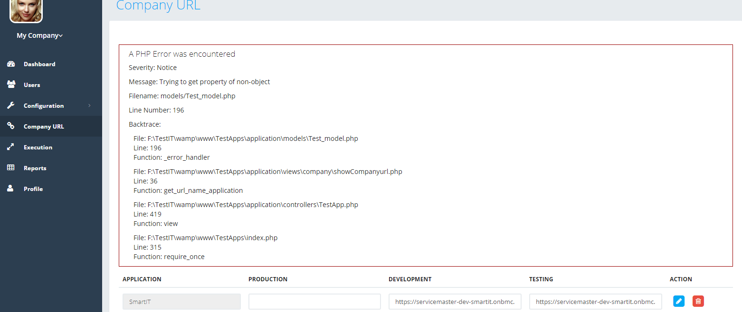

Execution
Module | Defect Description | Snapshot
Execution | 1. When the testcase application is not in collapsed form, the symbol should be + and when it is in collapsed form then is should be -. Currently it is vice versa. | 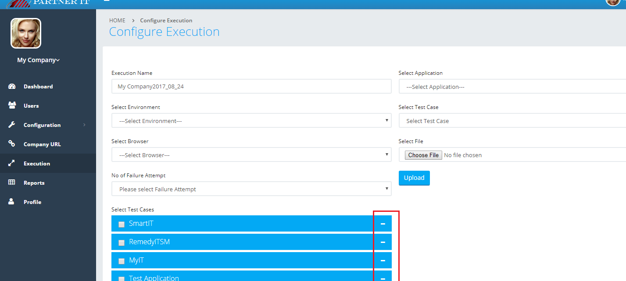
Execution | 2. Upload file is not working, doesn't give any error message(Tried with .Java, Excel file )

