Reconciliation
Transaction ID (SYSTEM A) | In System B? | Amount (A) | Amount (B) | Difference | Difference (Number) | Break Type | Match Rate | Total Breaks | Break Rate % | Total Absolute Difference | Largest Single Mismatch
TXN-1001 | TXN-1001 | 17,380.32 | 17,380.32 | 0.00 | 0.00 | Match | 86.666666667 | 8 | 13.333333333 | 12067.57 | 10722.66
TXN-1002 | TXN-1002 | 369,553.25 | 369,553.25 | 0.00 | 0.00 | Match
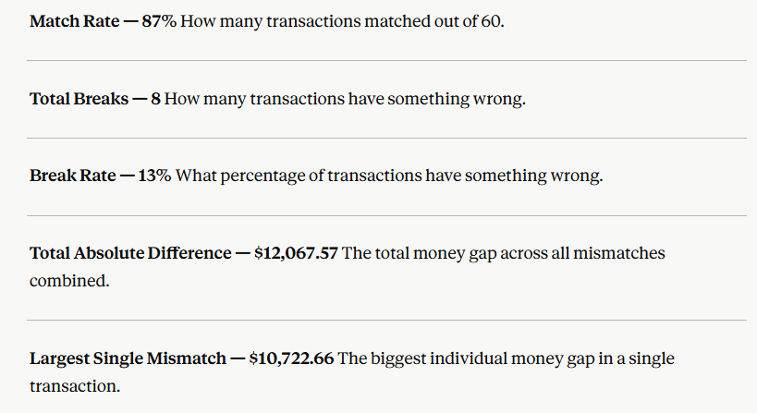
TXN-1003 | TXN-1003 | 213,851.30 | 213,851.30 | 0.00 | 0.00 | Match
TXN-1004 | TXN-1004 | 255,150.87 | 255,150.87 | 0.00 | 0.00 | Match
TXN-1005 | TXN-1005 | 212,662.31 | 212,449.65 | 212.66 | 212.66 | Amount Mismatch
TXN-1006 | TXN-1006 | 380,609.65 | 380,609.65 | 0.00 | 0.00 | Match
TXN-1007 | TXN-1007 | 81,962.35 | 81,962.35 | 0.00 | 0.00 | Match
TXN-1008 | MISSING | 52,874.61 | 0.00 | N/A | 0.00 | Missing
TXN-1009 | TXN-1009 | 366,217.23 | 366,217.23 | 0.00 | 0.00 | Match
TXN-1010 | TXN-1010 | 278,260.11 | 278,260.11 | 0.00 | 0.00 | Match
TXN-1011 | TXN-1011 | 100,182.85 | 100,182.85 | 0.00 | 0.00 | Match
TXN-1012 | TXN-1012 | 387,668.83 | 388,056.50 | -387.67 | -387.67 | Amount Mismatch
TXN-1013 | TXN-1013 | 142,596.93 | 142,596.93 | 0.00 | 0.00 | Match
TXN-1014 | TXN-1014 | 180,859.00 | 180,859.00 | 0.00 | 0.00 | Match
TXN-1015 | TXN-1015 | 306,519.85 | 306,519.85 | 0.00 | 0.00 | Match
TXN-1016 | TXN-1016 | 233,818.80 | 233,818.80 | 0.00 | 0.00 | Match
TXN-1017 | TXN-1017 | 422,211.70 | 422,211.70 | 0.00 | 0.00 | Match
TXN-1018 | TXN-1018 | 203,576.57 | 203,576.57 | 0.00 | 0.00 | Match
TXN-1019 | MISSING | 110,250.14 | 0.00 | N/A | 0.00 | Missing
TXN-1020 | TXN-1020 | 75,721.44 | 75,721.44 | 0.00 | 0.00 | Match
TXN-1021 | TXN-1021 | 135,057.10 | 135,057.10 | 0.00 | 0.00 | Match
TXN-1022 | TXN-1022 | 184,188.24 | 184,188.24 | 0.00 | 0.00 | Match
TXN-1023 | TXN-1023 | 379,112.17 | 379,491.28 | -379.11 | -379.11 | Amount Mismatch
TXN-1024 | TXN-1024 | 397,079.29 | 397,079.29 | 0.00 | 0.00 | Match
TXN-1025 | TXN-1025 | 193,901.55 | 193,901.55 | 0.00 | 0.00 | Match
TXN-1026 | TXN-1026 | 431,085.95 | 431,085.95 | 0.00 | 0.00 | Match
TXN-1027 | TXN-1027 | 376,684.51 | 376,684.51 | 0.00 | 0.00 | Match
TXN-1028 | TXN-1028 | 220,208.80 | 220,208.80 | 0.00 | 0.00 | Match
TXN-1029 | TXN-1029 | 382,171.29 | 382,171.29 | 0.00 | 0.00 | Match
TXN-1030 | TXN-1030 | 421,626.33 | 421,626.33 | 0.00 | 0.00 | Match
TXN-1031 | MISSING | 190,087.36 | 0.00 | N/A | 0.00 | Missing
TXN-1032 | TXN-1032 | 301,477.57 | 301,477.57 | 0.00 | 0.00 | Match
TXN-1033 | TXN-1033 | 439,967.33 | 439,967.33 | 0.00 | 0.00 | Match
TXN-1034 | TXN-1034 | 439,614.75 | 439,614.75 | 0.00 | 0.00 | Match
TXN-1035 | TXN-1035 | 489,102.32 | 489,102.32 | 0.00 | 0.00 | Match
TXN-1036 | TXN-1036 | 473,690.10 | 473,690.10 | 0.00 | 0.00 | Match
TXN-1037 | TXN-1037 | 214,453.28 | 225,175.94 | -10,722.66 | -10,722.66 | Amount Mismatch
TXN-1038 | TXN-1038 | 357,909.74 | 357,909.74 | 0.00 | 0.00 | Match
TXN-1039 | TXN-1039 | 228,485.64 | 228,485.64 | 0.00 | 0.00 | Match
TXN-1040 | TXN-1040 | 15,411.96 | 15,411.96 | 0.00 | 0.00 | Match
TXN-1041 | TXN-1041 | 8,559.47 | 8,559.47 | 0.00 | 0.00 | Match
TXN-1042 | TXN-1042 | 453,182.91 | 453,182.91 | 0.00 | 0.00 | Match
TXN-1043 | TXN-1043 | 142,846.25 | 142,846.25 | 0.00 | 0.00 | Match
TXN-1044 | TXN-1044 | 363,059.52 | 363,059.52 | 0.00 | 0.00 | Match
TXN-1045 | TXN-1045 | 393,386.62 | 393,386.62 | 0.00 | 0.00 | Match
TXN-1046 | TXN-1046 | 331,196.46 | 331,196.46 | 0.00 | 0.00 | Match
TXN-1047 | TXN-1047 | 432,599.19 | 432,599.19 | 0.00 | 0.00 | Match
TXN-1048 | TXN-1048 | 365,465.73 | 365,100.26 | 365.47 | 365.47 | Amount Mismatch
TXN-1049 | TXN-1049 | 270,461.45 | 270,461.45 | 0.00 | 0.00 | Match
TXN-1050 | TXN-1050 | 234,000.89 | 234,000.89 | 0.00 | 0.00 | Match
TXN-1051 | TXN-1051 | 30,041.22 | 30,041.22 | 0.00 | 0.00 | Match
TXN-1052 | TXN-1052 | 87,324.00 | 87,324.00 | 0.00 | 0.00 | Match
TXN-1053 | TXN-1053 | 451,709.22 | 451,709.22 | 0.00 | 0.00 | Match
TXN-1054 | TXN-1054 | 136,275.51 | 136,275.51 | 0.00 | 0.00 | Match
TXN-1055 | TXN-1055 | 332,626.30 | 332,626.30 | 0.00 | 0.00 | Match
TXN-1056 | TXN-1056 | 112,761.94 | 112,761.94 | 0.00 | 0.00 | Match
TXN-1057 | TXN-1057 | 375,247.90 | 375,247.90 | 0.00 | 0.00 | Match
TXN-1058 | TXN-1058 | 253,910.94 | 253,910.94 | 0.00 | 0.00 | Match
TXN-1059 | TXN-1059 | 44,655.18 | 44,655.18 | 0.00 | 0.00 | Match
TXN-1060 | TXN-1060 | 339,230.21 | 339,230.21 | 0.00 | 0.00 | Match

