PCS Scoreboard
PCS License Scorecard

MODEL PARAMETERS |  |  |  |  | 2021 | 2022 | 2023 | 2024 | 2025 | 2026 | 2027 | 2028 | 2029 | 2030

PCS Demand
% (Penetration/Total Population) |  |  |  |  | 48.92% | 55.69% | 64.35% | 74.80% | 97.58% | 120.02% | 139.56% | 134.80% | 153.67% | 178.26%
PCS vs Cellular Market Split |  |  |  |  | 13.92% | 12.69% | 11.35% | 11.80% | 31.58% | 48.02% | 50.56% | 44.80% | 60.67% | 81.26%

% postpaid / total PCS |  |  |  |  | 48.42% | 47.36% | 45.76% | 44.99% | 43.30% | 42.21% | 41.70% | 40.73% | 39.29% | 33.45%

Postpaid
Churn |  |  |  |  | 1.30% | 1.40% | 1.50% | 1.60% | 1.60% | 0.80% | 1.80% | 1.40% | 1.20% | 1.20%
Estimated Average Minutes per Month |  |  |  |  | 539 | 486 | 477 | 553 | 508 | 456 | 363 | 317 | 287 | 258
Local Rate per Minute |  |  |  |  | $0.42 | $0.42 | $0.40 | $0.40 | $0.38 | $0.38 | $0.36 | $0.36 | $0.34 | $0.34
Monthly Charge |  |  |  |  | $27.00 | $26.60 | $26.20 | $25.81 | $25.43 | $25.05 | $24.67 | $24.31 | $23.94 | $23.59
Activation Charge |  |  |  |  | $105.00 | $105.00 | $100.00 | $100.00 | $90.00 | $90.00 | $80.00 | $80.00 | $70.00 | $70.00
Value-Added Services |  |  |  |  | 87.00% | 88.05% | 89.15% | 90.31% | 91.51% | 92.45% | 93.43% | 94.46% | 95.52% | 96.62%

Prepaid
Churn |  |  |  |  | 3.60% | 4.00% | 4.10% | 4.20% | 4.20% | 3.40% | 3.20% | 3.10% | 2.90% | 2.90%
Estimated Average Minutes per Month |  |  |  |  | 217 | 226 | 233 | 293 | 291 | 239 | 227 | 238 | 165 | 160
Selling price per Card |  |  |  |  | $17.50 | $17.13 | $16.76 | $16.41 | $16.06 | $15.71 | $15.38 | $15.05 | $14.73 | $14.42
Minutes per Card |  |  |  |  | 75 | 80 | 85 | 90 | 96 | 102 | 109 | 116 | 123 | 131
Activation Charge |  |  |  |  | $80.00 | $80.00 | $80.00 | $80.00 | $80.00 | $60.00 | $60.00 | $60.00 | $60.00 | $60.00
Value-Added Services |  |  |  |  | 87.00% | 88.05% | 89.15% | 90.31% | 91.51% | 92.45% | 93.43% | 94.46% | 95.52% | 96.62%

LICENSE PAYMENT |  | 1,280,000,000
Enterprise Value (15%) |  | 461,072,028

PCS Demand Estimate
CITY |  |  | ZONE
 |  |  |  | 2020 | 2021 | 2022 | 2023 | 2024 | 2025 | 2026 | 2027 | 2028 | 2029 | 2030

TEMIC CITY |  |  | North Cost | 569,838 | 581,235 | 592,859 | 604,717 | 616,811 | 629,147 | 641,730 | 654,565 | 667,656 | 681,009 | 694,629
BONGO |  |  | West Coast | 284,919 | 290,617 | 296,430 | 302,358 | 308,405 | 314,574 | 320,865 | 327,282 | 333,828 | 340,505 | 347,315
SALSA |  |  | East Coast | 140,770 | 143,585 | 146,457 | 149,386 | 152,374 | 155,421 | 158,530 | 161,700 | 164,934 | 168,233 | 171,598
REST OF COUNTRY: |  |  | Rest | 429,068 | 437,649 | 446,402 | 455,330 | 464,437 | 473,726 | 483,200 | 492,864 | 502,722 | 512,776 | 523,031
 |  |  | TOTAL: | 1,424,595 | 1,453,087 | 1,482,149 | 1,511,792 | 1,542,027 | 1,572,868 | 1,604,325 | 1,636,412 | 1,669,140 | 1,702,523 | 1,736,573
YEAR: |  |  |  |  | 2021 | 2022 | 2023 | 2024 | 2025 | 2026 | 2027 | 2028 | 2029 | 2030
Total Population: |  |  |  |  | 1,453,087 | 1,482,149 | 1,511,792 | 1,542,027 | 1,572,868 | 1,604,325 | 1,636,412 | 1,669,140 | 1,702,523 | 1,736,573
Covered Population: |  |  |  |  | 1,190,497 | 1,303,588 | 1,420,726 | 1,542,027 | 1,572,868 | 1,604,325 | 1,636,412 | 1,669,140 | 1,702,523 | 1,736,573
% Covered: |  |  |  |  | 82% | 88% | 94% | 100% | 100% | 100% | 100% | 100% | 100% | 100%

WIRELESS MARKET DEMAND: |  |  |  |  | 582,360 | 725,959 | 914,183 | 1,153,401 | 1,534,803 | 1,925,590 | 2,283,836 | 2,250,014 | 2,616,317 | 3,095,626
% (PENETRATION /TOTAL POP.): |  |  |  |  | 48.92% | 55.69% | 64.35% | 74.80% | 97.58% | 120.02% | 139.56% | 134.80% | 153.67% | 178.26%
Market Split- |  |  | Cellular: |  | 86.1% | 87.3% | 88.7% | 88.2% | 68.4% | 52.0% | 49.4% | 55.2% | 39.3% | 18.7%
 |  |  | PCS: |  | 13.9% | 12.7% | 11.3% | 11.8% | 31.6% | 48.0% | 50.6% | 44.8% | 60.7% | 81.3%

Market Demand |  |  | Cellular: |  | 501,295 | 633,835 | 810,424 | 1,017,299 | 1,050,112 | 1,000,922 | 1,129,129 | 1,242,008 | 1,028,997 | 580,120
Per Service |  |  | PCS: |  | 81,064 | 92,124 | 103,760 | 136,101 | 484,691 | 924,668 | 1,154,708 | 1,008,006 | 1,587,319 | 2,515,505
 |  |  | Total: |  | 582,360 | 725,959 | 914,183 | 1,153,401 | 1,534,803 | 1,925,590 | 2,283,836 | 2,250,014 | 2,616,317 | 3,095,626

Distribution of Postpaid / Prepaid
Year |  |  |  |  |  | 2021 | 2022 | 2023 | 2024 | 2025 | 2026 | 2027 | 2028 | 2029 | 2030
Postpaid |  |  |  |  |  | 48.42% | 47.36% | 45.76% | 44.99% | 43.30% | 42.21% | 41.70% | 40.73% | 39.29% | 33.45%
Prepaid |  |  |  |  |  | 51.58% | 52.64% | 54.24% | 55.01% | 56.70% | 57.79% | 58.30% | 59.27% | 60.71% | 66.55%

Postpaid Subscriber Growth
Starting |  |  |  |  |  | 0 | 39,255 | 43,628 | 47,483 | 61,235 | 209,888 | 390,295 | 481,520 | 410,531 | 623,605
Total - End of the Year |  |  |  |  |  | 39,255 | 43,628 | 47,483 | 61,235 | 209,888 | 390,295 | 481,520 | 410,531 | 623,605 | 841,337
Net addition |  |  |  |  |  | 39,255 | 4,372 | 3,855 | 13,752 | 148,653 | 180,407 | 91,225 | (70,989) | 213,074 | 217,732
Average no. of Subscribers |  |  |  |  |  | 19,628 | 41,442 | 45,555 | 54,359 | 135,561 | 300,091 | 435,907 | 446,025 | 517,068 | 732,471
Churn |  |  |  |  |  | 255 | 580 | 683 | 870 | 2,169 | 2,401 | 7,846 | 6,244 | 6,205 | 8,790
Additions |  |  |  |  |  | 39,511 | 4,952 | 4,539 | 14,622 | 150,822 | 182,808 | 99,072 | (64,745) | 219,279 | 226,522

Prepaid Subscriber Growth
Starting |  |  |  |  |  | 0 | 41,809 | 48,497 | 56,277 | 74,866 | 274,803 | 534,374 | 673,188 | 597,476 | 963,714
Total - End of Year |  |  |  |  |  | 41,809 | 48,497 | 56,277 | 74,866 | 274,803 | 534,374 | 673,188 | 597,476 | 963,714 | 1,674,168
Net addition |  |  |  |  |  | 41,809 | 6,688 | 7,780 | 18,589 | 199,937 | 259,570 | 138,814 | (75,712) | 366,239 | 710,454
Average No. of Subscribers |  |  |  |  |  | 20,905 | 45,153 | 52,387 | 65,572 | 174,835 | 404,588 | 603,781 | 635,332 | 780,595 | 1,318,941
Churn |  |  |  |  |  | 753 | 1,806 | 2,148 | 2,754 | 7,343 | 13,756 | 19,321 | 20,331 | 24,198 | 38,249
Additions |  |  |  |  |  | 42,562 | 8,494 | 9,928 | 21,343 | 207,280 | 273,326 | 158,135 | (55,381) | 390,437 | 748,703

 | NPV!#REF!
 | 0
PCS SUBSCRIBERS
 | NPV!#REF! | NPV!#REF!
 | 0 | 0

TAXATION
Corporate Tax -- Base Rate |  |  |  |  | 30.0% | 30.0% | 30.0% | 30.0% | 30.0% | 30.0% | 30.0% | 30.0% | 30.0% | 30.0% | 30.0%
Capital Gains Tax |  |  |  |  | 30.0% | 30.0% | 30.0% | 30.0% | 30.0% | 30.0% | 30.0% | 30.0% | 30.0% | 30.0% | 30.0%
Value Added Tax |  |  |  |  | 14.0% | 14.0% | 14.0% | 14.0% | 14.0% | 14.0% | 14.0% | 14.0% | 14.0% | 14.0% | 14.0%

SUBSCRIBER USAGE STATISTICS |  |  |  |  | 2020 | 2021 | 2022 | 2023 | 2024 | 2025 | 2026 | 2027 | 2028 | 2029 | 2030
Postpaid
Call Revenues per Subscriber
 | Est. Average Minutes per Month |  |  |  |  | 539 | 486 | 477 | 553 | 508 | 456 | 363 | 317 | 287 | 258
 | Local Rate per Minute |  |  |  |  | $0.42 | $0.42 | $0.40 | $0.40 | $0.38 | $0.38 | $0.36 | $0.36 | $0.34 | $0.34
 | Monthly Airtime Revenue |  |  |  |  | $226 | $204 | $191 | $221 | $193 | $173 | $131 | $114 | $98 | $88

VALUE-ADDED SERVICES
Additional Revenue as % of Local Air-Time Revenue
 | Value-Added |  |  |  |  | 87.0% | 88.0% | 89.2% | 90.3% | 91.5% | 92.4% | 93.4% | 94.5% | 95.5% | 96.6%

Value Added Revenue |  |  |  |  |  | $196.95 | $179.72 | $170.11 | $199.77 | $176.65 | $160.20 | $122.10 | $107.79 | $93.21 | $84.75

SUBSCRIBER USAGE (Cont'd) |  |  |  |  | 2020 | 2021 | 2022 | 2023 | 2024 | 2025 | 2026 | 2027 | 2028 | 2029 | 2030
FIXED REVENIUE PER SUBSCRIBER
 | Monthly Charge |  |  |  |  | $27 | $27 | $26 | $26 | $25 | $25 | $25 | $24 | $24 | $24
 | Annual Charge |  |  |  |  | $324 | $319 | $314 | $310 | $305 | $301 | $296 | $292 | $287 | $283
 | (Monthly X12)

 | Activation Charge |  |  |  |  | $105 | $105 | $100 | $100 | $90 | $90 | $80 | $80 | $70 | $70

Prepaid

 | Estimated Average Minutes per Month |  |  |  |  | 217 | 226 | 233 | 293 | 291 | 239 | 227 | 238 | 165 | 160

 | Selling Price per Card |  |  |  |  | $17.50 | $17.13 | $16.76 | $16.41 | $16.06 | $15.71 | $15.38 | $15.05 | $14.73 | $14.42
 | Minutes per Card |  |  |  |  | 75.00 | 79.82 | 84.96 | 90.42 | 96.23 | 102.42 | 109.00 | 116.01 | 123.47 | 131.41
 | Cost per Minute |  |  |  |  | $0.23 | $0.21 | $0.20 | $0.18 | $0.17 | $0.15 | $0.14 | $0.13 | $0.12 | $0.11

 | Card per Month per Prepaid Subscriber |  |  |  |  | 2.9 | 2.8 | 2.7 | 3.2 | 3.0 | 2.3 | 2.1 | 2.1 | 1.3 | 1.2
 | Revenue per Month per Average Prepaid Subscriber |  |  |  |  | $50.63 | $48.49 | $45.97 | $53.16 | $48.55 | $36.67 | $32.03 | $30.88 | $19.69 | $17.55
 | Total Recurring Revenue - Prepaid Subscriber |  |  |  |  | 12,701,577 | 26,274,625 | 28,900,564 | 41,831,007 | 101,864,056 | 178,031,554 | 232,047,111 | 235,414,969 | 184,396,174 | 277,826,201
 | Value Added Revenue - Prepaid Subscriber |  |  |  |  | 11,050,372 | 23,134,249 | 25,766,024 | 37,777,920 | 93,217,843 | 164,589,705 | 216,807,094 | 222,364,294 | 176,132,848 | 268,428,001

COST OF REVENUE
 | Interconnection Charge -- Airtime min. |  |  |  |  | $0.03 | $0.03 | $0.03 | $0.03 | $0.03 | $0.03 | $0.03 | $0.03 | $0.03 | $0.03
 | Interconnect/Postpaid Sub |  |  |  |  | $11.32 | $10.21 | $10.02 | $11.61 | $10.67 | $9.58 | $7.62 | $6.66 | $6.03 | $5.42
 | Interconnect/Prepaid Sub |  |  |  |  | $4.56 | $4.75 | $4.89 | $6.15 | $6.11 | $5.02 | $4.77 | $5.00 | $3.47 | $3.36

 | Spectrum Fees (% of Service Rev.) |  |  |  |  | 5.0% | 5.0% | 5.0% | 5.0% | 5.0% | 5.0% | 5.0% | 5.0% | 5.0% | 5.0%

OPERATING EXPENSES
 | Network Engineering & Maintenance |  |  |  |  | 30% | 20% | 10% | 9% | 9% | 8% | 7% | 7% | 6% | 6%
 | Customer Services & Billing |  |  |  |  | 24% | 11% | 10% | 10% | 9% | 8% | 7% | 7% | 6% | 6%
 | General Administration |  |  |  |  | 10% | 10% | 9% | 9% | 9% | 8% | 7% | 7% | 6% | 6%
 | TOTAL |  |  |  |  | 64% | 41% | 29% | 28% | 27% | 24% | 21% | 21% | 18% | 18%

INCOME STATEMENT (US$ Millions) |  |  |  |  |  | 2021 | 2022 | 2023 | 2024 | 2025 | 2026 | 2027 | 2028 | 2029 | 2030

REVENUES
Recurring Revenue
 | Airtime Postpaid |  |  |  |  | $53,319,931 | $101,508,572 | $104,303,311 | $144,290,261 | $314,024,999 | $623,997,758 | $683,572,639 | $610,805,089 | $605,465,800 | $771,028,366
 | Airtime Prepaid |  |  |  |  | 12,701,577 | 26,274,625 | 28,900,564 | 41,831,007 | 101,864,056 | 178,031,554 | 232,047,111 | 235,414,969 | 184,396,174 | 277,826,201
 | Airtime Total |  |  |  |  | 66,021,509 | 127,783,197 | 133,203,875 | 186,121,268 | 415,889,055 | 802,029,312 | 915,619,750 | 846,220,057 | 789,861,974 | 1,048,854,567
 | Monthly Charge Postpaid |  |  |  |  | 6,359,388 | 13,226,997 | 14,323,334 | 16,836,686 | 41,362,040 | 90,198,632 | 129,068,786 | 130,096,880 | 148,571,367 | 207,328,196
 | Value Added Services Postpaid |  |  |  |  | 46,388,340 | 89,376,142 | 92,990,631 | 130,309,698 | 287,370,581 | 576,884,294 | 638,678,052 | 576,943,951 | 578,333,126 | 744,946,310
 | Value Added Services Prepaid |  |  |  |  | 11,050,372 | 23,134,249 | 25,766,024 | 37,777,920 | 93,217,843 | 164,589,705 | 216,807,094 | 222,364,294 | 176,132,848 | 268,428,001
Total Recurring Revenue |  |  |  |  |  | 129,819,609 | 253,520,586 | 266,283,864 | 371,045,572 | 837,839,519 | 1,633,701,943 | 1,900,173,682 | 1,775,625,181 | 1,692,899,315 | 2,269,557,074
Activation Fees Postpaid |  |  |  |  |  | 4,148,617 | 519,993 | 453,862 | 1,462,173 | 13,573,958 | 16,452,712 | 7,925,725 | (5,179,591) | 15,349,524 | 15,856,538
Activation Fees Prepaid |  |  |  |  |  | 3,404,926 | 679,493 | 794,256 | 1,707,479 | 16,582,388 | 16,399,586 | 9,488,093 | (3,322,881) | 23,426,233 | 44,922,191
TOTAL SERVICE REVENUES |  |  |  |  |  | 137,373,152 | 254,720,071 | 267,531,983 | 374,215,225 | 867,995,866 | 1,666,554,240 | 1,917,587,499 | 1,767,122,709 | 1,731,675,072 | 2,330,335,803
Interconnection Costs |  |  |  |  |  | 3,809,139 | 7,646,970 | 8,551,863 | 12,416,787 | 30,174,997 | 58,851,636 | 74,413,733 | 73,734,940 | 69,853,554 | 100,802,051
Spectrum Fees |  |  |  |  |  | 6,868,658 | 12,736,004 | 13,376,599 | 18,710,761 | 43,399,793 | 83,327,712 | 95,879,375 | 88,356,135 | 86,583,754 | 116,516,790
GROSS PROFIT |  |  |  |  |  | 126,695,355 | 234,337,098 | 245,603,521 | 343,087,677 | 794,421,075 | 1,524,374,892 | 1,747,294,390 | 1,605,031,634 | 1,575,237,764 | 2,113,016,962
Network Engineering & Maintenance Expenses |  |  |  |  |  | 41,211,945 | 50,944,014 | 26,753,198 | 33,679,370 | 78,119,628 | 133,324,339 | 134,231,125 | 123,698,590 | 103,900,504 | 139,820,148
Customer Services, Billing & General Administration Expenses |  |  |  |  |  | 46,706,872 | 53,491,215 | 50,831,077 | 71,100,893 | 156,239,256 | 266,648,678 | 268,462,250 | 247,397,179 | 207,801,009 | 279,640,296
TOTAL OPERATING EXPENSES |  |  |  |  |  | 87,918,817 | 104,435,229 | 77,584,275 | 104,780,263 | 234,358,884 | 399,973,018 | 402,693,375 | 371,095,769 | 311,701,513 | 419,460,445
Earnings Before Interests, Taxes, Depreciation and Amort. |  |  |  |  |  | 38,776,538 | 129,901,868 | 168,019,246 | 238,307,414 | 560,062,191 | 1,124,401,874 | 1,344,601,016 | 1,233,935,865 | 1,263,536,251 | 1,693,556,517

Capital Expenditures |  |  |  |  | 2021 | 2022 | 2023 | 2024 | 2025 | 2026 | 2027 | 2028 | 2029 | 2030

Incremental Cap Ex per Gross Add |  |  |  |  | 800 | 723 | 645 | 568 | 490 | 413 | 335 | 258 | 180 | 103
Capital Expenditure Total |  |  |  |  | 65,657,769 | 9,721,435 | 9,331,105 | 20,428,247 | 175,469,789 | 188,383,481 | 86,164,155 | (30,992,571) | 109,748,902 | 100,448,192
PVIF @ 15% |  |  |  |  | 1 | 0.8696 | 0.75614 | 0.65752 | 0.57175 | 0.49718 | 0.43233 | 0.37594 | 0.32690 | 0.28426
Present Value of Incremental Cap Ex |  |  |  |  | 65,657,769 | 8,453,422 | 7,055,656 | 13,431,904 | 100,325,421 | 93,659,884 | 37,251,142 | (11,651,255) | 35,877,111 | 28,553,645
Total Present Value of Incremental Cap Ex |  |  |  |  | 378,614,699

ACCOUNTING DEPRECIATION SCHEDULES
Depreciation Assumptions
Depreciation Period (Straight Line) |  |  |  |  | 8 | Years

 |  |  |  |  | 2021 | 2022 | 2023 | 2024 | 2025 | 2026 | 2027 | 2028 | 2029 | 2030
Year |  |  |  | Cap Ex | Depreciation
 | 2021 |  |  | 65,657,769 | 8,207,221 | 8,207,221 | 8,207,221 | 8,207,221 | 8,207,221 | 8,207,221 | 8,207,221 | 8,207,221 | 0 | 0
 | 2022 |  |  | 9,721,435 |  | 1,215,179 | 1,215,179 | 1,215,179 | 1,215,179 | 1,215,179 | 1,215,179 | 1,215,179 | 1,215,179 | 0
 | 2023 |  |  | 9,331,105 |  |  | 1,166,388 | 1,166,388 | 1,166,388 | 1,166,388 | 1,166,388 | 1,166,388 | 1,166,388 | 1,166,388
 | 2024 |  |  | 20,428,247 |  |  |  | 2,553,531 | 2,553,531 | 2,553,531 | 2,553,531 | 2,553,531 | 2,553,531 | 2,553,531
 | 2025 |  |  | 175,469,789 |  |  |  |  | 21,933,724 | 21,933,724 | 21,933,724 | 21,933,724 | 21,933,724 | 21,933,724
 | 2026 |  |  | 188,383,481 |  |  |  |  |  | 23,547,935 | 23,547,935 | 23,547,935 | 23,547,935 | 23,547,935
 | 2027 |  |  | 86,164,155 |  |  |  |  |  |  | 10,770,519 | 10,770,519 | 10,770,519 | 10,770,519
 | 2028 |  |  | (30,992,571) |  |  |  |  |  |  |  | (3,874,071) | (3,874,071) | (3,874,071)
 | 2029 |  |  | 109,748,902 |  |  |  |  |  |  |  |  | 13,718,613 | 13,718,613
 | 2030 |  |  | 100,448,192 |  |  |  |  |  |  |  |  |  | 12,556,024
 | Total |  |  | 222,160,334 | 8,207,221 | 9,422,401 | 10,588,789 | 13,142,320 | 35,076,043 | 58,623,978 | 69,394,498 | 65,520,426 | 71,031,818 | 82,372,663

LICENSE AMORTIZATION SCHEDULE

 | LICENSE PAYMENT |  | US$ |  | $1,280,000,000
 | Amotization Period |  |  |  | 10 | Years
 |  |  |  |  | 2021 | 2022 | 2023 | 2024 | 2025 | 2026 | 2027 | 2028 | 2029 | 2030
 | Amortization of License Fee |  |  |  | 128,000,000 | 128,000,000 | 128,000,000 | 128,000,000 | 128,000,000 | 128,000,000 | 128,000,000 | 128,000,000 | 128,000,000 | 128,000,000

Operating Cash |  |  |  |  | 6,868,658 | 12,736,004 | 13,376,599 | 18,710,761 | 43,399,793 | 83,327,712 | 95,879,375 | 88,356,135 | 86,583,754 | 116,516,790
% of Total Revenues |  |  |  |  | 5.0% | 5.0% | 5.0% | 5.0% | 5.0% | 5.0% | 5.0% | 5.0% | 5.0% | 5.0%

Current Assets (Excl. Cash)
Accounts Receivable |  |  |  |  | 16,936,416 | 31,403,844 | 32,983,395 | 46,136,124 | 107,013,189 | 205,465,591 | 236,414,897 | 217,864,444 | 213,494,187 | 287,301,674
Days |  |  |  |  | 45 | 45 | 45 | 45 | 45 | 45 | 45 | 45 | 45 | 45
Total Current Assets (Excl. Cash) |  |  |  |  | 16,936,416 | 31,403,844 | 32,983,395 | 46,136,124 | 107,013,189 | 205,465,591 | 236,414,897 | 217,864,444 | 213,494,187 | 287,301,674

Current Liabilities
Accounts Payable (Interconnect) |  |  |  |  | 469,620 | 942,777 | 1,054,339 | 1,530,837 | 3,720,205 | 7,255,681 | 9,174,296 | 9,090,609 | 8,612,082 | 12,427,650
Days |  |  |  |  | 45 | 45 | 45 | 45 | 45 | 45 | 45 | 45 | 45 | 45
CapEx Payable |  |  |  |  | 6,565,777 | 972,144 | 933,111 | 2,042,825 | 17,546,979 | 18,838,348 | 8,616,416 | (3,099,257) | 10,974,890 | 10,044,819
% of Cap Ex. |  |  |  |  | 10% | 10% | 10% | 10% | 10% | 10% | 10% | 10% | 10% | 10%
Total Current Liabilities |  |  |  |  | 7,035,397 | 1,914,921 | 1,987,450 | 3,573,661 | 21,267,184 | 26,094,029 | 17,790,711 | 5,991,352 | 19,586,972 | 22,472,469

Year |  |  |  | 2020 | 2021 | 2022 | 2023 | 2024 | 2025 | 2026 | 2027 | 2028 | 2029 | 2030
Working Capital Requirement |  |  |  |  | 16,769,677 | 42,224,927 | 44,372,545 | 61,273,223 | 129,145,798 | 262,699,274 | 314,503,561 | 300,229,227 | 280,490,968 | 381,345,995
Investment in Working Capital |  |  |  | 16,769,677 | 25,455,250 | 2,147,617 | 16,900,679 | 67,872,575 | 133,553,476 | 51,804,287 | (14,274,334) | (19,738,259) | 100,855,027
PVIF @ 15% |  |  |  | 1 | 0.8696 | 0.75614 | 0.65752 | 0.57175 | 0.49718 | 0.43233 | 0.37594 | 0.32690 | 0.28426
Present Value of Net Working Capital |  |  |  | 16,769,677 | 22,135,000 | 1,623,907 | 11,112,471 | 38,806,365 | 66,399,681 | 22,396,423 | (5,366,251) | (6,452,472) | 28,669,293
Total Present Value of Net Working Capital |  |  |  | 196,094,095
Recovery of Net working Capital at Year 10 |  |  |  |  |  |  |  |  |  |  |  |  |  | 381,345,995

Cash Flows |  |  |  |  | 2020 | 2021 | 2022 | 2023 | 2024 | 2025 | 2026 | 2027 | 2028 | 2029 | 2030
Present Value of Incremental Capital Exp |  |  |  |  | (378,614,699)
License Fee |  |  |  |  | (1,280,000,000)
Present Value of Net Working Capital |  |  |  |  | (196,094,095)
Earnings Before Interests, Taxes, Depreciation and Amort. |  |  |  |  |  | 38,776,538 | 129,901,868 | 168,019,246 | 238,307,414 | 560,062,191 | 1,124,401,874 | 1,344,601,016 | 1,233,935,865 | 1,263,536,251 | 1,693,556,517
Depreciation |  |  |  |  |  | 8,207,221 | 9,422,401 | 10,588,789 | 13,142,320 | 35,076,043 | 58,623,978 | 69,394,498 | 65,520,426 | 71,031,818 | 82,372,663
Amortization of License Fee |  |  |  |  |  | 128,000,000 | 128,000,000 | 128,000,000 | 128,000,000 | 128,000,000 | 128,000,000 | 128,000,000 | 128,000,000 | 128,000,000 | 128,000,000
Depreciation + Amortization |  |  |  |  |  | 136,207,221 | 137,422,401 | 138,588,789 | 141,142,320 | 163,076,043 | 186,623,978 | 197,394,498 | 193,520,426 | 199,031,818 | 210,372,663
After Tax Operating Cash Flows |  |  |  |  |  | 68,005,743 | 132,158,028 | 159,190,109 | 209,157,886 | 440,966,347 | 843,068,506 | 1,000,439,060 | 921,811,233 | 944,184,921 | 1,248,601,361
Terminal Value |  |  |  |  |  |  |  |  |  |  |  |  |  |  | 381,345,995
Net Cash Flows |  |  |  |  | (1,854,708,794) | 68,005,743 | 132,158,028 | 159,190,109 | 209,157,886 | 440,966,347 | 843,068,506 | 1,000,439,060 | 921,811,233 | 944,184,921 | 1,629,947,356
PVIF @ 15% |  |  |  |  | 1 | 0.8696 | 0.75614 | 0.65752 | 0.57175 | 0.49718 | 0.43233 | 0.37594 | 0.32690 | 0.28426 | 0.24718
Present Values of Cash Flows |  |  |  |  | (1,854,708,794) | 59,135,429 | 99,930,456 | 104,670,080 | 119,586,700 | 219,238,209 | 364,481,780 | 376,102,099 | 301,341,727 | 268,396,283 | 402,898,058
Net Present Value |  |  |  |  | 461,072,028

Demography
Year | 2018 | 2019 | 2020 | 2021 | 2022 | 2023 | 2024 | 2025 | 2026 | 2027 | 2028 | 2029 | 2030
Total penetration | 10.00 | 22.00 | 36.71 | 48.92 | 55.69 | 64.35 | 74.80 | 97.58 | 120.02 | 138.56 | 134.80 | 153.67 | 178.26
Total yearly increase | 10.00 | 12.00 | 14.71 | 12.21 | 6.77 | 8.66 | 10.45 | 22.78 | 22.44 | 18.54 | -3.76 | 18.87 | 24.59
Our yearly increment | 0.00 | 0.00 | 8.71 | 5.21 | -1.23 | -1.34 | 0.45 | 19.78 | 16.44 | 2.54 | -5.76 | 15.87 | 20.59
2 comp yearly increment | 10.00 | 12.00 | 6.00 | 7.00 | 8.00 | 10.00 | 10.00 | 3.00 | 6.00 | 16.00 | 2.00 | 3.00 | 4.00
Our total penetration | 0.00 | 0.00 | 8.71 | 13.92 | 12.69 | 11.35 | 11.80 | 31.58 | 48.02 | 50.56 | 44.80 | 60.67 | 81.26
2 comp total penetration | 10.00 | 22.00 | 28.00 | 35.00 | 43.00 | 53.00 | 63.00 | 66.00 | 72.00 | 88.00 | 90.00 | 93.00 | 97.00

Series Name | Country | 2011 | 2012 | 2013 | 2014 | 2015 | 2016 | 2017 | 2018 | 2019
Mobile cellular subscriptions | Thailand | 77,449,000 | 85,012,000 | 93,849,000 | 97,096,000 | 102,942,000 | 119,669,000 | 121,530,000 | 125,098,000 | 129,614,000 |  | 2 comp yearly increment
Mobile cellular subscriptions (per 100 people) | Thailand | 114.70 | 125.30 | 137.70 | 141.90 | 149.80 | 173.50 | 175.60 | 180.20 | 186.20 |  | Year | Rate of change
Fixed telephone subscriptions | Thailand | 6,661,000 | 6,377,000 | 6,056,000 | 5,690,000 | 5,309,000 | 4,706,000 | 9,955,000 | 6,059,000 | 5,415,000 |  | 2021 | 7
Fixed telephone subscriptions (per 100 people) | Thailand | 9.87 | 9.40 | 8.89 | 8.31 | 7.73 | 6.82 | 14.38 | 8.73 | 7.78 |  | 2022 | 8
Population, total | Thailand | 67,518,382 | 67,835,957 | 6,844,501 | 68,438,730 | 68,714,511 | 68,971,331 | 69,209,858 | 69,428,524 | 69,625,582 |  | 2023 | 10
Population ages 0-14 (% of total population) | Thailand | 18.99 | 18.75 | 18.49 | 18.23 | 17.97 | 17.65 | 17.35 | 17.09 | 16.82 |  | 2024 | 10
Popolation ages15-64 (% of total population) | Thailand | 71.82 | 71.75 | 71.67 | 71.57 | 71.42 | 71.35 | 71.21 | 71.01 | 70.77 |  | 2025 | 3
GDP per capita | Thailand | 5,492.12 | 5,860.58 | 6,168.26 | 5,951.88 | 5,840.05 | 5,994.23 | 6,592.92 | 7,295.48 | 7,806.74 |  | 2026 | 6
GDP growth (annual %) | Thailand | 0.84 | 7.24 | 2.69 | 0.98 | 3.13 | 3.43 | 4.07 | 4.15 | 2.36 |  | 2027 | 16
Inflation, consumer prices (annual %) | Thailand | 3.74 | 1.91 | 1.78 | 1.44 | 0.72 | 2.66 | 1.98 | 1.46 | 0.75 |  | 2028 | 2
Land area (sq. km) | Thailand | 510.89 | 510.89 | 510.89 | 510.89 | 510.89 | 510.89 | 510.89 | 510.89 | 510.89 |  | 2029 | 3
Imports of goods and services (billions) | Thailand | 271.10 | 299.60 | 308.25 | 283.02 | 255.28 | 247.11 | 276.77 | 316.90 | 304.03 |  | 2030 | 4
Exports of goods and services (billions) | Thailand | 269.59 | 282.23 | 288.79 | 285.94 | 276.34 | 283.74 | 313.18 | 337.33 | 335.06

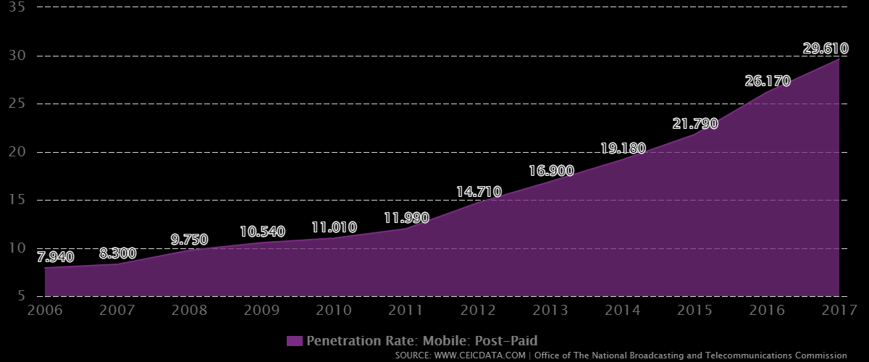

 |  |  |  |  |  | Penetration rate |  |  | % change
 |  |  |  |  | Year | Postpaid | Prepaid |  | Postpaid | Prepaid | Total
 |  |  |  |  | 2007 | 8.3 | 71.91
 |  |  |  |  | 2008 | 9.75 | 83.26 |  | 17% | 16% | 33%
 |  |  |  |  | 2009 | 10.54 | 88.04 |  | 8% | 6% | 14%
 |  |  |  |  | 2010 | 11.01 | 97.8 |  | 4% | 11% | 16%
 |  |  |  |  | 2011 | 11.99 | 104.98 |  | 9% | 7% | 16%
 |  |  |  |  | 2012 | 14.71 | 113.14 |  | 23% | 8% | 30%
 |  |  |  |  | 2013 | 16.9 | 122.32 |  | 15% | 8% | 23%
 |  |  |  |  | 2014 | 19.18 | 125.73 |  | 13% | 3% | 16%
 |  |  |  |  | 2015 | 21.79 | 104.33 |  | 14% | -17% | -3%
 |  |  |  |  | 2016 | 26.17 | 110.06 |  | 9% | 5% | 14%
 |  |  |  |  | 2017 | 29.61 | 117.13 |  | 10% | 6% | 16%

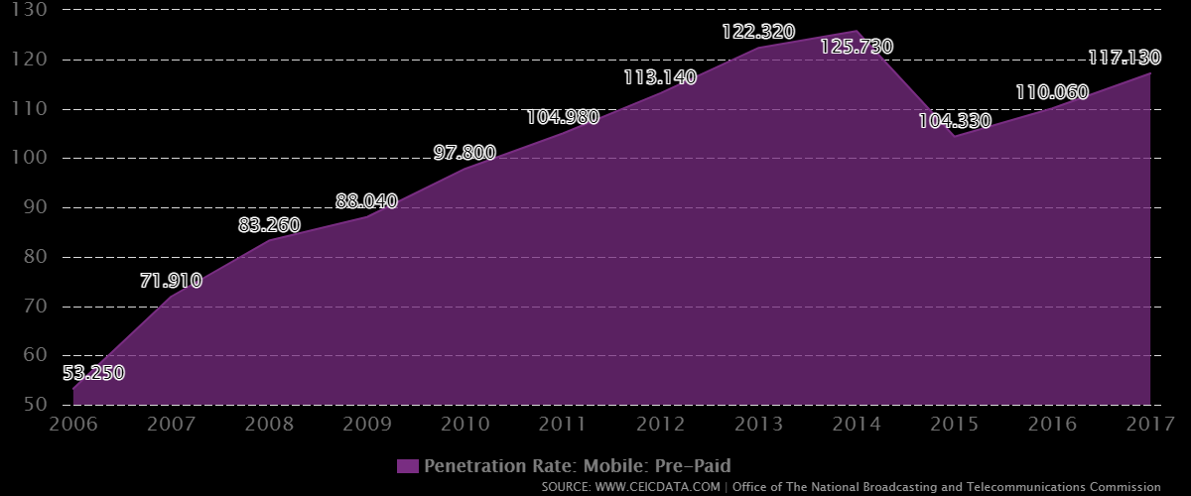

 |  |  |  |  |  |  | Total Penetration
 |  |  |  |  |  |  | Year | Penetration rate
 |  |  |  |  |  |  | 2020 | 36.71%
 |  |  |  |  |  |  | 2021 | 48.92%
 |  |  |  |  |  |  | 2022 | 55.69%
 |  |  |  |  |  |  | 2023 | 64.35%
 |  |  |  |  |  |  | 2024 | 74.80%
 |  |  |  |  |  |  | 2025 | 97.58%
 |  |  |  |  |  |  | 2026 | 120.02%
 |  |  |  |  |  |  | 2027 | 139.56%
 |  |  |  |  |  |  | 2028 | 134.80%
 |  |  |  |  |  |  | 2029 | 153.67%
 |  |  |  |  |  |  | 2030 | 178.26%

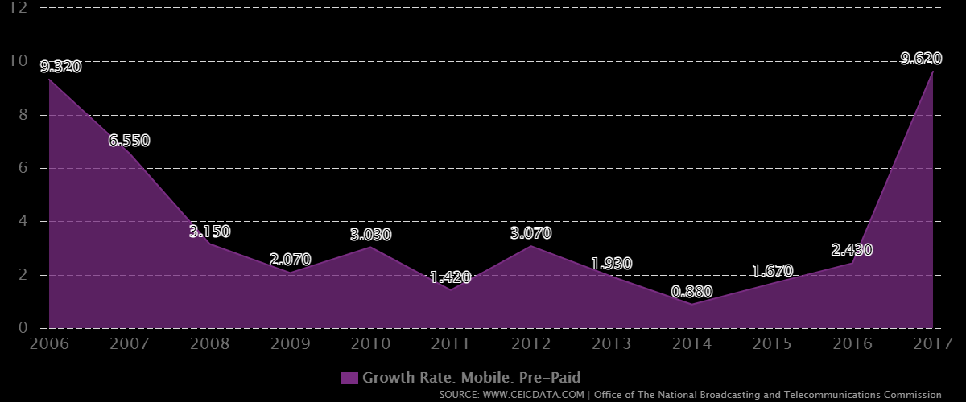

 |  |  |  |  |  |  | Prepaid | Postpaid
 |  |  |  |  |  | Growth rate | 50% | 50%

 |  |  |  |  |  | 3.15 | 51.58% | 48.42%
 |  |  |  |  |  | 2.07 | 52.64% | 47.36%
 |  |  |  |  |  | 3.03 | 54.24% | 45.76%
 |  |  |  |  |  | 1.42 | 55.01% | 44.99%
 |  |  |  |  |  | 3.07 | 56.70% | 43.30%
 |  |  |  |  |  | 1.93 | 57.79% | 42.21%
 |  |  |  |  |  | 0.88 | 58.30% | 41.70%
 |  |  |  |  |  | 1.67 | 59.27% | 40.73%
 |  |  |  |  |  | 2.43 | 60.71% | 39.29%
 |  |  |  |  |  | 9.62 | 66.55% | 33.45%

https://www.ceicdata.com/en/thailand/telecommunication-statistics-office-of-the-national-broadcasting-and-telecommunications-commission/minutes-of-use-mobile-prepaid
https://data.worldbank.org/indicator/IT.CEL.SETS?locations=TH

Estimated minutes of Usage
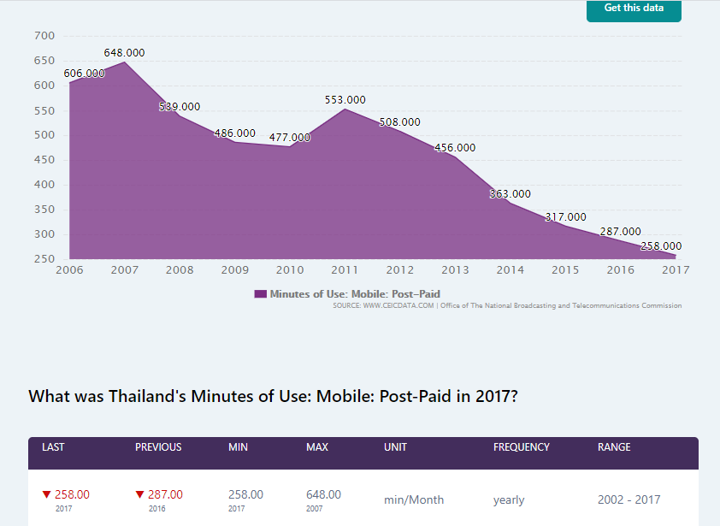
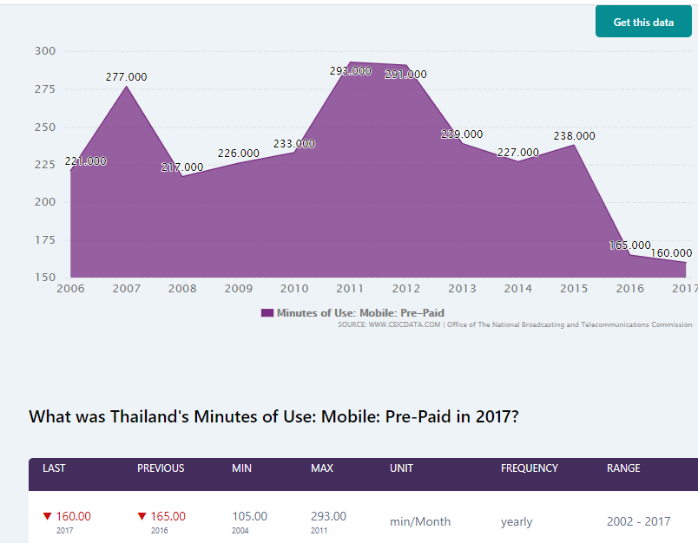
https://www.ceicdata.com/en/thailand/telecommunication-statistics-office-of-the-national-broadcasting-and-telecommunications-commission/minutes-of-use-mobile-prepaid?fbclid=IwAR2bdgBdvhbIS0k2wEuGS8CiTmmzof4uebJs-mQclZRAsH2jjG4Dn7-hj-w

Voice traffic of Thailand

Monthly Usage of Prepaid and Post Paid Minute of Thailand

Year | Prepaid Minute | Postpaid minute | Average
2008 | 217 | 539 | 378
2009 | 226 | 486 | 356
2010 | 233 | 477 | 355
2011 | 293 | 553 | 423
2012 | 291 | 508 | 399.5
2013 | 239 | 456 | 347.5
2014 | 227 | 363 | 295
2015 | 238 | 317 | 277.5
2016 | 165 | 287 | 226
2017 | 160 | 258 | 209

Churn Rate
Mobile business
Subscribers | 2019 | 2020 | 2021 | 2022 | 2023 | 2024 | 2025 | 2026 | 2027 | 2028
Churn rate (% per month)
Postpaid | 1.30% | 1.40% | 1.50% | 1.60% | 1.60% | 0.80% | 1.80% | 1.40% | 1.20% | 1.20%
Prepaid | 3.60% | 4.00% | 4.10% | 4.20% | 4.20% | 3.40% | 3.20% | 3.10% | 2.90% | 2.90%
Blended | 3.20% | 3.50% | 3.60% | 3.60% | 3.70% | 2.90% | 2.90% | 2.70% | 2.50% | 2.50%
Churn Rate of Thailand for Both Prepaid and Post Paid Customers
 | Churn rate (% per month) | Postpaid | Prepaid
2019 |  | 1.30% | 3.60%
2020 |  | 1.40% | 4.00%
2021 |  | 1.50% | 4.10%
2022 |  | 1.60% | 4.20%
2023 |  | 1.60% | 4.20%
2024 |  | 0.80% | 3.40%
2025 |  | 1.80% | 3.20%
2026 |  | 1.40% | 3.10%
2027 |  | 1.20% | 2.90%
2028 |  | 1.20% | 2.90%
 |  |  |  | Postpaid Churn Rate 2019 | 1.45% | Prepaid Churn Rate 2019 | 3.98%

ARPU (Bt/month/subscriber)

Advanced Info Service Plc
Investor Relations
(66) 2029 3145
http://investor.ais.co.th

Call Rate & Activation
Call rate vs. Year

Year | Call rate
2021 | $0.42
2022 | $0.42
2023 | $0.40
2024 | $0.40
2025 | $0.38
2026 | $0.38
2027 | $0.36
2028 | $0.36
2029 | $0.34
2030 | $0.34

Postpaid vs. Year
Activation charge
Year | Postpaid
2021 | $105
2022 | $105
2023 | $100
2024 | $100
2025 | $90
2026 | $90
2027 | $80
2028 | $80
2029 | $70
2030 | $70

Prepaid vs. Year
Activation charge
Year | Prepaid
2021 | $80
2022 | $80
2023 | $80
2024 | $80
2025 | $80
2026 | $60
2027 | $60
2028 | $60
2029 | $60
2030 | $60

Card selling price & min
Types of Prepaid Packages (considering 30 Days duration)
Type of Rates | Type 1 | Type 2 | Type 3 | Type 4 | Type 5
Companies:
AIS | $9.63 | $11.24 | $20.87 | $27.30 | $35.65
Selling Price Per Card
DTAC | $9.60 | $12.81 | $22.45 | $25.66 | $64.19
True Move | $9.63 | $11.24 | $20.87 | $25.66 | $51.35
My Cat | $9.60 | $12.81 | $19.24 | $28.87 | $32.08

Prepaid_Selling Price Per Card
Thailand
Type of Rates | Total Subscriber (In Million) | Total Prepaid Subscriber (in million) | Total Number of cards Sold (in million) | Type 1 | Type 2 | Type 3 | Type 4 | Type 5 | Total | Average
Companies:
AIS | 41 | 31.48 | 47.22 | $181.89 | $106.15 | $147.82 | $193.37 | $168.34 | $797.57 | $16.89
DTAC | 18.8 | 12.7 | 19.05 | $73.15 | $48.81 | $64.15 | $73.32 | $122.28 | $381.71 | $20.04
True Move | 30.64 | 21.15 | 31.725 | $122.20 | $71.32 | $99.32 | $122.11 | $162.91 | $577.86 | $18.21
My Cat | 2.88 | 2.7 | 4.05 | $15.55 | $10.38 | $11.69 | $17.54 | $12.99 | $68.15 | $16.83
Averaged Selling Price Per Card |  |  |  |  |  |  |  |  |  | $17.99

Monthly Charge
Postpaid_Monthly Charge
Companies | Internet Speed | Calls | Internet | Price ($)
AIS 4g Max Speed | 4g | 250 minutes | 4GB | $28.87
DTAC Go NO LIMIT | 3g | unlimited DTAC to DTAC | Unlimited | $28.87
TrueMove Unlimited | 4g | 300 minutes | Unlimited | $22.45
My Cat Smart Pack | 3/4 g | 450 minutes | 11GB | $28.87
Avarage monthly Cgarge |  |  |  | $27.27

Percentage Change
Operator | Category | Year | ARPU (THB/sub/month) | ARPU (USD/sub/month) | Growth | Avg Growth

Thailand Operators | Prepaid (Selling price per card) | 2007 | 197 | 6.304 |  | -2.13%
 |  | 2008 | 164 | 5.248 | -16.75%
 |  | 2009 | 162 | 5.184 | -1.22%
 |  | 2010 | 160 | 5.12 | -1.23%
 |  | 2011 | 158 | 5.056 | -1.25%
 |  | 2012 | 158 | 5.056 | 0.00%
 |  | 2013 | 140 | 4.48 | -11.39%
 |  | 2014 | 136 | 4.352 | -2.86%
 |  | 2015 | 178 | 5.696 | 30.88%
 |  | 2016 | 159 | 5.088 | -10.67%
 |  | 2017 | 154 | 4.928 | -3.14%
 |  | 2018 | 148 | 4.736 | -3.90%
 |  | 2019 | 142 | 4.544 | -4.05%
 | Postpaid (Monthly Charge) | 2007 | 693 | 22.176 |  | -1.49%
 |  | 2008 | 586 | 18.752 | -15.44%
 |  | 2009 | 582 | 18.624 | -0.68%
 |  | 2010 | 582 | 18.624 | 0.00%
 |  | 2011 | 581 | 18.592 | -0.17%
 |  | 2012 | 621 | 19.872 | 6.88%
 |  | 2013 | 606 | 19.392 | -2.42%
 |  | 2014 | 596 | 19.072 | -1.65%
 |  | 2015 | 542 | 17.344 | -9.06%
 |  | 2016 | 556 | 17.792 | 2.58%
 |  | 2017 | 567 | 18.144 | 1.98%
 |  | 2018 | 552 | 17.664 | -2.65%
 |  | 2019 | 567 | 18.144 | 2.72%

Year | Selling Price Per Card
2021 | $17.50
2022 | $17.13
2023 | $16.76
2024 | $16.41
2025 | $16.06
2026 | $15.71
2027 | $15.38
2028 | $15.05
2029 | $14.73
2030 | $14.42

Year | Monthly Charge
2021 | $27.00
2022 | $26.60
2023 | $26.20
2024 | $25.81
2025 | $25.43
2026 | $25.05
2027 | $24.67
2028 | $24.31
2029 | $23.94
2030 | $23.59

Prepaid_Minutes Per Card
Prepaid offers for different operators
Operator | Speed | Internet | Minutes | Price
AIS | 384 kbps | NA | 15 | 49 baht
 | 2.5gb | 8 Days | 100 | 299 baht
 | 6gb | 15 Days | 100 | 599 baht
DTAC | 384 kbps | NA | 20 | 49 baht
 | 2.5gb | 8 Days | 100 | 299 baht
 | 6gb | 15 Days | 100 | 599 baht
True Move | 90mb | NA | 20 | 49 baht
 | 2.5gb | 8 Days | 100 | 299 baht
 | 8gb | 15 Days | 50 | 599 baht
My Cat | 1.5gb | 7 days | 100 | 299 baht

Prepaid_Minutes Per Card
Thailand
Minutes per card | Type 1 (49 Baht) | Type 2 (299 Baht) | Type 3 (599 Baht) | Average
Companies:
AIS | 15 | 100 | 100 | $71.67
DTAC | 20 | 100 | 100 | $73.33
True Move | 20 | 100 | 50 | $56.67
My Cat | NA | 100 | NA | $100.00
Averaged Selling Price Per Card |  |  |  | $75.42

Operator | Category | Year | Prepaid Subscriber | MOU (minutes/sub/month) | Growth for MOU | Avg Growth for MOU | Minutes Per Month | Growth for Minutes Per Month | Avg Growth for Minutes Per Month

Thailand Operators | Prepaid (Minutes per card) | 2007 |  | 277 |  | -1.16% |  |  | 6.43%
 |  | 2008 |  | 217 | -21.66%
 |  | 2009 | 58.90137 | 226 | 4.15% |  | 13311.70962
 |  | 2010 | 64.469827 | 233 | 3.10% |  | 15021.469691 | 12.84%
 |  | 2011 | 69.510532 | 217 | -6.87% |  | 15083.785444 | 0.41%
 |  | 2012 | 75.229228 | 220 | 1.38% |  | 16550.43016 | 9.72%
 |  | 2013 | 82.256949 | 240 | 9.09% |  | 19741.66776 | 19.28%
 |  | 2014 | 84.520726 | 210 | -12.50% |  | 17749.35246 | -10.09%
 |  | 2015 |  | 192 | -8.57%
 |  | 2016 |  | 138 | -28.13%
 |  | 2017 |  | 116 | -15.94%
 |  | 2018 |  | 104 | -10.34%
 |  | 2019 |  | 85 | -18.27%

Year | Minutes per card
2021 | 75
2022 | 80
2023 | 85
2024 | 90
2025 | 96
2026 | 102
2027 | 109
2028 | 116
2029 | 123
2030 | 131

VAS
Thailand (% of ARPU (Average Revenue Per User))
Value Added Services
Year | 2021 | 2022 | 2023 | 2024 | 2025 | 2026 | 2027 | 2028 | 2029 | 2030
Mobile Data % | 80.00% | 81.13% | 82.27% | 83.43% | 84.61% | 85.80% | 87.01% | 88.24% | 89.48% | 90.74%
SMS/MMS % | 4.00% | 4.08% | 4.16% | 4.24% | 4.33% | 4.11% | 3.91% | 3.71% | 3.53% | 3.35%
Downloading ringtones/pictures | 1.00% | 0.80% | 0.64% | 0.51% | 0.41% | 0.33% | 0.26% | 0.21% | 0.17% | 0.13%
Entertainment | 2.00% | 2.04% | 2.08% | 2.12% | 2.16% | 2.21% | 2.25% | 2.30% | 2.34% | 2.39%
Total VAS % | 87.00% | 88.05% | 89.15% | 90.31% | 91.51% | 92.45% | 93.43% | 94.46% | 95.52% | 96.62%

Total VAS%
 | Total VAS
2021 | 0.87
2022 | 0.88047876715
2023 | 0.89154054754
2024 | 0.903108063
2025 | 0.91512007659
2026 | 0.92449738315
2027 | 0.93432360441
2028 | 0.94456310437
2029 | 0.95518710812
2030 | 0.96617237814
 | SMS/MMS |  | Total VAS % |  | Mobile data |  | Downloads |  | Entertainment |  | Total VAS
2021 | 0.04 | 2021 | 0.87 | 2021 | 0.8 | 2021 | 0.01 | 2021 | 0.02 | 2021 | 0.87
2022 | 0.0408 | 2022 | 0.88047876715 | 2022 | 0.81127876715 | 2022 | 0.008 | 2022 | 0.0204 | 2022 | 0.88047876715
2023 | 0.041616 | 2023 | 0.89154054754 | 2023 | 0.82271654754 | 2023 | 0.0064 | 2023 | 0.020808 | 2023 | 0.89154054754
2024 | 0.04244832 |  |  | 2024 | 0.834315583 | 2024 | 0.00512 | 2024 | 0.02122416 | 2024 | 0.903108063
2025 | 0.0432972864 |  |  | 2025 | 0.84607814699 | 2025 | 0.004096 | 2025 | 0.0216486432 | 2025 | 0.91512007659
2026 | 0.04113242208 |  |  | 2026 | 0.858006545 | 2026 | 0.0032768 | 2026 | 0.022081616064 | 2026 | 0.92449738315
2027 | 0.039075800976 |  |  | 2027 | 0.87010311505 | 2027 | 0.00262144 | 2027 | 0.022523248385 | 2027 | 0.93432360441
2028 | 0.037122010927 |  |  | 2028 | 0.88237022809 | 2028 | 0.002097152 | 2028 | 0.022973713353 | 2028 | 0.94456310437
2029 | 0.035265910381 |  |  | 2029 | 0.89481028852 | 2029 | 0.0016777216 | 2029 | 0.02343318762 | 2029 | 0.95518710812
2030 | 0.033502614862 |  |  | 2030 | 0.90742573463 | 2030 | 0.00134217728 | 2030 | 0.023901851372 | 2030 | 0.96617237814

 | Year | Postpaid | Prepaid
 | 2021 | 87.00% | 87.00%
 | 2022 | 88.05% | 88.05%
 | 2023 | 89.15% | 89.15%
 | 2024 | 90.31% | 90.31%
 | 2025 | 91.51% | 91.51%
 | 2026 | 92.45% | 92.45%
 | 2027 | 93.43% | 93.43%
 | 2028 | 94.46% | 94.46%
 | 2029 | 95.52% | 95.52%
 | 2030 | 96.62% | 96.62%

Link | https://www.researchgate.net/publication/228122441_Economic_Analysis_of_Business_Model_for_Delivering_Mobile_Value-Added_Services_in_Thailand

