Sheet1
Bug Id | Test Case Id | Summary | Steps | Expected Result | Actual Result | Status | Severity | Priority | Reported By | Assigned To | Attachment
Bug_1 | Ifsc_5 | In Search By IFSC Code page the Sub Heading is displayed as "Enter 11 character IFSC Code" instead of "Enter 11 characters IFSC Code". | 1) Enter the Url 2) Click on "Search By IFSC Code" option 3) Verify Sub Heading | Search By IFSC Code page should contain Sub Heading "Enter 11 characters IFSC Code". | "Enter 11 character IFSC Code" is displayed instead of "Enter 11 characters IFSC Code". | Open | Low | Low | Aravind R | Developer1 | 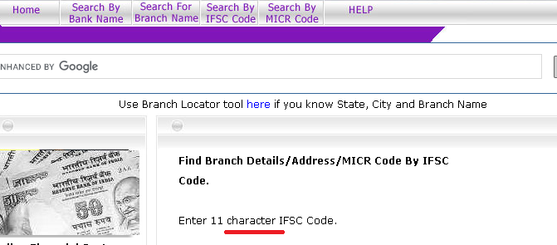
Bug_2 | Ifsc_7 | In Search By IFSC Code page "Submit" button is displayed instead of "Search" button | 1) Enter the Url 2) Click on "Search By IFSC Code" option 3) Verify "Search" button | Search By IFSC Code page should contain "Search" button. | Search By IFSC Code page contains "Submit" button instead of "Search" button. | Open | Low | Low | Aravind R | Developer1 | 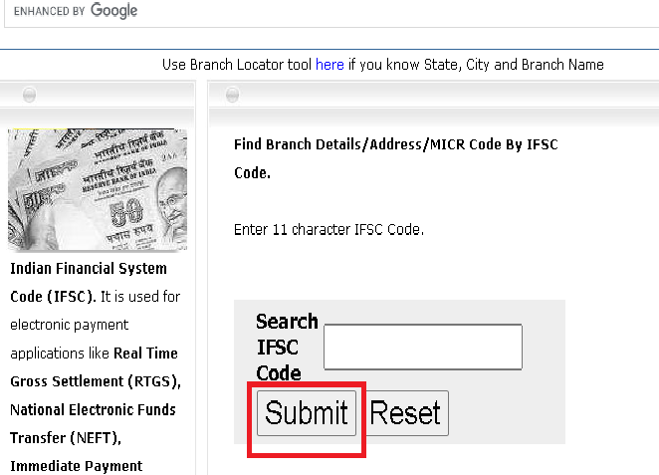
Bug_3 | Ifsc_10 | In Search By IFSC Code page "Invalid IFSC Code" message is not displayed while submitting the entered Invalid IFSC Code | 1) Enter the Url 2) Click on "Search By IFSC Code" option 3) Enter Invalid IFSC Code ( eg: SBIN000761z) on Search IFSC Code Text Field 4) Click on Search button 5) Verify "Invalid IFSC Code" message | "Invalid IFSC Code" message should be displayed after Invalid IFSC Code is given. | "Invalid IFSC Code" message is not displayed | Open | Medium | Medium | Aravind R | Developer1
Bug_4 | Ifsc_11 | In Search By IFSC Code page when click on submit button without entering nothing in the text field it shows the pop up message as "ifsc.bankifsccode.com says the following fields are empty or invalid: IFSC Code IFSC Code has minimum 11 charaters" instead of message "Invalid IFSC code" | 1) Enter the Url 2) Click on "Search By IFSC Code" option 3) Click on Search button without entering anything. 4) Verify "Invalid IFSC Code" message | "Invalid IFSC Code" message should be displayed if no IFSC Code is given. | "ifsc.bankifsccode.com saysthe following fields are empty or invalid:IFSC CodeIFSC Code has minimum 11 charaters" is displayed instead of Message "Invalid IFSC code" | Open | Low | Low | Aravind R | Developer1
Bug_5 | Ifsc_12 | In Search By IFSC Code page "Do you want to clear the entered IFSC Code? " message with "Yes" or "No" option is not displayed after Reset button is clicked. | 1) Enter the Url 2) Click on "Search By IFSC Code" option 3) Enter a IFSC Code on Search IFSC Code Text Field 4) Click on Reset button | " Do you want to clear the entered IFSC Code? " message with "Yes" or "No" option should be displayed after Reset button is clicked. | "Do you want to clear the entered IFSC Code? " message with "Yes" or "No" option is not displayed after Reset button is clicked. | Open | Medium | Medium | Aravind R | Developer1 | 