Sheet1
Bug Id | Test Case Id | Summary | Steps | Expected Result | Actual Result | Status | Severity | Priority | Reported By | Assigned To | Attachment
Bug_1 | TestYou_6 | Create A Free Account page contains "Online Tests" option instead of "Online Test" option next to the logo ( remove the last 's' from "Online Tests" option) | 1) Enter the Url 2) Click on "Create An Account" option 3) Verify "Online Test" option | Create A Free Account page should contain "Online Test" option next to the logo | Create A Free Account page contains "Online Tests" option instead of "Online Test" option next to the logo | Open | Low | Low | Aravind R | Developer1 | 
Bug_2 | TestYou_19 | In Create A Free Account page "Login Id" text is displayed instead of "Login id" text with a "text Field" ( "i" in the Login Id should be in small case) | 1) Enter the Url 2) Click on "Create An Account" option 3) Verify the "Login id" text with a "text Field" | "Login id" text with a "text Field" should be displayed in the Create A Free Account page | "Login Id" text is displayed instead of "Login id" text with a "text Field" in the Create A Free Account page | Open | Low | Low | Aravind R | Developer1 | 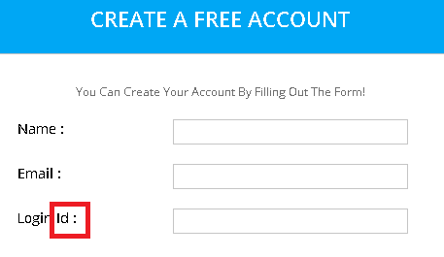
Bug_3 | TestYou_21 | In Create A Free Account page "Re-Enter Password" text is displayed instead of "Re-Enter password" text with a "text Field" ( "P" in the Re-Enter password should be in small case) | 1) Enter the Url 2) Click on "Create An Account" option 3) Verify the "Re-Enter password" text with a "text Field" | "Re-Enter password" text with a "text Field" should be displayed | "Re-Enter Password" text is displayed instead of "Re-Enter password" text with a "text Field" | Open | Low | Low | Aravind R | Developer1 | 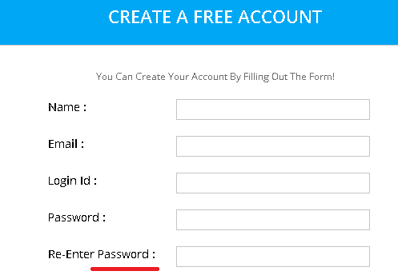
Bug_4 | TestYou_35 | Sign in with Twitter" option is not displayed in login screen after click on the verification mail recevied in the email | 1) Check email for verification email 2) Click on verification link 3)Verify "Sign in with Twitter" option | "Sign in with Twitter" option should be displayed in login screen | Sign in with Twitter" option is not displayed in login screen | Open | High | High | Aravind R | Developer1 | 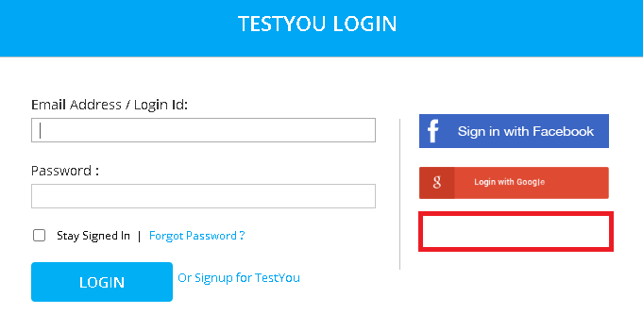
Bug_5 | TestYou_41 | In the Create A Free Account page validation message "Email Id should be in Proper Formate" is displayed instead of "Email Id should be in Proper Format" if invalid email address is given in the "Email text field" ( remove the last "e" from the word "Formate" | 1) Enter the Url 2) Click on "Create An Account" option 3) Enter invalid email address 4) Enter valid details in the remaing text fields 5) Click on "CREATE MY ACCOUNT" button | Proper validation message should be displayed if invalid email address is given in the Create A Free Account page | "Email Id should be in Proper Formate" is displayed instead of "Email Id should be in Proper Format" | Open | Low | Low | Aravind R | Developer1 | 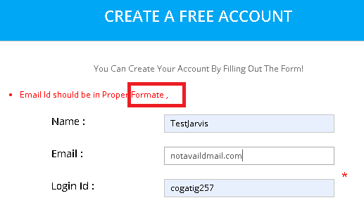
Bug_6 | TestYou_43 | In the Create A Free Account page validation message"UserLogin Required" is displayed instead of "Login Id Required" if no "Login Id" is given in the "Login Id text field" | 1) Enter the Url 2) Click on "Create An Account" option 3) Leave "Login Id Test Field" blank 4) Enter valid details in the remaing text fields 5) Click on "CREATE MY ACCOUNT" button | proper validation message should be displayed if no "Login Id" is given | "UserLogin Required" is displayed instead of "Login Id Required" | Open | Medium | High |  |  | 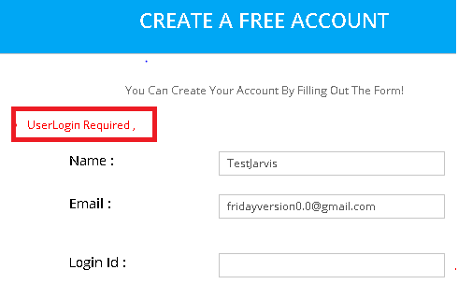
Bug_7 | TestYou_45 | In the Create A Free Account page validation messages 1) "UserLogin already exist, try the other!" is displayed instead of "Login Id already exist, try the other!" 2) "Invalid Email id or UserLogin please try again" is displayed instead of "Invalid Email Id or Login Id please try again" on the top of the "Create An Account" Heading | 1) Enter the Url 2) Click on "Create An Account" option 3) Enter a existing Login Id 4) Enter valid details in the remaing text fields 5) Click on "CREATE MY ACCOUNT" button | Proper validation message should be displayed if existing "Login Id" is given | 1) "UserLogin already exist, try the other!" is displayed instead of "Login Id already exist, try the other!" 2) "Invalid Email id or UserLogin please try again" is displayed instead of "Invalid Email Id or Login Id please try again" on the top of the "Create An Account" Heading | Open | Medium | Medium | Aravind R | Developer1 | 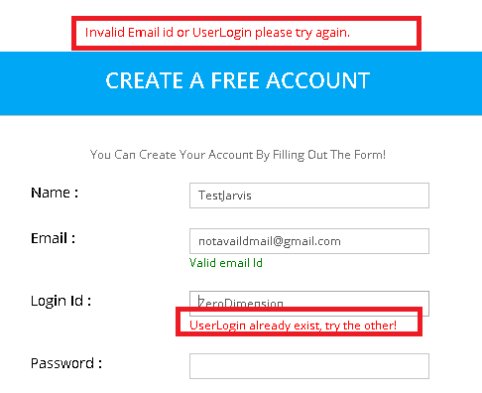
Bug_8 | TestYou_56 | In the Create A Free Account page validation message "Enter Varification Code" is displayed instead of "Enter Verification Code" if no "Captcha image" is given in the "Word Verification text field" ( replace "a" with "e" in the word "varification" | 1) Enter the Url 2) Click on "Create An Account" option 3) Leave "Word Verification text field" blank 4) Enter valid details in the remaing text fields 5) Click on "CREATE MY ACCOUNT" button | Proper validation message should be displayed if no "Captcha image" is given in the "Word Verification text field" | "Enter Varification Code" is displayed instead of "Enter Verification Code" | Open | Low | Low | Aravind R | Developer1 | 