Draft funct_item_obs
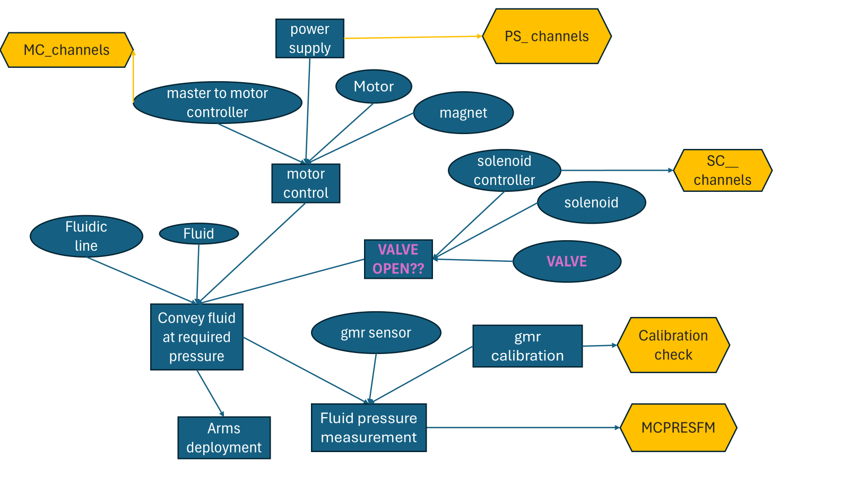

ongoing failure mode screener | next failure mode screener | ongoing root cause verification | next root cause verification | evidence check | data channel
flow rate is null | can't set the packer | master controller issue | master controller issue 2 | function1 | EIP Uplink Alert
flow rate is null | can't set the packer | motor control issue | solenoid controller issue | function2 | MTERRSTAFM
flow rate is null | can't set the packer | motor control issue | solenoid controller issue | function3 | MTMTRSTAFM
flow rate is null | can't set the packer | calibration issue | leak somewhere | function5 | MCGMRVOLTFM_ML
flow rate is null | can't set the packer | calibration issue | leak somewhere | function6 | MCGMRVOLTFM_ML
flow rate is null | can't set the packer | leak somewhere |  | function7 | MCPRESFM
flow rate is null | can't set the packer | solenoid controller issue | gmr sensor issue | function8 | SCSTAFM
flow rate is null | can't set the packer | solenoid controller issue | gmr sensor issue | function9 | SCSECSTAFM
flow rate is null | can't set the packer | solenoid controller issue | gmr sensor issue | function10 | SCACTVLTFM
flow rate is null | can't set the packer | solenoid controller issue | gmr sensor issue | function4 | SCHALLVLTFM
flow rate is null | can't set the packer | solenoid controller issue | gmr sensor issue | function4 | SCDIGVLTFM
flow rate is null | can't set the packer | solenoid controller issue | gmr sensor issue | function1 | LIN device communication issue alert
flow rate is null | can't set the packer | solenoid controller issue | gmr sensor issue | function4 | SCLINVLTFM
flow rate is null | can't set the packer | solenoid controller issue | gmr sensor issue | function11 | SCANGNDFM
flow rate is null | can't set the packer | solenoid controller issue | gmr sensor issue | function12 | SCCHVLTFM
flow rate is null | can't set the packer | solenoid controller issue | gmr sensor issue | function13 | SCGDVLTFM
flow rate is null | can't set the packer | solenoid controller issue | gmr sensor issue | function14 | SCSPLTVLTFM
flow rate is null | can't set the packer | master to motor controller issue 1 | motor control issue | function19
flow rate is null | can't set the packer | master to motor controller issue 1 | motor control issue | function1 | CAN communication degraded alert
flow rate is null | can't set the packer | gmr sensor issue | calibration issue | function21
flow rate is null | can't set the packer | gmr sensor issue | calibration issue | function15 | MCGMRVOLTFM
flow rate is null | can't set the packer | master controller issue 2 | power supply issue | function4 | MCREFVLTFM
flow rate is null | can't set the packer | master controller issue 2 | power supply issue | function4 | MCDIGVLTFM
flow rate is null | can't set the packer | master controller issue 2 | power supply issue | function4 | MCINVLTFM
flow rate is null | can't set the packer | master controller issue 2 | power supply issue | function16 | MCANGNDFM
flow rate is null | can't set the packer | master controller issue 2 | power supply issue | function4 | MCCORVLTFM
flow rate is null | can't set the packer | master controller issue 2 | power supply issue | function4 | MCEICORVFM
flow rate is null | can't set the packer | master controller issue 2 | power supply issue | function4 | MCEIDIGVFM
flow rate is null | can't set the packer | power supply issue | master to motor controller issue 1 | function4 | PSDIGVLTFM
flow rate is null | can't set the packer | power supply issue | master to motor controller issue 1 | function17 | PSDIGVCUFM
flow rate is null | can't set the packer | power supply issue | master to motor controller issue 1 | function4 | PSANAVLTFM
flow rate is null | can't set the packer | power supply issue | master to motor controller issue 1 | function18 | PSANVCURFM
flow rate is null | can't set the packer | power supply issue | master to motor controller issue 1 | function4 | PSNANVLTFM
flow rate is null | can't set the packer | power supply issue | master to motor controller issue 1 | function19 | PSNANVCUFM
flow rate is null | can't set the packer | power supply issue | master to motor controller issue 1 | function20 | PSACTVLTFM
flow rate is null | can't set the packer | power supply issue | master to motor controller issue 1 | function21 | PSACTVCUFM
flow rate is null | can't set the packer | power supply issue | master to motor controller issue 1 | function22 | PSHVTEMPFM
flow rate is null | can't set the packer | power supply issue | master to motor controller issue 1 | function23 | PSTEMPFM
flow rate is null | can't set the packer | power supply issue | master to motor controller issue 1 | function24 | PSTRNTEMPFM
flow rate is null | can't set the packer | power supply issue | master to motor controller issue 1 | function25 | PSRCTEMPFM
flow rate is null | can't set the packer | power supply issue | master to motor controller issue 1 | function26 | PSINVLTFM
flow rate is null | can't set the packer | power supply issue | master to motor controller issue 1 | function27 | PSDIGGNDFM

