1.png
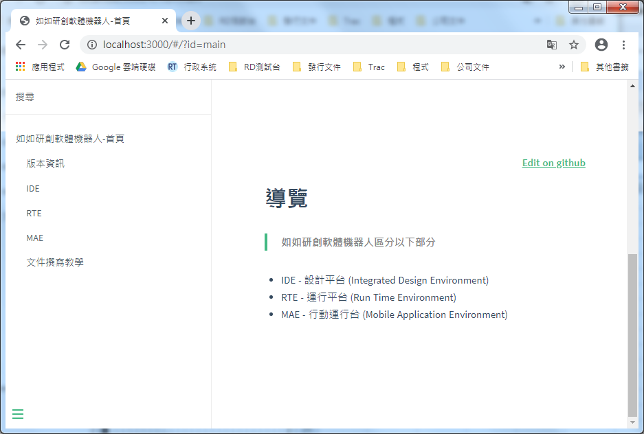

_sidebar.md
README.md

