ED 20-03
Emergency Directive 20-03 – Mitigate Windows DNS Server Remote Code Execution Vulnerability from July 2020 Patch Tuesday
INITIAL STATUS REPORT (v1.1)
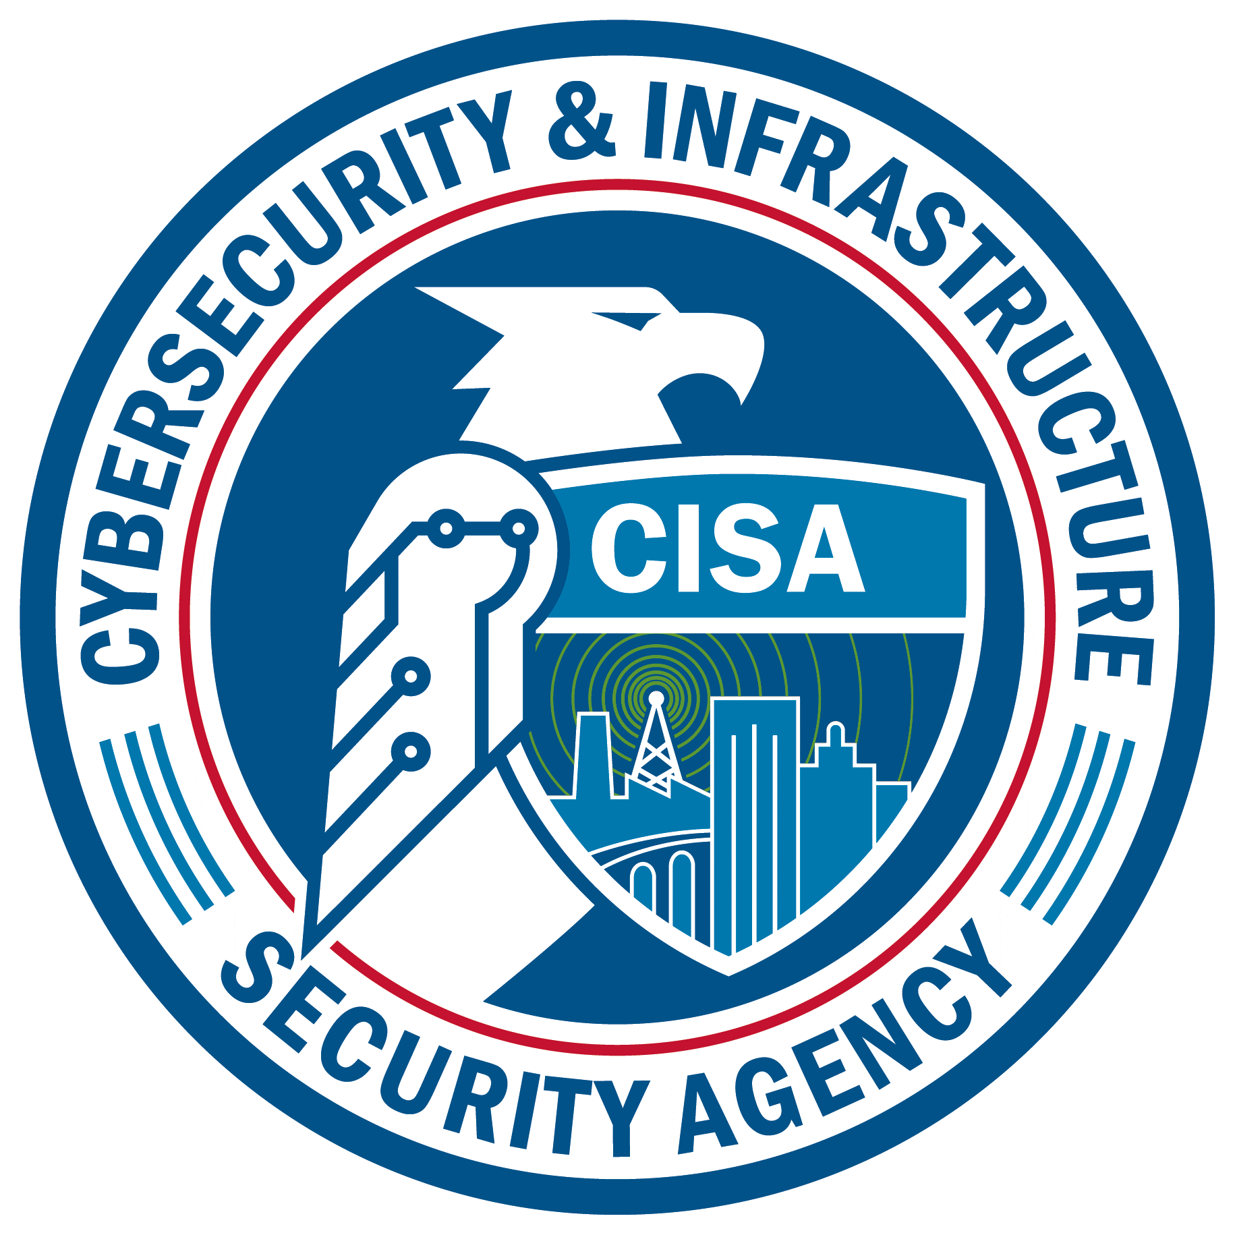
 | Agency Name:
 | Point of Contact (POC) Name:
 | POC Email Address:
 | POC Phone Number:
Instructions: Initial Status Report is due 7/20/20. If your agency has completed all actions, please go directly to the Completion Report below. Submit encrypted document to CyberDirectives@cisa.dhs.gov. If password protected, passwords can be sent in a separate email. Please reach out to CyberDirectives@cisa.dhs.gov with any questions, comments, or concerns as you complete this form.

1. Estimated total number of endpoints running the Microsoft Windows Server operating system (include all server OS versions and both virtual and physical instances).
2. Estimated number of endpoints with July 2020 Security Update applied.
3. Estimated number of endpoints with the registry modification workaround in place.
4. Remaining endpoints with no mitigations in place (July 2020 Security Update or registry modification workaround). |  |  | 0 | (Please note this field is automatically calculated)
5. Are there any Microsoft Windows Servers that are out of scope? Please provide more information and provide the number of servers that are out of scope.
6. Please provide any additional information on constraints impacting your agency's ability to update all endpoints, as well as support needs, observed challenges, and technical issues.
7. Is there anything CISA can do to help support the completion of these updates?

 |  | Please select Yes to confirm that the responses provided are submitted at the department level and include all agency subcomponents. If not, please coordinate within subcomponents to send one report.

COMPLETION REPORT
Instructions: Completion Report is due 7/24/20 (attestation of completed actions required). Submit encrypted document to CyberDirectives@cisa.dhs.gov. If password protected, passwords can be sent in a separate email.

8. Total number of endpoints running the Windows Server operating system (include all server OS versions and both virtual and physical instances).
9. Total number of affected endpoints with July 2020 Security Update applied.
10. If previously needed, have all applied registry modification workarounds been removed? (if applicable)
11. If you answered 'No' to above, how many endpoints still have the registry modification workaround in place and update not applied?
12. Remaining endpoints with no mitigations in place (July 2020 Security Update or registry modification workaround). |  |  | 0 | (Please note this field is automatically calculated)
13. Total percent of endpoints that have the July 2020 Security Update in place. |  |  |  | (Please note this field is automatically calculated)
14. Does your agency enterprise currently have the management and/or technical controls in place to ensure that all newly provisioned or previously disconnected servers are updated before connecting to agency networks?
14a. If Yes | Please describe the controls in place.
14b. If No | Please describe planned controls.

15. Please provide any updates to your previous answers to questions 5, 6, and 7

 |  | Please select Yes to confirm that the responses provided are submitted at the department level and include all agency subcomponents. If not, please coordinate within subcomponents to send one report.

 |  | [Only confirm once all actions are complete] Please confirm that your agency has completed all actions required under ED 20-03.

Agency CIO or equivalent signature (Please type name)

Name

