Product Backlog
 | PARKnSHOP.com Online Mall B2C E-Commerce
 | Product Backlog

1. Look at the project description PPT of ParkNShop determine the "3" most important user's
Example : "Mall Customer" is user in the ParkNShop , write the functional requirement of this user:
Follow Syntax " As an [Mall Customer] I want to login "
These functional requirement of the each user are called "User Story"
2. Write the User Story of all the 3 User's, Give each user story a unique ID , Importance, Estimation(Time need to implement this function in days)
3. Later sort the product backlog based on importance
Example : Importance "1" Highest importance
<--------Example on the left is a library management system not ParkNShop
Id | Story | Importance | Estimation(Ideal Days) | Guidelines for Product Backlog:
1 | As an administrator I Want to login | 4 | 3
2 | As an administrator I Want to manage shop owner | 11 | 2
3 | As an administrator I Want to manage Customer | 17 | 2
4 | As an administrator I Want to manage advertisement | 23 | 2
5 | As an administrator I Want to backup database daily | 24 | 2
6 | As an administrator I Want to view Sales history (Daily / Weekly / Monthly / Yearly) | 19 | 2
7 | As an administrator I Want to Calculate PARKnSHOP.com Income from Sales Commission (2%) Daily /Weekly/ Monthly/ Yearly | 26 | 2
8 | As an administrator I Want to manage Commission | 16 | 2
9 | As an administrator I Want to Search order by OrderID | 9 | 2
10 | As an shop owner I Want to Register New Shop (Wait Administrator Approve for activation) | 1 | 2
11 | As an shop owner I Want to login | 6 | 2
12 | As an shop owner I Want to manage products | 10 | 3
13 | As an shop owner I Want to modify shop details | 22 | 3
14 | As an shop owner I Want to manage order | 14 | 2
15 | As an shop owner I Want to view sales history | 21 | 2
16 | As an shop owner I Want to view shop income from Sale | 25 | 2
17 | As an mall customer I Want to Register | 2 | 2
18 | As an mall customer I Want to login | 5 | 1
19 | As an mall customer I Want to search product | 7 | 1
20 | As an mall customer I Want to add cart | 12 | 1
21 | As an mall customer I Want to buy | 13 | 1
22 | As an mall customer I Want to view order details | 15 | 2
23 | As an mall customer I Want to comment product(only purchased) | 18 | 2
24 | As an mall customer I Want to View Buy History (Daily /Weekly/ Monthly/ Yearly)- Search | 20 | 3
25 | As a guest I want to register | 3 | 1
26 | As a guest I want to search product | 8 | 1

 | Sort the Product Backlog By Importance
Id | Story | Importance | Estimation(Ideal Days)
10 | As an shop owner I Want to Register New Shop (Wait Administrator Approve for activation) | 1 | 2
17 | As an mall customer I Want to Register | 2 | 2
25 | As a guest I want to register | 3 | 1
1 | As an administrator I Want to login | 4 | 3
18 | As an mall customer I Want to login | 5 | 1
11 | As an shop owner I Want to login | 6 | 2
19 | As an mall customer I Want to search product | 7 | 1
26 | As a guest I want to search product | 8 | 1
9 | As an administrator I Want to Search order by OrderID | 9 | 2
12 | As an shop owner I Want to manage products | 10 | 3
2 | As an administrator I Want to manage shop owner | 11 | 2
20 | As an mall customer I Want to add cart | 12 | 1
21 | As an mall customer I Want to buy | 13 | 1
14 | As an shop owner I Want to manage order | 14 | 2
22 | As an mall customer I Want to view order details | 15 | 2
8 | As an administrator I Want to manage Commission | 16 | 2
3 | As an administrator I Want to manage Customer | 17 | 2
23 | As an mall customer I Want to comment product(only purchased) | 18 | 2
6 | As an administrator I Want to view Sales history (Daily / Weekly / Monthly / Yearly) | 19 | 2
24 | As an mall customer I Want to View Buy History (Daily /Weekly/ Monthly/ Yearly)- Search | 20 | 3
15 | As an shop owner I Want to view sales history | 21 | 2
13 | As an shop owner I Want to modify shop details | 22 | 3
4 | As an administrator I Want to manage advertisement | 23 | 2
5 | As an administrator I Want to backup database daily | 24 | 2
16 | As an shop owner I Want to view shop income from Sale | 25 | 2
7 | As an administrator I Want to Calculate PARKnSHOP.com Income from Sales Commission (2%) Daily /Weekly/ Monthly/ Yearly | 26 | 2

Sprint Backlog
 | Sprint Backlog

Guidelines For Sprint Backlog
1. Project in the "Scrum" development can have many sprints , During each sprint some user story are select from the product backlog and are implement by the team.
2. Look at the Product backlog and select some user stories based on the importance which need to be completed in the 2 weeks.
Example :
Sprint1: User Type1: User Stories ID 1, 3,6,7
Sprint2: User Type2: User Stories ID 2,4,8
Sprint3: User Type 3: User Stories ID 5, 9,10,11
Focus is completing the function, 100% runnable
So plan total number of sprints you will have for the whole project
3. Each sprint should not take more than 2 weeks to complete , example:10 days to complete
<--------Example on the left is a library management system not ParkNShop
Project Group divided into 3 sub-teams , each team is responsbile for completing a particular "USER" functionality in the ParknShop
4. Write "Sprint X" "X"is the number 1,2,3,4,
5. Along the SprintX, also write TL (Team Leader) responsible for that particular sprint.
 | Id | Name | Importance | Estimation(Ideal Days)
Sprint One | 1 | As an administrator I Want to login | 1 | 3
 | 9 | As an administrator I Want to Search order by OrderID | 9 | 2
 | 2 | As an administrator I Want to manage shop owner | 11 | 2
administrator

Sprint Two | 10 | As an shop owner I Want to Register New Shop (Wait Administrator Approve for activation) | 1 | 2
 | 11 | As an shop owner I Want to login | 2 | 2
 | 12 | As an shop owner I Want to manage products | 10 | 3
shop owner

Sprint Three | 17 | As an mall customer I Want to Register | 2 | 2
 | 18 | As an mall customer I Want to login | 5 | 1
 | 19 | As an mall customer I Want to search product | 7 | 1
 | 26 | As a guest I want to search product | 8 | 1
 | 25 | As a guest I want to register | 3 | 1
customer

Sprint Four | 8 | As an administrator I Want to manage Commission | 16 | 2
 | 3 | As an administrator I Want to manage Customer | 17 | 2
 | 6 | As an administrator I Want to view Sales history (Daily / Weekly / Monthly / Yearly) | 19 | 2
administrator

sprint Five | 14 | As an shop owner I Want to manage order | 14 | 2
 | 15 | As an shop owner I Want to view sales history | 21 | 2
shop owner

sprint Six | 21 | As an mall customer I Want to buy | 13 | 1
 | 22 | As an mall customer I Want to view order details | 15 | 2
mall customer

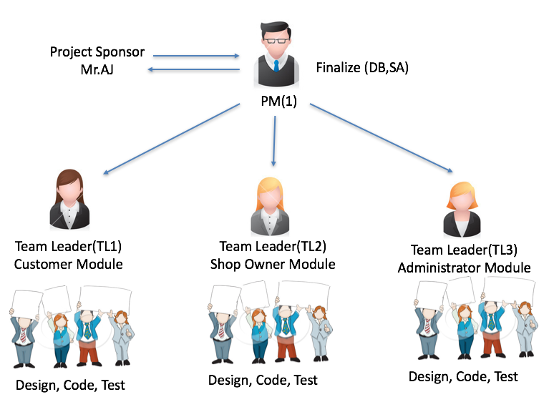
sprint Seven | 4 | As an administrator I Want to manage advertisement | 23 | 2
 | 5 | As an administrator I Want to backup database daily | 24 | 2
 | 7 | As an administrator I Want to Calculate PARKnSHOP.com Income from Sales Commission (2%) Daily /Weekly/ Monthly/ Yearly | 26 | 2
administrator

sprint Eight | 13 | As an shop owner I Want to modify shop details | 22 | 3
 | 16 | As an shop owner I Want to view shop income from Sale | 25 | 2

shop owner

sprint Nine | 23 | As an mall customer I Want to comment product(only purchased) | 18 | 2
 | 24 | As an mall customer I Want to View Buy History (Daily /Weekly/ Monthly/ Yearly)- Search | 20 | 3
mall customer

Release Backlog
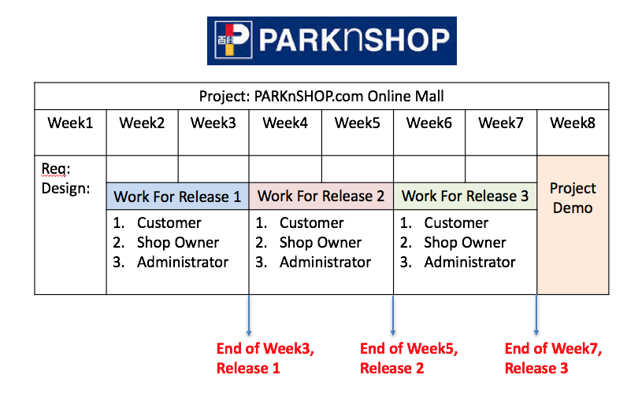
 | Release Backlog
Guidelines For Release Backlog
1. During the end of every 2 weeks , the completed sprint are integrated and released to the customer. And Customer feedback is collected.
2. So identify sprint's with each release 1, 2 and 3
<--------Example on the left is a library management system not ParkNShop
Week 1, 2,3 [ Release1] , Week 4,5 , [ Release2], Week6,7 ,[Release3] , Week8: Project Demo
 | Id | Name | Importance | Estimate(Ideal Days)
Release One（Sprint One+Sprint Two +Three） | 1 | As an administrator I Want to login | 1 | 3
 | 9 | As an administrator I Want to Search order by OrderID | 9 | 2
 | 2 | As an administrator I Want to manage shop owner | 11 | 2
 | 10 | As an shop owner I Want to Register New Shop (Wait Administrator Approve for activation) | 1 | 2
 | 11 | As an shop owner I Want to login | 2 | 2
 | 12 | As an shop owner I Want to manage products | 10 | 3
 | 17 | As an mall customer I Want to Register | 2 | 2
 | 18 | As an mall customer I Want to login | 5 | 1
 | 19 | As an mall customer I Want to search product | 7 | 1
 | 26 | As a guest I want to search product | 8 | 1
 | 25 | As a guest I want to register | 3 | 1

Release Two(Sprint Four+Sprint Five +Sprint Six) | 8 | As an administrator I Want to manage Commission | 16 | 2
 | 3 | As an administrator I Want to manage Customer | 17 | 2
 | 6 | As an administrator I Want to view Sales history (Daily / Weekly / Monthly / Yearly) | 19 | 2
 | 14 | As an shop owner I Want to manage order | 14 | 2
 | 15 | As an shop owner I Want to view sales history | 21 | 2
 | 21 | As an mall customer I Want to buy | 13 | 1
 | 22 | As an mall customer I Want to view order details | 15 | 2

Release Three(Sprint Seven +Sprint Eight +Sprint Nine) | 4 | As an administrator I Want to manage advertisement | 23 | 2
 | 5 | As an administrator I Want to backup database daily | 24 | 2
 | 7 | As an administrator I Want to Calculate PARKnSHOP.com Income from Sales Commission (2%) Daily /Weekly/ Monthly/ Yearly | 26 | 2
 | 13 | As an shop owner I Want to modify shop details | 22 | 3
 | 16 | As an shop owner I Want to view shop income from Sale | 25 | 2
 | 23 | As an mall customer I Want to comment product(only purchased) | 18 | 2
 | 24 | As an mall customer I Want to View Buy History (Daily /Weekly/ Monthly/ Yearly)- Search | 20 | 3

