YAML QRG
SKILL.md · YAML Frontmatter Quick Reference Guide (Page 1)
Field | Purpose | When to Use | Example Value
REQUIRED FIELDS — Every Skill must have these
name | The unique identifier for the Skill. Use gerunds — describe what the Skill DOES, not what it IS. | Always required. Must match the directory name exactly. | ✓ optimizing-sql-queries ✓ reviewing-python-code ✗ sql-optimizer ✗ python-reviewer
description | Tells the model what this Skill does and WHEN to activate it. This is the discovery-phase text — keep it precise. | Always required. Includes trigger keywords users might say. | Optimize slow SQL queries for PostgreSQL and MySQL. Use when query execution time exceeds 1 second or user says 'optimize', 'slow query', or 'speed up'.
DOCUMENTATION FIELDS — Describe the Skill for humans & version control
license | States the licensing terms for the Skill. | Use when sharing Skills publicly or across teams. | MIT Apache-2.0 Proprietary — Internal Use Only
compatibility | Specifies environment or platform requirements. | Use when the Skill only works on specific platforms or versions. | Claude Code ≥ 2.0 Anthropomorphic API only Requires MCP server
metadata | Additional descriptive properties: author, version, tags, etc. | Use for version control, attribution, or searchability. | author: Your Name version: 1.0.0 tags: [sql, database, optimization]
BEHAVIORAL FIELDS — Control how the Skill executes · Missing these doesn't break a Skill, but using them improves reliability
context: fork | Runs the Skill in an isolated sub-agent context. Prevents verbose output and exploratory reasoning from accumulating in the main conversation (attentional residue). | Use for Skills that produce verbose output: • Codebase analysis • Brainstorming • Research tasks Class B / C Skills especially. | context: fork ───────────────────── Without it: Skill output stays in main context → attentional residue. With it: Only the clean result returns.
allowed-tools | Restricts which tools the Skill can access during execution. Enforces least-privilege access — the Skill can only use what it needs. | Use when: • Preventing accidental destructive actions • Limiting a read-only Skill from writing • Reducing decision complexity Aligns with Class A/B/C risk classification. | allowed-tools: - Read - Grep - Glob ───────────────────── Class A: Read-only tools only Class B/C: Add state-change tools deliberately
argument-hint | Prompts the user for required parameters when the Skill is invoked without arguments. Eliminates ambiguity at activation — the Skill asks well instead of guessing. | Use when the Skill requires specific inputs to function: • File path • Target language • Domain name • Date range | argument-hint: "Enter the file path to review" ───────────────────── Without it: Skill guesses or fails silently. With it: User is prompted clearly before execution begins.

SKILL.md · YAML Frontmatter Quick Reference Guide (Page 2)
✦ THE ONE THING TEST — Run this before writing a single line
Can you describe this Skill in ONE sentence WITHOUT using the word "and"? ✓ PASS → "This Skill optimizes slow SQL queries using systematic analysis." → Build it. ✗ FAIL → "This Skill optimizes queries AND designs schemas AND manages migrations." → Split into separate Skills.

✦ PROGRESSIVE DISCLOSURE — How YAML fits the three loading phases
Phase 1 — Skill Loads | YAML frontmatter is read first. name + description enable discovery. Behavioral fields configure execution. | ~50–100 tokens per Skill | The identity card. Always present when Skill is active.
Phase 2 — Skill Activates | Full SKILL.md markdown body enters context. 8 core components processed. | ~500–5,000 tokens depending on class | Instructions, decision logic, examples.
Phase 3 — Task Executes | Reference files, scripts, and assets loaded on demand. | Only what is required, when required | references/ · scripts/ · assets/
Markdown File Structure
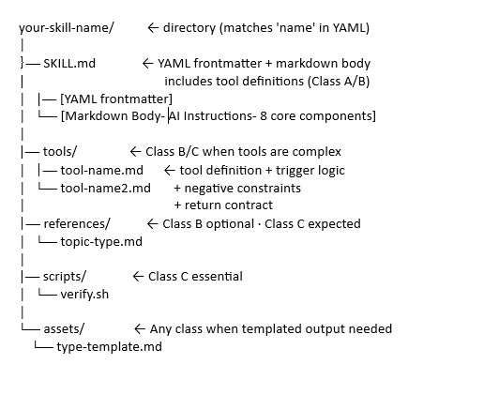

 |  |  | ← Class A:
 |  |  | Class A does not need-

 |  |  | |── tools/
 |  |  | |── references/
 |  |  | |── scripts/
 |  |  | |── assets/

