Op Param
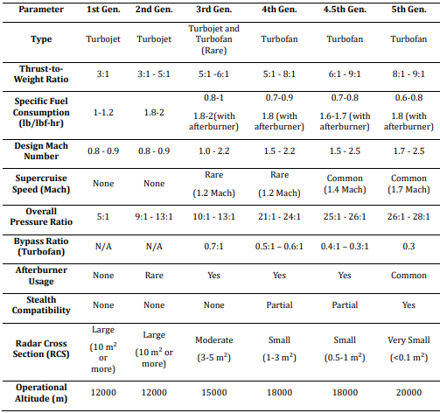
Parameter | 6th gen to propose
Type | Turbofan
Thrust-to-weight ratio | 10:01:00
SFC | 0.6

 | 1.8 with afterburner
Design Mach | 1.2 - 2.5 | from combat Mach to max velocity
Supercruise Mach | Yes | no afterburner
 | 1.8 Mach
Overall pressure ratio | 45 :: 1 | enorme comparada con los otros
Bypass ratio | 0.4 :: 1 (combat)
 | 3 :: 1 (cruise)
Afterburner usage | Yes (not in supercruise)
Stealth compatibility | Yes
Radar cross section | Very small
 | (<0.1 m^2)
Operational altitude | 10700m (combat)

Motor | XA100 | GE YF120 | W F112 | P&W F135 100/400
Type | Three stream | twin spool, axial flow, | twin spool counter | Two-spool, axial flow,
 |  | augmented turbofan | rotating turbofan | augmented turbofan
Length (m) | 5.59 | 4.237 | 0.75 | 5.59
Diameter (mm) | 1219 | 1067 | 300 | 1170 / 1090
Dry weight (kg) |  | 1860 | 73 | 2910
Compressor | 3 stage adaptive fan | 2-stage fan, | twin-spool, | 3-stage fan,
 | 7 stage compresor | 5-stage high pressure compressor | counter-rotating | 6-stage high-pressure compressor
Bypass ratio | Variable | 0.32:1 | 1:01:00 | 0.57:1
Combustor | annular | annular | annular | annular
Turbine | 2 stage high pressure | 1-stage HPT, | Axial | 1-stage high-pressure turbine,
 | 2 stage low pressure | 1-Stage LPT Counter-Rotating |  | 2-stage low-pressure turbine
Max thrust (kN) | 200 | 105kN dry |  | 125 / 191
 |  | 156 kN
OPR |  | 22 to 1 |  | 28 to 1
T/W |  | >8.54:1 |  | 4.36:1 military thrust,
 |  |  |  | 6.70:1 augmented
Nozzle |  | Two Dimensional Vectoring Convergent/Divergent (YF-22),
 |  | Single-Expansion Ramp Nozzle (YF-23)
Fuel type |  | JP-4 | JP-10
 |  | JP-8
Turbine in T (ºC) |  |  | 1090 | 1980
SFC (lb/lbf-hr) |  |  | 0.25 / 0.15

Op Param rev1
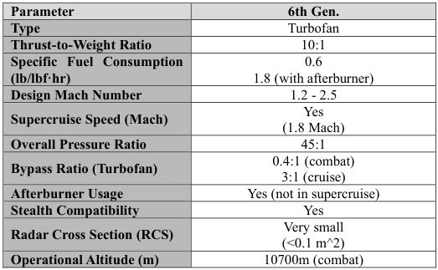
Parameters of aircraft
Parameter | Min | Max | Unit
MTOW (Maximum Take Off Weight) | 30 | 40 | ton
Cruise velocity | 1.5 | 2 | M
Maximum Velocity | 2.5 | 3 | M
Combat radius | 1500 | 2000 | km
Total autonomy | 3500 | 4500 | km
Op altitude cruise | 40000 |  | ft
Op altitude toff | SL
Op altitude combat | 35000 |  | ft
Velocity cruise | 1.8 |  | M
Velocity toff | 0.2 |  | M
Velocity combat | 1.2 |  | M
Thrust toff | 180 | 200 | kN
Thrust combat | 130 | 160 | kN | with / without afburner

Parameters for aircraft engine | Min | Max
Parameter | Value |  | Unit
T2W | >= 10::1
SFC cruise | <=0.6 |  | lb/lbf-h
SFC afburn | <= 2 |  | lb/lbf-h
Design Mach | 1.25 | 2.5
Supcruise Mach | 1.8
OPR | >= 45::1
Bypass ratio combat | 0.4
Bypass ratio cruise | 3
Radar cross section | 0.1 |  | m^2
Nominal thrust (no afb) | 110 | 130 | kN
Maximum thrust (afb) | 180 | 200 | kN
FPR | 3.5 | 6.1
High-compression CPR | >= 15::1
Mass flow rate | 80 | 100 | kg/s
TIT | <= 2100 |  | K
COT | <= 1100 |  | K

