TemporalBadge
# | Designator | Footprint | Value | LCSC Part # | Quantity | SMT | THT | Original | MPN | Unit Price (2500pcs) | Total Price (2500pcs) | Elecrow Note | Customer reply
1 | C1, C40, C41 | 0402 | 22uF | C3845593 | 3 | 6 |  | N | GRM158R61A226ME15D | $0.02 | $0.06
2 | C1-1, C1-2, C1-3, C1-4, C1-5, C1-6, C1-7, C1-8, C2-1, C2-2, C2-3, C2-4, C2-5, C2-6, C2-7, C2-8, C3-1, C3-2, C3-3, C3-4, C3-5, C3-6, C3-7, C3-8, C4-1, C4-2, C4-3, C4-4, C4-5, C4-6, C4-7, C4-8, C5-1, C5-2, C5-3, C5-4, C5-5, C5-6, C5-7, C5-8, C6-1, C6-2, C6-3, C6-4, C6-5, C6-6, C6-7, C6-8, C7-1, C7-2, C7-3, C7-4, C7-5, C7-6, C7-7, C7-8, C8-1, C8-2, C8-3, C8-4, C8-5, C8-6, C8-7, C8-8 | 0603 | LED0603_NOOUTLINE | C19171390 | 64 | 128 |  | N | YLED0603R | $0.05 | $3.20
3 | C10, C17, C8, C9, C22 | 0402 | 4.7uF | C315248 | 5 | 10 |  | N | CL05A106MP5NUNC | $0.02 | $0.10
4 | C11, C12, C14, C2, C37 | 0402 | 100nF | C1525 | 5 | 10 |  | N | CL05B104KO5NNNC | $0.02 | $0.10
5 | C13, C18, C27 | 0402 | 10uF | C315248 | 3 | 6 |  | N | CL05A106MP5NUNC | $0.02 | $0.06
6 | C5, C15, C25, C26, C33 | 0402 | 1uF | C14445 | 5 | 10 |  | N | CL05A105KP5NNNC | $0.02 | $0.10
6 | C24 | 0402 | 1uF | C14445 | 1 | 2 |  | DNP | CL05A105KP5NNNC | $0.02 | $0.10 | OLED RC Delay
7 | C16, C19, C20, C21, C3, C4, C6 | 0402 | 0.1uF | C1525 | 7 | 2 |  | N | CL05B104KO5NNNC | $0.02 | $0.02
9 | C23, C38 | 0402 | 22pF | C76960 | 2 | 14 |  | N | GRM1555C1H220JA01D | $0.02 | $0.14
11 | D1, D3, D4, D5, D8, D9 | D_SOD-523 | D_Schottky | C917006 | 6 | 4 |  | N | 1N4148WT | $0.05 | $0.04
11 | D6 | D_SOD-523 | D_Schottky | C917006 | 1 | 12 |  | DNP | 1N4148WT | $0.05 | $0.04 | OLED RC Delay
12 | D10 | SOT-143 | PRTR5V0U2X | C5180302 | 1 | 4 |  | Y | PRTR5V0U2X-ES | $0.03 | $0.30
13 | D12 | D_SOD-123F | DSS24 | C511865 | 1 | 2 |  | N | DSS24 | $0.01 | $0.05
14 | D14, D15 | vsmy14940 | VSMY14940 | C511069 | 2 | 4 |  | Y | VSMY14940 | $0.55 | $0.03
15 | J1 | USB_C_Receptacle_Palconn_UTC16-G | USB C 2.0 | C2765186 | 1 | 16 | 4 | N | TYPE-C 16PIN 2MD(073) | $0.10 | $0.01
16 | J6 | JST_SH_SM04B-SRSS-TB_1x04-1MP_P1.00mm_Horizontal | I2C | SM04B-SRSS-TB(LF)(SN) | 1 | 1 |  | N | SM04B-SRSS-TB(LF)(SN) | $0.06 | $0.06
16 | J2 | PinSocket_1x04_P2.54mm_Vertical | I2C | DNP | 1 |  |  | DNP
17 | J3 | JST_PH_S2B-PH-SM4-TB_1x02-1MP_P2.00mm_Horizontal | JST PH | C295747 | 1 | 4 |  | N | S2B-PH-SM4-TB(LF)(SN) | $0.05 | $0.10
18 | J5 | JST_SH_SM04B-SRSS-TB_1x04-1MP_P1.00mm_Horizontal | UART | SM04B-SRSS-TB(LF)(SN) | 1 | 3 |  | N | SM04B-SRSS-TB(LF)(SN) | $0.06 | $0.06
19 | L1 | L_APV_APH0530 | 10uh | C181721 | 1 | 2 |  | Y | SMMS0530-100M | $0.07 | $0.00
20 | L5 | L_Coilcraft_LPS3010 | 2.2uh | C2926400 | 1 | 2 |  | Y | YHNR4020-2R2M | $0.10 | $0.05
21 | M1 | Vybronics_VZ30C1T8219732L | Z3OC1T8219731 | Z3OC1T8219731 | 1 | 3 |  | Y | Z3OC1T8219731 | $0.80 | $0.06
22 | Q1, Q3 | SOT-23 | DMN2058U | C461001 | 2 | 6 |  | Y | DMN2058U-7 | $0.05 | $0.07
23 | Q2 | SOT-23 | MMBT3904 | C916374 | 1 | 3 |  | N | MMBT3904 | $0.01 | $0.10
24 | R1, R2, R3, R4, R5, R29, R49, R51 | 0402 | 0 | C106231 | 8 | 2 |  | N | RC0402FR-070RL | $0.01 | $0.80 | Please confirm the resistance value of this item. | Correct Value
24 | R48, R50, R52 | 0402 | 0 | C106231 | 3 | 4 |  | DNP | RC0402FR-070RL | $0.01 | $0.80 | Please confirm the resistance value of this item. | Correct Value
25 | R10, R9 | 0402 | 5.1K | C25905 | 2 | 4 |  | N | 0402WGF5101TCE | $0.01 | $0.10
26 | R11, R15, R24 | 0402 | 150K | C93947 | 3 | 2 |  | N | RC0402FR-07150KL | $0.01 | $0.01
27 | R12, R31, R41, R42 | 0402 | 1K | C106235 | 4 | 16 |  | N | RC0402FR-071KL | $0.01 | $0.08
28 | R14, R22 | 0402 | 680K | C163456 | 2 | 6 |  | N | RC0402FR-07680KL | $0.01 | $0.03
29 | R6, R16, R17, R18, R21, R26, R28, R32, R38, R45 | 0402 | 10K | C60490 | 10 | 4 |  | N | RC0402FR-0710KL | $0.01 | $0.02
29 | R30, R34, R35 | 0402 | 10K | C60490 | 3 | 6 |  | DNP | RC0402FR-0710KL | $0.01 | $0.02
30 | R19, R20 | 0402 | 1.8K | C163481 | 2 | 6 |  | N | RC0402FR-071K8L | $0.01 | $0.03 | Please confirm the resistance value of this item. | Correct Value
31 | R23, R25 | 0402 | 100K | C60491 | 2 | 8 |  | N | RC0402FR-07100KL | $0.01 | $0.04
33 | R27 | 0402 | 330 | C105875 | 1 | 4 |  | N | RC0402FR-07330RL | $0.01 | $0.02 | Please confirm the resistance value of this item. | Correct Value
34 | R33, R39 | 0402 | 150 | C138054 | 2 | 20 |  | N | RC0402FR-07150RL | $0.01 | $0.10
35 | R36, R37 | 0805 | 24 | C2933380 | 2 | 6 |  | N | FRC0805F24R0TS | $0.01 | $0.03 | Please confirm the packaging of this item. | Correct Value
36 | R40 | 0402 | 10 | C138066 | 1 | 4 |  | N | RC0402FR-0710RL | $0.01 | $0.02
37 | R43 | 0402 | 1.1M | C49254096 | 1 | 4 |  | N | CL0402FN1M1P | $0.01 | $0.02 | Please confirm the resistance value of this item. | Correct Value
38 | R44 | 0402 | 120K | C93945 | 1 | 2 |  | N | RC0402FR-07120KL | $0.01 | $0.01 | Please confirm the resistance value of this item. | Correct Value
39 | R47 | 0402 | 910K | C3921007 | 1 | 4 |  | N | RE0402BRE07910KL | $0.02 | $0.02
40 | R7, R8 | 0402 | 4.7K | C105871 | 2 | 4 |  | N | RC0402FR-074K7L | $0.01 | $0.02
41 | SW1 | SW_SPST_B3U-1000P-B | Reset | C231329 | 1 | 2 |  | N | B3U-1000P | $0.16 | $0.01
42 | SW4, SW5, SW6, SW7 | SW_Push_1TS009xxxx-xxxx-xxxx_6x6x5mm | SW_Push | C25168849 | 4 | 8 |  | N | HX 6x6x4.3WS | $0.07 | $0.01
43 | U1 | LGA-12_2x2mm_P0.5mm | ST LIS2DH12TR | C110926 | 1 | 12 |  | Y | LIS2DH12TR | $0.80 | $0.01
44 | U10 | SOT-23-5 | SY8089 | C79313 | 1 | 5 |  | Y | SY8088AAC | $0.06 | $0.02
45 | U2 | VQFN-16-1EP_3x3mm_P0.5mm_EP1.6x1.6mm | BQ24079RGT | C2876751 | 1 | 16 |  | Y | BQ24079QWRGTRQ1 | $2.00 | $0.02
46 | U3 | ESP32-S3-WROOM-1 | ESP32-S3-WROOM-1 | C2913202 | 1 | 41 |  | Y | ESP32-S3-WROOM-1-N16R8 | $4.10 | $0.16
47 | U4 | QFN-28-1EP_4x4mm_P0.4mm_EP2.3x2.3mm | IS31FL3731-QF | C191206 | 1 | 28 |  | Y | IS31FL3731-QFLS2-TR | $1.00 | $0.28
48 | U5 | TE_2-1734839-4_1x24-1MP_P0.5mm_Horizontal | 24P FPC 0.5MM | 2-1734839-4 | 1 | 24 |  | N | 2-1734839-4 | $0.30 | $0.80 | 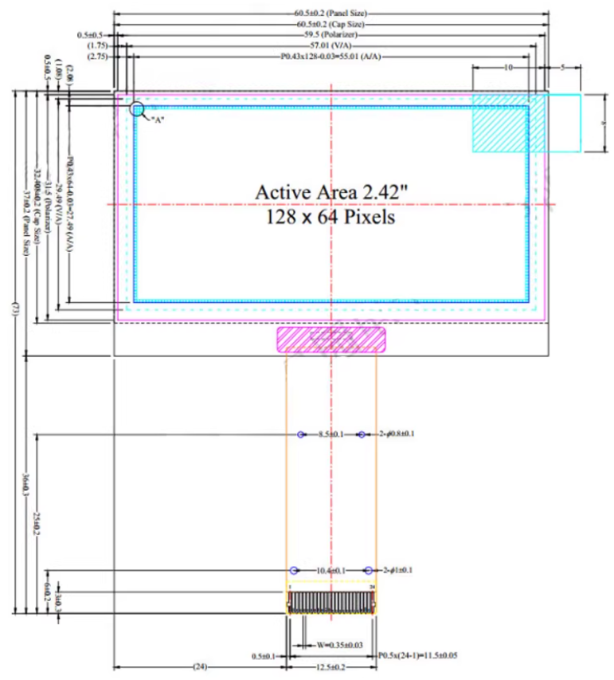 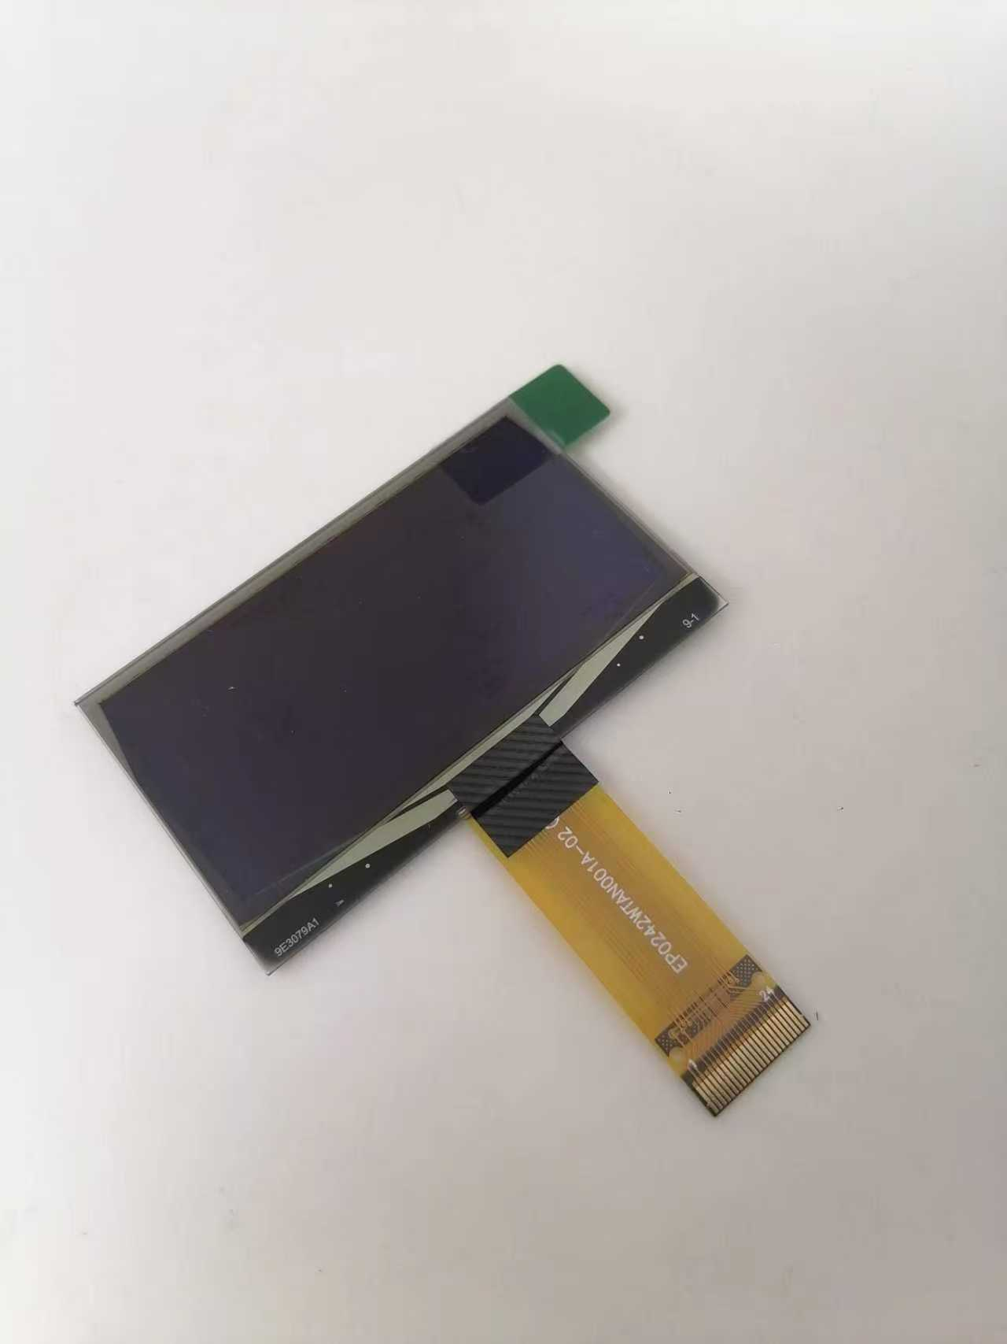
49 | U6 | JOYSTICK_ANALOG_MINITHM | p2765 |  | 1 |  | 6 | N | ？？ | $2.00 | $0.06 | The current price is an estimate, including the cap.You can advice supplier who has the JOYSTICK with cap
50 | U7 | SOT-23-5 | TPS61040DBV | C9846 | 1 | 5 |  | Y | TPS61041DBVR | $0.30 | $2.00
51 | U8 | TSOP753 | TSOP75338 | C6561231 | 1 | 4 |  | Y | TSOP75338TR | $1.30 | $4.10 | TSOP75338TR | If you can find TSOP75538TR, (higher AGC setting C5966823) version, please use that. Side packed TR version is correct, we'd like it facing horizontally pointing toward the edge of the board (I think it's rotated 180 degrees in the current PCB)
52 | Y1 | Crystal_SMD_3215-2Pin_3.2x1.5mm | 32.768KHz | C97606 | 1 | 2 |  | Y | SC-32S32.768kHz20PPM12.5pF | $0.25 | $1.00
53 | 显示屏 | 128x64 OLED Screen Module 2.42 Inch OLED Display SSD1309(KWH0242UL01) |  | KWH0242UL01 | 1 |  |  | N | KWH0242UL01 | $7.00 | $0.30 |  | We would like these adhesive taped to the front.
54 | 锂电池 1000mAh（60*34*50） 带板电线带连接头2.0间距正向端子 |  |  |  | 1 |  |  | N | 锂电池 1000mAh（60*34*50） | $1.00 | $2.00
 |  |  |  |  | 179 | 496 | 10 |  |  | $12.88 | $8.39

 |  | Black resin | 3D |  | 50 |  |  |  |  | $0.75 | $1.00
 |  | Black resin | 3D |  | 30 |  |  |  |  | $0.82 | $2,305.52

