methods-and-concepts
Column1 | Column2 | Column3 | Column4 | Column5 | Column6 | Column7
Name | Returns | Syntax | Example | Description | Parameters | Extra
Document.querySelectorAll() | A non-live NodeList containing one Element object for each element that matches at least one of the specified selectors or an empty NodeList in case of no matches. | const element = document.getElementById("id"); |  | Document method: returns a static (not live) NodeList representing a list of the document's elements that match the specified group of selectors. A selector could be a element type followed by a dot and then a class name. | selectors A DOMString containing one or more selectors to match against. This string must be a valid CSS selector string; if it's not, a SyntaxError exception is thrown | Note: If the specified selectors include a CSS pseudo-element, the returned list is always empty.
Document.getElementById() | An Element object describing the DOM element object matching the specified ID, or null if no matching element was found in the document. | const element = document.getElementById("id"); | 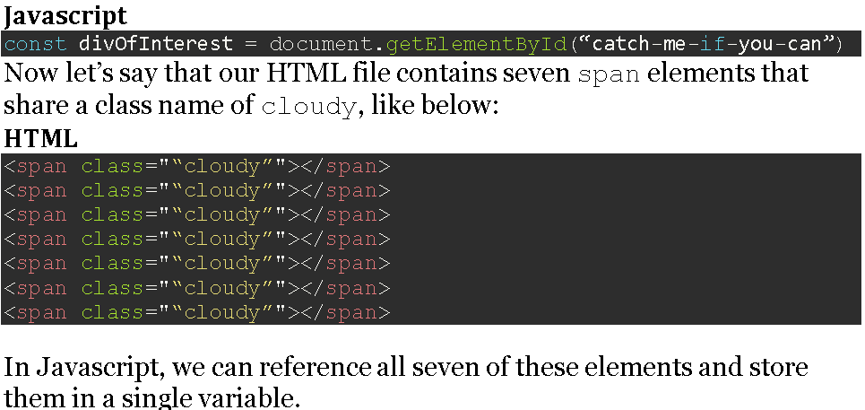 | Document method getElementById() returns an Element object representing the element whose id property matches the specified string. Since element IDs are required to be unique if specified, they're a useful way to get access to a specific element quickly. If you need to get access to an element which doesn't have an ID, you can use querySelector() to find the element using any selector. | id The ID of the element to locate. The ID is case-sensitive string which is unique within the document; only one element may have any given ID. | Usage notes The capitalization of "Id" in the name of this method must be correct for the code to function; getElementByID() is not valid and will not work, however natural it may seem. Unlike some other element-lookup methods such as Document.querySelector() and Document.querySelectorAll(), getElementById() is only available as a method of the global document object, and not available as a method on all element objects in the DOM. Because ID values must be unique throughout the entire document, there is no need for "local" versions of the function.
Document.createElement() | The new element | let element = document.createElement(tagName[, options]); | 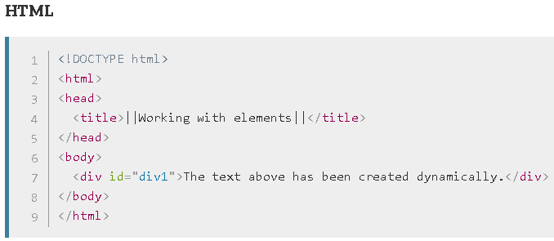 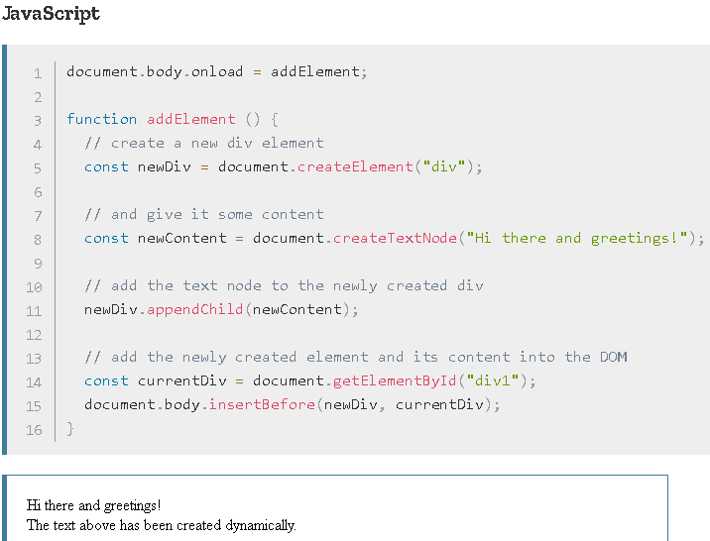 | In an HTML document, the document.createElement() method creates the HTML element specified by tagName, or an HTMLUnknownElement if tagName isn't recognized. | tagName A string that specifies the type of element to be created. The nodeName of the created element is initialized with the value of tagName. Don't use qualified names (like "html:a") with this method. When called on an HTML document, createElement() converts tagName to lower case before creating the element. In Firefox, Opera, and Chrome, createElement(null) works like createElement("null"). options Optional An optional ElementCreationOptions object, containing a single property named is, whose value is the tag name of a custom element previously defined via customElements.define(). See Web component example for more details.
Element.setAttribute() | Undefined | Element.setAttribute(name, value); | 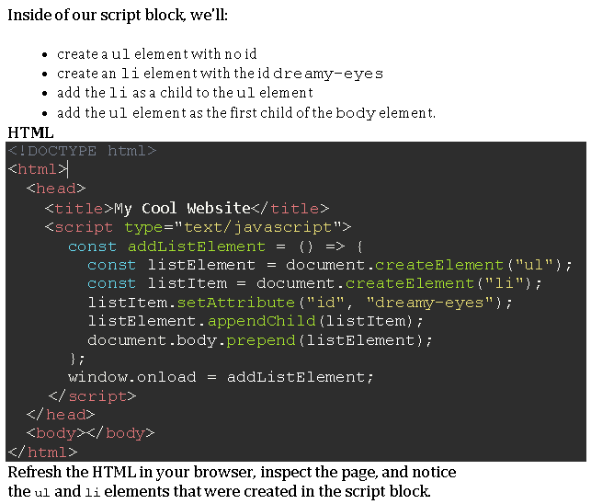 | Sets the value of an attribute on the specified element. If the attribute already exists, the value is updated; otherwise a new attribute is added with the specified name and value. To get the current value of an attribute, use getAttribute(); to remove an attribute, call removeAttribute(). | 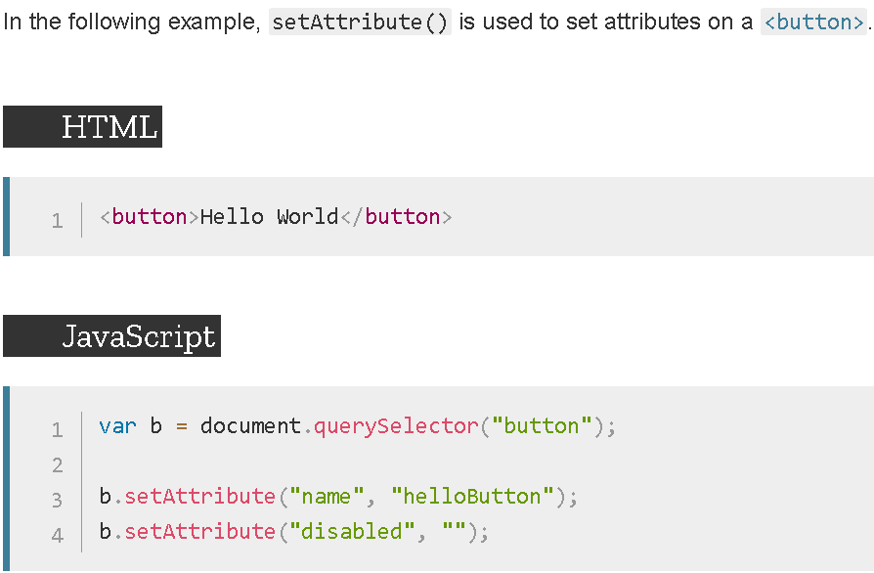 | Boolean attributes are considered to be true if they're present on the element at all, regardless of their actual value; as a rule, you should specify the empty string ("") in value (some people use the attribute's name; this works but is non-standard). See the example below for a practical demonstration. Since the specified value gets converted into a string, specifying null doesn't necessarily do what you expect. Instead of removing the attribute or setting its value to be null, it instead sets the attribute's value to the string "null". If you wish to remove an attribute, call removeAttribute().
Document.createTextNode() | nothing | let text = document.createTextNode(data); | 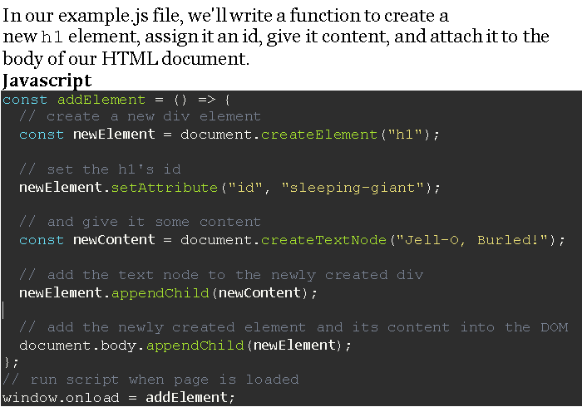 |  | data : is a string containing the data to be put in the text node.
Node.appendChild() | The returned value is the appended child (aChild), except when aChild is a DocumentFragment, in which case the empty DocumentFragment is returned. | element.appendChild(aChild) | 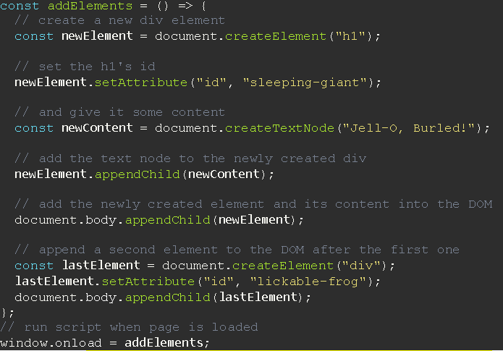 | The Node.appendChild() method adds a node to the end of the list of children of a specified parent node. If the given child is a reference to an existing node in the document, appendChild() moves it from its current position to the new position (there is no requirement to remove the node from its parent node before appending it to some other node). This means that a node can't be in two points of the document simultaneously. So if the node already has a parent, the node is first removed, then appended at the new position. The Node.cloneNode() method can be used to make a copy of the node before appending it under the new parent. Note that the copies made with cloneNode will not be automatically kept in sync. If the given child is a DocumentFragment, the entire contents of the DocumentFragment are moved into the child list of the specified parent node. | The ParentNode.append() method supports multiple arguments and appending strings.
GlobalEventHandlers.onload | nothing | target.onload = functionRef; |  |  | Value functionRef is the handler function to be called when the window’s load event fires.
 |  |  |  |  |  | Notes The load event fires at the end of the document loading process. At this point, all of the objects in the document are in the DOM, and all the images, scripts, links and sub-frames have finished loading. There are also DOM Events like DOMContentLoaded and DOMFrameContentLoaded (which can be handled using EventTarget.addEventListener()) which are fired after the DOM for the page has been constructed, but do not wait for other resources to finish loading.

¯Non Methods ¯

Name | Syntax | link | Example | Description | Extra | Extra
How to link a js script file to HTML | <script src="javascript.js"></script> | https://developer.mozilla.org/en-US/docs/Web/HTML/Element/script | <script type = "text/javascript" src='./myProfile.js' ></script> | The HTML <script> element is used to embed executable code or data; this is typically used to embed or refer to JavaScript code. The <script> element can also be used with other languages, such as WebGL's GLSL shader programming language and JSON. | src: This attribute specifies the URI of an external script; this can be used as an alternative to embedding a script directly within a document. type: This attribute indicates the type of script represented. The value of this attribute will be in one of the following categories: | src: This attribute specifies the URI of an external script; this can be used as an alternative to embedding a script directly within a document. type: This attribute indicates the type of script represented. The value of this attribute will be in one of the following categories:
How to link a css file to HTML | <link href="main.css" rel="stylesheet"> | <link>: The External Resource Link element - HTML: HyperText Markup Language | MDN | <link rel="stylesheet" type="text/css" href="myProfile.css"> | The HTML External Resource Link element (<link>) specifies relationships between the current document and an external resource. This element is most commonly used to link to stylesheets, but is also used to establish site icons (both "favicon" style icons and icons for the home screen and apps on mobile devices) among other things. | Providing alternative stylesheets You can also specify alternative style sheets. The user can choose which style sheet to use by choosing it from the View > Page Style menu. This provides a way for users to see multiple versions of a page. <link href="default.css" rel="stylesheet" title="Default Style"> <link href="fancy.css" rel="alternate stylesheet" title="Fancy"> <link href="basic.css" rel="alternate stylesheet" title="Basic"> | Providing alternative stylesheets You can also specify alternative style sheets. The user can choose which style sheet to use by choosing it from the View > Page Style menu. This provides a way for users to see multiple versions of a page. <link href="default.css" rel="stylesheet" title="Default Style"> <link href="fancy.css" rel="alternate stylesheet" title="Fancy"> <link href="basic.css" rel="alternate stylesheet" title="Basic">
"click" event | "Click" event | https://developer.mozilla.org/en-US/docs/Web/API/Element/click_event | 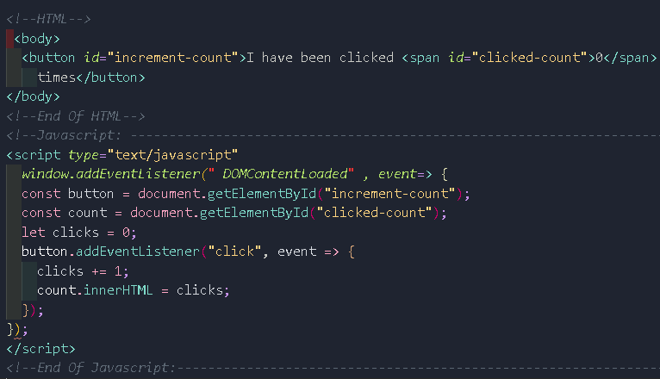 |  | onclick overrides existing event listeners, while addEventListener() does not, making it easy to add new event listeners. | onclick overrides existing event listeners, while addEventListener() does not, making it easy to add new event listeners.
GlobalEventHandlers.onclick | target.onclick = functionRef; | https://developer.mozilla.org/en-US/docs/Web/API/GlobalEventHandlers/onclick | 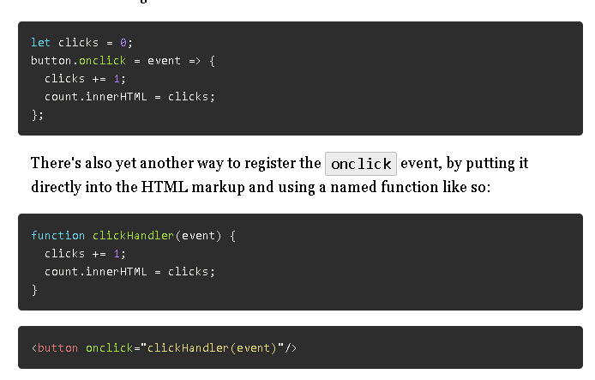
checkbox check event

