MCAA RECAP
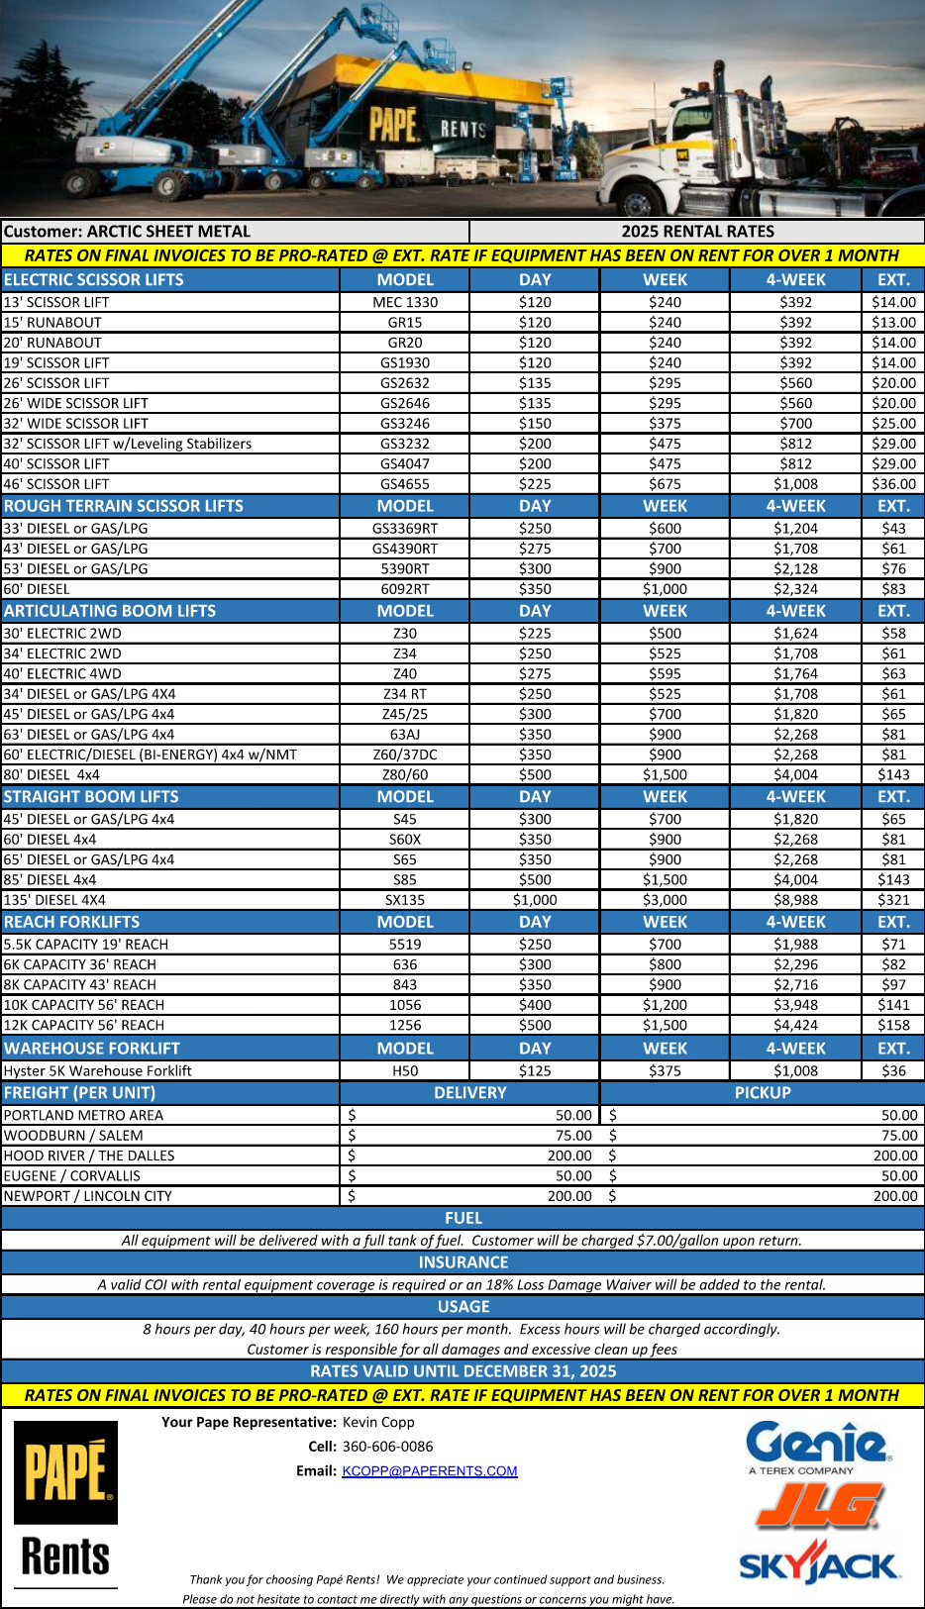
 |  |  |  |  |  |  |  |  |  |  | Updated | 2025-08-26
Existing |  |  |  |  |  |  |  |  |  |  |  | Updated SM Labor Rates

 |  |  |  |  |  |  |  |  |  |  |  | Project Type | Commercial
 |  |  | Estimate Recap |  |  | Job Name: | ENFRA - Columbia Gorge |  |  |  |  | Project SqFt
Bid # | 25-800 |  | Bid Date/time: |  |  | Location: |  |  |  |  |  | Material Lbs

Phase Codes | Labor Modifiers |  |  | Factored Labor from worksheets |  |  |  |  |  |  |  | $/SqFt
 | Plumb % | Pipe % | SM % | 5-Plumb | 6-Pipe | 3-SM Field | 2-SM Shop |  |  |  |  | Field Lbs/Hr |  |  |  |  | Default Percentages
Total Hours From Takeoff Worksheets −−→ |  |  |  | 0.00 | 0.00 | 3779.50 | 529.60 |  |  |  |  | Shop Lbs/Hr |  |  |  |  | Plumb % | Pipe % | SM %
1-03/2-05 | 16.0% | 16.0% | 16.0% | 0.00 | 0.00 | 604.72 | 0.00 | 0.0% | Detailing |  |  |  |  |  |  |  | 16.0% | 16.0% | 16.0%
8-16 / 10 | 4.0% | 9.0% | 1.0% | 0.00 | 0.00 | 37.80 | 0.00 | 0.0% | Testing |  |  | Select this button to insert fixed values in the range to the left. |  |  |  |  | 4.0% | 9.0% | 1.0%
2/3-09 | 2.0% | 2.0% | 2.0% | 0.00 | 0.00 | 75.59 | 0.00 | 0.0% | Safety |  |  |  |  |  |  |  | 2.0% | 2.0% | 2.0%
04 | 5.0% | 5.0% | 0.0% | 0.00 | 0.00 | 0.00 | 0.00 | 0.0% | QC |  |  |  |  |  |  |  | 5.0% | 5.0% | 0.0%
06 | 10.0% | 10.0% | 10.0% | 0.00 | 0.00 | 377.95 | 0.00 | 0.0% | Material Handling |  |  | Quick Commands |  |  |  |  | 10.0% | 10.0% | 10.0%
1-22 | Schedule | 5 8's |  | 0.00 | 0.00 | 0.00 | 0.00 | 0.0% | Loss of Production |  |  | Ctrl+H=Help Menu
 | Total Field Hours with Adders −−→ |  |  | 0.00 | 0.00 | 4875.56 | 529.60 |  |  |  |  | Ctrl+I=Import Menu
 |  |  |  |  |  |  |  |  |  |  |  | Ctrl+T=Shows Live Total Estimate Value & $ Difference | Loss-Of- Productivity (LOP):
 |  |  |  | Labor Rates |  |  |  | Labor Value | Premium Time Add |  |  | Ctrl+B=Shows Booking Status and Missing Values | Schedule | LOP |  | Default
 | Plumb Labor Rate (Blend) |  |  | 129.55 |  |  |  | $- | $- |  |  | Ctrl+Q=Quote | 5/8s | 0% |  | 0
 | Pipe Labor Rate (Blend) |  |  |  | 129.55 |  |  | $- | $- |  |  | Ctrl+W=Plug | 5/10s | 15% |  | 15
 | Sheetmetal Field Labor Rate (Blend) |  |  |  |  | 97.32 |  | $474,489.50 | $- |  |  |  | 6/10s | 25% |  | 25
 | Sheetmetal Shop Labor Rate (Blend) |  |  |  |  |  | 106.50 | $56,402.40 | $- |  |  |  | 60/60/50s | 25% |  | 25
 |  |  |  |  |  | Subtotal Labor Cost −−→ |  | $530,891.90 | $- | 1 | 1 |  | 7/10s |  | huge
 | No OCIP |  | Arch Hrs in SM Takeoff |  |  |  |  |  |  | 2 | 2 |  | 7/12s |  | ginormous
 | Amount | $0.00 | 0 |  |  |  | Total Labor Cost −−→ |  | $530,891.90 |  |  |  | *Only use up to 60/60/50 for budgeting

Material Costs |  | Plumb | $- |  | Pipe | $- |  | Sheet Metal | $855,040.00

 |  |  |  |  |  |  | Total Material Cost −−→ |  | $855,040.00
Phase Codes |  |  |  |  |  |  |  |  |  |  |  |  | Never COMMIT to anything greater
 |  |  |  | Subcontractor |  |  |  | Quote / Plug | Value |  | Notes
7-03 | Ext Insulation SqFt
7-01 | Test and Balance
7-02 | Instrumentation and Control
7-15 | Crane and Hoisting
7-07 | Engineering

 |  |  |  |  |  | Total Subcontract −−→ |  |  | $-
Phase Codes |  |  |  | Other Costs
 |  |  |  | % of Labor | Hours | Rate |  |  |  |  |  | Select this button to insert fixed values in the range to the left. | DEFAULTS
1-01 | Project Manager |  |  | 10.0% | 540.52 | $112.52 | $60,819.32 |  |  |  | % Trade Field |  | 10.0%
5-01 | Plumb Field Supervision (NW) |  |  | 15.0% | 0.00 | $134.26 | $- |  |  |  | % Trade Field |  | 15.0%
6-01 | Pipe Field Supervision (NW) |  |  | 15.0% | 0.00 | $134.26 | $- |  |  |  | % Trade Field |  | 15.0%
8-01 | Arch Field Supervision (NW) |  |  | 0.0% | 0.00 | $109.28 | $- |  |  |  | % Trade Field |  | 0.0%
3-01 | Sheetmetal Field Supervision (NW) |  |  | 15.0% | 731.33 | $109.28 | $79,919.74 |  |  |  | % Trade Field |  | 15.0%
From Pg 3 | Equipment Rental |  |  |  |  |  | $- |  |  |  | From Page 3
From Pg 2 | Other Project General Conditions Cost |  |  |  |  |  | $15,926.8 | 1% | % GC of Total Cost |  | From Page 2
 |  | Work Recovery |  |  |  |  | Total Other Costs −−→ |  | $156,665.82
 | Plumb/Pipe |  | Architectural |  | Sheet Metal
 | $0.00 |  | $0.00 |  | $0.00

 |  |  |  | Total of Direct Costs |  |  | $1,542,597.72 | % of Bid | % Labor M/U
 |  |  |  | Subcontractor Mark Up |  | 10.0% | $- | 24% | 94% | 2
 |  |  |  | Equipment Mark Up |  | 10.0% | $-
 |  |  |  | Overhead and Profit Excluding Lines from Above |  | 32.5% | $501,345.00
 |  |  |  | Project Subtotal |  |  | $2,043,942.72
 |  |  |  | Market Recovery |  |  | $0.00 |  |  |  | Notes
Bond Required |  |  |  | Miscellaneous Cost/Contingency(No Markup)
No |  |  |  | Bonds (Performance) |  |  | $-
 |  |  |  | Permits |  |  | $0.00
 |  |  |  | Oregon CAT Tax |  |  | $11,241.68 | 0.55% |  |  | Multomah Cty Tax (.15% of sell) added into WA and CAT Tax
 |  |  |  | Cost Leveler & Add/Deduct |  |  | $0.59
 |  |  |  | Total Bid −−→ |  |  | $2,055,185.00 |  |  |  |  |  | $2,055,185.00 | 11/21/25 | $0.00

 |  |  | Project General Conditions/Indirect Costs

Phase Codes
 | Description |  |  | QUAN/DUR | QUAN/DUR | RATE | AMOUNT | PERMITS |  |  | Notes
1-17 | Permits |  |  |  |  |  |  | Plumbing | $0.00
1-10 | Safety Supplies (Percentage of Materials) |  |  |  |  | 0% | $0.00 | HVAC | $0.00
1-15 | Small Tools and Consumeables (% of Straight Field Labor) |  |  |  |  | 3% | $15,926.76 | Med Gas | $0.00
1-24 | Third Party Freight (% of Total Labor) |  |  |  |  | 0% | $0.00 | Boiler | $0.00
1-06 | Trucking Hrs / #Loads / $ per hr |  |  |  |  | $78.56 | $0.00 | Special Insp | $0.00
1-14 | Temporary Power |  |  |  |  | $0 | $0.00 | Permit Calculator | $0.00
1-14 | Temporary Water |  |  |  |  | $0 | $0.00 | Total Permits | $0.00
1-26 | Telephones and Fax |  |  |  |  | $0 | $0.00
1-10 | Job Safety Supplies |  |  |  |  | $0 | $0.00
1-19 | Job Truck |  |  |  |  | $0 | $0.00
1-28 | Fuel |  |  |  |  | $0 | $0.00
1-25 | Parking |  |  |  |  | $0 | $0.00
1-11 | Site Office - Trailer |  |  |  |  | $0 | $0.00
1-12 | Site Storage Facility |  |  |  |  | $0 | $0.00
1-07 | Miscellaneous |  |  |  |  | $0 | $0.00
1-25 | Subsistence - Arch |  |  |  |  | $0 | $0.00
1-25 | Subsistence - Service |  |  |  |  | $0 | $0.00
1-25 | Subsistence - Sheet Metal |  |  |  |  | $0 | $0.00
1-25 | Subsistence - PM/Admin |  |  |  |  | $0 | $0.00
1-02 | Administrative Assistance |  |  |  |  | $0 | $0.00
3-11 | Job Orientation - Sheet Metal Field |  |  |  |  | $99.58 | $0.00
1-01 | Assistant PM |  |  |  |  | $53.11 | $0.00
1-21 | Third Party Testing |  |  |  |  | $0 | $0.00
1-05 | Laborer- or Non Bargaining (Cleanup Crew) |  |  |  |  | $53.11 | $0.00
1-10 | Safety Supplies |  |  |  |  | $0 | $0.00
1-03 | CAD Operator |  |  |  | 0.0 | $112.52 | $0.00
 |  |  |  |  |  | $0 | $0.00
 |  |  |  |  |  | $0 | $0.00
 |  |  |  |  |  | $0 | $0.00
1-22 | Miscellaneous (% of Takeoff Labor & Material $'s) |  |  |  |  | 0% | $0.00 |  |  |  | % of all material and labor costs excluding supervision
 |  |  |  |  | TOTAL GCs −−→ |  | $15,926.76

 |  |  | Equipment Rentals

Phase Codes
 | Description |  |  |  |  | Quantity | Duration | Rate per Qty | Total |  | Notes
7-15 | Crane/Hoist |  |  |  |  |  |  | $250.00 | $-
7-15 | Crane Mobilization - Demobilization and Setup |  |  |  |  |  |  | $1,000.00 | $-
1-19 | Scissor Lift - Large (Rough Terrain Under 33') |  |  |  |  |  |  | $1,200.00 | $-
1-19 | Scissor Lift - Small (Under 26') |  |  |  |  |  |  | $600.00 | $-
1-19 | Boom Truck |  |  |  |  |  |  | $- | $-
1-19 | Articulating Boom - Snorkel (Under 40' Reach) |  |  |  |  |  |  | $1,550.00 | $-
1-19 | Forklift - Large, Gradall (5.5K 19' Reach) |  |  |  |  |  |  | $1,750.00 | $-
1-19 | Forklift - Small (5K Wharehouse Style) |  |  |  |  |  |  | $1,000.00 | $-
1-19 | Genie Lift |  |  |  |  |  |  | $- | $-
1-19 | Weld Machine Electric |  |  |  |  |  |  | $- | $-
1-19 | Weld Machine Gas |  |  |  |  |  |  | $- | $-
1-19 | Scaffold |  |  |  |  |  |  | $- | $-
8-24 | Arch Specialty Rental Equipment |  |  |  |  |  |  |  | $-
 |  |  |  |  |  |  |  | $- | $-
 |  |  |  |  |  |  |  | $- | $-
 |  |  |  |  |  |  |  | $- | $-
 |  |  |  |  |  | Total Equipment Rental and Third Party −−→ |  |  | $-

