Trends
Trends & Patterns

Monthly Revenue Trend
Monthly Orders & Revenue
Month | Orders | Revenue
2023-01 | 47 | 56685.75
2023-02 | 37 | 40117.66
2023-03 | 43 | 48609.37
2023-04 | 31 | 27751.71
2023-05 | 49 | 63836.84
2023-06 | 45 | 49500.19
2023-07 | 44 | 42820.66
2023-08 | 51 | 54352.14
2023-09 | 29 | 29526.67
2023-10 | 47 | 52607.85
2023-11 | 41 | 43079.67
2023-12 | 46 | 43754.73
2024-01 | 32 | 38528.08
2024-02 | 32 | 36909.57
2024-03 | 36 | 36030.9
2024-04 | 50 | 49613.14
2024-05 | 34 | 27909.11
2024-06 | 53 | 68068.54
2024-07 | 43 | 42963.98
Revenue by Product
2024-08 | 28 | 31991.07
2024-09 | 44 | 39794.98
2024-10 | 31 | 37226.97
2024-11 | 35 | 32413.76
2024-12 | 41 | 38785.77
2025-01 | 27 | 29099.4
2025-02 | 37 | 35317.55
2025-03 | 49 | 39200.66
2025-04 | 32 | 31821.2
2025-05 | 37 | 43396.64
2025-06 | 49 | 53047.4

Revenue by Product
Product | Orders | Revenue | AvgOrderValue
Chair | 178 | 195620.11 | 1098.99
Printer | 181 | 195612.61 | 1080.73
Laptop | 173 | 192126.56 | 1110.56
Tablet | 179 | 186568.95 | 1042.28
Monitor | 163 | 175651.41 | 1077.62
Desk | 170 | 167459.93 | 985.06
Phone | 156 | 151722.39 | 972.58

Revenue by Payment Method
PaymentMethod | Orders | Revenue
Credit Card | 234 | 263847.63
Online | 258 | 262442.94
Cash | 246 | 259786.29
Gift Card | 230 | 246323.92
Debit Card | 232 | 232361.18

Revenue by Referral Source
ReferralSource | Orders | Revenue
Instagram | 259 | 275285.45
Email | 250 | 261808.55
Google | 241 | 250441.48
Facebook | 228 | 250410.9
Referral | 222 | 226815.58

Orders by Status
OrderStatus | Orders
Cancelled | 250
Returned | 247
Pending | 237
Shipped | 235
Delivered | 231

Revenue by Coupon Code
CouponCode | Orders | Revenue | AvgOrderValue
FREESHIP | 313 | 335036.99 | 1070.41
No Coupon | 309 | 322401.41 | 1043.37
SAVE10 | 286 | 304840.02 | 1065.87
WINTER15 | 292 | 302483.54 | 1035.9

Charts
EDA Visual Evidence

1. TotalPrice Distribution
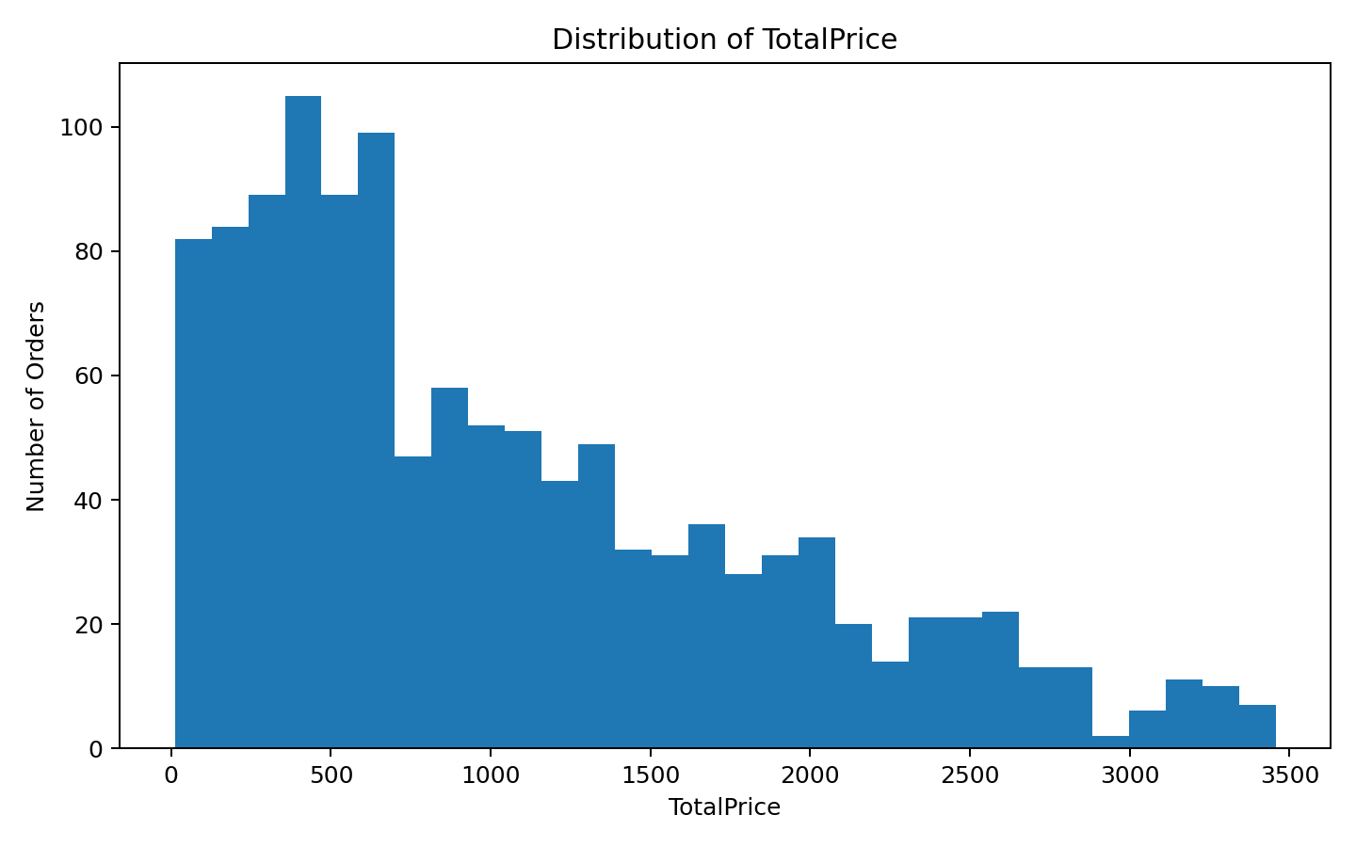

Interpretation: TotalPrice is right-skewed: the mean (Rs. 1,053.97) is above the median (Rs. 823.62), and a small number of high-value orders extend the upper tail.

2. TotalPrice Boxplot
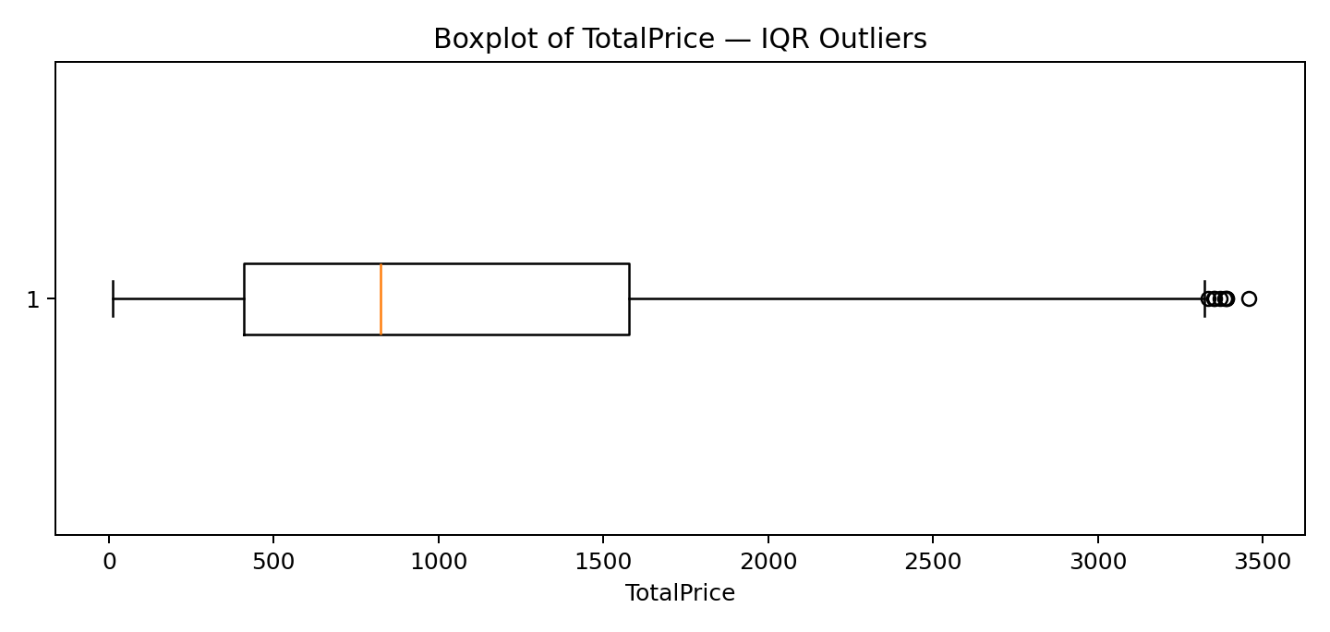

Interpretation: The boxplot provides visual evidence for the 8 TotalPrice values above the IQR upper bound of Rs. 3,330.41.

