About
Welcome to my Excel Project for Learning and Data Analysis! This file contains multiple examples of Excel formulas for data analysis. It is designed to help students, professionals, and enthusiasts learn and improve their Excel skills.
If you find this helpful, consider following me for more projects and updates:
- Linktree: https://linktr.ee/areejanjum
- GitHub: https://github.com/AreejAnjum/Excel-Learning-0-to-Mastery
- LinkedIn: https://www.linkedin.com/in/areejanjum/
- Medium: https://medium.com/@areejanjum
- Substack: https://substack.com/@areejanjum
Please help others by sharing....

Covered Content
Covered Cotent?

Sorting by different Levels
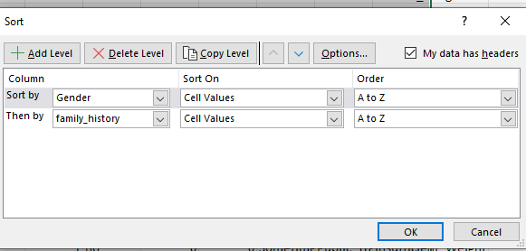

Filtering

