Sheet1
Schools Performance Dashboard
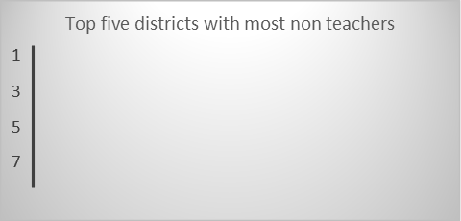
 | Count of gender_studying | Count of medium | Sum of Teachers
Rural | 42416 | 0.88016434604 | 305895
Urban | 5775 | 0.11983565396 | 85321
(blank) | 0 | 0 | 0
school distribution as per gender
 | Total
Female | 25270
Male | 22921
(blank) | 0

level-wise school distribution
 | Total
Female | 25270
Male | 22921
(blank) | 0
Percentage of filled teaching posts
 | Total
filled | 391216
(blank) | 0

Grade wise distribution of teachers
 | Total
9 | 151
10 | 1
12 | 62
14 | 30966
15 | 1123
16 | 7449
17 | 4565
18 | 2485
19 | 1118
20 | 98
(blank) | 172

security conditions
 | Total
Satisfying | 33871
Building condition
 | Total
Satisfying | 36119

Lowest number of functional classrooms:
Mosque & English medium
29 functional rooms

