initial Qs
 | Questions | Answers options | Ranks | Answers

1 | * Identify: Do you have a comprehensive inventory of all your critical IT assets (hardware, software, data, and information systems) and have you categorized them based on their criticality to your business operations? | Yes/No | 3 | Inventory updated quarterly
2 | * Identify: Is there a defined process for identifying and assessing cybersecurity risks to your organization's assets, including third-party risks? | Yes/No | 2 | Informal risk reviews
3 | * Protect: What security controls are currently in place to protect your critical data and systems from unauthorized access, use, disclosure, disruption, modification, or destruction? | access controls/ data encryption/ network segmentation/ firewalls/ antivirus). | 4 | RBAC + MFA in place
4 | * Protect: Do you have a formal employee cybersecurity awareness training program, and how frequently is it conducted? | Yes/No | 3 | Annual security training
5 | * Detect: What mechanisms and tools are in place to detect cybersecurity events and incidents in real-time or near real-time? | Security Information and Event Management (SIEM)/ intrusion detection systems | 2 | Manual log review only | 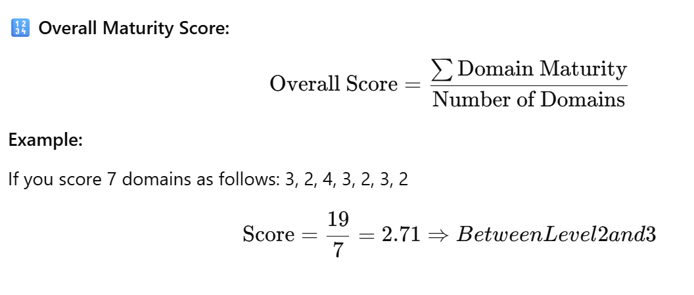
6 | * Respond: Do you have a documented incident response plan, and has it been regularly tested through exercises or simulations? | Yes/No | 3 | Plan exists, not tested
7 | * Respond: How are cybersecurity incidents communicated within the organization and to relevant external stakeholders ? | law enforcement/ regulatory bodies/ customers
8 | * Recover: Is there a comprehensive data backup and recovery strategy in place for critical systems and data, and how often are recovery capabilities tested? | Yes/No
9 | * Recover: Do you have a business continuity and disaster recovery plan that specifically addresses cybersecurity incidents and outlines the steps to restore operations? | Yes/No | 2 | Draft plan, no exercises
10 | * Govern (Cross-cutting): Is there a designated cybersecurity leadership role or team, and how is cybersecurity risk governance integrated into the overall organizational risk management framework | Yes/No

ranking mapping
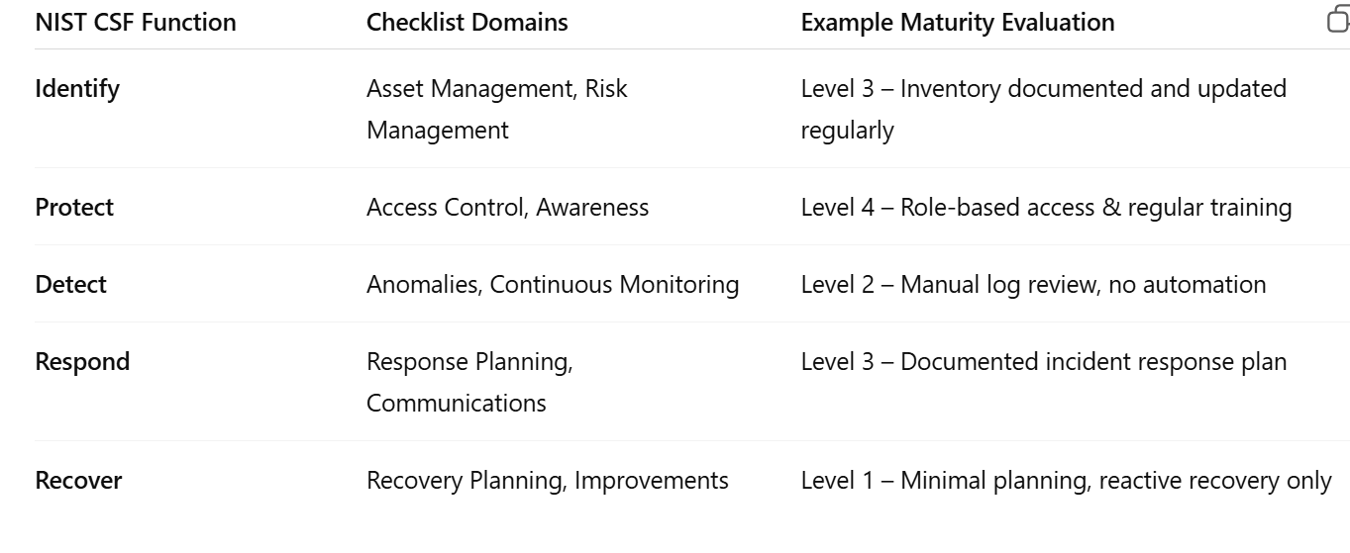
 | Level 1 | Level 2 | Level 3 | Level 4 | Level 5

Control | No formal processes; implementation is unstructured | Some process but informal | Org wide policy defined and followed | Measured, monitored, managed | Continuous improvement is practiced; automation and integration present
Checklist status | Mostly unanswered | Some are answered | Most item implemnted in consistent manner | All item implemented | All items implemented, monitored, and continuously refined.
Evidence | Lack of documentation, training , repeatable process | Partial documentation, inconsistent application | Documented procedure, basic metrics | Evidence based audit, automated tracking, consistent enforement | Metrics drive decisions, strong security culture, active threat modeling

