MMA_fig2a
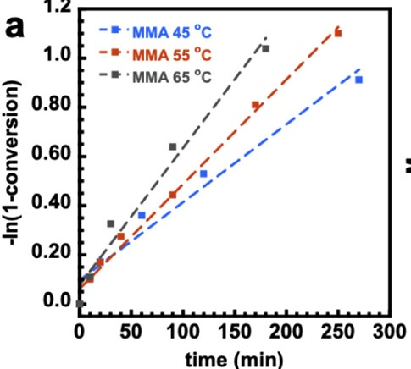
45 |  | 55 |  | 65
time(min) | \-ln(1-conversion) | time(min) | \-ln(1-conversion) | time(min) | \-ln(1-conversion)
59.756097561 | 0.36255319149 | 9.1463414634 | 0.10212765957 | 0 | 0.0025531914894
120.12195122 | 0.53106382979 | 19.512195122 | 0.17106382979 | 9.756097561 | 0.10978723404
270.12195122 | 0.9114893617 | 39.634146341 | 0.27574468085 | 29.87804878 | 0.32680851064
19.512195122 | 0.17106382979 | 89.634146341 | 0.44425531915 | 90.243902439 | 0.64085106383
9.1463414634 | 0.10978723404 | 170.12195122 | 0.81191489362 | 179.87804878 | 1.0365957447
 |  | 250 | 1.1004255319

