MMA_fig2b_Mn
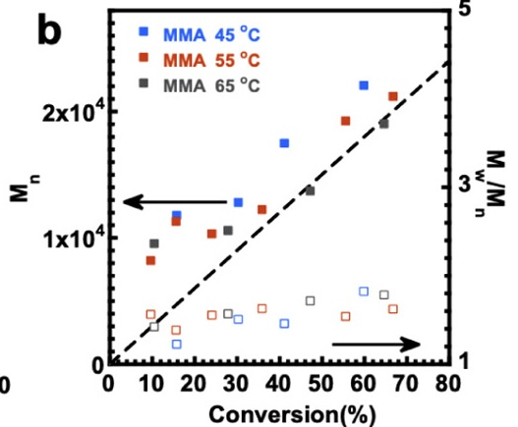
45 |  | 55 |  | 65
conversion | Mn | conversion | Mn | conversion | Mn
0.1599534947 | 11757.925072 | 0.097537445424 | 8184.4380403 | 0.10634871554 | 9510.0864553
0.30433760869 | 12795.389049 | 0.1581477038 | 11239.193084 | 0.27991737888 | 10547.550432
0.41329358944 | 17463.976945 | 0.24210955956 | 10317.002882 | 0.4744431114 | 13659.942363
0.60120963253 | 22074.927954 | 0.36089102176 | 12219.020173 | 0.6487538806 | 19020.172911
 |  | 0.55952307331 | 19250.720461
 |  | 0.67144747746 | 21210.37464

