MMA_fig2b_PDI
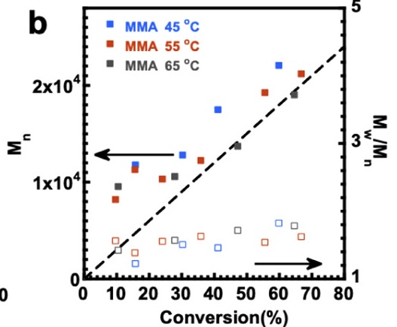
45 |  | 55 |  | 65
conversion | PDI | conversion | PDI | conversion | PDI
0.15639097744 | 1.2193628401 | 0.095381310419 | 1.5571926872 | 0.10397422127 | 1.417030795
0.30161117078 | 1.5005237689 | 0.15553168636 | 1.3760594417 | 0.27755102041 | 1.566379129
0.41160042965 | 1.4516061878 | 0.23974221267 | 1.5496893928 | 0.47175080559 | 1.7075863444
0.59806659506 | 1.8154539515 | 0.35832438238 | 1.6245274453 | 0.64618689581 | 1.7785885922
 |  | 0.55510204082 | 1.5348201136
 |  | 0.66766917293 | 1.6178745834

