STY_fig2c
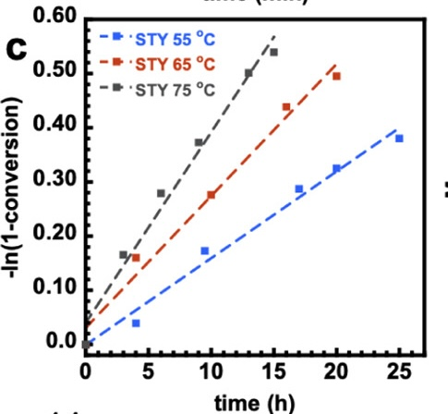
55 |  | 65 |  | 75
time(h) | \-ln(1-conversion) | time(h) | \-ln(1-conversion) | time(h) | \-ln(1-conversion)
3.9887640449 | 0.056842105263 | 3.9606741573 | 0.17368421053 | 0 | 0.017684210526
9.4662921348 | 0.18631578947 | 9.9719101124 | 0.28673684211 | 2.9775280899 | 0.17936842105
16.966292135 | 0.29684210526 | 15.95505618 | 0.44463157895 | 5.9550561798 | 0.28926315789
19.943820225 | 0.33410526316 | 19.943820225 | 0.49894736842 | 8.9887640449 | 0.38021052632
24.971910112 | 0.38715789474 |  |  | 12.97752809 | 0.50526315789
 |  |  |  | 14.971910112 | 0.54189473684

