STY_fig2d_Mn
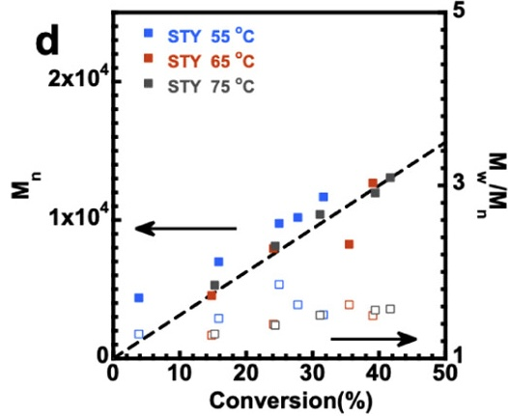
55 |  | 65 |  | 75
conversion | Mn | conversion | Mn | conversion | Mn
0.038954108858 | 4358.974359 | 0.14781216649 | 4512.8205128 | 0.15314834578 | 5282.0512821
0.15955176094 | 6974.3589744 | 0.24119530416 | 7897.4358974 | 0.24386339381 | 8051.2820513
0.25026680896 | 9743.5897436 | 0.35485592316 | 8205.1282051 | 0.31109925293 | 10384.615385
0.2780149413 | 10153.846154 | 0.39114194237 | 12666.666667 | 0.39434364995 | 11948.717949
0.31643543223 | 11641.025641 |  |  | 0.41675560299 | 13025.641026

