STY_fig2d_PDI
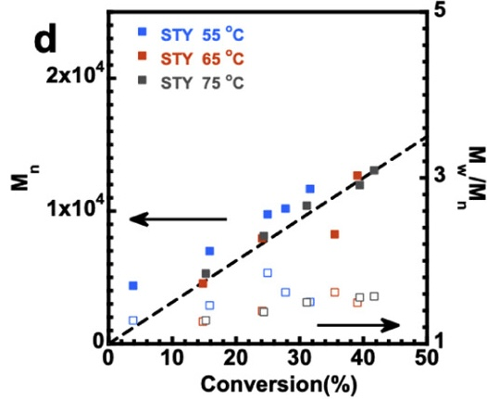
55 |  | 65 |  | 75
conversion | PDI | conversion | PDI | conversion | PDI
0.038461538462 | 1.2792607803 | 0.1485042735 | 1.2669404517 | 0.15224358974 | 1.2833675565
0.15811965812 | 1.4640657084 | 0.24145299145 | 1.3983572895 | 0.24358974359 | 1.3819301848
0.24946581197 | 1.8542094456 | 0.3547008547 | 1.6201232033 | 0.3108974359 | 1.5051334702
0.27777777778 | 1.6201232033 | 0.39102564103 | 1.4887063655 | 0.39423076923 | 1.5626283368
0.31623931624 | 1.5051334702 |  |  | 0.41666666667 | 1.5708418891

