MMA_Output_Conversion
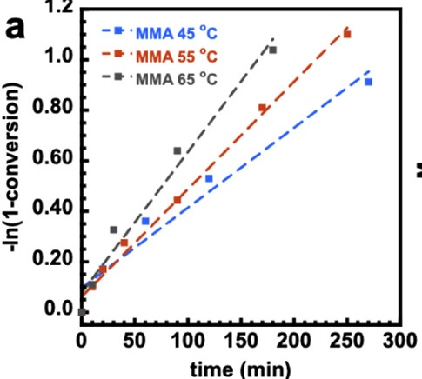
45 |  |  |  | 55 |  |  |  | 65
time(min) | \-ln(1-conversion) | Conversion | Conversion (%) | time(min) | \-ln(1-conversion) | Conversion | Conversion (%) | time(min) | \-ln(1-conversion) | Conversion | Conversion (%)
59.756097561 | 0.36255319149 | 0.30410270312 | 30.4 | 9.1463414634 | 0.10212765957 | 0.097085721341 | 9.7085721341 | 0 | 0.0025531914894 | 0.0025499348682 | 0.25499348682
120.12195122 | 0.53106382979 | 0.41202087287 | 41.2 | 19.512195122 | 0.17106382979 | 0.15723222193 | 15.723222193 | 9.756097561 | 0.10978723404 | 0.10397524142 | 10.397524142
270.12195122 | 0.9114893617 | 0.59807483391 | 59.8 | 39.634146341 | 0.27574468085 | 0.24099330503 | 24.099330503 | 29.87804878 | 0.32680851064 | 0.27877816389 | 27.877816389
19.512195122 | 0.17106382979 | 0.15723222193 | 15.7 | 89.634146341 | 0.44425531915 | 0.35869833667 | 35.869833667 | 90.243902439 | 0.64085106383 | 0.47315614456 | 47.315614456
9.1463414634 | 0.10978723404 | 0.10397524142 | 10.4 | 170.12195122 | 0.81191489362 | 0.55599297456 | 55.599297456 | 179.87804878 | 1.0365957447 | 0.64534001765 | 64.534001765
 |  |  |  | 250 | 1.1004255319 | 0.66727053344 | 66.727053344

MMA_Output_Mn
45 |  |  |  | 55 |  |  |  | 65
conversion | Mn | PDI (Mw/Mn) | Mw | conversion | Mn | PDI (Mw/Mn) | Mw | conversion | Mn | PDI (Mw/Mn) | Mw
0.1599534947 | 11757.925072 | 1.2193628401 | 14337.176909 | 0.097537445424 | 8184.4380403 | 1.5571926872 | 12744.747065 | 0.10634871554 | 9510.0864553 | 1.417030795 | 13476.08537
0.30433760869 | 12795.389049 | 1.5005237689 | 19199.785401 | 0.1581477038 | 11239.193084 | 1.3760594417 | 15465.79776 | 0.27991737888 | 10547.550432 | 1.566379129 | 16521.462859
0.41329358944 | 17463.976945 | 1.4516061878 | 25350.816997 | 0.24210955956 | 10317.002882 | 1.5496893928 | 15988.149932 | 0.4744431114 | 13659.942363 | 1.7075863444 | 23325.531044
0.60120963253 | 22074.927954 | 1.8154539515 | 40076.015183 | 0.36089102176 | 12219.020173 | 1.6245274453 | 19850.133625 | 0.6487538806 | 19020.172911 | 1.7785885922 | 33829.062561
 |  |  |  | 0.55952307331 | 19250.720461 | 1.5348201136 | 29546.392965
 |  |  |  | 0.67144747746 | 21210.37464 | 1.6178745834 | 34315.726033

 | 45 |  | 55 |  | 65
0.1599534947 | 11757.925072 | 0.097537445424 | 8184.4380403 | 0.10634871554 | 9510.0864553
0.30433760869 | 12795.389049 | 0.1581477038 | 11239.193084 | 0.27991737888 | 10547.550432
0.41329358944 | 17463.976945 | 0.24210955956 | 10317.002882 | 0.4744431114 | 13659.942363
0.60120963253 | 22074.927954 | 0.36089102176 | 12219.020173 | 0.6487538806 | 19020.172911
 |  | 0.55952307331 | 19250.720461
 |  | 0.67144747746 | 21210.37464

