latest
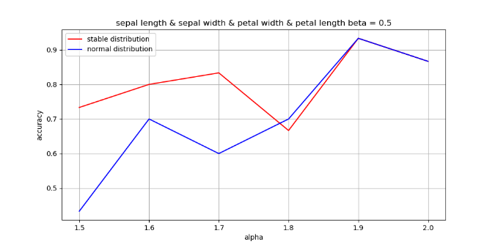
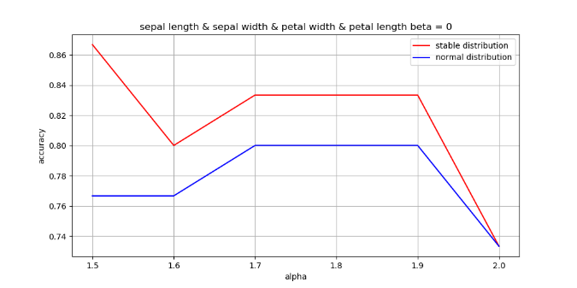
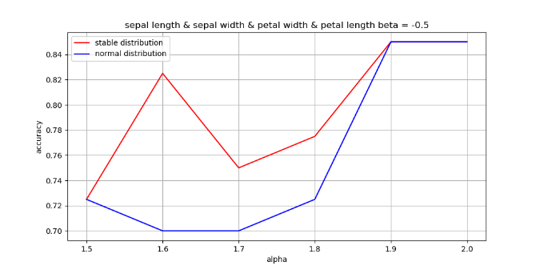
 | sepal-length |  |  |  |  |  |  |  |  |  |  | sepal-width
 | Accuracy |  | Iris-versicolor |  |  |  | Iris-virginica |  |  |  |  | Accuracy |  | Iris-versicolor |  |  |  | Iris-virginica
 | Stable NB | Normal NB | alpha | beta | gamma | delta | alpha | beta | gamma | delta |  | Stable NB | Normal NB | alpha | beta | gamma | delta | alpha | beta | gamma | delta
 | 0.69 | 0.69 | 2 | 0.93 | 0.36 | 5.95 | 2 | 0.09 | 0.44 | 6.57 |  | 0.57 | 0.59 | 2 | 0.33 | 0.23 | 2.76 | 1.92 | 1 | 0.21 | 2.92
 |  |  | 2 | 0.78 | 0.34 | 5.94 | 2 | 0.78 | 0.43 | 6.64 |  |  |  | 2 | 0.05 | 0.22 | 2.77 | 1.76 | 0.41 | 0.2 | 2.98
 |  |  | 2 | 0.06 | 0.36 | 5.91 | 2 | 0.98 | 0.46 | 6.6 |  |  |  | 2 | 0.66 | 0.21 | 2.73 | 1.89 | 1 | 0.22 | 2.93
 |  |  | 2 | -0.11 | 0.38 | 5.95 | 2 | 0.46 | 0.43 | 6.6 |  |  |  | 2 | 0.61 | 0.22 | 2.77 | 1.9 | 1 | 0.22 | 2.96
 |  |  | 2 | 0.67 | 0.36 | 5.9 | 2 | 0.68 | 0.42 | 6.52 |  |  |  | 2 | -0.09 | 0.22 | 2.77 | 2 | -0.72 | 0.22 | 2.97
 |  |  | 2 | 0.68 | 0.36 | 5.93 | 2 | 0.47 | 0.44 | 6.55 |  |  |  | 2 | 0.01 | 0.22 | 2.78 | 1.91 | 1 | 0.22 | 2.96
 |  |  | 2 | 0.7 | 0.35 | 5.96 | 2 | 0.86 | 0.46 | 6.6 |  |  |  | 2 | 0.6 | 0.21 | 2.8 | 1.88 | 1 | 0.22 | 2.95
 |  |  | 2 | 0.99 | 0.37 | 5.93 | 2 | 0.64 | 0.46 | 6.59 |  |  |  | 2 | -0.76 | 0.22 | 2.75 | 1.89 | 1 | 0.22 | 2.92
 |  |  | 2 | -0.35 | 0.36 | 5.92 | 2 | 0.46 | 0.44 | 6.64 |  |  |  | 2 | 0.7 | 0.23 | 2.78 | 1.78 | 1 | 0.19 | 2.93
 |  |  | 2 | 0.74 | 0.37 | 5.96 | 2 | 0.88 | 0.46 | 6.58 |  |  |  | 2 | 0.37 | 0.22 | 2.79 | 1.85 | 1 | 0.21 | 2.92
 |  |  | 2 | 0.51 | 0.36 | 5.94 | 2 | 0.63 | 0.44 | 6.6 |  |  |  | 2 | 0.25 | 0.22 | 2.77 | 1.88 | 0.77 | 0.21

iris not change | petal-length |  |  |  |  |  |  |  |  |  |  | petal-width
fat tail | Accuracy |  | Iris-versicolor |  |  |  | Iris-virginica |  |  |  |  | Accuracy |  | Iris-versicolor |  |  |  | Iris-virginica
 | Stable NB | Normal NB | alpha | beta | gamma | delta | alpha | beta | gamma | delta |  | Stable NB | Normal NB | alpha | beta | gamma | delta | alpha | beta | gamma | delta
 | 0.91 | 0.91 | 2 | 0.62 | 0.34 | 4.26 | 1.77 | 1 | 0.36 | 5.45 |  | 0.94 | 0.94 | 2 | 0.91 | 0.14 | 1.32 | 2 | 0.91 | 0.19 | 2.01
 |  |  | 2 | 0.36 | 0.32 | 4.28 | 1.73 | 1 | 0.34 | 5.5 |  |  |  | 2 | 0.92 | 0.13 | 1.33 | 2 | 0.87 | 0.2 | 2.05
 |  |  | 1.84 | -1 | 0.32 | 4.28 | 1.69 | 1 | 0.36 | 5.43 |  |  |  | 2 | 0.72 | 0.14 | 1.31 | 2 | 0.69 | 0.19 | 2.02
 |  |  | 2 | 0.53 | 0.33 | 4.27 | 2 | 0.33 | 0.39 | 5.55 |  |  |  | 2 | -0.33 | 0.13 | 1.33 | 2 | 0.93 | 0.2 | 2.02
 |  |  | 2 | 0.43 | 0.34 | 4.24 | 1.78 | 1 | 0.32 | 5.41 |  |  |  | 2 | 0.88 | 0.15 | 1.32 | 2 | 0.92 | 0.2 | 2.03
 |  |  | 2 | 0.84 | 0.33 | 4.28 | 2 | 0.53 | 0.36 | 5.49 |  |  |  | 2 | 0.9 | 0.13 | 1.34 | 2 | 0.69 | 0.19 | 2.02
 |  |  | 1.77 | -1 | 0.28 | 4.36 | 2 | 0.34 | 0.4 | 5.56 |  |  |  | 2 | 0.13 | 0.14 | 1.34 | 2 | 0.72 | 0.19 | 2.02
 |  |  | 2 | -0.19 | 0.34 | 4.24 | 2 | 0.16 | 0.39 | 5.57 |  |  |  | 2 | 0.72 | 0.14 | 1.32 | 2 | 0.74 | 0.19 | 2.02
 |  |  | 2 | -0.06 | 0.34 | 4.26 | 2 | 0.31 | 0.39 | 5.58 |  |  |  | 2 | 0.4 | 0.15 | 1.33 | 2 | 0.8 | 0.18 | 2.02
 |  |  | 2 | 0.86 | 0.31 | 4.27 | 1.76 | 1 | 0.36 | 5.45 |  |  |  | 2 | 0.57 | 0.13 | 1.33 | 2 | 0.55 | 0.19 | 2.04

 | sepal-length |  |  |  |  |  |  |  |  |  | petal-width
 | Accuracy |  | Iris-versicolor |  |  |  | Iris-virginica |  |  |  | Iris-versicolor |  |  |  | Iris-virginica
 | Stable NB | Normal NB | alpha | beta | gamma | delta | alpha | beta | gamma | delta | alpha | beta | gamma | delta | alpha | beta | gamma | delta
 | 0.94 | 0.94 | 2 | 0.93 | 0.36 | 5.95 | 2 | 0.91 | 0.14 | 1.32 | 2 | 0.09 | 0.44 | 6.57 | 2 | 0.91 | 0.19 | 2.01
 |  |  | 2 | 0.78 | 0.34 | 5.94 | 2 | 0.92 | 0.13 | 1.33 | 2 | 0.78 | 0.43 | 6.64 | 2 | 0.87 | 0.2 | 2.05
 |  |  | 2 | 0.06 | 0.36 | 5.91 | 2 | 0.72 | 0.14 | 1.31 | 2 | 0.98 | 0.46 | 6.6 | 2 | 0.69 | 0.19 | 2.02
 |  |  | 2 | -0.11 | 0.38 | 5.95 | 2 | -0.33 | 0.13 | 1.33 | 2 | 0.46 | 0.43 | 6.6 | 2 | 0.93 | 0.2 | 2.02
 |  |  | 2 | 0.67 | 0.36 | 5.9 | 2 | 0.88 | 0.15 | 1.32 | 2 | 0.68 | 0.42 | 6.52 | 2 | 0.92 | 0.2 | 2.03
 |  |  | 2 | 0.68 | 0.36 | 5.93 | 2 | 0.9 | 0.13 | 1.34 | 2 | 0.47 | 0.44 | 6.55 | 2 | 0.69 | 0.19 | 2.02
 |  |  | 2 | 0.7 | 0.35 | 5.96 | 2 | 0.13 | 0.14 | 1.34 | 2 | 0.86 | 0.46 | 6.6 | 2 | 0.72 | 0.19 | 2.02
 |  |  | 2 | 0.99 | 0.37 | 5.93 | 2 | 0.72 | 0.14 | 1.32 | 2 | 0.64 | 0.46 | 6.59 | 2 | 0.74 | 0.19 | 2.02
 |  |  | 2 | -0.35 | 0.36 | 5.92 | 2 | 0.4 | 0.15 | 1.33 | 2 | 0.46 | 0.44 | 6.64 | 2 | 0.8 | 0.18 | 2.02
 |  |  | 2 | 0.74 | 0.37 | 5.96 | 2 | 0.57 | 0.13 | 1.33 | 2 | 0.88 | 0.46 | 6.58 | 2 | 0.55 | 0.19 | 2.04

 | petal-length |  |  |  |  |  |  |  |  |  | sepal-width
 | Accuracy |  | Iris-versicolor |  |  |  | Iris-virginica |  |  |  | Iris-versicolor |  |  |  | Iris-virginica
 | Stable NB | Normal NB | alpha | beta | gamma | delta | alpha | beta | gamma | delta | alpha | beta | gamma | delta | alpha | beta | gamma | delta
 | 0.89 | 0.87 | 2 | 0.33 | 0.23 | 2.76 | 2 | 0.62 | 0.34 | 4.26 | 1.92 | 1 | 0.21 | 2.92 | 1.77 | 1 | 0.36 | 5.45
 |  |  | 2 | 0.05 | 0.22 | 2.77 | 2 | 0.36 | 0.32 | 4.28 | 1.76 | 0.41 | 0.2 | 2.98 | 1.73 | 1 | 0.34 | 5.5
 |  |  | 2 | 0.66 | 0.21 | 2.73 | 1.84 | -1 | 0.32 | 4.28 | 1.89 | 1 | 0.22 | 2.93 | 1.69 | 1 | 0.36 | 5.43
 |  |  | 2 | 0.61 | 0.22 | 2.77 | 2 | 0.53 | 0.33 | 4.27 | 1.9 | 1 | 0.22 | 2.96 | 2 | 0.33 | 0.39 | 5.55
 |  |  | 2 | -0.09 | 0.22 | 2.77 | 2 | 0.43 | 0.34 | 4.24 | 2 | -0.72 | 0.22 | 2.97 | 1.78 | 1 | 0.32 | 5.41
 |  |  | 2 | 0.01 | 0.22 | 2.78 | 2 | 0.84 | 0.33 | 4.28 | 1.91 | 1 | 0.22 | 2.96 | 2 | 0.53 | 0.36 | 5.49
 |  |  | 2 | 0.6 | 0.21 | 2.8 | 1.77 | -1 | 0.28 | 4.36 | 1.88 | 1 | 0.22 | 2.95 | 2 | 0.34 | 0.4 | 5.56
 |  |  | 2 | -0.76 | 0.22 | 2.75 | 2 | -0.19 | 0.34 | 4.24 | 1.89 | 1 | 0.22 | 2.92 | 2 | 0.16 | 0.39 | 5.57
 |  |  | 2 | 0.7 | 0.23 | 2.78 | 2 | -0.06 | 0.34 | 4.26 | 1.78 | 1 | 0.19 | 2.93 | 2 | 0.31 | 0.39 | 5.58
 |  |  | 2 | 0.37 | 0.22 | 2.79 | 2 | 0.86 | 0.31 | 4.27 | 1.85 | 1 | 0.21 | 2.92 | 1.76 | 1 | 0.36 | 5.45
 |  |  |  |  |  |  |  |  |  |  |  |  |  |  |  |  |  |  |  |  |  | sepal length & sepal width & petal width & petal length
 | sepal length |  |  |  |  |  |  |  |  |  |  |  |  |  |  |  |  |  |  |  |  | generated alpha | accuracy ( beta = 0.5 ) |  | accuracy ( beta = 0 ) |  | accuracy ( beta = -0.5 )
 |  | alpha | beta | gamma | delta |  | alpha | beta | gamma | delta |  |  |  |  |  |  |  |  |  |  |  |  | Stable NB | Normal NB | Stable NB | Normal NB | Stable NB | Normal NB
 |  | 1.5 | 0 | 0.36 | 5.94 |  |  | 0 | 0.44 | 6.6 |  |  |  |  |  |  |  |  |  |  |  | 1.5 | 0.73 | 0.43 | 0.87 | 0.76 | 0.73 | 0.73
 |  | 1.6 |  |  |  |  |  |  |  |  |  |  |  |  |  |  |  |  |  |  |  | 1.6 | 0.80 | 0.70 | 0.80 | 0.77 | 0.83 | 0.70
 |  | 1.7 |  |  |  |  |  |  |  |  |  |  |  |  |  |  |  |  |  |  |  | 1.7 | 0.83 | 0.60 | 0.83 | 0.80 | 0.75 | 0.70
 |  | 1.8 |  |  |  |  |  |  |  |  |  |  |  |  |  |  |  |  |  |  |  | 1.8 | 0.67 | 0.70 | 0.83 | 0.80 | 0.78 | 0.73
 |  | 1.9 |  |  |  |  |  |  |  |  |  |  |  |  |  |  |  |  |  |  |  | 1.9 | 0.93 | 0.93 | 0.83 | 0.80 | 0.85 | 0.85
 |  | 2 |  |  |  |  |  |  |  |  |  |  |  |  |  |  |  |  |  |  |  | 2.0 | 0.87 | 0.87 | 0.73 | 0.73 | 0.85 | 0.85
 |  |  | 0.5 |  |  |  |  | 0.5
 |  | 1.5
 |  | 1.6

 |  | 2
 |  |  | -0.5

Sheet1
Test=0.3 | Accuracy |  | Iris-versicolor |  |  |  | Iris-virginica
Feature | Stable NB | Normal NB | alpha | beta | gamma | delta | alpha | beta | gamma | delta
sepal-length | 0.67 | 0.67 | 2.00 | 0.16 | 0.37 | 5.95 | 2.00 | 0.00 | 0.45 | 6.62 |  | test=0.3
sepal-width | 0.63 | 0.63 | 2.00 | 0.89 | 0.22 | 2.78 | 1.93 | 1.00 | 0.24 | 2.97
petal-length | 0.83 | 0.9 | 1.57 | -1.00 | 0.28 | 4.46 | 2.00 | 0.93 | 0.37 | 5.59
petal-width | 0.93 | 0.93 | 2.00 | -0.02 | 0.14 | 1.35 | 2.00 | 0.21 | 0.20 | 2.05

Test=0.4 | Accuracy |  | Iris-versicolor |  |  |  | Iris-virginica
Feature | Stable NB | Normal NB | alpha | beta | gamma | delta | alpha | beta | gamma | delta
sepal-length | 0.675 | 0.725 | 2.00 | -0.14 | 0.38 | 5.93 | 1.89 | -1.00 | 0.39 | 6.65
sepal-width | 0.625 | 0.625 | 2.00 | 0.71 | 0.23 | 2.79 | 1.98 | 1.00 | 0.23 | 2.97
petal-length | 0.925 | 0.9 | 1.47 | -1.00 | 0.24 | 4.45 | 2.00 | 0.27 | 0.36 | 5.57 |  | test=0.4
petal-width | 0.95 | 0.95 | 2.00 | 0.30 | 0.14 | 1.34 | 2.00 | 0.08 | 0.21 | 2.05 |  |  |  |  |  |  |  |  |  |  | 可以用文字说明gamma/delta和generated

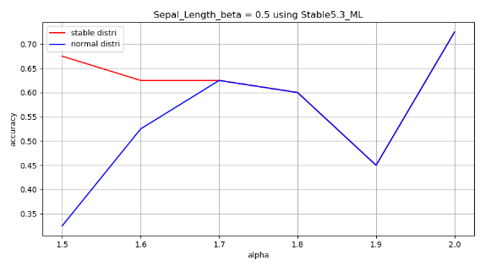
 |  |  | sepal-length
 |  |  | Generated Data |  |  |  |  |  |  |  | accuracy |  | Fitting Results
 |  |  | Iris-versicolor |  |  |  | Iris-virginica |  |  |  | Stable NB | Normal NB | Iris-versicolor |  |  |  | Iris-virginica
 |  |  | alpha | beta | gamma | delta | alpha | beta | gamma | delta |  |  | alpha | beta | gamma | delta | alpha | beta | gamma | delta
 |  |  | 1.5 | 0.50 | 0.73 | 5.94 | 1.5 | 0.50 | 0.90 | 6.59 | 0.68 | 0.33 | 1.60 | 1.00 | 0.79 | 5.47 | 2.00 | 0.68 | 0.87 | 5.85
 |  |  | 1.6 |  |  |  | 1.6 |  |  |  | 0.63 | 0.53 | 1.70 | 1.00 | 0.62 | 5.60 | 1.49 | 1.00 | 1.09 | 5.97
 |  |  | 1.7 |  |  |  | 1.7 |  |  |  | 0.63 | 0.63 | 2.00 | -0.09 | 0.92 | 6.08 | 1.82 | 1.00 | 0.87 | 6.52
 |  |  | 1.8 |  |  |  | 1.8 |  |  |  | 0.60 | 0.60 | 2.00 | 0.55 | 0.68 | 5.85 | 1.76 | 1.00 | 0.83 | 6.41
 |  |  | 1.9 |  |  |  | 1.9 |  |  |  | 0.45 | 0.45 | 2.00 | 0.59 | 0.63 | 6.13 | 2.00 | 0.11 | 0.92 | 6.53
 |  |  | 2.0 |  |  |  | 2.0 |  |  |  | 0.73 | 0.73 | 2.00 | 0.76 | 0.56 | 6.08 | 2.00 | 0.23 | 0.96 | 6.66

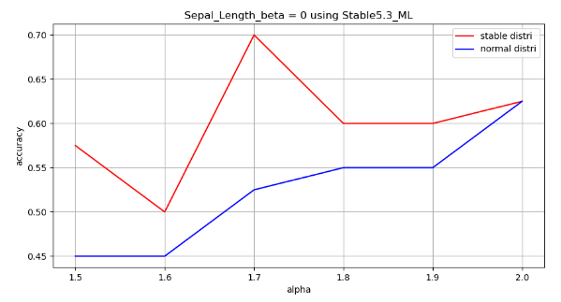
 |  |  | sepal-length
 |  |  | Generated Data |  |  |  |  |  |  |  | accuracy |  | Fitting Results
 |  |  | Iris-versicolor |  |  |  | Iris-virginica |  |  |  | Stable NB | Normal NB | Iris-versicolor |  |  |  | Iris-virginica
 |  |  | alpha | beta | gamma | delta | alpha | beta | gamma | delta |  |  | alpha | beta | gamma | delta | alpha | beta | gamma | delta
 |  |  | 1.5 | 0.00 | 0.73 | 5.94 | 1.5 | 0.00 | 0.90 | 6.59 | 0.58 | 0.45 | 1.67 | -1.00 | 0.78 | 6.46 | 2.00 | 0.80 | 0.59 | 6.76
 |  |  | 1.6 |  |  |  | 1.6 |  |  |  | 0.50 | 0.45 | 1.13 | -0.51 | 0.49 | 6.20 | 1.55 | 0.00 | 0.89 | 6.55
 |  |  | 1.7 |  |  |  | 1.7 |  |  |  | 0.70 | 0.53 | 1.72 | 0.60 | 0.77 | 5.89 | 1.58 | 1.00 | 0.74 | 6.36
 |  |  | 1.8 |  |  |  | 1.8 |  |  |  | 0.60 | 0.55 | 1.59 | -1.00 | 0.66 | 6.24 | 1.65 | 0.32 | 1.09 | 6.76
 |  |  | 1.9 |  |  |  | 1.9 |  |  |  | 0.60 | 0.55 | 2.00 | -0.11 | 0.73 | 5.81 | 1.74 | -1.00 | 0.67 | 6.95
 |  |  | 2.0 |  |  |  | 2.0 |  |  |  | 0.63 | 0.63 | 2.00 | 0.75 | 0.65 | 6.04 | 2.00 | 0.13 | 0.98 | 6.68

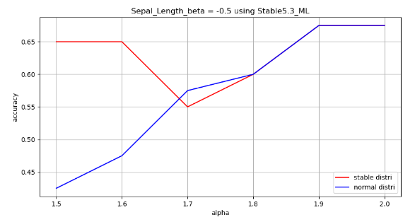
 |  |  | sepal-length
 |  |  | Generated Data |  |  |  |  |  |  |  | accuracy |  | Fitting Results
 |  |  | Iris-versicolor |  |  |  | Iris-virginica |  |  |  | Stable NB | Normal NB | Iris-versicolor |  |  |  | Iris-virginica
 |  |  | alpha | beta | gamma | delta | alpha | beta | gamma | delta |  |  | alpha | beta | gamma | delta | alpha | beta | gamma | delta
 |  |  | 1.5 | -0.50 | 0.73 | 5.94 | 1.5 | -0.50 | 0.90 | 6.59 | 0.65 | 0.43 | 1.24 | -0.10 | 0.63 | 6.63 | 2.00 | 0.47 | 1.27 | 6.70
 |  |  | 1.6 |  |  |  | 1.6 |  |  |  | 0.65 | 0.48 | 1.69 | 0.17 | 0.74 | 6.44 | 1.21 | -0.34 | 0.77 | 7.04
 |  |  | 1.7 |  |  |  | 1.7 |  |  |  | 0.55 | 0.58 | 2.00 | -0.28 | 0.84 | 5.55 | 1.61 | 0.23 | 0.75 | 6.87
 |  |  | 1.8 |  |  |  | 1.8 |  |  |  | 0.60 | 0.60 | 2.00 | -0.07 | 0.84 | 5.93 | 2.00 | 0.70 | 0.95 | 6.81
 |  |  | 1.9 |  |  |  | 1.9 |  |  |  | 0.68 | 0.68 | 2.00 | 0.27 | 0.68 | 5.82 | 2.00 | -0.13 | 1.16 | 6.49
 |  |  | 2.0 |  |  |  | 2.0 |  |  |  | 0.68 | 0.68 | 2.00 | 0.86 | 0.58 | 5.87 | 2.00 | 0.84 | 0.82 | 6.57

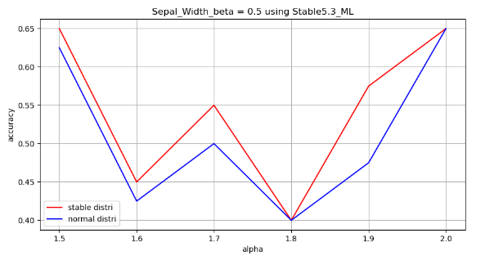
 |  |  | sepal-width
 |  |  | Generated Data |  |  |  |  |  |  |  | accuracy |  | Fitting Results
 |  |  | Iris-versicolor |  |  |  | Iris-virginica |  |  |  | Stable NB | Normal NB | Iris-versicolor |  |  |  | Iris-virginica
 |  |  | alpha | beta | gamma | delta | alpha | beta | gamma | delta |  |  | alpha | beta | gamma | delta | alpha | beta | gamma | delta
 |  |  | 1.50 | 0.50 | 0.44 | 2.77 | 1.50 | 0.50 | 0.46 | 2.97 | 0.65 | 0.63 | 1.18 | 0.76 | 0.42 | 2.51 | 1.76 | 1.00 | 0.53 | 2.81
 |  |  | 1.60 |  |  |  | 1.60 |  |  |  | 0.45 | 0.43 | 1.00 | -0.55 | 0.44 | 3.02 | 2.00 | 0.43 | 0.66 | 2.90
 |  |  | 1.70 |  |  |  | 1.70 |  |  |  | 0.55 | 0.50 | 2.00 | 0.70 | 0.46 | 2.62 | 1.40 | 0.39 | 0.42 | 2.69
 |  |  | 1.80 |  |  |  | 1.80 |  |  |  | 0.40 | 0.40 | 1.84 | 1.00 | 0.43 | 2.67 | 1.73 | 1.00 | 0.33 | 2.67
 |  |  | 1.90 |  |  |  | 1.90 |  |  |  | 0.58 | 0.48 | 2.00 | 0.38 | 0.41 | 2.99 | 1.56 | 1.00 | 0.49 | 2.92
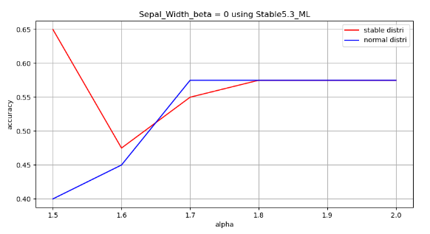
 |  |  | 2.00 |  |  |  | 2.00 |  |  |  | 0.65 | 0.65 | 2.00 | 0.20 | 0.41 | 2.72 | 2.00 | 0.56 | 0.43 | 3.12

 |  |  | sepal-width
 |  |  | Generated Data |  |  |  |  |  |  |  | accuracy |  | Fitting Results
 |  |  | Iris-versicolor |  |  |  | Iris-virginica |  |  |  | Stable NB | Normal NB | Iris-versicolor |  |  |  | Iris-virginica
 |  |  | alpha | beta | gamma | delta | alpha | beta | gamma | delta |  |  | alpha | beta | gamma | delta | alpha | beta | gamma | delta
 |  |  | 1.50 | 0.00 | 0.44 | 2.77 | 1.50 | 0.00 | 0.46 | 2.97 | 0.65 | 0.40 | 1.21 | 0.31 | 0.42 | 2.94 | 2.00 | 0.62 | 0.63 | 2.97
 |  |  | 1.60 |  |  |  | 1.60 |  |  |  | 0.48 | 0.45 | 1.53 | 0.58 | 0.44 | 2.89 | 1.13 | -0.14 | 0.38 | 3.04
 |  |  | 1.70 |  |  |  | 1.70 |  |  |  | 0.55 | 0.58 | 2.00 | 0.32 | 0.46 | 2.51 | 1.55 | 0.48 | 0.38 | 3.01
 |  |  | 1.80 |  |  |  | 1.80 |  |  |  | 0.58 | 0.58 | 2.00 | 0.53 | 0.50 | 2.77 | 2.00 | 0.38 | 0.51 | 3.08
 |  |  | 1.90 |  |  |  | 1.90 |  |  |  | 0.58 | 0.58 | 1.90 | 1.00 | 0.40 | 2.63 | 2.00 | 0.26 | 0.60 | 2.91
 |  |  | 2.00 |  |  |  | 2.00 |  |  |  | 0.58 | 0.58 | 2.00 | 1.00 | 0.35 | 2.73 | 2.00 | 0.98 | 0.42 | 2.96
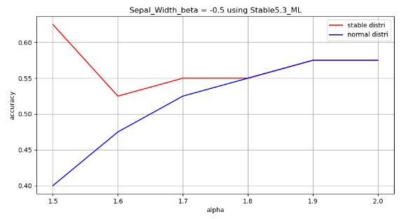

 |  |  | sepal-width
 |  |  | Generated Data |  |  |  |  |  |  |  | accuracy |  | Fitting Results
 |  |  | Iris-versicolor |  |  |  | Iris-virginica |  |  |  | Stable NB | Normal NB | Iris-versicolor |  |  |  | Iris-virginica
 |  |  | alpha | beta | gamma | delta | alpha | beta | gamma | delta |  |  | alpha | beta | gamma | delta | alpha | beta | gamma | delta
 |  |  | 1.50 | -0.50 | 0.44 | 2.77 | 1.50 | -0.50 | 0.46 | 2.97 | 0.63 | 0.40 | 1.24 | -0.10 | 0.38 | 3.18 | 2.00 | 0.62 | 0.65 | 3.03
 |  |  | 1.60 |  |  |  | 1.60 |  |  |  | 0.53 | 0.48 | 1.69 | 0.17 | 0.45 | 3.07 | 1.21 | -0.34 | 0.40 | 3.20
 |  |  | 1.70 |  |  |  | 1.70 |  |  |  | 0.55 | 0.53 | 2.00 | -0.21 | 0.51 | 2.53 | 1.61 | 0.23 | 0.38 | 3.11
 |  |  | 1.80 |  |  |  | 1.80 |  |  |  | 0.55 | 0.55 | 2.00 | -0.01 | 0.50 | 2.77 | 2.00 | 1.00 | 0.48 | 3.08
 |  |  | 1.90 |  |  |  | 1.90 |  |  |  | 0.58 | 0.58 | 1.91 | 1.00 | 0.40 | 2.66 | 2.00 | 0.20 | 0.59 | 2.92
 |  |  | 2.00 |  |  |  | 2.00 |  |  |  | 0.58 | 0.58 | 2.00 | 1.00 | 0.35 | 2.73 | 2.00 | 0.98 | 0.42 | 2.96

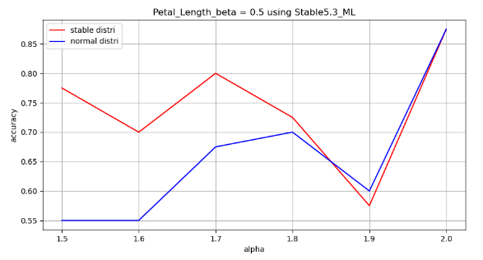
 |  |  | petal-length
 |  |  | Generated Data |  |  |  |  |  |  |  | accuracy |  | Fitting Results
 |  |  | Iris-versicolor |  |  |  | Iris-virginica |  |  |  | Stable NB | Normal NB | Iris-versicolor |  |  |  | Iris-virginica
 |  |  | alpha | beta | gamma | delta | alpha | beta | gamma | delta |  |  | alpha | beta | gamma | delta | alpha | beta | gamma | delta
 |  |  | 1.50 | 0.50 | 0.66 | 4.26 | 1.50 | 0.50 | 0.78 | 5.55 | 0.78 | 0.55 | 1.16 | 0.43 | 0.73 | 4.02 | 1.28 | 0.57 | 0.89 | 4.97
 |  |  | 1.60 |  |  |  | 1.60 |  |  |  | 0.70 | 0.55 | 1.72 | 1.00 | 0.56 | 3.72 | 1.64 | -1.00 | 0.88 | 5.54
 |  |  | 1.70 |  |  |  | 1.70 |  |  |  | 0.80 | 0.68 | 1.57 | -0.36 | 0.54 | 4.14 | 1.08 | 0.38 | 0.71 | 5.01
 |  |  | 1.80 |  |  |  | 1.80 |  |  |  | 0.73 | 0.70 | 1.55 | 1.00 | 0.77 | 4.10 | 2.00 | 0.44 | 0.81 | 5.73
 |  |  | 1.90 |  |  |  | 1.90 |  |  |  | 0.58 | 0.60 | 1.89 | 1.00 | 0.65 | 4.26 | 1.54 | 1.00 | 0.66 | 5.17
 |  |  | 2.00 |  |  |  | 2.00 |  |  |  | 0.88 | 0.88 | 2.00 | -0.38 | 0.58 | 4.23 | 2.00 | 0.40 | 0.81 | 5.32

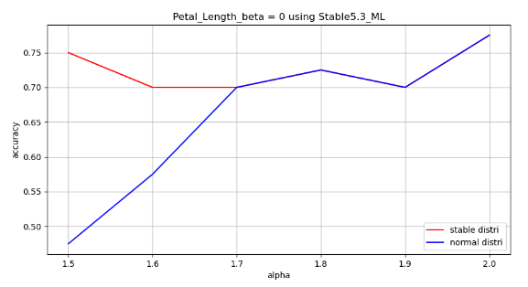
 |  |  | petal-length
 |  |  | Generated Data |  |  |  |  |  |  |  | accuracy |  | Fitting Results
 |  |  | Iris-versicolor |  |  |  | Iris-virginica |  |  |  | Stable NB | Normal NB | Iris-versicolor |  |  |  | Iris-virginica
 |  |  | alpha | beta | gamma | delta | alpha | beta | gamma | delta |  |  | alpha | beta | gamma | delta | alpha | beta | gamma | delta
 |  |  | 1.50 | 0.00 | 0.66 | 4.26 | 1.50 | 0.00 | 0.78 | 5.55 | 0.75 | 0.48 | 1.21 | 0.31 | 0.64 | 4.52 | 2.00 | -0.23 | 1.07 | 5.55
 |  |  | 1.60 |  |  |  | 1.60 |  |  |  | 0.70 | 0.58 | 1.53 | 0.58 | 0.65 | 4.45 | 1.13 | -0.14 | 0.65 | 5.66
 |  |  | 1.70 |  |  |  | 1.70 |  |  |  | 0.70 | 0.70 | 2.00 | 0.40 | 0.69 | 3.86 | 1.55 | 0.48 | 0.65 | 5.61
 |  |  | 1.80 |  |  |  | 1.80 |  |  |  | 0.73 | 0.73 | 2.00 | -0.29 | 0.75 | 4.26 | 2.00 | 0.40 | 0.86 | 5.74
 |  |  | 1.90 |  |  |  | 1.90 |  |  |  | 0.70 | 0.70 | 2.00 | 0.09 | 0.62 | 4.12 | 2.00 | -0.21 | 1.02 | 5.45
 |  |  | 2.00 |  |  |  | 2.00 |  |  |  | 0.78 | 0.78 | 2.00 | 1.00 | 0.53 | 4.20 | 2.00 | 0.72 | 0.71 | 5.53

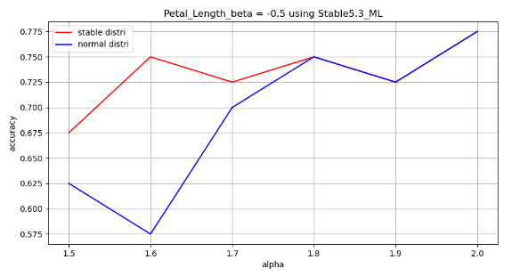
 |  |  | petal-length
 |  |  | Generated Data |  |  |  |  |  |  |  | accuracy |  | Fitting Results
 |  |  | Iris-versicolor |  |  |  | Iris-virginica |  |  |  | Stable NB | Normal NB | Iris-versicolor |  |  |  | Iris-virginica
 |  |  | alpha | beta | gamma | delta | alpha | beta | gamma | delta |  |  | alpha | beta | gamma | delta | alpha | beta | gamma | delta
 |  |  | 1.50 | -0.50 | 0.66 | 4.26 | 1.50 | -0.50 | 0.78 | 5.55 | 0.68 | 0.63 | 1.24 | 0.00 | 0.58 | 4.86 | 2.00 | 0.03 | 1.10 | 5.65
 |  |  | 1.60 |  |  |  | 1.60 |  |  |  | 0.75 | 0.58 | 1.69 | 0.17 | 0.67 | 4.71 | 1.21 | -0.34 | 0.67 | 5.94
 |  |  | 1.70 |  |  |  | 1.70 |  |  |  | 0.73 | 0.70 | 1.77 | -1.00 | 0.70 | 4.10 | 1.61 | 0.23 | 0.65 | 5.80
 |  |  | 1.80 |  |  |  | 1.80 |  |  |  | 0.75 | 0.75 | 2.00 | 0.24 | 0.76 | 4.25 | 2.00 | 0.97 | 0.82 | 5.74
 |  |  | 1.90 |  |  |  | 1.90 |  |  |  | 0.73 | 0.73 | 2.00 | 0.31 | 0.61 | 4.15 | 2.00 | -0.18 | 1.01 | 5.46
 |  |  | 2.00 |  |  |  | 2.00 |  |  |  | 0.78 | 0.78 | 2.00 | 0.75 | 0.53 | 4.20 | 2.00 | 0.72 | 0.71 | 5.53

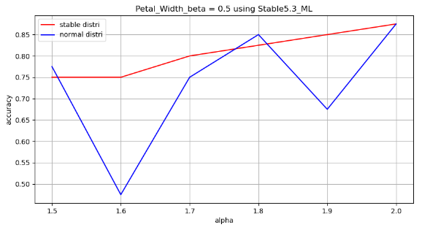
 |  |  | petal-width
 |  |  | Generated Data |  |  |  |  |  |  |  | accuracy |  | Fitting Results
 |  |  | Iris-versicolor |  |  |  | Iris-virginica |  |  |  | Stable NB | Normal NB | Iris-versicolor |  |  |  | Iris-virginica
 |  |  | alpha | beta | gamma | delta | alpha | beta | gamma | delta |  |  | alpha | beta | gamma | delta | alpha | beta | gamma | delta
 |  |  | 1.50 | 0.50 | 0.28 | 1.33 | 1.50 | 0.50 | 0.39 | 2.03 | 0.75 | 0.78 | 1.18 | 0.76 | 0.27 | 1.17 | 1.76 | 1.00 | 0.45 | 1.90
 |  |  | 1.60 |  |  |  | 1.60 |  |  |  | 0.75 | 0.48 | 1.08 | -0.55 | 0.28 | 1.49 | 2.00 | 0.29 | 0.56 | 1.97
 |  |  | 1.70 |  |  |  | 1.70 |  |  |  | 0.80 | 0.75 | 2.00 | 0.27 | 0.29 | 1.24 | 1.40 | 0.39 | 0.36 | 1.79
 |  |  | 1.80 |  |  |  | 1.80 |  |  |  | 0.83 | 0.85 | 1.84 | 1.00 | 0.28 | 1.27 | 1.73 | 1.00 | 0.28 | 1.78
 |  |  | 1.90 |  |  |  | 1.90 |  |  |  | 0.85 | 0.68 | 2.00 | 0.17 | 0.26 | 1.47 | 1.56 | 1.00 | 0.42 | 1.99
 |  |  | 2.00 |  |  |  | 2.00 |  |  |  | 0.88 | 0.88 | 2.00 | 0.73 | 0.26 | 1.30 | 2.00 | 0.46 | 0.36 | 2.16

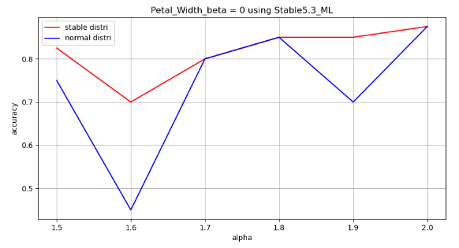
 |  |  | petal-width
 |  |  | Generated Data |  |  |  |  |  |  |  | accuracy |  | Fitting Results
 |  |  | Iris-versicolor |  |  |  | Iris-virginica |  |  |  | Stable NB | Normal NB | Iris-versicolor |  |  |  | Iris-virginica
 |  |  | alpha | beta | gamma | delta | alpha | beta | gamma | delta |  |  | alpha | beta | gamma | delta | alpha | beta | gamma | delta
 |  |  | 1.50 | 0.00 | 0.28 | 1.33 | 1.50 | 0.00 | 0.39 | 2.03 | 0.83 | 0.75 | 1.30 | 0.66 | 0.28 | 1.27 | 2.00 | 0.70 | 0.47 | 2.09
 |  |  | 1.60 |  |  |  | 1.60 |  |  |  | 0.70 | 0.45 | 0.96 | -0.61 | 0.25 | 1.56 | 2.00 | -0.10 | 0.58 | 1.97
 |  |  | 1.70 |  |  |  | 1.70 |  |  |  | 0.80 | 0.80 | 1.70 | -1.00 | 0.27 | 1.35 | 1.44 | 0.20 | 0.36 | 1.89
 |  |  | 1.80 |  |  |  | 1.80 |  |  |  | 0.85 | 0.85 | 2.00 | 0.32 | 0.29 | 1.34 | 1.78 | 1.00 | 0.30 | 1.82
 |  |  | 1.90 |  |  |  | 1.90 |  |  |  | 0.85 | 0.70 | 2.00 | 0.57 | 0.26 | 1.48 | 1.60 | 1.00 | 0.42 | 2.01
 |  |  | 2.00 |  |  |  | 2.00 |  |  |  | 0.88 | 0.88 | 2.00 | 0.84 | 0.26 | 1.30 | 2.00 | 0.46 | 0.36 | 2.16

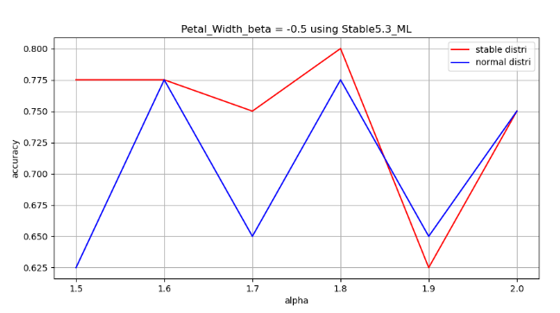
 |  |  | petal-width
 |  |  | Generated Data |  |  |  |  |  |  |  | accuracy |  | Fitting Results
 |  |  | Iris-versicolor |  |  |  | Iris-virginica |  |  |  | Stable NB | Normal NB | Iris-versicolor |  |  |  | Iris-virginica
 |  |  | alpha | beta | gamma | delta | alpha | beta | gamma | delta |  |  | alpha | beta | gamma | delta | alpha | beta | gamma | delta
 |  |  | 1.50 | -0.50 | 0.28 | 1.33 | 1.50 | -0.50 | 0.39 | 2.03 | 0.78 | 0.63 | 1.62 | -1.00 | 0.27 | 1.56 | 1.25 | -1.00 | 0.41 | 2.14
 |  |  | 1.60 |  |  |  | 1.60 |  |  |  | 0.78 | 0.78 | 2.00 | 0.15 | 0.22 | 1.42 | 1.47 | -0.48 | 0.38 | 2.33
 |  |  | 1.70 |  |  |  | 1.70 |  |  |  | 0.75 | 0.65 | 1.46 | -1.00 | 0.23 | 1.34 | 2.00 | -0.54 | 0.41 | 1.88
 |  |  | 1.80 |  |  |  | 1.80 |  |  |  | 0.80 | 0.78 | 2.00 | 0.80 | 0.22 | 1.48 | 1.75 | -1.00 | 0.32 | 2.16
 |  |  | 1.90 |  |  |  | 1.90 |  |  |  | 0.63 | 0.65 | 1.89 | 1.00 | 0.26 | 1.19 | 1.97 | 0.00 | 0.35 | 2.11
 |  |  | 2.00 |  |  |  | 2.00 |  |  |  | 0.75 | 0.75 | 1.27 | 0.73 | 0.18 | 1.23 | 1.60 | 1.00 | 0.40 | 1.77

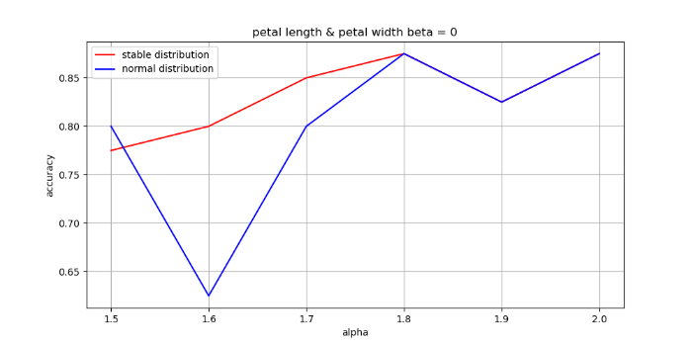
 |  |  | petal length & petal width beta = 0
 |  |  | change_alpha
 |  |  | 1.5 |  |  |  |  |  |  |  | 0.775 | 0.8
 |  |  | 1.6 |  |  |  |  |  |  |  | 0.8 | 0.625
 |  |  | 1.7 |  |  |  |  |  |  |  | 0.85 | 0.8
 |  |  | 1.8 |  |  |  |  |  |  |  | 0.875 | 0.875
 |  |  | 1.9 |  |  |  |  |  |  |  | 0.825 | 0.825
 |  |  | 2 |  |  |  |  |  |  |  | 0.875 | 0.875
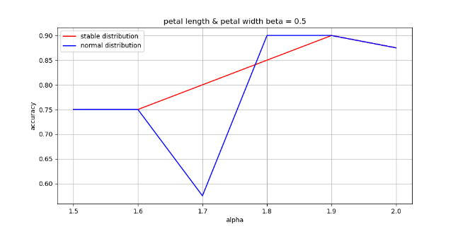
 |  |  | petal length & petal width beta = 0.5
 |  |  | change_alpha
 |  |  | 1.5 |  |  |  |  |  |  |  | 0.75 | 0.75
 |  |  | 1.6 |  |  |  |  |  |  |  | 0.75 | 0.75
 |  |  | 1.7 |  |  |  |  |  |  |  | 0.8 | 0.575
 |  |  | 1.8 |  |  |  |  |  |  |  | 0.85 | 0.9
 |  |  | 1.9 |  |  |  |  |  |  |  | 0.9 | 0.9
 |  |  | 2 |  |  |  |  |  |  |  | 0.875 | 0.875
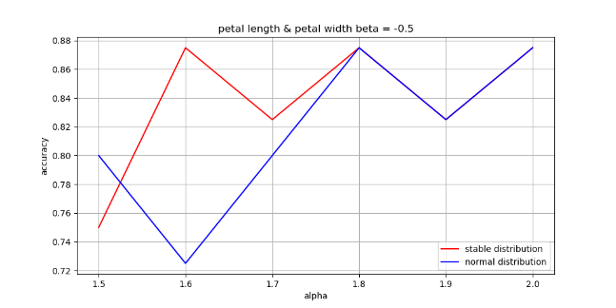
 |  |  | petal length & petal width beta = -0.5
 |  |  | change_alpha
 |  |  | 1.5 |  |  |  |  |  |  |  | 0.75 | 0.8
 |  |  | 1.6 |  |  |  |  |  |  |  | 0.875 | 0.725
 |  |  | 1.7 |  |  |  |  |  |  |  | 0.825 | 0.8
 |  |  | 1.8 |  |  |  |  |  |  |  | 0.875 | 0.875
 |  |  | 1.9 |  |  |  |  |  |  |  | 0.825 | 0.825
 |  |  | 2 |  |  |  |  |  |  |  | 0.875 | 0.875
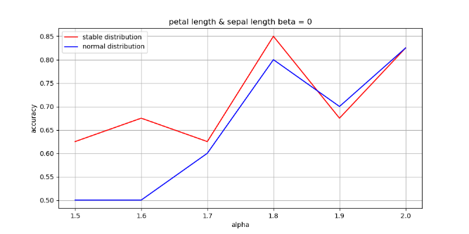
 |  |  | petal length & sepal length beta = 0
 |  |  | change_alpha
 |  |  | 1.5 |  |  |  |  |  |  |  | 0.625 | 0.5
 |  |  | 1.6 |  |  |  |  |  |  |  | 0.675 | 0.5
 |  |  | 1.7 |  |  |  |  |  |  |  | 0.625 | 0.6
 |  |  | 1.8 |  |  |  |  |  |  |  | 0.85 | 0.8
 |  |  | 1.9 |  |  |  |  |  |  |  | 0.675 | 0.7
 |  |  | 2 |  |  |  |  |  |  |  | 0.825 | 0.825
 |  |  | petal length & sepal length beta = 0.5
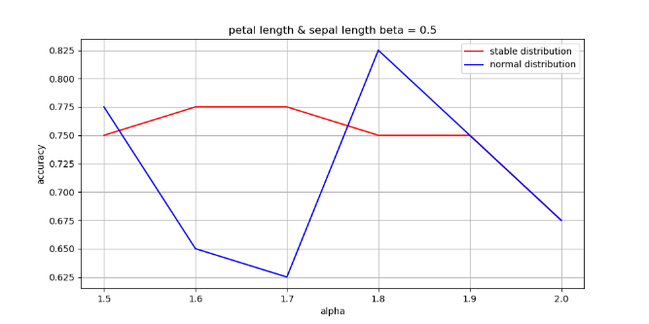
 |  |  | change_alpha
 |  |  | 1.5 |  |  |  |  |  |  |  | 0.75 | 0.775
 |  |  | 1.6 |  |  |  |  |  |  |  | 0.775 | 0.65
 |  |  | 1.7 |  |  |  |  |  |  |  | 0.775 | 0.625
 |  |  | 1.8 |  |  |  |  |  |  |  | 0.75 | 0.825
 |  |  | 1.9 |  |  |  |  |  |  |  | 0.75 | 0.75
 |  |  | 2 |  |  |  |  |  |  |  | 0.675 | 0.675
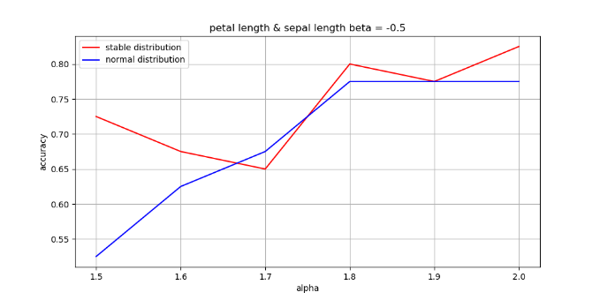
 |  |  | petal length & sepal length beta = -0.5
 |  |  | change_alpha
 |  |  | 1.5 |  |  |  |  |  |  |  | 0.725 | 0.525
 |  |  | 1.6 |  |  |  |  |  |  |  | 0.675 | 0.625
 |  |  | 1.7 |  |  |  |  |  |  |  | 0.65 | 0.675
 |  |  | 1.8 |  |  |  |  |  |  |  | 0.8 | 0.775
 |  |  | 1.9 |  |  |  |  |  |  |  | 0.775 | 0.775
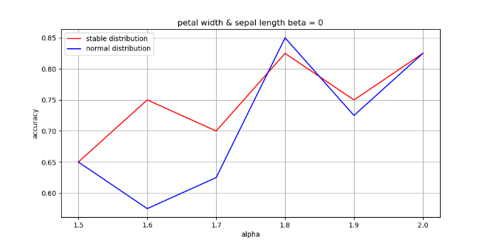
 |  |  | 2 |  |  |  |  |  |  |  | 0.825 | 0.775
 |  |  | petal width & sepal length beta = 0
 |  |  | change_alpha
 |  |  | 1.5 |  |  |  |  |  |  |  | 0.65 | 0.65
 |  |  | 1.6 |  |  |  |  |  |  |  | 0.75 | 0.575
 |  |  | 1.7 |  |  |  |  |  |  |  | 0.7 | 0.625
 |  |  | 1.8 |  |  |  |  |  |  |  | 0.825 | 0.85
 |  |  | 1.9 |  |  |  |  |  |  |  | 0.75 | 0.725
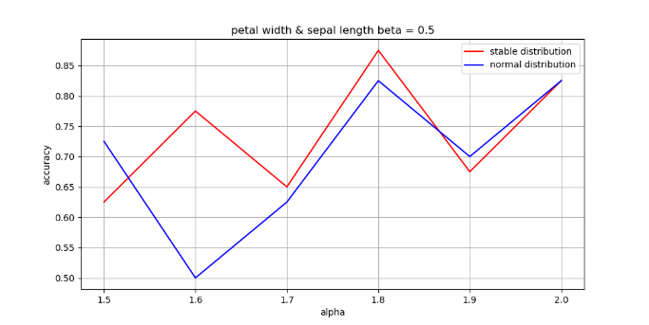
 |  |  | 2 |  |  |  |  |  |  |  | 0.825 | 0.825
 |  |  | petal width & sepal length beta = 0.5
 |  |  | change_alpha
 |  |  | 1.5 |  |  |  |  |  |  |  | 0.625 | 0.725
 |  |  | 1.6 |  |  |  |  |  |  |  | 0.775 | 0.5
 |  |  | 1.7 |  |  |  |  |  |  |  | 0.65 | 0.625
 |  |  | 1.8 |  |  |  |  |  |  |  | 0.875 | 0.825
 |  |  | 1.9 |  |  |  |  |  |  |  | 0.675 | 0.7
 |  |  | 2 |  |  |  |  |  |  |  | 0.825 | 0.825
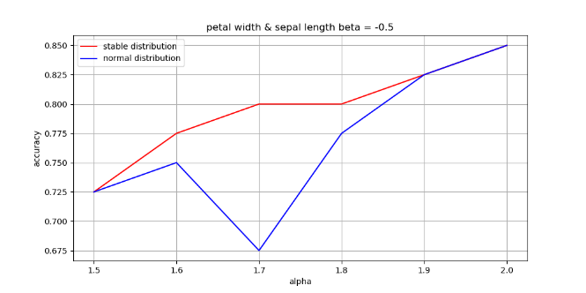
 |  |  | petal width & sepal length beta = -0.5
 |  |  | change_alpha
 |  |  | 1.5 |  |  |  |  |  |  |  | 0.725 | 0.725
 |  |  | 1.6 |  |  |  |  |  |  |  | 0.775 | 0.75
 |  |  | 1.7 |  |  |  |  |  |  |  | 0.8 | 0.675
 |  |  | 1.8 |  |  |  |  |  |  |  | 0.8 | 0.775
 |  |  | 1.9 |  |  |  |  |  |  |  | 0.825 | 0.825
 |  |  | 2 |  |  |  |  |  |  |  | 0.85 | 0.85
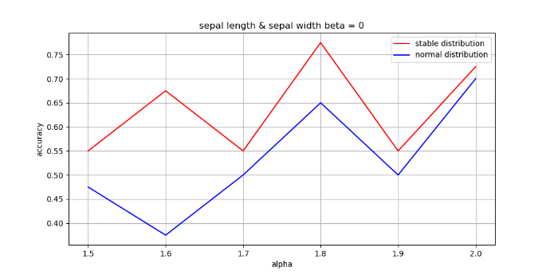
 |  |  | sepal length & sepal width beta = 0
 |  |  | change_alpha
 |  |  | 1.5 |  |  |  |  |  |  |  | 0.55 | 0.475
 |  |  | 1.6 |  |  |  |  |  |  |  | 0.675 | 0.375
 |  |  | 1.7 |  |  |  |  |  |  |  | 0.55 | 0.5
 |  |  | 1.8 |  |  |  |  |  |  |  | 0.775 | 0.65
 |  |  | 1.9 |  |  |  |  |  |  |  | 0.55 | 0.5
 |  |  | 2 |  |  |  |  |  |  |  | 0.725 | 0.7
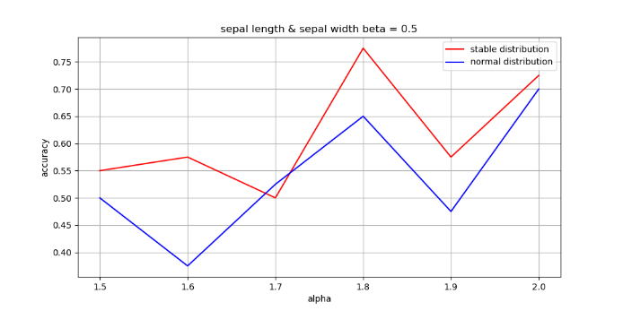
 |  |  | sepal length & sepal width beta = 0.5
 |  |  | change_alpha
 |  |  | 1.5 |  |  |  |  |  |  |  | 0.55 | 0.5
 |  |  | 1.6 |  |  |  |  |  |  |  | 0.575 | 0.575
 |  |  | 1.7 |  |  |  |  |  |  |  | 0.5 | 0.525
 |  |  | 1.8 |  |  |  |  |  |  |  | 0.775 | 0.65
 |  |  | 1.9 |  |  |  |  |  |  |  | 0.575 | 0.475
 |  |  | 2 |  |  |  |  |  |  |  | 0.725 | 0.7
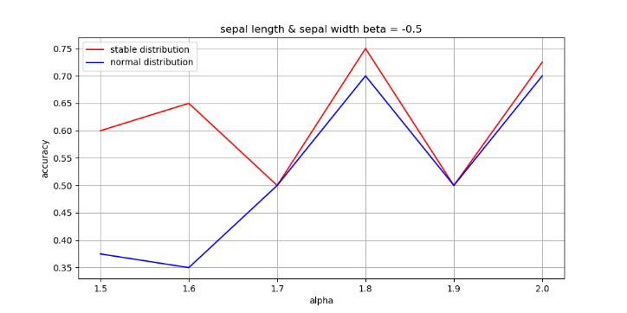
 |  |  | sepal length & sepal width beta = -0.5
 |  |  | change_alpha
 |  |  | 1.5 |  |  |  |  |  |  |  | 0.6 | 0.375
 |  |  | 1.6 |  |  |  |  |  |  |  | 0.65 | 0.35
 |  |  | 1.7 |  |  |  |  |  |  |  | 0.5 | 0.5
 |  |  | 1.8 |  |  |  |  |  |  |  | 0.75 | 0.7
 |  |  | 1.9 |  |  |  |  |  |  |  | 0.5 | 0.5
 |  |  | 2 |  |  |  |  |  |  |  | 0.725 | 0.725
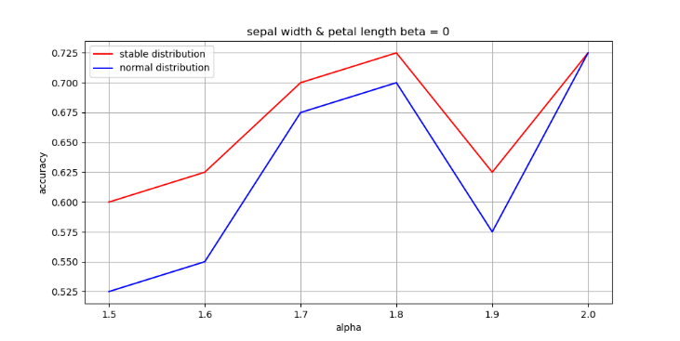
 |  |  | petal length & sepal width beta = 0
 |  |  | change_alpha
 |  |  | 1.5 |  |  |  |  |  |  |  | 0.6 | 0.525
 |  |  | 1.6 |  |  |  |  |  |  |  | 0.625 | 0.55
 |  |  | 1.7 |  |  |  |  |  |  |  | 0.7 | 0.675
 |  |  | 1.8 |  |  |  |  |  |  |  | 0.725 | 0.7
 |  |  | 1.9 |  |  |  |  |  |  |  | 0.625 | 0.575
 |  |  | 2 |  |  |  |  |  |  |  | 0.725 | 0.725
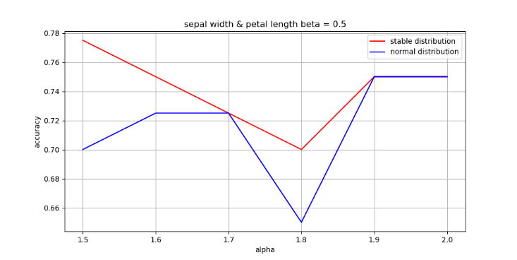
 |  |  | petal length & sepal width beta = 0.5
 |  |  | change_alpha
 |  |  | 1.5 |  |  |  |  |  |  |  | 0.775 | 0.7
 |  |  | 1.6 |  |  |  |  |  |  |  | 0.75 | 0.725
 |  |  | 1.7 |  |  |  |  |  |  |  | 0.725 | 0.725
 |  |  | 1.8 |  |  |  |  |  |  |  | 0.7 | 0.65
 |  |  | 1.9 |  |  |  |  |  |  |  | 0.75 | 0.75
 |  |  | 2 |  |  |  |  |  |  |  | 0.75 | 0.75
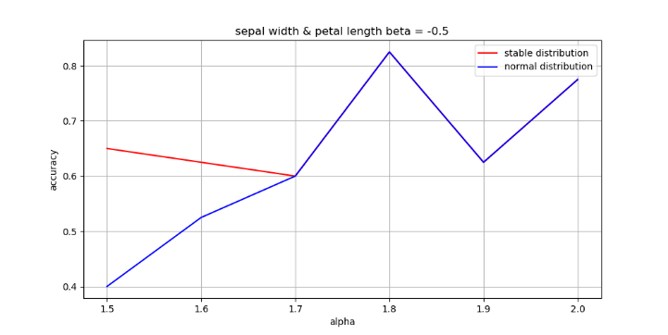
 |  |  | petal length & sepal width beta = -0.5
 |  |  | change_alpha
 |  |  | 1.5 |  |  |  |  |  |  |  | 0.65 | 0.4
 |  |  | 1.6 |  |  |  |  |  |  |  | 0.625 | 0.525
 |  |  | 1.7 |  |  |  |  |  |  |  | 0.6 | 0.6
 |  |  | 1.8 |  |  |  |  |  |  |  | 0.825 | 0.825
 |  |  | 1.9 |  |  |  |  |  |  |  | 0.625 | 0.625
 |  |  | 2 |  |  |  |  |  |  |  | 0.775 | 0.775
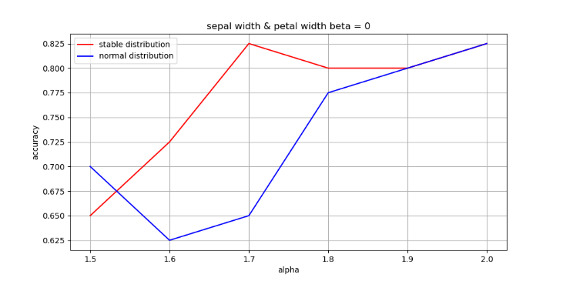
 |  |  | petal width & sepal width beta = 0
 |  |  | change_alpha
 |  |  | 1.5 |  |  |  |  |  |  |  | 0.65 | 0.7
 |  |  | 1.6 |  |  |  |  |  |  |  | 0.725 | 0.625
 |  |  | 1.7 |  |  |  |  |  |  |  | 0.825 | 0.65
 |  |  | 1.8 |  |  |  |  |  |  |  | 0.8 | 0.775
 |  |  | 1.9 |  |  |  |  |  |  |  | 0.8 | 0.8
 |  |  | 2 |  |  |  |  |  |  |  | 0.825 | 0.825
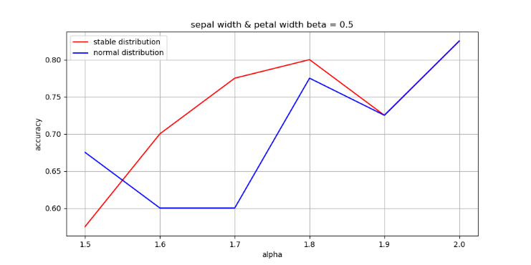
 |  |  | petal width & sepal width beta = 0.5
 |  |  | change_alpha
 |  |  | 1.5 |  |  |  |  |  |  |  | 0.575 | 0.675
 |  |  | 1.6 |  |  |  |  |  |  |  | 0.7 | 0.6
 |  |  | 1.7 |  |  |  |  |  |  |  | 0.775 | 0.6
 |  |  | 1.8 |  |  |  |  |  |  |  | 0.8 | 0.775
 |  |  | 1.9 |  |  |  |  |  |  |  | 0.725 | 0.725
 |  |  | 2 |  |  |  |  |  |  |  | 0.825 | 0.825
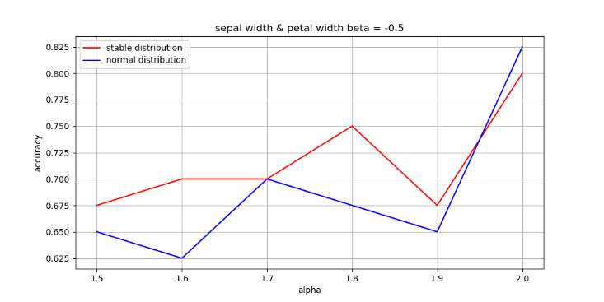
 |  |  | petal width & sepal width beta = -0.5
 |  |  | change_alpha
 |  |  | 1.5 |  |  |  |  |  |  |  | 0.675 | 0.65
 |  |  | 1.6 |  |  |  |  |  |  |  | 0.7 | 0.625
 |  |  | 1.7 |  |  |  |  |  |  |  | 0.7 | 0.7
 |  |  | 1.8 |  |  |  |  |  |  |  | 0.75 | 0.675
 |  |  | 1.9 |  |  |  |  |  |  |  | 0.675 | 0.65
 |  |  | 2 |  |  |  |  |  |  |  | 0.8 | 0.825

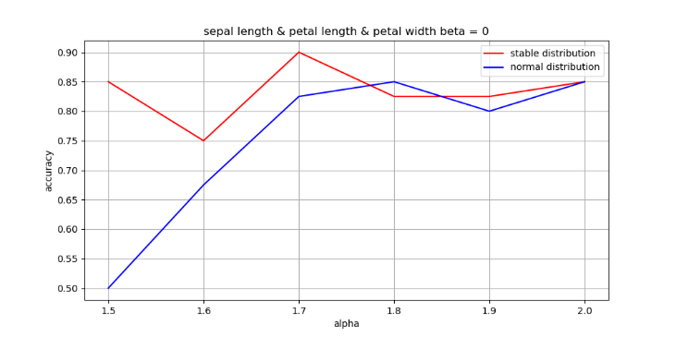
 |  |  | sepal length & petal length & petal width beta = 0
 |  |  | change_alpha
 |  |  | 1.5 |  |  |  |  |  |  |  | 0.85 | 0.5
 |  |  | 1.6 |  |  |  |  |  |  |  | 0.75 | 0.675
 |  |  | 1.7 |  |  |  |  |  |  |  | 0.9 | 0.825
 |  |  | 1.8 |  |  |  |  |  |  |  | 0.825 | 0.85
 |  |  | 1.9 |  |  |  |  |  |  |  | 0.825 | 0.8
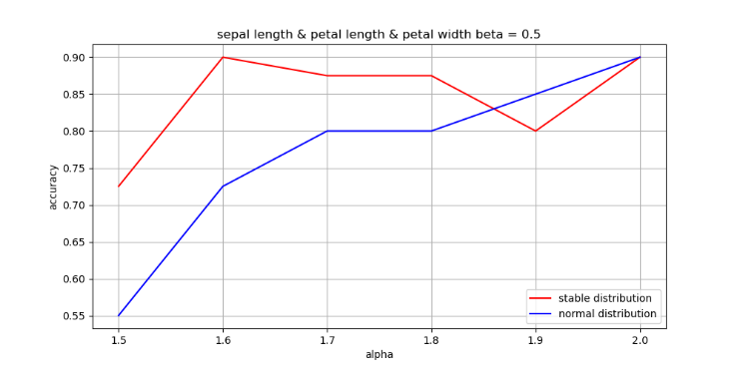
 |  |  | 2 |  |  |  |  |  |  |  | 0.85 | 0.85
 |  |  | sepal length & petal length & petal width beta = 0.5
 |  |  | change_alpha
 |  |  | 1.5 |  |  |  |  |  |  |  | 0.725 | 0.55
 |  |  | 1.6 |  |  |  |  |  |  |  | 0.9 | 0.725
 |  |  | 1.7 |  |  |  |  |  |  |  | 0.875 | 0.8
 |  |  | 1.8 |  |  |  |  |  |  |  | 0.875 | 0.8
 |  |  | 1.9 |  |  |  |  |  |  |  | 0.8 | 0.85
 |  |  | 2 |  |  |  |  |  |  |  | 0.9 | 0.9
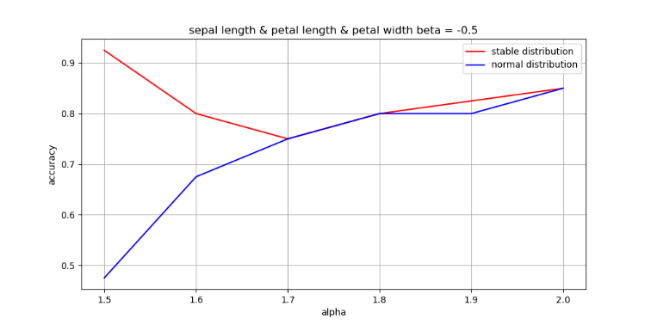
 |  |  | sepal length & petal length & petal width beta = -0.5
 |  |  | change_alpha
 |  |  | 1.5 |  |  |  |  |  |  |  | 0.925 | 0.475
 |  |  | 1.6 |  |  |  |  |  |  |  | 0.8 | 0.675
 |  |  | 1.7 |  |  |  |  |  |  |  | 0.75 | 0.75
 |  |  | 1.8 |  |  |  |  |  |  |  | 0.8 | 0.8
 |  |  | 1.9 |  |  |  |  |  |  |  | 0.825 | 0.8
 |  |  | 2 |  |  |  |  |  |  |  | 0.85 | 0.85
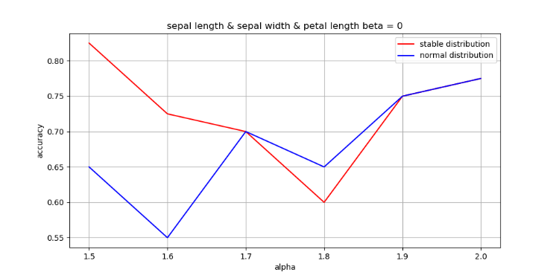
 |  |  | sepal length & sepal width & petal length beta = 0
 |  |  | change_alpha
 |  |  | 1.5 |  |  |  |  |  |  |  | 0.825 | 0.65
 |  |  | 1.6 |  |  |  |  |  |  |  | 0.725 | 0.55
 |  |  | 1.7 |  |  |  |  |  |  |  | 0.7 | 0.7
 |  |  | 1.8 |  |  |  |  |  |  |  | 0.6 | 0.65
 |  |  | 1.9 |  |  |  |  |  |  |  | 0.75 | 0.75
 |  |  | 2 |  |  |  |  |  |  |  | 0.775 | 0.775
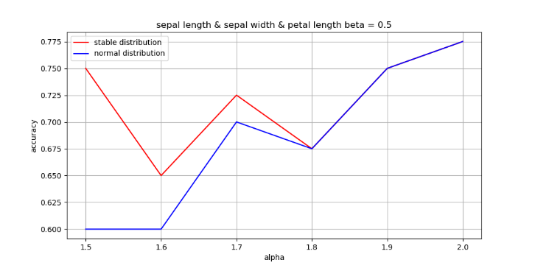
 |  |  | sepal length & sepal width & petal length beta = 0.5
 |  |  | change_alpha
 |  |  | 1.5 |  |  |  |  |  |  |  | 0.75 | 0.6
 |  |  | 1.6 |  |  |  |  |  |  |  | 0.65 | 0.6
 |  |  | 1.7 |  |  |  |  |  |  |  | 0.725 | 0.7
 |  |  | 1.8 |  |  |  |  |  |  |  | 0.675 | 0.675
 |  |  | 1.9 |  |  |  |  |  |  |  | 0.75 | 0.75
 |  |  | 2 |  |  |  |  |  |  |  | 0.775 | 0.775
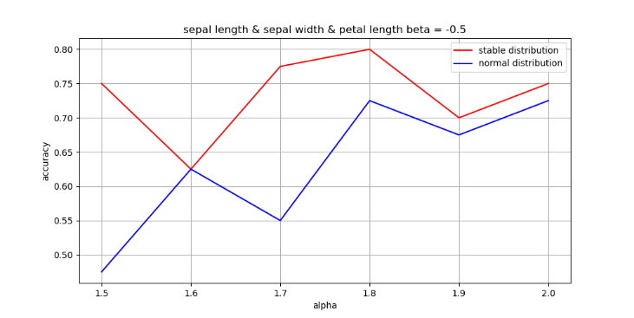
 |  |  | sepal length & sepal width & petal length beta = -0.5
 |  |  | change_alpha
 |  |  | 1.5 |  |  |  |  |  |  |  | 0.75 | 0.475
 |  |  | 1.6 |  |  |  |  |  |  |  | 0.625 | 0.625
 |  |  | 1.7 |  |  |  |  |  |  |  | 0.775 | 0.55
 |  |  | 1.8 |  |  |  |  |  |  |  | 0.8 | 0.725
 |  |  | 1.9 |  |  |  |  |  |  |  | 0.7 | 0.675
 |  |  | 2 |  |  |  |  |  |  |  | 0.75 | 0.725
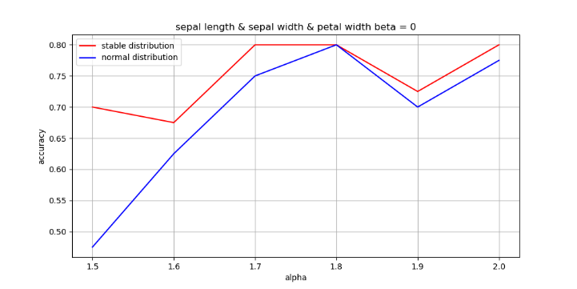
 |  |  | sepal length & sepal width & petal width beta = 0
 |  |  | change_alpha
 |  |  | 1.5 |  |  |  |  |  |  |  | 0.7 | 0.475
 |  |  | 1.6 |  |  |  |  |  |  |  | 0.675 | 0.625
 |  |  | 1.7 |  |  |  |  |  |  |  | 0.8 | 0.75
 |  |  | 1.8 |  |  |  |  |  |  |  | 0.8 | 0.8
 |  |  | 1.9 |  |  |  |  |  |  |  | 0.725 | 0.7
 |  |  | 2 |  |  |  |  |  |  |  | 0.8 | 0.775
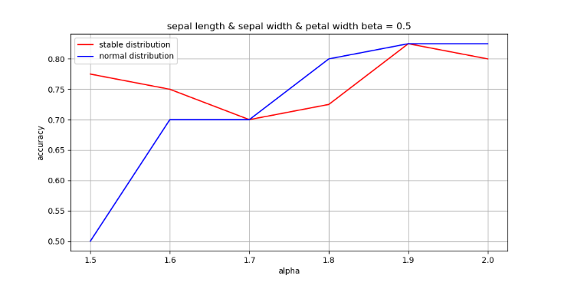
 |  |  | sepal length & sepal width & petal width beta = 0.5
 |  |  | change_alpha
 |  |  | 1.5 |  |  |  |  |  |  |  | 0.775 | 0.5
 |  |  | 1.6 |  |  |  |  |  |  |  | 0.75 | 0.7
 |  |  | 1.7 |  |  |  |  |  |  |  | 0.7 | 0.7
 |  |  | 1.8 |  |  |  |  |  |  |  | 0.725 | 0.8
 |  |  | 1.9 |  |  |  |  |  |  |  | 0.825 | 0.825
 |  |  | 2 |  |  |  |  |  |  |  | 0.8 | 0.825
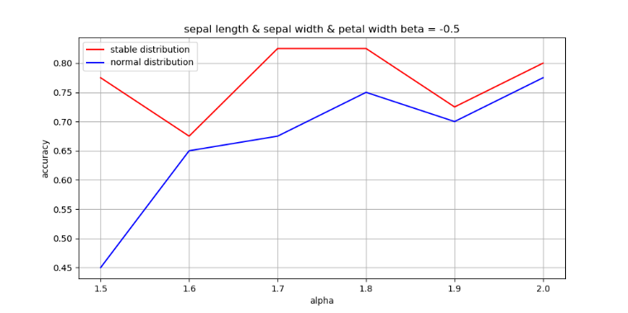
 |  |  | sepal length & sepal width & petal width beta = -0.5
 |  |  | change_alpha
 |  |  | 1.5 |  |  |  |  |  |  |  | 0.775 | 0.45
 |  |  | 1.6 |  |  |  |  |  |  |  | 0.675 | 0.65
 |  |  | 1.7 |  |  |  |  |  |  |  | 0.825 | 0.675
 |  |  | 1.8 |  |  |  |  |  |  |  | 0.825 | 0.75
 |  |  | 1.9 |  |  |  |  |  |  |  | 0.725 | 0.7
 |  |  | 2 |  |  |  |  |  |  |  | 0.8 | 0.775
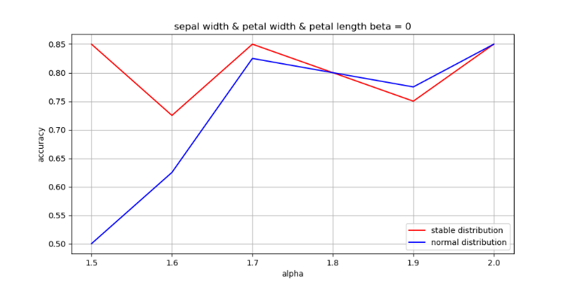
 |  |  | sepal width & petal width & petal length beta = 0
 |  |  | change_alpha
 |  |  | 1.5 |  |  |  |  |  |  |  | 0.85 | 0.5
 |  |  | 1.6 |  |  |  |  |  |  |  | 0.725 | 0.625
 |  |  | 1.7 |  |  |  |  |  |  |  | 0.85 | 0.825
 |  |  | 1.8 |  |  |  |  |  |  |  | 0.8 | 0.8
 |  |  | 1.9 |  |  |  |  |  |  |  | 0.75 | 0.775
 |  |  | 2 |  |  |  |  |  |  |  | 0.85 | 0.85
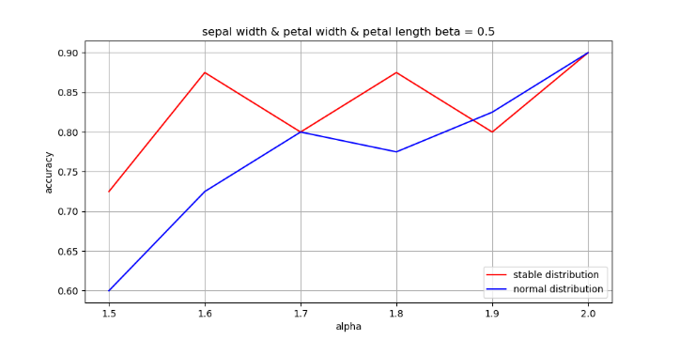
 |  |  | sepal width & petal width & petal length beta = 0.5
 |  |  | change_alpha
 |  |  | 1.5 |  |  |  |  |  |  |  | 0.725 | 0.6
 |  |  | 1.6 |  |  |  |  |  |  |  | 0.875 | 0.725
 |  |  | 1.7 |  |  |  |  |  |  |  | 0.8 | 0.8
 |  |  | 1.8 |  |  |  |  |  |  |  | 0.875 | 0.775
 |  |  | 1.9 |  |  |  |  |  |  |  | 0.8 | 0.825
 |  |  | 2 |  |  |  |  |  |  |  | 0.9 | 0.9
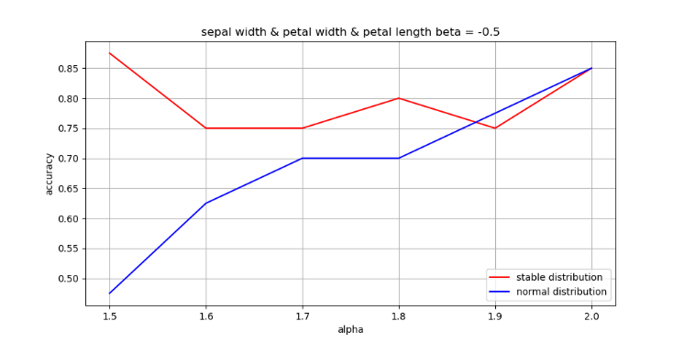
 |  |  | sepal width & petal width & petal length beta = -0.5
 |  |  | change_alpha
 |  |  | 1.5 |  |  |  |  |  |  |  | 0.875 | 0.475
 |  |  | 1.6 |  |  |  |  |  |  |  | 0.75 | 0.625
 |  |  | 1.7 |  |  |  |  |  |  |  | 0.75 | 0.7
 |  |  | 1.8 |  |  |  |  |  |  |  | 0.8 | 0.7
 |  |  | 1.9 |  |  |  |  |  |  |  | 0.75 | 0.775
 |  |  | 2 |  |  |  |  |  |  |  | 0.85 | 0.85
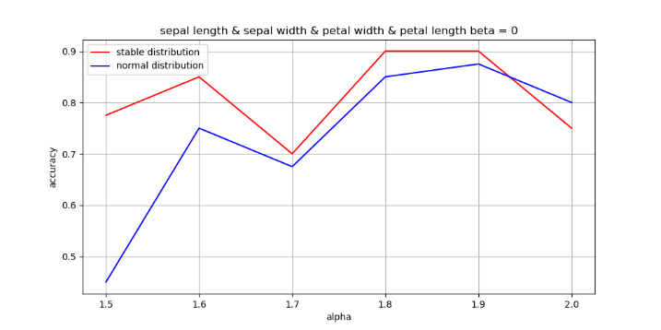
 |  |  | sepal length & sepal width & petal width & petal length beta = 0
 |  |  | change_alpha
 |  |  | 1.5 |  |  |  |  |  |  |  | 0.775 | 0.45
 |  |  | 1.6 |  |  |  |  |  |  |  | 0.85 | 0.75
 |  |  | 1.7 |  |  |  |  |  |  |  | 0.7 | 0.675
 |  |  | 1.8 |  |  |  |  |  |  |  | 0.9 | 0.85
 |  |  | 1.9 |  |  |  |  |  |  |  | 0.9 | 0.875
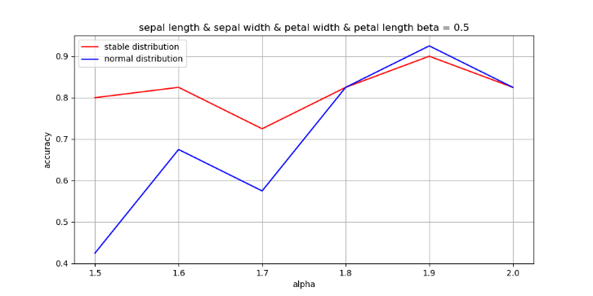
 |  |  | 2 |  |  |  |  |  |  |  | 0.75 | 0.8
 |  |  | sepal length & sepal width & petal width & petal length beta = 0.5
 |  |  | change_alpha
 |  |  | 1.5 |  |  |  |  |  |  |  | 0.8 | 0.425
 |  |  | 1.6 |  |  |  |  |  |  |  | 0.825 | 0.675
 |  |  | 1.7 |  |  |  |  |  |  |  | 0.725 | 0.575
 |  |  | 1.8 |  |  |  |  |  |  |  | 0.825 | 0.825
 |  |  | 1.9 |  |  |  |  |  |  |  | 0.9 | 0.925
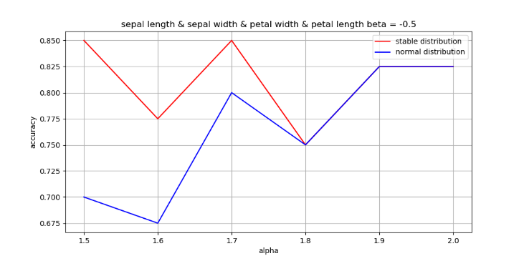
 |  |  | 2 |  |  |  |  |  |  |  | 0.825 | 0.825
 |  |  | sepal length & sepal width & petal width & petal length beta = -0.5
 |  |  | change_alpha
 |  |  | 1.5 |  |  |  |  |  |  |  | 0.85 | 0.7
 |  |  | 1.6 |  |  |  |  |  |  |  | 0.775 | 0.675
 |  |  | 1.7 |  |  |  |  |  |  |  | 0.85 | 0.8
 |  |  | 1.8 |  |  |  |  |  |  |  | 0.75 | 0.75
 |  |  | 1.9 |  |  |  |  |  |  |  | 0.825 | 0.825
 |  |  | 2 |  |  |  |  |  |  |  | 0.825 | 0.825

Sheet3
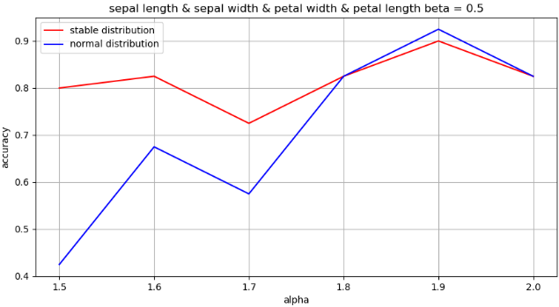
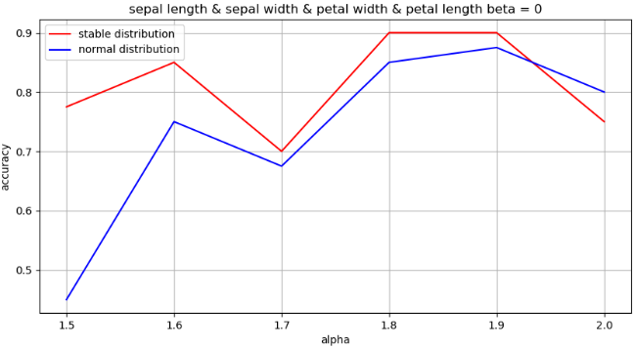

generated alpha | accuracy ( beta = 0.5 ) |  | accuracy ( beta = 0 ) |  | accuracy ( beta = -0.5 )
 | Stable NB | Normal NB | Stable NB | Normal NB | Stable NB | Normal NB
sepal-length
1.5 | 0.68 | 0.33 | 0.58 | 0.45 | 0.65 | 0.43
1.6 | 0.63 | 0.53 | 0.50 | 0.45 | 0.65 | 0.48
1.7 | 0.63 | 0.63 | 0.70 | 0.53 | 0.55 | 0.58
1.8 | 0.60 | 0.60 | 0.60 | 0.55 | 0.60 | 0.60
1.9 | 0.45 | 0.45 | 0.60 | 0.55 | 0.68 | 0.68
2.0 | 0.73 | 0.73 | 0.63 | 0.63 | 0.68 | 0.68




generated alpha | accuracy ( beta = 0.5 ) |  | accuracy ( beta = 0 ) |  | accuracy ( beta = -0.5 )
 | Stable NB | Normal NB | Stable NB | Normal NB | Stable NB | Normal NB
sepal-width
1.5 | 0.65 | 0.63 | 0.65 | 0.40 | 0.63 | 0.40
1.6 | 0.45 | 0.43 | 0.48 | 0.45 | 0.53 | 0.48
1.7 | 0.55 | 0.50 | 0.55 | 0.58 | 0.55 | 0.53
1.8 | 0.40 | 0.40 | 0.58 | 0.58 | 0.55 | 0.55
1.9 | 0.58 | 0.48 | 0.58 | 0.58 | 0.58 | 0.58
2.0 | 0.65 | 0.65 | 0.58 | 0.58 | 0.58 | 0.58




petal-length
1.5 | 0.78 | 0.55 | 0.75 | 0.48 | 0.68 | 0.63
1.6 | 0.70 | 0.55 | 0.70 | 0.58 | 0.75 | 0.58
1.7 | 0.80 | 0.68 | 0.70 | 0.70 | 0.73 | 0.70
1.8 | 0.73 | 0.70 | 0.73 | 0.73 | 0.75 | 0.75
1.9 | 0.58 | 0.60 | 0.70 | 0.70 | 0.73 | 0.73
2.0 | 0.88 | 0.88 | 0.78 | 0.78 | 0.78 | 0.78




petal-width
1.5 | 0.75 | 0.78 | 0.83 | 0.75 | 0.78 | 0.63
1.6 | 0.75 | 0.48 | 0.70 | 0.45 | 0.78 | 0.78
1.7 | 0.80 | 0.75 | 0.80 | 0.80 | 0.75 | 0.65
1.8 | 0.83 | 0.85 | 0.85 | 0.85 | 0.80 | 0.78
1.9 | 0.85 | 0.68 | 0.85 | 0.70 | 0.63 | 0.65
2.0 | 0.88 | 0.88 | 0.88 | 0.88 | 0.75 | 0.75




 |  |  |  |  |  |  | generated alpha | accuracy ( beta = 0.5 ) |  | accuracy ( beta = 0 ) |  | accuracy ( beta = -0.5 )
 |  |  |  |  |  |  |  | Stable NB | Normal NB | Stable NB | Normal NB | Stable NB | Normal NB
 |  |  |  |  |  |  | sepal length & petal length
 |  |  |  |  |  |  | 1.5 | 0.75 | 0.78 | 0.63 | 0.50 | 0.73 | 0.53
 |  |  |  |  |  |  | 1.6 | 0.78 | 0.65 | 0.68 | 0.50 | 0.68 | 0.63
 |  |  |  |  |  |  | 1.7 | 0.78 | 0.63 | 0.63 | 0.60 | 0.65 | 0.68
 |  |  |  |  |  |  | 1.8 | 0.75 | 0.83 | 0.85 | 0.80 | 0.80 | 0.78
 |  |  |  |  |  |  | 1.9 | 0.75 | 0.75 | 0.68 | 0.70 | 0.78 | 0.78
 |  |  |  |  |  |  | 2.0 | 0.68 | 0.68 | 0.83 | 0.83 | 0.83 | 0.78




 |  |  |  |  |  |  | sepal length & petal width
 |  |  |  |  |  |  | 1.5 | 0.63 | 0.73 | 0.65 | 0.65 | 0.73 | 0.73
 |  |  |  |  |  |  | 1.6 | 0.78 | 0.50 | 0.75 | 0.58 | 0.78 | 0.75
 |  |  |  |  |  |  | 1.7 | 0.65 | 0.63 | 0.70 | 0.63 | 0.80 | 0.68
 |  |  |  |  |  |  | 1.8 | 0.88 | 0.83 | 0.83 | 0.85 | 0.80 | 0.78
 |  |  |  |  |  |  | 1.9 | 0.68 | 0.70 | 0.75 | 0.73 | 0.83 | 0.83
 |  |  |  |  |  |  | 2.0 | 0.83 | 0.83 | 0.83 | 0.83 | 0.85 | 0.85




 |  |  |  |  |  |  | sepal length & sepal width
 |  |  |  |  |  |  | 1.5 | 0.55 | 0.50 | 0.55 | 0.48 | 0.60 | 0.38
 |  |  |  |  |  |  | 1.6 | 0.58 | 0.58 | 0.68 | 0.38 | 0.65 | 0.35
 |  |  |  |  |  |  | 1.7 | 0.50 | 0.53 | 0.55 | 0.50 | 0.50 | 0.50
 |  |  |  |  |  |  | 1.8 | 0.78 | 0.65 | 0.78 | 0.65 | 0.75 | 0.70
 |  |  |  |  |  |  | 1.9 | 0.58 | 0.48 | 0.55 | 0.50 | 0.50 | 0.50
 |  |  |  |  |  |  | 2.0 | 0.73 | 0.70 | 0.73 | 0.70 | 0.73 | 0.73




 |  |  |  |  |  |  | petal length & petal width
 |  |  |  |  |  |  | 1.5 | 0.75 | 0.75 | 0.78 | 0.80 | 0.75 | 0.80
 |  |  |  |  |  |  | 1.6 | 0.75 | 0.75 | 0.80 | 0.63 | 0.88 | 0.73
 |  |  |  |  |  |  | 1.7 | 0.80 | 0.58 | 0.85 | 0.80 | 0.83 | 0.80
 |  |  |  |  |  |  | 1.8 | 0.85 | 0.90 | 0.88 | 0.88 | 0.88 | 0.88
 |  |  |  |  |  |  | 1.9 | 0.90 | 0.90 | 0.83 | 0.83 | 0.83 | 0.83
 |  |  |  |  |  |  | 2.0 | 0.88 | 0.88 | 0.88 | 0.88 | 0.88 | 0.88




 |  |  |  |  |  |  | petal length & sepal width
 |  |  |  |  |  |  | 1.5 | 0.78 | 0.70 | 0.60 | 0.53 | 0.65 | 0.40
 |  |  |  |  |  |  | 1.6 | 0.75 | 0.73 | 0.63 | 0.55 | 0.63 | 0.53
 |  |  |  |  |  |  | 1.7 | 0.73 | 0.73 | 0.70 | 0.68 | 0.60 | 0.60
 |  |  |  |  |  |  | 1.8 | 0.70 | 0.65 | 0.73 | 0.70 | 0.83 | 0.83
 |  |  |  |  |  |  | 1.9 | 0.75 | 0.75 | 0.63 | 0.58 | 0.63 | 0.63
 |  |  |  |  |  |  | 2.0 | 0.75 | 0.75 | 0.73 | 0.73 | 0.78 | 0.78




 |  |  |  |  |  |  | petal width & sepal width
 |  |  |  |  |  |  | 1.5 | 0.58 | 0.68 | 0.65 | 0.70 | 0.68 | 0.65
 |  |  |  |  |  |  | 1.6 | 0.70 | 0.60 | 0.73 | 0.63 | 0.70 | 0.63
 |  |  |  |  |  |  | 1.7 | 0.78 | 0.60 | 0.83 | 0.65 | 0.70 | 0.70
 |  |  |  |  |  |  | 1.8 | 0.80 | 0.78 | 0.80 | 0.78 | 0.75 | 0.68
 |  |  |  |  |  |  | 1.9 | 0.73 | 0.73 | 0.80 | 0.80 | 0.68 | 0.65
 |  |  |  |  |  |  | 2.0 | 0.83 | 0.83 | 0.83 | 0.83 | 0.80 | 0.83




 |  |  |  |  |  |  |  |  |  |  |  |  |  | generated alpha | accuracy ( beta = 0.5 ) |  | accuracy ( beta = 0 ) |  | accuracy ( beta = -0.5 )
 |  |  |  |  |  |  |  |  |  |  |  |  |  |  | Stable NB | Normal NB | Stable NB | Normal NB | Stable NB | Normal NB
 |  |  |  |  |  |  |  |  |  |  |  |  |  | sepal length & petal length & petal width
 |  |  |  |  |  |  |  |  |  |  |  |  |  | 1.5 | 0.73 | 0.55 | 0.85 | 0.50 | 0.93 | 0.48
 |  |  |  |  |  |  |  |  |  |  |  |  |  | 1.6 | 0.90 | 0.73 | 0.75 | 0.68 | 0.80 | 0.68
 |  |  |  |  |  |  |  |  |  |  |  |  |  | 1.7 | 0.88 | 0.80 | 0.90 | 0.83 | 0.75 | 0.75
 |  |  |  |  |  |  |  |  |  |  |  |  |  | 1.8 | 0.88 | 0.80 | 0.83 | 0.85 | 0.80 | 0.80
 |  |  |  |  |  |  |  |  |  |  |  |  |  | 1.9 | 0.80 | 0.85 | 0.83 | 0.80 | 0.83 | 0.80
 |  |  |  |  |  |  |  |  |  |  |  |  |  | 2.0 | 0.90 | 0.90 | 0.85 | 0.85 | 0.85 | 0.85




 |  |  |  |  |  |  |  |  |  |  |  |  |  | sepal length & sepal width & petal length
 |  |  |  |  |  |  |  |  |  |  |  |  |  | 1.5 | 0.75 | 0.60 | 0.83 | 0.65 | 0.75 | 0.48
 |  |  |  |  |  |  |  |  |  |  |  |  |  | 1.6 | 0.65 | 0.60 | 0.73 | 0.55 | 0.63 | 0.63
 |  |  |  |  |  |  |  |  |  |  |  |  |  | 1.7 | 0.73 | 0.70 | 0.70 | 0.70 | 0.78 | 0.55
 |  |  |  |  |  |  |  |  |  |  |  |  |  | 1.8 | 0.68 | 0.68 | 0.60 | 0.65 | 0.80 | 0.73
 |  |  |  |  |  |  |  |  |  |  |  |  |  | 1.9 | 0.75 | 0.75 | 0.75 | 0.75 | 0.70 | 0.68
 |  |  |  |  |  |  |  |  |  |  |  |  |  | 2.0 | 0.78 | 0.78 | 0.78 | 0.78 | 0.75 | 0.73




 |  |  |  |  |  |  |  |  |  |  |  |  |  | sepal length & sepal width & petal width
 |  |  |  |  |  |  |  |  |  |  |  |  |  | 1.5 | 0.78 | 0.50 | 0.70 | 0.48 | 0.78 | 0.45
 |  |  |  |  |  |  |  |  |  |  |  |  |  | 1.6 | 0.75 | 0.70 | 0.68 | 0.63 | 0.68 | 0.65
 |  |  |  |  |  |  |  |  |  |  |  |  |  | 1.7 | 0.70 | 0.70 | 0.80 | 0.75 | 0.83 | 0.68
 |  |  |  |  |  |  |  |  |  |  |  |  |  | 1.8 | 0.73 | 0.80 | 0.80 | 0.80 | 0.83 | 0.75
 |  |  |  |  |  |  |  |  |  |  |  |  |  | 1.9 | 0.83 | 0.83 | 0.73 | 0.70 | 0.73 | 0.70
 |  |  |  |  |  |  |  |  |  |  |  |  |  | 2.0 | 0.80 | 0.83 | 0.80 | 0.78 | 0.80 | 0.78




 |  |  |  |  |  |  |  |  |  |  |  |  |  | sepal width & petal width & petal length
 |  |  |  |  |  |  |  |  |  |  |  |  |  | 1.5 | 0.73 | 0.60 | 0.85 | 0.50 | 0.88 | 0.48
 |  |  |  |  |  |  |  |  |  |  |  |  |  | 1.6 | 0.88 | 0.73 | 0.73 | 0.63 | 0.75 | 0.63
 |  |  |  |  |  |  |  |  |  |  |  |  |  | 1.7 | 0.80 | 0.80 | 0.85 | 0.83 | 0.75 | 0.70
 |  |  |  |  |  |  |  |  |  |  |  |  |  | 1.8 | 0.88 | 0.78 | 0.80 | 0.80 | 0.80 | 0.70
 |  |  |  |  |  |  |  |  |  |  |  |  |  | 1.9 | 0.80 | 0.83 | 0.75 | 0.78 | 0.75 | 0.78
 |  |  |  |  |  |  |  |  |  |  |  |  |  | 2.0 | 0.90 | 0.90 | 0.85 | 0.85 | 0.85 | 0.85




 |  |  |  |  |  |  |  |  |  |  |  |  |  |  |  |  |  |  |  |  | sepal length & sepal width & petal width & petal length
 |  |  |  |  |  |  |  |  |  |  |  |  |  |  |  |  |  |  |  |  | generated alpha | accuracy ( beta = 0.5 ) |  | accuracy ( beta = 0 ) |  | accuracy ( beta = -0.5 )
 |  |  |  |  |  |  |  |  |  |  |  |  |  |  |  |  |  |  |  |  |  | Stable NB | Normal NB | Stable NB | Normal NB | Stable NB | Normal NB
 |  |  |  |  |  |  |  |  |  |  |  |  |  |  |  |  |  |  |  |  | 1.5 | 0.80 | 0.43 | 0.78 | 0.45 | 0.85 | 0.70
 |  |  |  |  |  |  |  |  |  |  |  |  |  |  |  |  |  |  |  |  | 1.6 | 0.83 | 0.68 | 0.85 | 0.75 | 0.78 | 0.68
 |  |  |  |  |  |  |  |  |  |  |  |  |  |  |  |  |  |  |  |  | 1.7 | 0.73 | 0.58 | 0.70 | 0.68 | 0.85 | 0.80
 |  |  |  |  |  |  |  |  |  |  |  |  |  |  |  |  |  |  |  |  | 1.8 | 0.83 | 0.83 | 0.90 | 0.85 | 0.75 | 0.75
 |  |  |  |  |  |  |  |  |  |  |  |  |  |  |  |  |  |  |  |  | 1.9 | 0.90 | 0.93 | 0.90 | 0.88 | 0.83 | 0.83
 |  |  |  |  |  |  |  |  |  |  |  |  |  |  |  |  |  |  |  |  | 2.0 | 0.83 | 0.83 | 0.75 | 0.80 | 0.83 | 0.83

Sheet2








1
2
3





4
5
6

