Sheet1
1) | weights | guess | computed
 | 12 | mean | 17.1
 | 15 | median | 17.5
 | 14 | mode | #N/A
 | 10
 | 18
 | 20
 | 22
 | 24
 | 17
 | 19

2)

 | 25th percentile(Q1) | 14.25
 | 50th percentile(Q2) | 17.5
 | 75th percentile(Q3) | 19.75

3)
 | IOR(Q3-Q1) | 5.5
 | The Interquartile Range (IQR) is a measure of statistical dispersion, representing the spread of the middle 50% of a dataset. It is calculated as:

 | IQR=(Q3-Q1)

4)
 | MIN | 10
 | MAX | 24

5) | LOWER BOUND | 6
 | UPPER BOUND | 28

 | There is no outlier in this dataset
6)
 | RANGE | 14
 | VARIANCE | 17.49
 | STANDARD DEVIATION | 4.182104733

7) | Data | z-score
 | 12 | -1.219481655
 | 15 | -0.5021395049
 | 14 | -0.7412535548
 | 10 | -1.697709754
 | 18 | 0.2152026449
 | 20 | 0.6934307448
 | 22 | 1.171658845
 | 24 | 1.649886945
 | 17 | -0.02391140499
 | 19 | 0.4543166949

8) | X | Y | CORRELATION
 | 10 | 5 | 1
 | 20 | 10
 | 30 | 15
 | 40 | 20
 | 50 | 25

9)
Y vs. X

11)

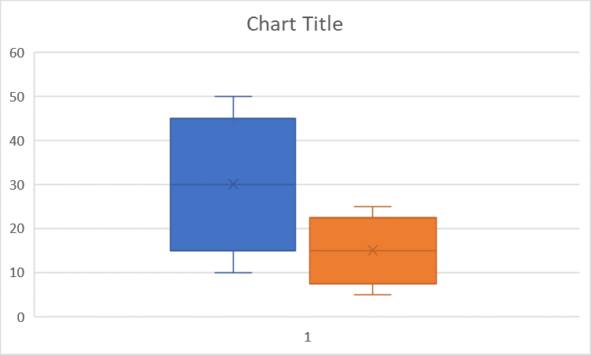
10)

12) | why do we need inferential
 | Inferential statistics allows us to draw conclusions about a population based on data from a sample. Since collecting data from an entire population is often impractical, inferential statistics helps us make predictions and generalizations using probability theory
Difference between correlation and causation
* | Correlation refers to a statistical relationship between two variables, meaning they move together in some way (positively or negatively). However, correlation does not imply that one variable causes the other to change.
* | Causation (or causality) means that one event directly influences another. It implies a cause-and-effect relationship, meaning a change in one variable directly results in a change in the other.

Examples of correlaton and causation
* | Correlation: Studies may show that ice cream sales and drowning cases are positively correlated—when ice cream sales increase, drowning cases also rise.
* | Causation: However, eating more ice cream does not cause more drowning cases. Instead, a third factor (hot weather) influences both. Warmer temperatures lead to more people buying ice cream and also more people swimming, increasing the risk of drownin

13)
sampling is the process of converting continous time signal into discrete time signal
14)
Real world example:
 | Null Hypothesis:
 | Before an election, polling agencies survey a random sample of voters rather than asking every citizen. By analyzing responses from a small, well-chosen group, they estimate public opinion and predict election outcomes efficiently and accurately.

 | Alternative hypothesis:
 | The alternative hypothesis is the statement that contradicts the null hypothesis. It suggests that there is an effect, difference, or relationship in the population. Researchers aim to gather evidence to support this hypothesis.

 | significance level:
 | The significance level (alpha) is the probability of rejecting the null hypothesis when it is actually true (Type I error). It represents the threshold for determining statistical significance. A common choice is α = 0.05, meaning there is a 5% risk of concluding that an effect exists when it actually does no

 | probablity value:
 | The p-value is the probability of obtaining results as extreme as (or more extreme than) the observed results, assuming the null hypothesis is true. A smaller p-value indicates stronger evidence against the null hypothesis.

15) | sample mean | 25
 | population mean | 22
 | population standard deviation | 3
 | sample size | 40

 | stdev/sqrt(n) | 0.474341649

 | z-score | 6.32455532

16)
 | p-value computation for z-test
Since z-score is greater than critical value, The P-Value is < .00001. The result is significant at p < .05.

17) | one sample test
data={45,50,55,60,62,48,52} |  | data
 |  | 45
 |  | 50
 |  | 55
 |  | 60
 |  | 62
 |  | 48
 |  | 52
 | sample mean | 53.14285714
 | mean | 50
 | stdev | 6.229729032
 | standard error | 2.35461625
 | T-value | 1.334764059
18)
 | GROUP 1 | GROUP2
 | 85 | 78 |  | MEAN G1= 88.2 | t=(88.2 -79.0)/sqrt(((2.86)**2/5)+((3.16)**2/5))
 | 90 | 75 |  | MEAN G2= 79 | t=9.2/sqrt(1.6359+1.9971)
 | 88 | 80 |  |  | t=9.2/sqrt(3.633)
 | 92 | 83 |  | SD G1=2.8635 | t=5.03
 | 86 | 79 |  | SD G2= 3.16

 |  |  |  | N1= 5
 |  |  |  | N2= 5

19

 | alpha =.05
 | df=N1+N2-2=8
 | TCRITICAL =2.31 |  | T VALUE IS GREATER THAN T CRICTICAL
 |  |  | REJECT THE Ho hypothesis

20
 | in inferential stat help make conclusions from small samples
 | t test is for a large samples and ztest - large samples

