Process
Power BI Desktop (Free Download):

1) Import Data | 2) Clean Data
Multiple Text Files from within a Folder: | Split ProductID/Category Column: |  | ** Final Cleaned, Transformed and Imported Table:
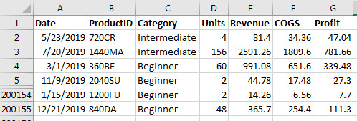

Files we will add to folder later: | 3) Transform Data
 | Combine all Text Files into Single Table:
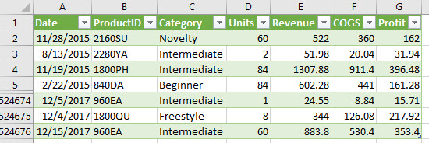

 |  |  | 4) Then we can make Dashboard with these updateable reports: | Gross Profit Report:
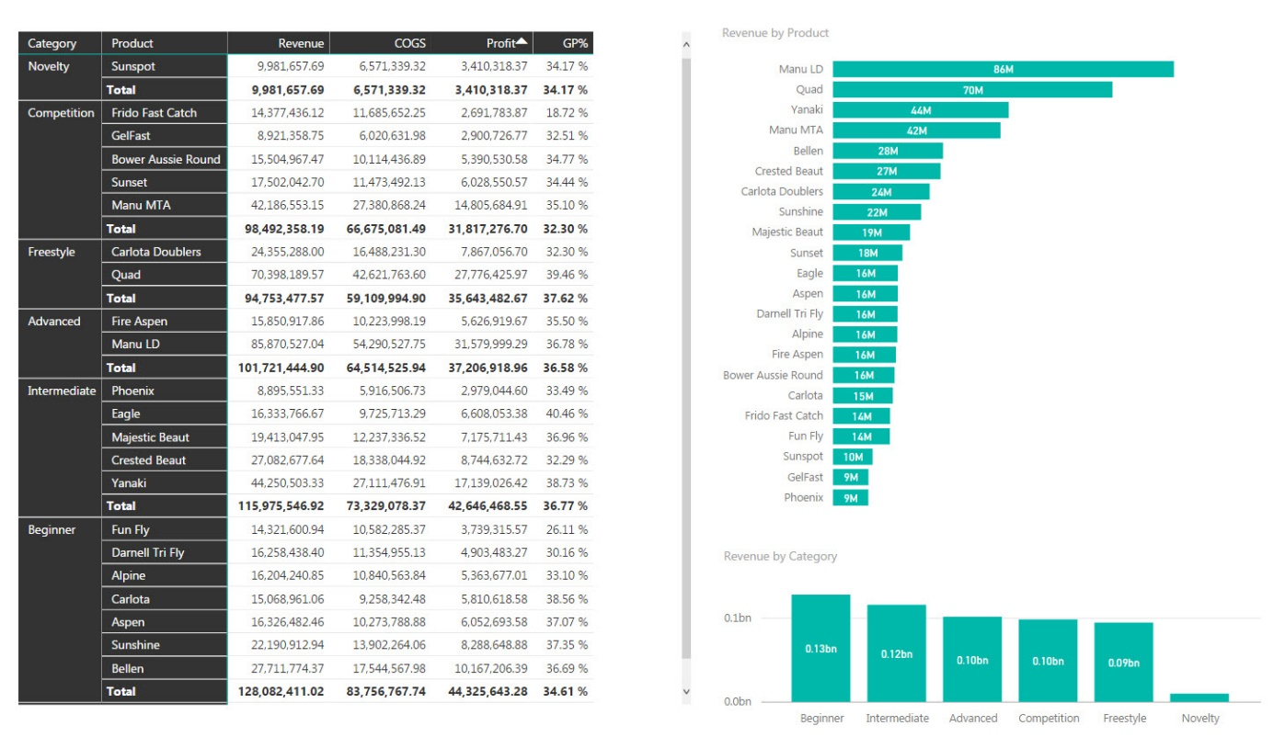
A single file looks like this:

 | Import Excel File
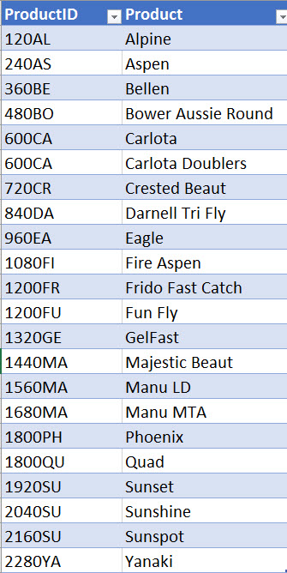

 |  | Power BI Topics:
 |  | Create Relationships |  |  | 5) Then when we add new files, EVERYTHING Updates!!!
 |  | Use DAX Formulas: 1) Table Function, 2) Calculated Column and 3) Measure
 |  | Create Updateable & Interactive Reports

