Sheet1
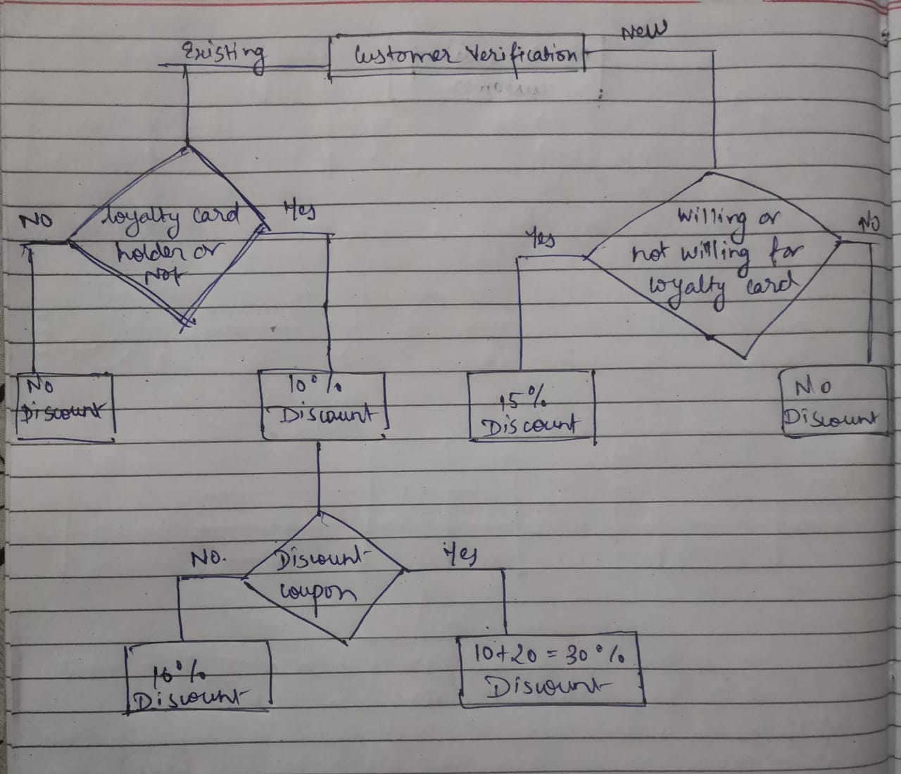
Eligible discount for a customer
Test Case Number | Test case Description | Step Description | Expected result | Defects
Scenario 1:Verifying the customer list
Step 1 | 1.Verifying entire customer list | 1. Match all the signup records with the existing customer records | 1. Defining all the new customers 2. Defining all the existing customers | N/A
Scenario 2: Condition checking when customer is new
Step 1 | Customers those are willing to apply for loyalty card | Verify if the customer is willing to apply for the loyalty card | Defining customers elligible for 15% discount | N/A
Step2 | Customers those are not willing to apply for loyalty card | Verify if the customer is not willing to apply for the loyalty card | Defining customers not elligibe for 15% discount | N/A
Scenario 3: When customer is an existing customer
Step 1 | if the existing customer holds the loyalty card | Verify if the existing customer holds the loyalty card. | Defining list of existing customers elligible for 10% discount. | N/A
Step 2 | Existing customer not holding the loyalty card | Verify if the existing customer holds the loyalty card. | Defining list of existing customers not elligible for 10% discount. | N/A
Scenario 4: Existing customer holding discount coupon
Step 1 | If existing customer holding discount coupon with loyalty card | Verify if the existing customer holds a discount coupon with loyalty card. | defining list customer with loyalty card and Discount coupon elligible for (10+20)=30% discount | N/A
Step 2 | if the existing customer not holding discount coupon with loyalty card | Verify if the existing customer holds a discount coupon with loyalty card. | defining list of customers with loyalty cardy but without Discount coupon elligible only for 10% discount | N/A

Basic test structure with unit test casses

