RST-DT
RST Corpus Statistics（修辞结构理论）
篇章关系
二元结构中Nucleus标注： | 只有span
训练语料中细粒度关系总类数：
训练语料中粗粒度关系总类数： | 18 种
根据粗粒度关系和NS的形态数： | 41 种

关系详表
核状态可取值 | 关系汇总列举（18粗粒度）
NN, NS, SN | Cause, Comparison, Condition, Contrast, Evaluation, Explanation, Temporal, Tonic-Comment
NS, SN | Attribution, Background, Elaborate, Enablement, Manner-Means, Summary, Topic-Change
NN | Joint, Same-Unit, Textual-Organization |  | 计算NN结构的分叉个数和NN节点个数
粗粒度与细粒度篇章关系映射（19粗粒度：因评测故加入span）
Attribution: | attribution, attribution-negative |  | 2
Background: | background, circumstance |  | 2
Cause: | cause, result, consequence |  | 3
Comparison: | comparison, preference, analogy, proportion |  | 4
Condition: | condition, hypothetical, contingency, otherwise |  | 4
Contrast: | contrast, concession, antithesis |  | 3
Elaborate: | elaboration-additional, elaboration-general-specific, elaboration-part-whole, elaboration-process-step, elaboration-object-attribute, elaboration-set-member, example, definition |  | 8
Enablement: | purpose, enablement |  | 2
Evaluation: | evaluation, interpretation, conclusion, comment |  | 4
Explanation: | evidence, explanation-argumentative, reason |  | 3
Joint: | list, disjunction |  | 2
Manner-Means: | manner, means |  | 2
Topic-Comment: | problem-solution, question-answer, statement-response, topic-comment, comment-topic, rhetorical-question |  | 6
Summary: | summary, restatement |  | 2
Temporal: | temporal-before, temporal-after, temporal-same-time, sequence, invertedsequence |  | 5
Topic Change: | topic-shift, topic-drift |  | 2 | 53单核+25多核=78共
Three relations are used to impose structure on the tree: | textual-organization, span, and same-unit |  | 3
 |  |  | 57
个数信息统计
训练语料中EDU总数： | 18764 个
训练文件数目： | 342篇-wsj
测试文件数目： | 38篇-wsj
训练预料中平均一棵篇章树EDU： | 54.87 个
PDTB平均一个论元中的词汇数：
数据字典（lenth of EDU: count）： | 1: 285, 2: 711, 3: 1363, 4: 1467, 5: 1500, 6: 1494, 7: 1527, 8: 1448, 9: 1237, 10: 1149, 11: 984, 12: 921, 13: 830, 14: 661, 15: 526, 16: 422, 17: 362, 18: 347, 19: 266, 20: 238, 21: 175, 22: 159, 23: 124, 24: 87, 25: 76, 26: 72, 27: 55, 28: 42, 29: 30, 30: 36, 31: 33, 32: 27, 33: 18, 34: 18, 35: 14, 36: 8, 37: 14, 38: 6, 39: 6, 40: 6, 41: 3, 42: 1, 44: 3, 47: 1, 48: 4, 49: 5, 50: 1, 51: 2, 56: 1
数据字典直方图直方图
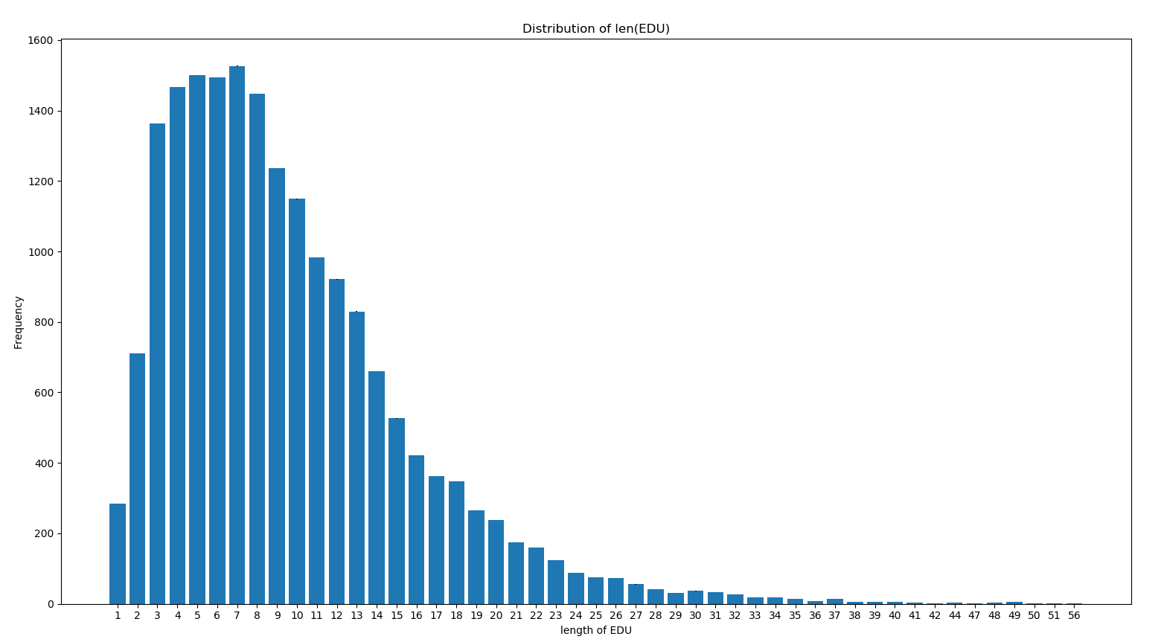

EDU长度： | 1-5 | 6-10 | 11-15 | 16-20 | 21-25 | 26-30 | 31-35 | 36-40 | 41-45 | 46-50 | 51-55 | 56-60
EDU个数： | 5326 | 6855 | 3922 | 1635 | 621 | 235 | 110 | 40 | 7 | 11 | 2 | 1
数据字典直方图直方图
EDU各长度区间对应EDU个数

实验结果统计
RST Segmentation Evaluation
Project | Trees | Method | Precision | Recall | F-score
DPLP / HILDA | Penn | 统计句子里面的分割边界，不包括句子或者段落的边界。 | 95.5 | 94.5 | 95
Ranking Model Xuan Bach et al | Penn | 评估方法1: 和Soricut and Marcu一致, 如果一个句子有3个EDU那么对应句子中两个句子内的边界，检测这两个边界，同HILDA. 只检测B Label | 93.1 | 94.2 | 93.7
 |  | 评估方法2: 和Hernault et al., 2010一致, EDU首标B label, 后面的属于该EDU的字母标C, 先计算label B的三个值（Precision, Recall, F-score），再计算C的三个值，然后取平均。 | 0.927 | 0.897 | 0.912
 |  |  | 0.992 | 0.995 | 0.993
 |  |  | 0.96 | 0.946 | 0.953

RST Segmentation Evaluation
unlabeled

Discourse Parsing
转移系统
Method | Score on span | Score on nucleus | Score on relation
LinearSVC | 79.63 | 63.59 | 50.73
LinearSVC(connective) | 80.07 | 64 | 51.09
Spinn(EDU embedding_size: 50) | 69.38
Spinn(CBOS) | 66.17
其他更好？

