Results
Display Tables
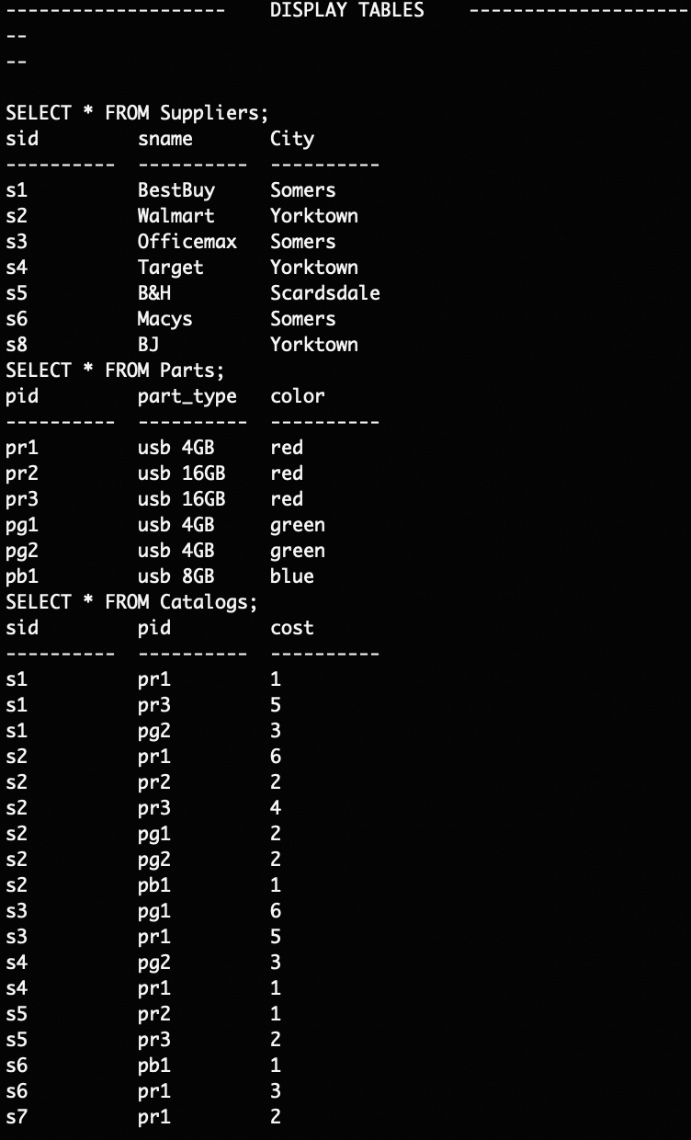

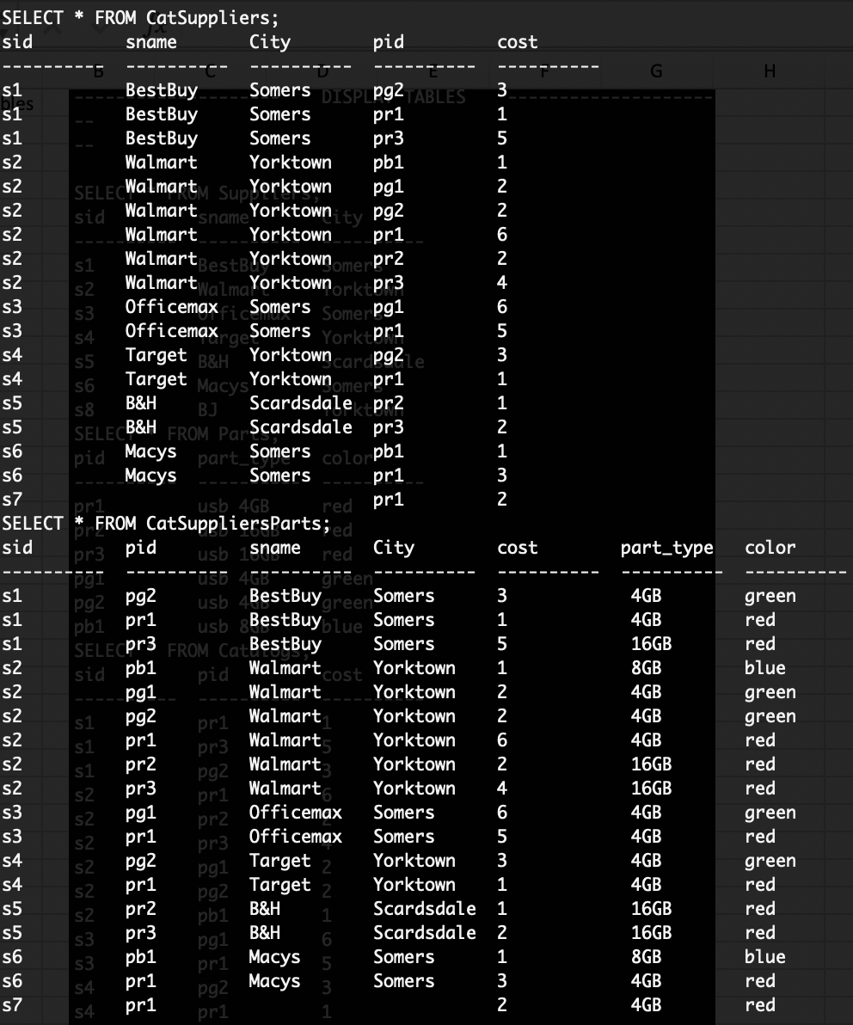

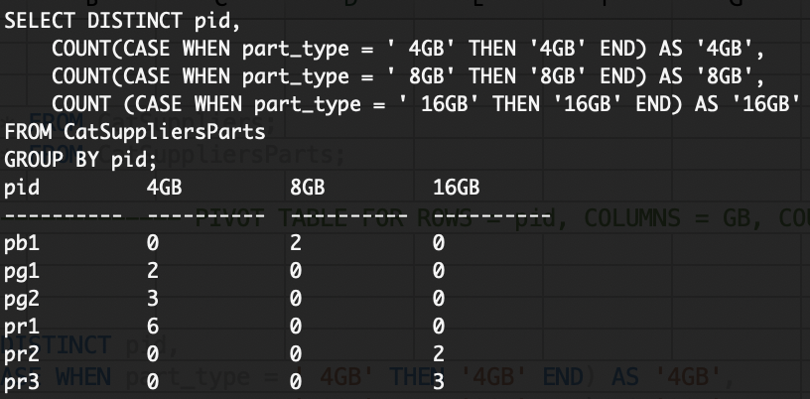
Pivot Table


2a

2b

2c

2d


2e

3a

3b

3c

3d

3f

4

5

6

7

