Folha1
CPU: | 13th Gen Intel(R) Core(TM) i9-13900K |  | RAM: | G.Skill Trident Z5 32GB DDR5-6400MHz CL32

Algorithm | Single-Thread | Multi-thread |  | Algorithm | Bytes
PNG | 22.17 | 369 |  | PNG | 1170575
GZIP | 63.29 | 1020.41 |  | GZIP | 680507
DEFLATE | 64.1 | 1033.06 |  | DEFLATE | 680497 | 8K Bitmap:
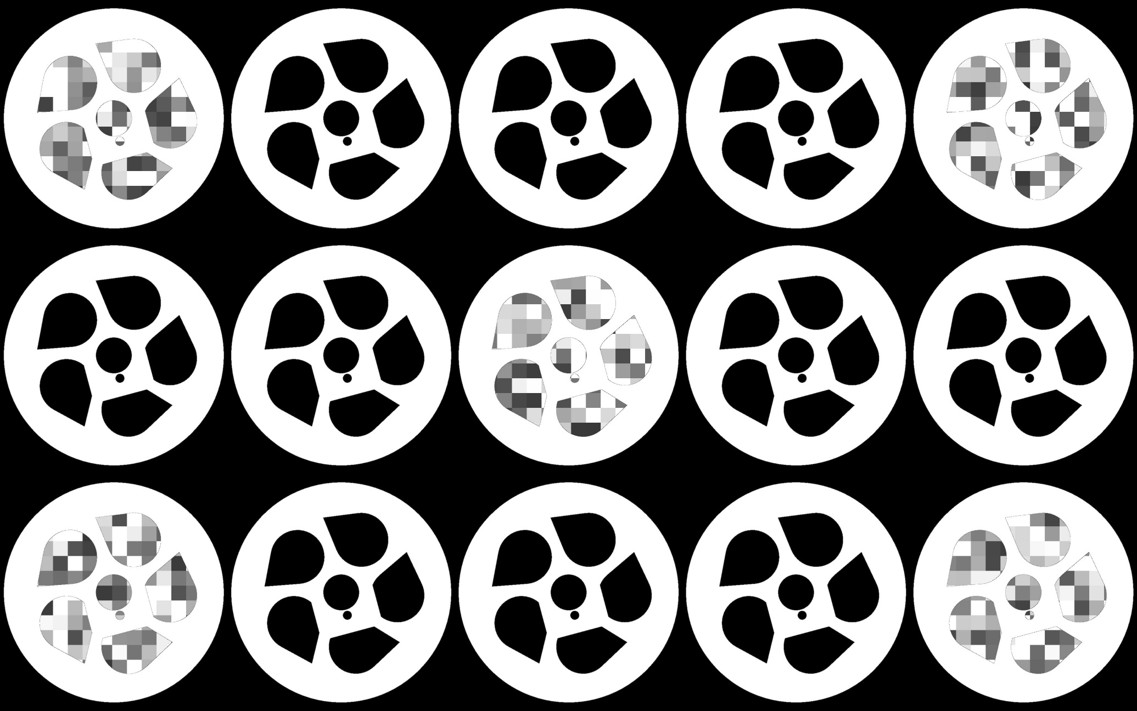
LZ4 | 312.5 | 6097.56 |  | LZ4 | 496376
 |  |  |  | Bitmap | 33177600

8K layer compression perfomance
Compressed Bytes

