Param
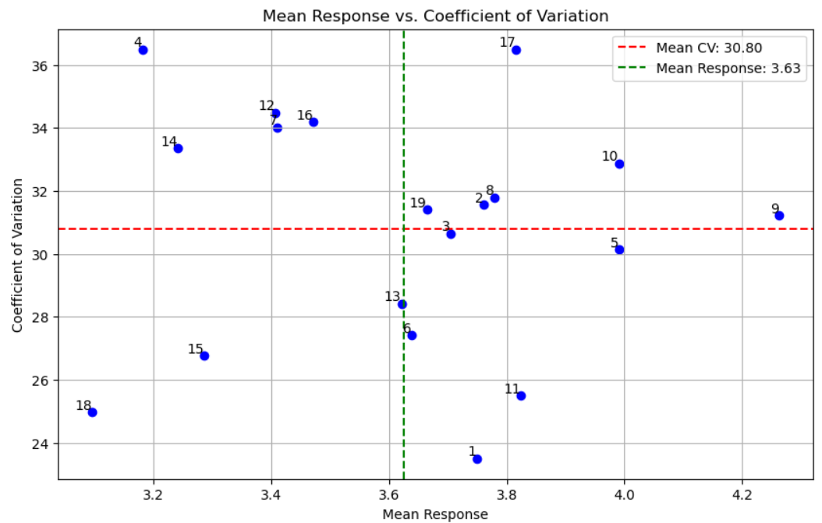
Genotype | Mean Response | Environmental CV | Environmental Variance | Environmental StdDev | Eqovalance_Rick | Stability Variance (Shukla) | Regression Coefficient | Deviation from Regression Line | R-Squared | \
1 | 3.748667 | 23.500979 | 0.776114 | 0.880973 | 1.060555 | 0.112627 | 0.841656 | 0.105396 | 0.879289
2 | 3.761333 | 31.550346 | 1.408289 | 1.186714 | 4.641692 | 0.557344 | 0.963247 | 0.578748 | 0.634704
3 | 3.704333 | 30.650886 | 1.289158 | 1.135411 | 1.539575 | 0.172114 | 1.080311 | 0.185457 | 0.872126
4 | 3.180667 | 36.490406 | 1.347081 | 1.160638 | 3.765171 | 0.448495 | 0.982027 | 0.470296 | 0.689669
5 | 3.990667 | 30.127002 | 1.445449 | 1.202268 | 1.858038 | 0.211661 | 1.143063 | 0.210073 | 0.870814
6 | 3.638333 | 27.405026 | 0.994181 | 0.997086 | 1.974453 | 0.226118 | 0.902134 | 0.236426 | 0.788613
7 | 3.410333 | 34.017218 | 1.345833 | 1.160101 | 2.205196 | 0.254772 | 1.071341 | 0.270134 | 0.821584
8 | 3.778667 | 31.792832 | 1.44323 | 1.201345 | 2.092033 | 0.24072 | 1.128418 | 0.243632 | 0.849947
9 | 4.262333 | 31.220038 | 1.770768 | 1.330702 | 4.235059 | 0.506847 | 1.17483 | 0.496256 | 0.75089
10 | 3.990333 | 32.878188 | 1.721211 | 1.311949 | 4.481533 | 0.537455 | 1.134895 | 0.54047 | 0.720884
11 | 3.824333 | 25.503112 | 0.951257 | 0.975324 | 2.480809 | 0.288999 | 0.850654 | 0.285928 | 0.732818
12 | 3.406333 | 34.476005 | 1.379139 | 1.174368 | 2.913639 | 0.342749 | 1.047772 | 0.361731 | 0.766855
13 | 3.621 | 28.423542 | 1.059287 | 1.029216 | 2.888809 | 0.339666 | 0.883195 | 0.346315 | 0.709394
14 | 3.241 | 33.355624 | 1.168682 | 1.081056 | 3.787801 | 0.451305 | 0.888129 | 0.459912 | 0.650195
15 | 3.286 | 26.757891 | 0.773106 | 0.879264 | 2.57793 | 0.30106 | 0.75259 | 0.255901 | 0.705774
16 | 3.471667 | 34.185612 | 1.408519 | 1.18681 | 2.042476 | 0.234565 | 1.11326 | 0.241407 | 0.847653
17 | 3.816 | 36.487861 | 1.938713 | 1.392377 | 2.765368 | 0.324336 | 1.346752 | 0.215361 | 0.901258
18 | 3.095667 | 24.962639 | 0.597158 | 0.77276 | 1.755309 | 0.198904 | 0.708709 | 0.127455 | 0.810279
19 | 3.664333 | 31.397888 | 1.323704 | 1.150523 | 3.468282 | 0.411626 | 0.987015 | 0.433352 | 0.708997

