Parametric_Stability
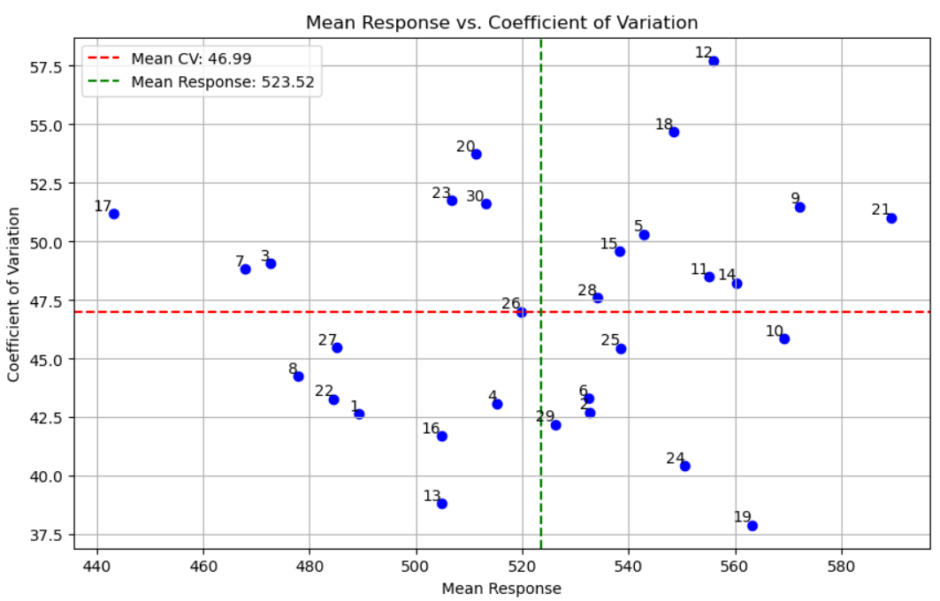
Genotype | MeanResponse | EnvironmentalCV | EnvironmentalVariance | EnvironmentalStdDev | Eqovalance_Rick | StabilityVariance(Shukla) | RegressionCoefficient(Beta:b) | DeviationfromRegression | R-Squared(R^2)
1 | 489.291111 | 42.662019 | 43573.00094 | 208.741469 | 56582.989458 | 5278.247107 | 0.847464 | 4242.975311 | 0.911476
2 | 532.673056 | 42.716988 | 51775.309068 | 227.541884 | 20388.71012 | 1752.830288 | 0.951378 | 1895.063328 | 0.966726
3 | 472.684167 | 49.063986 | 53785.815424 | 231.917691 | 63861.346861 | 5987.178023 | 0.933823 | 6119.738134 | 0.896564
4 | 515.256944 | 43.082742 | 49278.148326 | 221.98682 | 25884.53372 | 2288.137782 | 0.924282 | 2239.704134 | 0.958682
5 | 542.877222 | 50.31296 | 74604.148004 | 273.137599 | 111877.90347 | 10664.115355 | 1.082588 | 10772.890775 | 0.868727
6 | 532.460556 | 43.320771 | 53206.812981 | 230.66602 | 49363.288518 | 4575.029483 | 0.940505 | 4721.012057 | 0.919337
7 | 467.778333 | 48.84338 | 52202.538199 | 228.478748 | 24678.237377 | 2170.641385 | 0.951715 | 2326.002623 | 0.959493
8 | 477.774444 | 44.248117 | 44692.578908 | 211.406194 | 45103.916965 | 4160.15563 | 0.867023 | 3434.749098 | 0.930134
9 | 572.108611 | 51.505115 | 86827.579585 | 294.665199 | 96751.770599 | 9190.790724 | 1.205542 | 7105.303486 | 0.925607
10 | 569.217222 | 45.863984 | 68155.298274 | 261.065697 | 223108.98104 | 21498.311222 | 0.93285 | 22036.613112 | 0.706064
11 | 555.176944 | 48.496225 | 72490.103033 | 269.239862 | 41722.756813 | 3830.821849 | 1.121139 | 3279.631123 | 0.95887
12 | 556.026389 | 57.725073 | 103019.58449 | 320.966641 | 133221.43619 | 12743.030879 | 1.321968 | 7016.386944 | 0.938084
13 | 504.860278 | 38.825214 | 38421.128057 | 196.013081 | 100550.18849 | 9560.766493 | 0.764743 | 6688.363716 | 0.841745
14 | 560.324444 | 48.232947 | 73041.004407 | 270.260993 | 67463.378055 | 6338.025217 | 1.104962 | 6076.184046 | 0.924374
15 | 538.218889 | 49.579286 | 71206.2981 | 266.845083 | 87757.967892 | 8314.77098 | 1.071691 | 8463.15647 | 0.891951
16 | 504.755833 | 41.706634 | 44317.266515 | 210.516666 | 44211.205113 | 4073.203177 | 0.864363 | 3302.019808 | 0.932265
17 | 443.025833 | 51.183185 | 51417.707835 | 226.754731 | 108362.50877 | 10321.70678 | 0.875832 | 9898.410018 | 0.824991
18 | 548.463889 | 54.673146 | 89917.497644 | 299.862465 | 166701.41792 | 16004.068061 | 1.175983 | 14786.259632 | 0.850507
19 | 563.265556 | 37.906445 | 45588.205378 | 213.513947 | 68882.338478 | 6476.235648 | 0.855575 | 5619.428934 | 0.887941
20 | 511.210278 | 53.729993 | 75445.392819 | 274.673247 | 29081.064574 | 2599.48819 | 1.158251 | 1384.742029 | 0.983314
21 | 589.404444 | 51.030552 | 90466.406898 | 300.77634 | 136766.46937 | 13088.326319 | 1.205552 | 11106.518451 | 0.888391
22 | 484.550417 | 43.28672 | 43993.376272 | 209.74598 | 12723.592283 | 1006.227902 | 0.887316 | 499.973948 | 0.989668
23 | 506.755833 | 51.765336 | 68813.807061 | 262.323859 | 80962.453826 | 7652.87026 | 1.055645 | 7907.897062 | 0.89553
24 | 550.602361 | 40.419826 | 49529.623063 | 222.552518 | 26598.142929 | 2357.645172 | 0.925969 | 2326.433914 | 0.957299
25 | 538.434722 | 45.46205 | 59918.944536 | 244.783465 | 22408.158818 | 1949.529837 | 1.02335 | 2207.649952 | 0.966506
26 | 519.827917 | 47.01057 | 59718.683451 | 244.374065 | 38389.037298 | 3506.108909 | 1.008404 | 3834.607926 | 0.941626
27 | 485.183611 | 45.485094 | 48702.407627 | 220.68622 | 27651.947541 | 2460.288479 | 0.917623 | 2352.412664 | 0.956089
28 | 534.056528 | 47.616577 | 64668.203128 | 254.299436 | 50107.962322 | 4647.562646 | 1.043523 | 4895.570067 | 0.931179
29 | 526.208694 | 42.197131 | 49303.970331 | 222.044974 | 85943.95041 | 8138.080966 | 0.875148 | 7646.188071 | 0.859016
30 | 513.135 | 51.620479 | 70162.867317 | 264.882743 | 34790.01485 | 3155.554775 | 1.105795 | 2798.163883 | 0.963745

