Sheet1
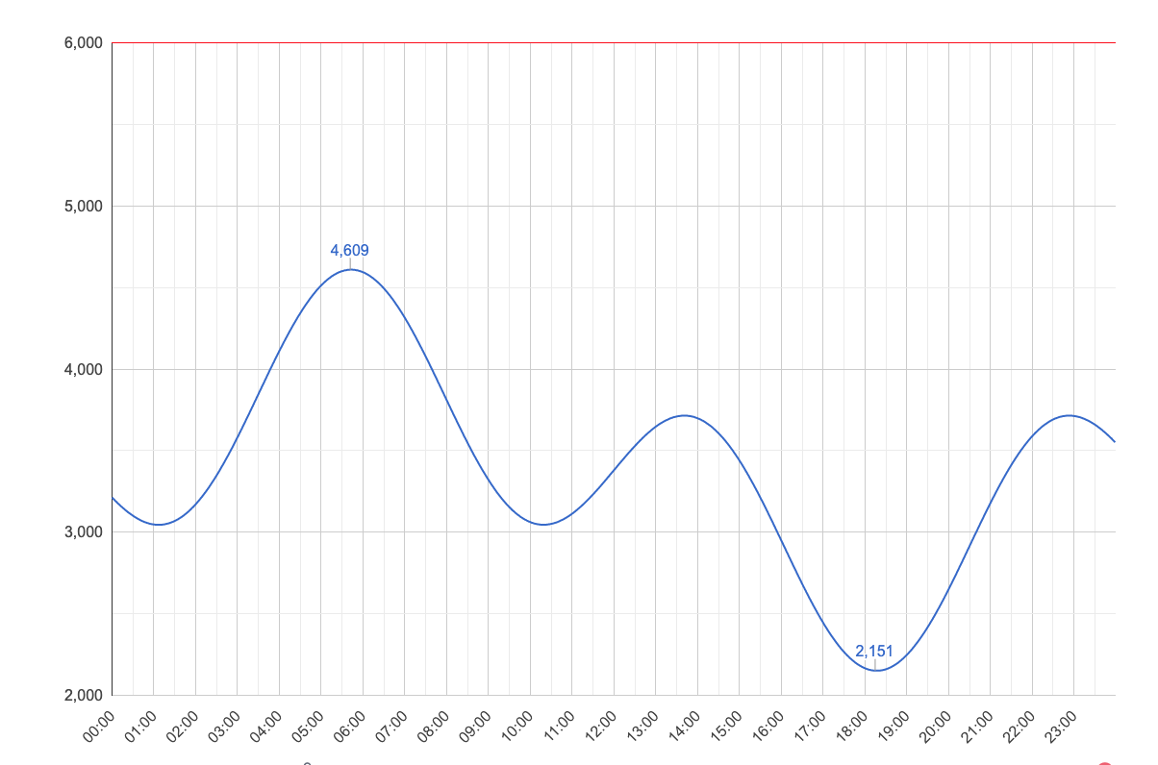
Nivell | Materials | Multiplicador venta
1 | - | 1
2 | 200 Steel Bars | 1.02
3 | 200 Silver | 1.04
4 | 200 Gold | 1.05
5 | 200 Copper Bars | 1.08
6 | 200 Iron Bars | 1.10
7 | 200 Silver Bars | 1.12
8 | 200 Gold Bars | 1.14
9 | 200 Circuits | 1.16
10 | 200 Lamps | 1.18
11 | 1 Anaptanium | 1.20
12 | 500 Batteries | 1.22
13 | 500 Copper | 1.24
14 | 500 Steel Bars | 1.26
15 | 500 Silver | 1.28
16 | 500 Gold | 1.30
17 | 500 Copper Bars | 1.32
18 | 500 Iron Bars | 1.34
19 | 500 Silver Bars | 1.36
20 | 500 Gold Bars | 1.38
21 | 2 Trillium | 1.40
22 | 1000 Lamps | 1.42
23 | 1000 Polished Amber | 1.44
24 | 1000 Batteries | 1.46
25 | 1000 Copper | 1.48
26 | 1000 Steel Bars | 1.50
27 | 1000 Silver | 1.52
28 | 1000 Gold | 1.54 |  | QUANTITATS
29 | 1000 Copper Bars | 1.56 |  | CIRCUITS | LAMPS | POLISHED AMBER | BATTERIES | STEEL BARS | COPPER BAR | IRON BAR | GOLD BAR | SILVER BAR
30 | 1000 Iron Bars | 1.58 |  | 0 | 0 | 0 | 0 | 0 | 0 | 0 | 0 | 0
31 | 3 Red Beryl | 1.60 |  | 0 | 0 | 0 | 0 | 0 | 0 | 0 | 0 | 0
32 | 1500 Gold Bars | 1.62 |  | 0 | 0 | 0 | 0 | 0 | 0 | 0 | 0 | 0
33 | 1500 Circuits | 1.64 |  | 0 | 0 | 0 | 0 | 0 | 0 | 0 | 0 | 0
34 | 1500 Lamps | 1.66 |  | 10000 | 0 | 0 | 0 | 0 | 0 | 0 | 0
35 | 1500 Polished Amber | 1.68 |  |  | 0 | 10000 | 9000 | 9000 | 9000 | 9000 | 10000
36 | 1500 Batteries | 1.70 |  |  | 10000 |  | 10000 | 10000
37 | 1500 Copper | 1.72
38 | 1500 Steel Bars | 1.74
39 | 1500 Silver | 1.76 | SUMES | 10000 | 10000 | 10000 | 19000 | 19000 | 9000 | 9000 | 10000 | 0
40 | 1500 Gold | 1.78
41 | 4 Arcanite | 1.80 |  | 21 dies | 9,2 dies |  | 13,19 dies
42 | 2000 Iron Bars | 1.82
43 | 2000 Silver Bars | 1.84
44 | 2000 Gold Bars | 1.86
45 | 2000 Circuits | 1.88
46 | 2000 Lamps | 1.90
46 | 2000 Polished Amber | 1.92
48 | 2000 Batteries | 1.94
49 | 2000 Copper | 1.96
50 | 2000 Steel Bars | 1.98
51 | 5 Anaptanium | 2.00
52 | 3000 Gold | 2.02
53 | 3000 Copper Bars | 2.04
54 | 3000 Iron Bars | 2.06
55 | 3000 Silver Bars | 2.08
56 | 3000 Gold Bars | 2.10
57 | 3000 Circuits | 2.12
58 | 3000 Lamps | 2.14
59 | 3000 Polished Amber | 2.16
60 | 3000 Batteries | 2.18
61 | 6 Trillium | 2.20
62 | 5000 Steel Bars | 2.22
63 | 5000 Silver | 2.24
64 | 5000 Gold | 2.26
65 | 5000 Copper Bars | 2.28
66 | 5000 Iron Bars | 2.30
67 | 5000 Silver Bars | 2.32
68 | 5000 Gold Bars | 2.34
69 | 5000 Circuits | 2.36
70 | 5000 Lamps | 2.38
71 | 7 Red Beryl | 2.40
72 | 7000 Batteries | 2.42
73 | 7000 Copper | 2.44
74 | 7000 Steel Bars | 2.46
75 | 7000 Silver | 2.48
76 | 7000 Gold | 2.50
77 | 7000 Copper Bars | 2.52
78 | 7000 Iron Bars | 2.54
79 | 7000 Silver Bars | 2.56
80 | 7000 Gold Bars | 2.58
81 | 8 Arcanite | 2.60
82 | 9000 Lamps | 2.62
83 | 9000 Polished Amber | 2.64
84 | 9000 Batteries | 2.66
85 | 9000 Copper | 2.68
86 | 9000 Steel Bars | 2.70
87 | 9000 Silver | 2.72
88 | 9000 Gold | 2.74
89 | 9000 Copper Bars | 2.76
90 | 9000 Iron Bars | 2.78
91 | 9 Anaptanium | 2.80
92 | 10 000 Gold Bars | 2.82
93 | 10 000 Circuits | 2.84
94 | 10 000 Lamps | 2.86
95 | 10 000 Polished Amber | 2.88
96 | 10 000 Batteries | 2.90
97 | 10 000 Copper | 2.92
98 | 10 000 Steel Bars | 2.94
99 | 10 000 Silver | 2.96
100 | 10 000 Gold | 2.98

